Question 1
PERSON
SSN | BDate | Sex | FName | MInit | LName | AddressNo | Street | AptNo | City | State | Zip
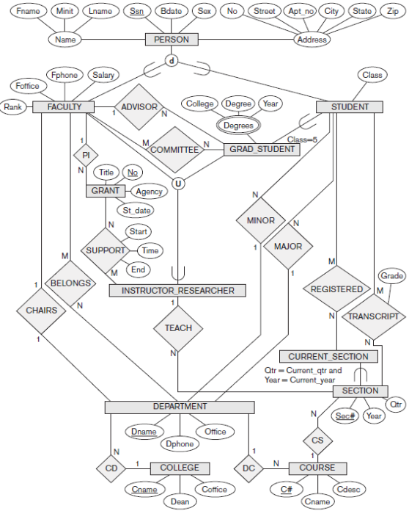
FACULTY
FSSN | Rank | FOffice | FPhone | Salary

STUDENT
SSSN | Class | MinorName | MajorName

GRAD_STUDENT
GSSSN | AdvisorSSN

INSTRUCTOR_RESEARCHER
IRSSN

DEGREES
GSSSN | College | Degree | Year

GRANT
GrantNo | Title | Agency | StartDate | FSSN

SECTION
SecNo | Year | Qtr | CourseNo | TeachSSN | IsCurrent

DEPARTMENT
DName | DPhone | Office | CName

COLLEGE
CName | Dean | COffice

COURSE
CNo | CName | CDesc | DName

CHAIRS
FSSN | DName

COMMITTEE
FSSN | GSSSN

BELONGS
DName | FSSN

SUPPORT
GrantNo | IRSSN

REGISTERED
SecNo | SSSN

TRANSCRIPT
SecNo | SSN | Grade

 | ALL OF THESE ARROWS ARE BACKWARDS!! POINT TO WHERE THE FKEY IS COMING FROM

Question 2
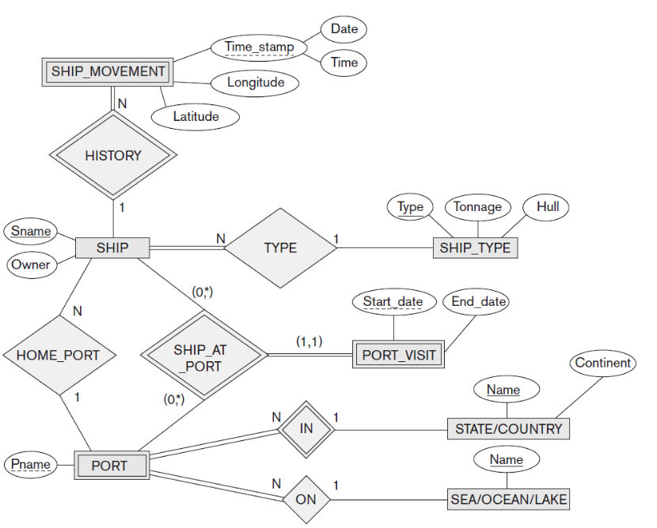
SHIP
SName | Owner | ShipType | HomePortName

SHIP_TYPE
Type | Tonnage | Hull

STATE/COUNTRY
Name | Continent

SEA/OCEAN/LAKE
Name

SHIP_MOVEMENT
ShipName | Date | Time | Longitude | Latitude

PORT
CountryName | PortName | SeaName

PORT_VISIT
PortName | ShipName | StartDate | EndDate

SHIP_AT_PORT
ShipName | StartDate | CountryName | PortName

ALL OF THESE ARROWS ARE BACKWARDS!! POINT TO WHERE THE FKEY IS COMING FROM

