Plot 1
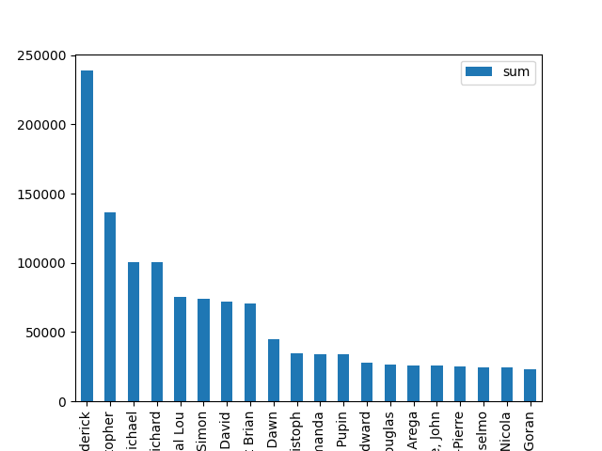
Plot 1: Top 20 Employees by Total Approved Amount | Employee | sum | count | mean
 | Stepanek, David Frederick | $238,767.02 | 388 | $615.38
 | Bradshaw, Christopher | $136,386.17 | 153 | $891.41
 | Gibran, Charles Michael | $100,657.91 | 178 | $565.49
 | Lapin, Richard | $100,251.36 | 216 | $464.13
 | Gordon, Crystal Lou | $75,755.38 | 58 | $1,306.13
 | Tye, Simon | $74,283.49 | 313 | $237.33
 | Willows, Bryan David | $72,021.19 | 222 | $324.42
 | Stavley, Stuart Brian | $70,993.69 | 58 | $1,224.03
 | Whalen, Jennifer Dawn | $44,954.66 | 231 | $194.61
 | Reitz, Christoph | $35,010.46 | 69 | $507.40
 | Nelson, Amanda | $34,226.55 | 118 | $290.06
 | De Campos, Rodrigo Pupin | $34,144.74 | 69 | $494.85
 | Beamish, Michael Edward | $28,036.93 | 217 | $129.20
 | Hamilton, Graham Douglas | $26,786.23 | 165 | $162.34
 | Tilahun, Redeate Arega | $26,019.37 | 83 | $313.49
 | Seale, John | $25,993.95 | 111 | $234.18
 | Inderkummen, Jean-Pierre | $25,409.05 | 111 | $228.91
 | Arlotta Filho, Anselmo | $24,614.25 | 50 | $492.29
 | Willenbacher, Samantha Nicola | $24,223.77 | 149 | $162.58
 | Gorbitz, Goran | $23,329.77 | 114 | $204.65

Plot 2
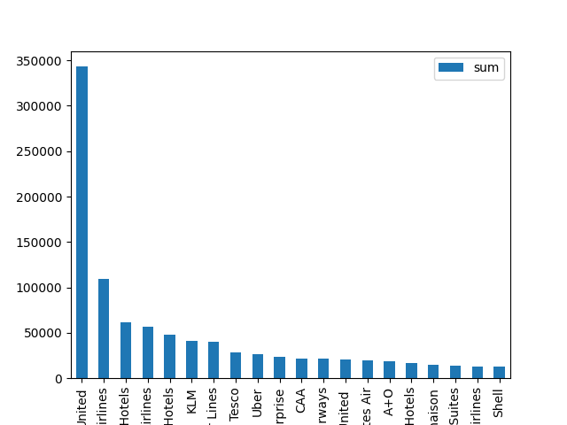
Plot 2: Top 20 Vendors by Total Approved Amount | Vendor | sum | count | mean
 | United | $343,184.07 | 149 | $2,303.25
 | American Airlines | $109,776.90 | 437 | $251.21
 | Marriott Hotels | $62,026.44 | 366 | $169.47
 | United Airlines | $57,187.95 | 31 | $1,844.77
 | Hilton Hotels | $48,389.87 | 304 | $159.18
 | KLM | $41,260.20 | 36 | $1,146.12
 | Delta Air Lines | $40,430.64 | 45 | $898.46
 | Tesco | $28,511.61 | 486 | $58.67
 | Uber | $26,036.10 | 362 | $71.92
 | Enterprise | $23,576.83 | 66 | $357.22
 | CAA | $22,051.91 | 60 | $367.53
 | British Airways | $21,538.70 | 28 | $769.24
 | United | $20,742.94 | 8 | $2,592.87
 | Emirates Air | $19,270.71 | 5 | $3,854.14
 | A+O | $18,584.76 | 4 | $4,646.19
 | Hyatt Hotels | $17,058.52 | 98 | $174.07
 | Malmaison | $14,811.46 | 24 | $617.14
 | Hampton Inn & Suites | $13,715.00 | 126 | $108.85
 | Saudia Airlines | $13,109.98 | 4 | $3,277.49
 | Shell | $12,825.46 | 222 | $57.77

Plot 3
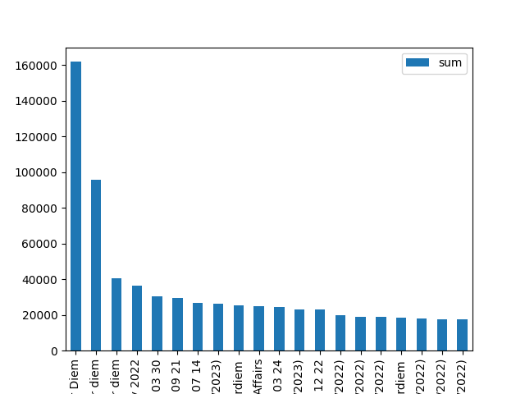
Plot 3: Top 20 Report Names by Total Approved Amount | Report Name | sum | count | mean
 | Per Diem | $161,964.99 | 647 | $250.33
 | per diem | $95,628.30 | 340 | $281.26
 | Per diem | $40,694.44 | 138 | $294.89
 | January February 2022 | $36,536.78 | 44 | $830.38
 | Expense Report-CB 2022 03 30 | $30,421.28 | 31 | $981.33
 | Expense Report-CB 2022 09 21 | $29,347.45 | 45 | $652.17
 | Expense Report-CB 2022 07 14 | $26,993.67 | 5 | $5,398.73
 | January Expenses (01/01/2023) | $26,259.53 | 234 | $112.22
 | Perdiem | $25,624.07 | 99 | $258.83
 | Volocopter & Airbus Govt Affairs | $24,962.53 | 34 | $734.19
 | Expense Report-DS 2022 03 24 | $24,450.50 | 38 | $643.43
 | February Expenses (02/01/2023) | $23,048.37 | 82 | $281.08
 | Expense Report-CB 2022 12 22 | $22,964.34 | 25 | $918.57
 | October Expenses (01/10/2022) | $19,759.26 | 162 | $121.97
 | December Expenses (12/01/2022) | $19,091.57 | 98 | $194.81
 | February Expenses (02/01/2022) | $18,913.51 | 95 | $199.09
 | perdiem | $18,308.33 | 86 | $212.89
 | August Expenses (08/01/2022) | $18,027.07 | 99 | $182.09
 | March Expenses (03/01/2022) | $17,665.56 | 93 | $189.95
 | May Expenses (05/01/2022) | $17,515.13 | 86 | $203.66

Plot 4
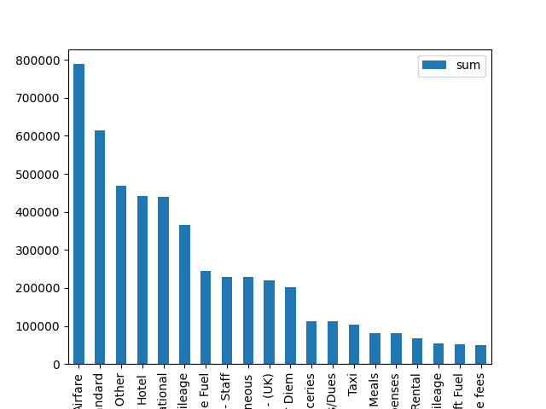
Plot 4: Top 20 Expense Types by Total Approved Amount | Expense Type | sum | count | mean
 | Airfare | $788,557.05 | 889 | $887.02
 | Per Diem - GOM Standard | $613,850.00 | 2923 | $210.01
 | Per Diem - GOM Other | $469,290.00 | 1948 | $240.91
 | Hotel | $441,115.18 | 1990 | $221.67
 | Per Diem - International | $440,000.00 | 716 | $614.53
 | Personal Car Mileage | $365,306.81 | 3873 | $94.32
 | Vehicle Fuel | $245,111.22 | 3985 | $61.51
 | Meals & Entertainment - Staff | $228,222.46 | 1420 | $160.72
 | Miscellaneous | $228,215.57 | 1221 | $186.91
 | Individual Meals - (UK) | $219,222.55 | 5070 | $43.24
 | International Guyana Per Diem | $201,190.00 | 276 | $728.95
 | Subsistence Travel-Groceries | $112,253.85 | 2230 | $50.34
 | Professional Subscriptions/Dues | $112,180.06 | 258 | $434.81
 | Taxi | $103,346.69 | 1369 | $75.49
 | Individual Meals | $80,591.76 | 1185 | $68.01
 | Medical Expenses | $80,158.40 | 389 | $206.06
 | Car Rental | $67,098.52 | 187 | $358.82
 | Base to Base Mileage | $54,735.77 | 697 | $78.53
 | Aircraft Fuel | $50,947.16 | 28 | $1,819.54
 | Seminar/Course fees | $50,128.49 | 99 | $506.35

Plot 5
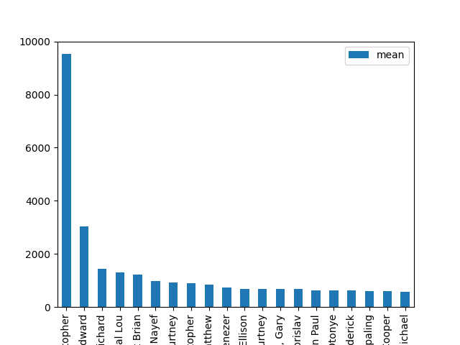
Plot 5: Top 20 Employees by Average Expense Amount | Employee | sum | count | mean
 | Pucillo, Christopher | $9,524.34 | 1 | $9,524.34
 | Kern, Wesley Edward | $6,079.77 | 2 | $3,039.89
 | Cowan, Richard | $1,448.81 | 1 | $1,448.81
 | Gordon, Crystal Lou | $75,755.38 | 58 | $1,306.13
 | Stavley, Stuart Brian | $70,993.69 | 58 | $1,224.03
 | Abousoud, Jad Nayef | $12,665.00 | 13 | $974.23
 | Byrne, Courtney | $2,756.88 | 3 | $918.96
 | Bradshaw, Christopher | $136,386.17 | 153 | $891.41
 | Grieve, Matthew | $853.54 | 1 | $853.54
 | Omolayo, Ayodele Ebenezer | $736.96 | 1 | $736.96
 | Van Wagenen, Jay Ellison | $13,819.79 | 20 | $690.99
 | Spence, Andrew Courtney | $14,377.95 | 21 | $684.66
 | Ellis, Gary | $669.56 | 1 | $669.56
 | Angelov, Borislav | $669.56 | 1 | $669.56
 | Matherne, Evan Paul | $634.70 | 1 | $634.70
 | Ibifuro-Harrison, Otonye | $632.83 | 1 | $632.83
 | Stepanek, David Frederick | $238,767.02 | 388 | $615.38
 | Demo, Empaling | $600.00 | 1 | $600.00
 | Pitre, Cooper | $3,545.47 | 6 | $590.91
 | Gibran, Charles Michael | $100,657.91 | 178 | $565.49

Plot 6
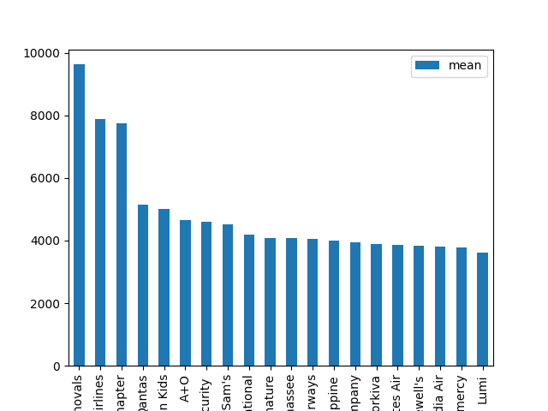
Plot 6: Top 20 Vendors by Average Expense Amount | Vendor | sum | count | mean
 | Deanes Removals | $9,629.35 | 1 | $9,629.35
 | Turkish Airlines | $7,889.23 | 1 | $7,889.23
 | YPO - Houston Chapter | $7,760.00 | 1 | $7,760.00
 | Qantas | $5,136.20 | 1 | $5,136.20
 | The Leaven Kids | $5,000.00 | 1 | $5,000.00
 | A+O | $18,584.76 | 4 | $4,646.19
 | Datacom Security | $4,599.90 | 1 | $4,599.90
 | Nick & Sam's | $4,506.88 | 1 | $4,506.88
 | YPO International | $4,195.00 | 1 | $4,195.00
 | Signature | $8,173.78 | 2 | $4,086.89
 | Million Air Tallahassee | $4,071.37 | 1 | $4,071.37
 | Qantas Airways | $4,046.58 | 1 | $4,046.58
 | Philippine | $4,005.08 | 1 | $4,005.08
 | Alex Hutcheon and company | $3,958.12 | 1 | $3,958.12
 | Workiva | $3,885.00 | 1 | $3,885.00
 | Emirates Air | $19,270.71 | 5 | $3,854.14
 | Ridgewell's | $3,831.14 | 1 | $3,831.14
 | Saudia Air | $3,813.68 | 1 | $3,813.68
 | Giorgios of Gramercy | $3,779.82 | 1 | $3,779.82
 | Lumi | $7,249.68 | 2 | $3,624.84

Plot 7
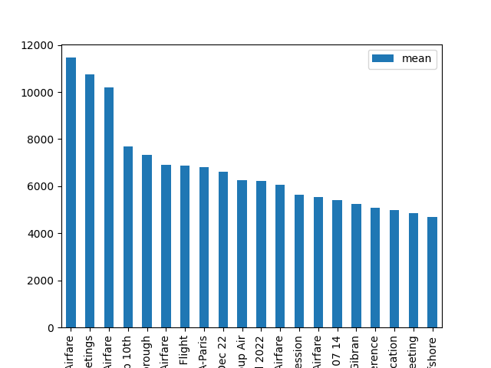
Plot 7: Top 20 Report Names by Average Expense Amount | Report Name | sum | count | mean
 | Saudi Executive Mtgs - Airfare | $11,458.44 | 1 | $11,458.44
 | London - PM Meetings | $10,762.55 | 1 | $10,762.55
 | London THC Mtgs Airfare | $10,191.18 | 1 | $10,191.18
 | Saudi Feb 10th | $15,354.45 | 2 | $7,677.22
 | Lilium Event - Farnborough | $7,321.03 | 1 | $7,321.03
 | London - Farnborough Airfare | $6,917.77 | 1 | $6,917.77
 | London Aviation Dinner Flight | $6,868.58 | 1 | $6,868.58
 | Signing Event ASA-Paris | $6,815.33 | 1 | $6,815.33
 | Trip to USA Christmas Dec 22 | $6,621.74 | 1 | $6,621.74
 | Vertical Pilot Focus Group Air | $6,261.15 | 1 | $6,261.15
 | Brazil flights and DC Meal 2022 | $12,425.47 | 2 | $6,212.73
 | Rev.Aero Dublin Airfare | $6,068.75 | 1 | $6,068.75
 | London-THC Planning SAR Session | $5,633.82 | 1 | $5,633.82
 | Aberdeen Board Mtg Airfare | $5,544.47 | 1 | $5,544.47
 | Expense Report-CB 2022 07 14 | $26,993.67 | 5 | $5,398.73
 | Flights for Lapin & Gibran | $5,260.01 | 1 | $5,260.01
 | ONS Conference | $5,098.17 | 1 | $5,098.17
 | UK CAA Export CofA Application | $4,994.65 | 1 | $4,994.65
 | Aug BOD Meeting | $9,724.34 | 2 | $4,862.17
 | HeliOffshore | $9,397.64 | 2 | $4,698.82

Plot 8
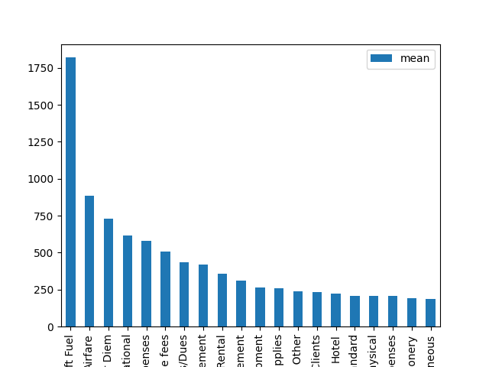
Plot 8: Top 20 Expense Types by Average Expense Amount | Expense Type | sum | count | mean
 | Aircraft Fuel | $50,947.16 | 28 | $1,819.54
 | Airfare | $788,557.05 | 889 | $887.02
 | International Guyana Per Diem | $201,190.00 | 276 | $728.95
 | Per Diem - International | $440,000.00 | 716 | $614.53
 | Relocation Expenses | $30,811.75 | 53 | $581.35
 | Seminar/Course fees | $50,128.49 | 99 | $506.35
 | Professional Subscriptions/Dues | $112,180.06 | 258 | $434.81
 | Hurricane Damage Reimbursement | $2,509.43 | 6 | $418.24
 | Car Rental | $67,098.52 | 187 | $358.82
 | Tuition/Training Reimbursement | $32,497.29 | 104 | $312.47
 | Tool/Equipment | $29,144.55 | 110 | $264.95
 | Shop Expenses - Supplies | $22,013.80 | 85 | $258.99
 | Per Diem - GOM Other | $469,290.00 | 1948 | $240.91
 | Meals & Entertainment - Clients | $41,057.76 | 176 | $233.28
 | Hotel | $441,115.18 | 1990 | $221.67
 | Per Diem - GOM Standard | $613,850.00 | 2923 | $210.01
 | Flight Physical | $47,266.14 | 227 | $208.22
 | Medical Expenses | $80,158.40 | 389 | $206.06
 | Printing/Photocopying/Stationery | $3,451.93 | 18 | $191.77
 | Miscellaneous | $228,215.57 | 1221 | $186.91

Plot 9
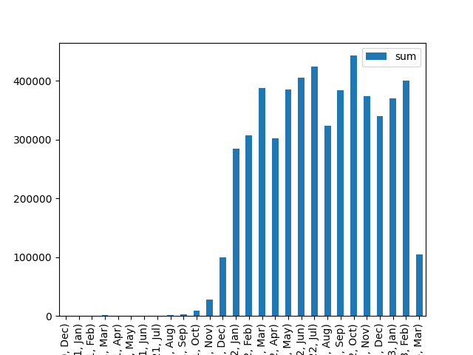
Plot 9: Total Approved Amount by Month | Year | Month | sum | count | mean
 | 2020 | Dec | $41.55 | 1 | $41.55
 | 2021 | Jan | $291.88 | 2 | $145.94
 | 2021 | Feb | $159.82 | 1 | $159.82
 | 2021 | Mar | $1,219.26 | 10 | $121.93
 | 2021 | Apr | $244.65 | 2 | $122.33
 | 2021 | May | $345.51 | 4 | $86.38
 | 2021 | Jun | $320.12 | 5 | $64.02
 | 2021 | Jul | $697.83 | 6 | $116.31
 | 2021 | Aug | $1,330.65 | 9 | $147.85
 | 2021 | Sep | $2,717.27 | 26 | $104.51
 | 2021 | Oct | $9,202.09 | 72 | $127.81
 | 2021 | Nov | $28,148.27 | 211 | $133.40
 | 2021 | Dec | $100,052.41 | 718 | $139.35
 | 2022 | Jan | $284,343.71 | 2064 | $137.76
 | 2022 | Feb | $306,811.86 | 1921 | $159.71
 | 2022 | Mar | $387,438.19 | 2597 | $149.19
 | 2022 | Apr | $302,374.77 | 2201 | $137.38
 | 2022 | May | $385,207.27 | 2405 | $160.17
 | 2022 | Jun | $405,990.32 | 2468 | $164.50
 | 2022 | Jul | $424,264.65 | 2248 | $188.73
 | 2022 | Aug | $323,122.31 | 2120 | $152.42
 | 2022 | Sep | $383,770.21 | 2501 | $153.45
 | 2022 | Oct | $443,053.30 | 2719 | $162.95
 | 2022 | Nov | $374,661.24 | 2583 | $145.05
 | 2022 | Dec | $340,632.94 | 2392 | $142.41
 | 2023 | Jan | $369,688.47 | 2552 | $144.86
 | 2023 | Feb | $400,113.99 | 1818 | $220.08
 | 2023 | Mar | $105,185.66 | 429 | $245.19

Plot 10
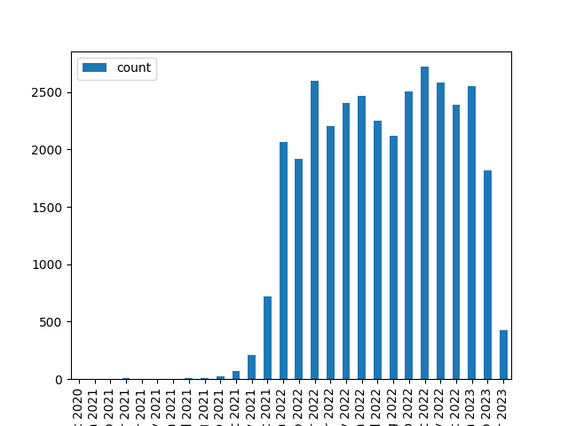
Plot 10: Average Approved Amount by Month | index | sum | count | mean
 | Dec 2020 | $41.55 | 1 | $41.55
 | Jan 2021 | $291.88 | 2 | $145.94
 | Feb 2021 | $159.82 | 1 | $159.82
 | Mar 2021 | $1,219.26 | 10 | $121.93
 | Apr 2021 | $244.65 | 2 | $122.33
 | May 2021 | $345.51 | 4 | $86.38
 | Jun 2021 | $320.12 | 5 | $64.02
 | Jul 2021 | $697.83 | 6 | $116.31
 | Aug 2021 | $1,330.65 | 9 | $147.85
 | Sep 2021 | $2,717.27 | 26 | $104.51
 | Oct 2021 | $9,202.09 | 72 | $127.81
 | Nov 2021 | $28,148.27 | 211 | $133.40
 | Dec 2021 | $100,052.41 | 718 | $139.35
 | Jan 2022 | $284,343.71 | 2064 | $137.76
 | Feb 2022 | $306,811.86 | 1921 | $159.71
 | Mar 2022 | $387,438.19 | 2597 | $149.19
 | Apr 2022 | $302,374.77 | 2201 | $137.38
 | May 2022 | $385,207.27 | 2405 | $160.17
 | Jun 2022 | $405,990.32 | 2468 | $164.50
 | Jul 2022 | $424,264.65 | 2248 | $188.73
 | Aug 2022 | $323,122.31 | 2120 | $152.42
 | Sep 2022 | $383,770.21 | 2501 | $153.45
 | Oct 2022 | $443,053.30 | 2719 | $162.95
 | Nov 2022 | $374,661.24 | 2583 | $145.05
 | Dec 2022 | $340,632.94 | 2392 | $142.41
 | Jan 2023 | $369,688.47 | 2552 | $144.86
 | Feb 2023 | $400,113.99 | 1818 | $220.08
 | Mar 2023 | $105,185.66 | 429 | $245.19

Plot 11
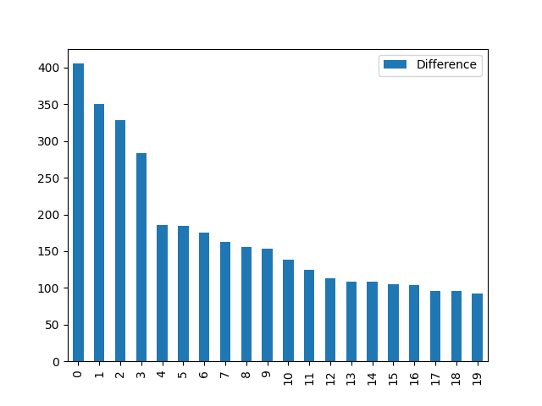
Plot 11: Average Time Difference between Transaction Date and Sent for Payment Date by Employee (Top 20) | index | Employee | Difference
 | 0 | Truelove, Brian David | 405
 | 1 | Onochie, Amaeze | 350
 | 2 | Hickerson, Jennifer E | 329
 | 3 | Ombugadu, Mary | 284
 | 4 | Meaux, Allison Rae | 185
 | 5 | Self, David | 184
 | 6 | Rowlands, Wayne David | 175
 | 7 | Miceli, Fabio | 162
 | 8 | Byrne, Courtney | 156
 | 9 | Mogford, Justin David | 154
 | 10 | Gorzelanczyk, Kinga Katarzyna | 138
 | 11 | Holt, Amber Renee | 125
 | 12 | Tickle, Simon | 113
 | 13 | Adams, Theodossios Arthur | 108
 | 14 | Fisk, Jonathan | 108
 | 15 | Weiss, Stefan | 105
 | 16 | Farber, Lindsay | 103
 | 17 | Heasman, Carl | 96
 | 18 | Schmuck, Johnathan Edward | 96
 | 19 | Lea, Richard | 92

Plot 12
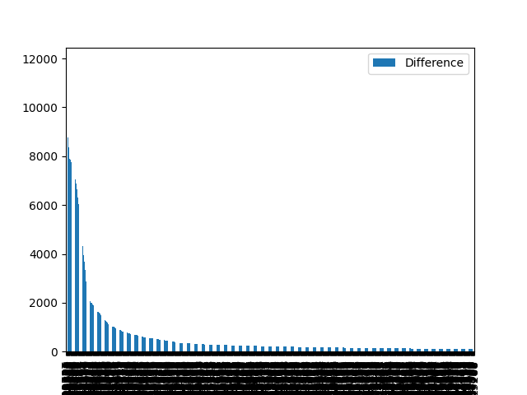
Plot 12: Time Differences over 180 Days between Transaction Date and Sent for Payment Date | index | Employee | Transaction Date | Sent for Payment Date | Difference | Approved Amount (rpt)
 | 28 | Truelove, Brian David | 2021-05-11 | 2022-10-04 | 511.00 | 143.92
 | 94 | Sargent, Nathan T | 2021-09-21 | 2023-01-30 | 496.00 | 90
 | 36 | Beamish, Michael Edward | 2021-06-27 | 2022-10-17 | 477.00 | 28.73
 | 37 | Beamish, Michael Edward | 2021-06-29 | 2022-10-17 | 475.00 | 41.67
 | 3 | Corbett, Alan | 2021-01-31 | 2022-04-08 | 432.00 | 237.21
 | 7 | Lorraine, James | 2021-03-04 | 2022-04-28 | 420.00 | 427.53
 | 635 | Crampin, Gwion | 2021-12-04 | 2023-01-09 | 401.00 | 34.55
 | 2 | Lorraine, James | 2021-01-27 | 2022-03-03 | 400.00 | 54.67
 | 19 | Gardner, Andrew | 2021-03-22 | 2022-04-18 | 392.00 | 56.98
 | 240 | Crampin, Gwion | 2021-11-07 | 2022-11-30 | 388.00 | 42.4
 | 25 | Crisp, Samuel | 2021-04-23 | 2022-05-16 | 388.00 | 119.97
 | 21 | Gardner, Andrew | 2021-03-27 | 2022-04-18 | 387.00 | 44.43
 | 168 | Byrne, Courtney | 2021-10-20 | 2022-11-10 | 386.00 | 74.88
 | 0 | Ireland, David John | 2020-12-16 | 2022-01-06 | 386.00 | 41.55
 | 315 | Webb, Samuel Henry | 2021-11-12 | 2022-12-02 | 385.00 | 66.29
 | 9 | de Jonge, Ralph Timoty | 2021-03-16 | 2022-04-04 | 384.00 | 115.74
 | 12 | Galie, Davide | 2021-03-20 | 2022-04-05 | 381.00 | 230.02
 | 26 | Crisp, Samuel | 2021-05-02 | 2022-05-16 | 379.00 | 78.8
 | 42 | Johnson, Edward William | 2021-07-26 | 2022-08-09 | 379.00 | 37.91
 | 244 | Kenyon, David John | 2021-11-07 | 2022-11-20 | 378.00 | 54.15
 | 5523 | Baker, Jonathan | 2022-02-04 | 2023-02-17 | 378.00 | 226.7
 | 16 | de Jonge, Ralph Timoty | 2021-03-22 | 2022-04-04 | 378.00 | 73.43
 | 17 | de Jonge, Ralph Timoty | 2021-03-22 | 2022-04-04 | 378.00 | 73.95
 | 18 | de Jonge, Ralph Timoty | 2021-03-22 | 2022-04-04 | 378.00 | 58.2
 | 13 | de Jonge, Ralph Timoty | 2021-03-22 | 2022-04-04 | 378.00 | 32.58
 | 437 | Crampin, Gwion | 2021-11-20 | 2022-11-30 | 375.00 | 45.69
 | 122 | Prentice, John | 2021-10-09 | 2022-10-17 | 373.00 | 38.17
 | 268 | Wallace, Cameron | 2021-11-09 | 2022-11-17 | 373.00 | 297.44
 | 125 | Watson, Jonathan | 2021-10-10 | 2022-10-17 | 372.00 | 50.4
 | 1687 | Johnson, Edward William | 2021-12-30 | 2023-01-06 | 372.00 | 36.32
 | 8 | Baker, Jessie Rachelle | 2021-03-06 | 2022-03-12 | 371.00 | 106.4
 | 1149 | Fenner, Paul Eric | 2021-12-16 | 2022-12-21 | 370.00 | 75.94
 | 23 | Crisp, Samuel | 2021-04-22 | 2022-04-26 | 369.00 | 124.68
 | 45 | Matthews, Stephen Anthony | 2021-07-29 | 2022-08-01 | 368.00 | 34.46
 | 44 | Matthews, Stephen Anthony | 2021-07-29 | 2022-08-01 | 368.00 | 230.43
 | 525 | Beamish, Michael Edward | 2021-11-28 | 2022-11-28 | 365.00 | 317.52
 | 627 | Beamish, Michael Edward | 2021-12-04 | 2022-11-28 | 359.00 | 315.72
 | 46 | Horreo Gonzalez, Adrian | 2021-08-01 | 2022-07-23 | 356.00 | 917.2
 | 1714 | Symonds, Richard Colin | 2021-12-30 | 2022-12-21 | 356.00 | 30.76
 | 5 | Beamish, Michael Edward | 2021-02-22 | 2022-02-13 | 356.00 | 159.82
 | 143 | Truelove, Brian David | 2021-10-14 | 2022-10-04 | 355.00 | 543.8
 | 1677 | Eaton, Philip Hugh | 2021-12-30 | 2022-12-16 | 351.00 | 46.18
 | 1679 | Eaton, Philip Hugh | 2021-12-30 | 2022-12-16 | 351.00 | 33.25
 | 99 | Malik, Yasmine | 2021-09-23 | 2022-09-09 | 351.00 | 875.7
 | 167 | Truelove, Brian David | 2021-10-19 | 2022-10-04 | 350.00 | 67.84
 | 34 | Onochie, Amaeze | 2021-06-21 | 2022-06-06 | 350.00 | 164.09
 | 5552 | Engel, Jurjen | 2022-02-04 | 2023-01-18 | 348.00 | 36.08
 | 6230 | Hickerson, Jennifer E | 2022-02-09 | 2023-01-23 | 348.00 | 286.07
 | 6229 | Hickerson, Jennifer E | 2022-02-09 | 2023-01-23 | 348.00 | 42.6
 | 882 | Tapping, Thomas Tobias | 2021-12-10 | 2022-10-31 | 325.00 | 34.87
 | 8984 | Hickerson, Jennifer E | 2022-03-06 | 2023-01-23 | 323.00 | 293.09
 | 8982 | Hickerson, Jennifer E | 2022-03-06 | 2023-01-23 | 323.00 | 36.98
 | 13667 | Corbett, Alan | 2022-04-07 | 2023-02-24 | 323.00 | 62.16
 | 11964 | Lapin, Richard | 2022-03-26 | 2023-02-10 | 321.00 | 89.98
 | 9595 | Hickerson, Jennifer E | 2022-03-09 | 2023-01-23 | 320.00 | 35.82
 | 9596 | Hickerson, Jennifer E | 2022-03-09 | 2023-01-23 | 320.00 | 51
 | 9788 | Hickerson, Jennifer E | 2022-03-10 | 2023-01-23 | 319.00 | 34.65
 | 8472 | Arijs, Johan | 2022-03-02 | 2023-01-11 | 315.00 | 173.35
 | 1056 | Mogford, Justin David | 2021-12-14 | 2022-10-19 | 309.00 | 152.25
 | 15185 | Corbett, Alan | 2022-04-21 | 2023-02-24 | 309.00 | 563.65
 | 2507 | Pettit, Colin | 2022-01-09 | 2022-11-10 | 305.00 | 43.36
 | 16725 | Corbett, Alan | 2022-05-03 | 2023-02-24 | 297.00 | 43.12
 | 2403 | Ireland, David John | 2022-01-08 | 2022-10-31 | 296.00 | 169.45
 | 16902 | Corbett, Alan | 2022-05-04 | 2023-02-24 | 296.00 | 31.25
 | 16900 | Corbett, Alan | 2022-05-04 | 2023-02-24 | 296.00 | 44.99
 | 17076 | Corbett, Alan | 2022-05-05 | 2023-02-24 | 295.00 | 37.67
 | 15874 | Lapin, Richard | 2022-04-26 | 2023-02-10 | 290.00 | 89.98
 | 100 | Ombugadu, Mary | 2021-09-23 | 2022-07-04 | 284.00 | 111.08
 | 18948 | Callina, Peter joseph | 2022-05-19 | 2023-02-22 | 279.00 | 778.17
 | 3226 | Mogford, Justin David | 2022-01-14 | 2022-10-19 | 278.00 | 153.34
 | 5669 | Sweet, Dennis Robert | 2022-02-05 | 2022-11-10 | 278.00 | 179
 | 5754 | Sweet, Dennis Robert | 2022-02-06 | 2022-11-10 | 277.00 | 84
 | 5756 | Sweet, Dennis Robert | 2022-02-06 | 2022-11-10 | 277.00 | 56.23
 | 5921 | Sweet, Dennis Robert | 2022-02-07 | 2022-11-10 | 276.00 | 70
 | 39 | Torbet, Russell John | 2021-07-02 | 2022-03-29 | 270.00 | 310.38
 | 31 | Hayes, Douglas J | 2021-05-28 | 2022-02-21 | 269.00 | 88.79
 | 3254 | Schmuck, Johnathan Edward | 2022-01-14 | 2022-10-04 | 263.00 | 45.93
 | 21130 | Corbett, Alan | 2022-06-06 | 2023-02-24 | 263.00 | 204.94
 | 21311 | Corbett, Alan | 2022-06-07 | 2023-02-24 | 262.00 | 472.95
 | 21445 | Corbett, Alan | 2022-06-08 | 2023-02-24 | 261.00 | 62.11
 | 19933 | Lapin, Richard | 2022-05-26 | 2023-02-10 | 260.00 | 85.98
 | 50 | Meaux, Allison Rae | 2021-08-15 | 2022-04-28 | 256.00 | 64.01
 | 16437 | Lewis, Graham J | 2022-04-30 | 2023-01-11 | 256.00 | 1115.77
 | 27 | Green, David michael | 2021-05-06 | 2022-01-17 | 256.00 | 34
 | 8942 | Aspden, Alec Craig | 2022-03-06 | 2022-11-17 | 256.00 | 47.75
 | 9497 | Aspden, Alec Craig | 2022-03-09 | 2022-11-17 | 253.00 | 35.94
 | 6265 | Mogford, Justin David | 2022-02-09 | 2022-10-19 | 252.00 | 144.45
 | 56 | Meaux, Allison Rae | 2021-08-22 | 2022-04-28 | 249.00 | 56.56
 | 9223 | Sweet, Dennis Robert | 2022-03-07 | 2022-11-10 | 248.00 | 53.95
 | 6808 | Mogford, Justin David | 2022-02-14 | 2022-10-19 | 247.00 | 152.01
 | 23363 | Corbett, Alan | 2022-06-22 | 2023-02-24 | 247.00 | 1042.81
 | 9851 | Sweet, Dennis Robert | 2022-03-10 | 2022-11-11 | 246.00 | 80.71
 | 10589 | Keller, Ronald Joseph | 2022-03-16 | 2022-11-16 | 245.00 | 165
 | 24052 | Lapin, Richard | 2022-06-26 | 2023-02-10 | 229.00 | 89.98
 | 12405 | Sweet, Dennis Robert | 2022-03-29 | 2022-11-11 | 227.00 | 134.61
 | 106 | Crandall, Shawn K | 2021-09-27 | 2022-05-10 | 225.00 | 190
 | 20463 | Lewis, Graham J | 2022-05-31 | 2023-01-11 | 225.00 | 941.87
 | 32 | Green, David michael | 2021-06-06 | 2022-01-17 | 225.00 | 34.63
 | 83 | Meaux, Allison Rae | 2021-09-15 | 2022-04-28 | 225.00 | 45.58
 | 13419 | Sweet, Dennis Robert | 2022-04-05 | 2022-11-11 | 220.00 | 40
 | 13420 | Sweet, Dennis Robert | 2022-04-05 | 2022-11-11 | 220.00 | 86.49
 | 10291 | Mogford, Justin David | 2022-03-14 | 2022-10-19 | 219.00 | 150.57
 | 23234 | Miceli, Fabio | 2022-06-21 | 2023-01-25 | 218.00 | 152.61
 | 23235 | Miceli, Fabio | 2022-06-21 | 2023-01-25 | 218.00 | 33.55
 | 2339 | Self, David | 2022-01-07 | 2022-08-10 | 215.00 | 125.25
 | 2627 | Self, David | 2022-01-10 | 2022-08-10 | 212.00 | 295
 | 29861 | Adams, Theodossios Arthur | 2022-08-10 | 2023-03-07 | 209.00 | 126.98
 | 30176 | Adams, Theodossios Arthur | 2022-08-12 | 2023-03-07 | 207.00 | 92.02
 | 70 | Torbet, Russell John | 2021-09-05 | 2022-03-29 | 205.00 | 51.32
 | 158 | Green, Robert Anthony | 2021-10-18 | 2022-05-11 | 205.00 | 144.45
 | 156 | Crandall, Shawn K | 2021-10-18 | 2022-05-10 | 204.00 | 132.09
 | 155 | Crandall, Shawn K | 2021-10-18 | 2022-05-10 | 204.00 | 99.79
 | 20859 | Bradshaw, Christopher | 2022-06-03 | 2022-12-23 | 203.00 | 2150
 | 161 | Crandall, Shawn K | 2021-10-19 | 2022-05-10 | 203.00 | 132.09
 | 169 | Crandall, Shawn K | 2021-10-20 | 2022-05-10 | 202.00 | 132.09
 | 173 | Crandall, Shawn K | 2021-10-21 | 2022-05-10 | 201.00 | 252
 | 35 | Parekh, Seema Ketul | 2021-06-26 | 2022-01-12 | 200.00 | 51
 | 9606 | Kosmack, Michael Keith | 2022-03-09 | 2022-09-25 | 200.00 | 420
 | 31005 | Adams, Theodossios Arthur | 2022-08-19 | 2023-03-07 | 200.00 | 230.79
 | 28149 | Lapin, Richard | 2022-07-26 | 2023-02-10 | 199.00 | 89.98
 | 24180 | Lewis, Graham J | 2022-06-27 | 2023-01-11 | 198.00 | 963.97
 | 31287 | Adams, Theodossios Arthur | 2022-08-22 | 2023-03-07 | 197.00 | 127.74
 | 17896 | Devlin, Andrew Jerich | 2022-05-11 | 2022-11-23 | 196.00 | 27.93
 | 11458 | Schmuck, Johnathan Edward | 2022-03-22 | 2022-10-04 | 196.00 | 70
 | 24548 | Lewis, Graham J | 2022-06-29 | 2023-01-11 | 196.00 | 550
 | 24746 | Lewis, Graham J | 2022-06-30 | 2023-01-11 | 195.00 | 46.8
 | 24745 | Lewis, Graham J | 2022-06-30 | 2023-01-11 | 195.00 | 45
 | 40 | Green, David michael | 2021-07-06 | 2022-01-17 | 195.00 | 33.85
 | 17015 | Sweet, Dennis Robert | 2022-05-04 | 2022-11-11 | 191.00 | 110
 | 3333 | Parsons, Donna Michelle | 2022-01-15 | 2022-07-25 | 191.00 | 104.98
 | 17161 | Sweet, Dennis Robert | 2022-05-05 | 2022-11-11 | 190.00 | 45
 | 17162 | Sweet, Dennis Robert | 2022-05-05 | 2022-11-11 | 190.00 | 95.73
 | 26910 | Cross, Blake Lewis | 2022-07-18 | 2023-01-23 | 189.00 | 1139.22
 | 14457 | Mogford, Justin David | 2022-04-14 | 2022-10-19 | 188.00 | 150.32
 | 28379 | Sargent, Nathan T | 2022-07-27 | 2023-01-30 | 187.00 | 210
 | 457 | Nicol, Michael | 2021-11-22 | 2022-05-27 | 186.00 | 182.99
 | 29255 | Padbury, Oliver Mark | 2022-08-04 | 2023-02-05 | 185.00 | 133.57
 | 176 | McGill, Daniel Wayne | 2021-10-21 | 2022-04-23 | 184.00 | 56.87
 | 14778 | Mogford, Justin David | 2022-04-18 | 2022-10-19 | 184.00 | 27.19
 | 14932 | Mogford, Justin David | 2022-04-19 | 2022-10-19 | 183.00 | 57.24
 | 184 | McGill, Daniel Wayne | 2021-10-23 | 2022-04-23 | 182.00 | 73.51
 | 188 | McGill, Daniel Wayne | 2021-10-24 | 2022-04-23 | 181.00 | 30.74
 | 26427 | Lewis, Graham J | 2022-07-14 | 2023-01-11 | 181.00 | 50
 | 26426 | Lewis, Graham J | 2022-07-14 | 2023-01-11 | 181.00 | 45

