User Stories + Needs
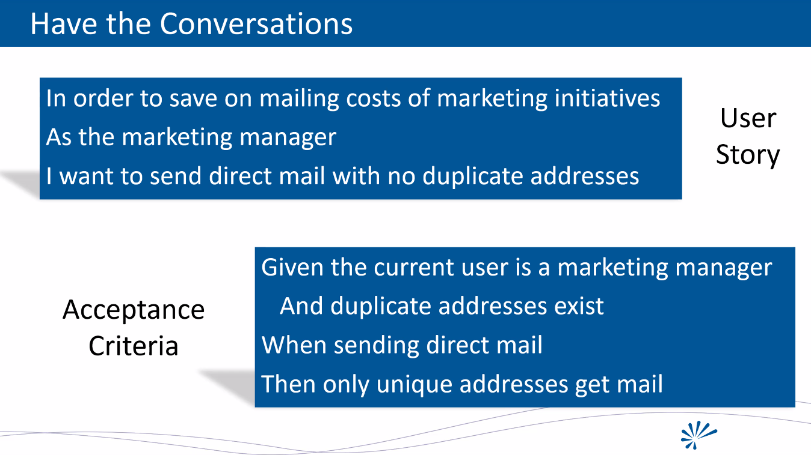
User Stories | POC | Alpha | MVP1 | MVP2 | MVP3 | CRS # | Customer Needs | Note + VOC Comments
MVP 1.0 — QR Code & Session Access (Core)
As a Moderator, I want to create a polling session and generate a secure session link and QR code so participants can join instantly. |  |  | ● |  |  | CRS-01 | Fast, simple session creation with minimal setup overhead. | “I don’t want to explain how to join — it should just work instantly.”
As a User, I want to join a polling session via QR code or link without authentication friction so I can participate immediately. |  |  | ● |  |  | CRS-02 | Zero-friction access from any device. | “If I have to log in, half the room won’t participate.”
As the System, I want to generate unique, collision-free session IDs bound to QR codes so sessions cannot be spoofed or duplicated. |  |  | ● |  |  | CRS-03 | Trust that sessions are secure and not hijacked. | Enterprise buyers expect this as baseline security hygiene.
As the System, I want to validate QR-based access and block expired or invalid sessions so unauthorized joins are prevented. |  |  | ● |  |  | CRS-04 | Protection against misuse and accidental reuse. | “We don’t want old links floating around and confusing people.”
MVP 1.0 — Poll Control & Text Input
As the System, I want to support anonymous and identified participation modes so Moderators can choose the right privacy level. |  |  | ● |  |  | CRS-05 | Psychological safety and flexibility by context. | Anonymity increases honesty; identity increases accountability.
As a Moderator, I want to open and close polling sessions deliberately so responses are collected only during the defined window. |  |  | ● |  |  | CRS-06 | Clear control over when feedback is captured. | “I don’t want late answers changing the outcome.”
As a User, I want to submit text-based responses to polling questions so I can clearly express ideas and feedback. |  |  | ● |  |  | CRS-07 | Simple, reliable way to contribute ideas. | Text is the lowest-barrier input method for most users.
As the System, I want to securely store all responses with timestamps and encryption, so that data integrity and compliance are preserved. |  |  | ● |  |  | CRS-08 | Confidence that data is safe and auditable. | Required for enterprise, government, and regulated industries.
As a User, I want to submit responses using voice instead of typing, so that participation is faster and more natural. |  |  | ● |  |  | CRS-09 | Turn chaos into clarity at scale. | “We get hundreds of comments — no human can read them all.”
MVP 1.0 — AI Theme Generation & Review
As the System, I want to cluster responses into meaningful themes using AI so large volumes of input become understandable. |  |  | ● |  |  | CRS-10 | Turn chaos into clarity at scale. | “We get hundreds of comments — no human can read them all.”
As the System, I want to aggregate rankings deterministically, so that outcomes are fair and reproducible. |  |  | ● |  |  | CRS-11 | Confidence that results are objective and consistent. | “We need the same inputs to produce the same outputs.”
MVP 1.0 — Ranking & Export
As the System, I want to aggregate rankings deterministically so outcomes are fair and reproducible. |  |  | ● |  |  | CRS-12 | Confidence that results are objective and consistent. | “We need the same inputs to produce the same outputs.”
As a Lead/Developer, I want to review ranked priorities with metadata so decisions are evidence-based. |  |  | ● |  |  | CRS-13 | Context behind decisions, not just final numbers. | Leaders need defensible rationale for choices.
As a Lead/Developer, I want to review ranked priorities with metadata, so that decisions are evidence-based. |  |  | ● |  |  | CRS-14 | Easy integration with existing tools and workflows. | “If I can’t export it, it didn’t happen.”
As the System, I want to export session results, so that outcomes can be reused outside the platform. |  |  | ● |  |  | CRS-15 | Lower barrier to participation in live settings. | Especially valuable for mobile and accessibility use cases.
MVP 2.0 — Voice, Live Collaboration & Analytics
As a Moderator, I want to enable live prioritization, so that consensus forms in real time during the session. |  |  |  | ● |  | CRS-16 | Faster decision-making during live meetings. | “We want decisions before the meeting ends.”
As a User, I want to see ranking updates live, so that collaboration feels responsive and shared. |  |  |  | ● |  | CRS-17 | Immediate feedback that my input matters. | Live updates increase engagement and trust.
As the System, I want to track engagement metrics, so that participation quality can be measured. |  |  |  | ● |  | CRS-18 | Stable, low-latency collaboration experience. | Technical requirement to support live interaction at scale.
As the System, I want to calculate Shared Intention, Human Intelligence, and AI leverage, so that all contributions are valued. |  |  |  | ● |  | CRS-19 | Insight into who participated and how deeply. | Buyers want to measure engagement, not just outcomes.
MVP 3.0 — Deep Dives, Governance & Tokens
As a Moderator, I want to launch deep-dive polling cycles, so that complex topics can be explored iteratively. |  |  |  |  | ● | CRS-20 | Structured exploration of complex decisions. | “One round is never enough for hard problems.”
As a User, I want follow-up cycles to preserve context, so that my prior input remains relevant. |  |  |  |  | ● | CRS-21 | Continuity across decision phases. | Losing context is a major frustration in workshops.
As a Lead/Developer, I want to override rankings with documented justification, so that accountability is preserved. |  |  |  |  | ● | CRS-22 | Balance between group input and leadership responsibility. | Leaders must own final decisions.
As the System, I want to support multi-cycle polling logic, so that decisions unfold in structured phases. |  |  |  |  | ● | CRS-23 | Repeatable decision frameworks. | Enables governance and repeatable playbooks.
As the System, I want to enforce governance, audit logging, and role-based access, so that trust and compliance exist. |  |  |  |  | ● | CRS-24 | Enterprise-grade control and traceability. | Non-negotiable for regulated organizations.
As a Lead/Developer, I want to check out a cube into simulation mode, so that I can improve performance safely. |  |  |  |  | ● | CRS-25 | Fair recognition of time, expertise, and automation. | “Not all contributions are financial — but they still matter.”
MVP 3.0 — Simulation, Optimization & Evolution
As a Lead/Developer, I want to modify cube code and rerun simulations, so that improvements can be validated. |  |  |  |  | ● | CRS-26 | Safe experimentation without risk. | Mirrors how senior engineers actually want to work.
As the System, I want to replay upstream and downstream cube dependencies, so that changes are validated end-to-end. |  |  |  |  | ● | CRS-27 | Proof that changes improve outcomes. | “Show me the metrics, not just the code.”
As the System, I want to compare simulation and production metrics, so that improvements are objectively measured. |  |  |  |  | ● | CRS-28 | Confidence that optimizations don’t break other parts. | Critical for modular architectures.
As a Lead/Developer, I want to approve or reject simulated cube changes, so that humans remain in control. |  |  |  |  | ● | CRS-29 | Data-driven go/no-go decisions. | Prevents regressions disguised as improvements.
As the System, I want to version every cube and dependency, so that rollback and audits are possible. |  |  |  |  | ● | CRS-30 | Human-in-the-loop governance. | Required before AI self-modifying systems.
As the System, I want to preserve Tri-Coin integrity across simulations, so that value accounting is never corrupted. |  |  |  |  | ● | CRS-31 | Full traceability of system evolution. | “We need to know who changed what, and when.”
As the System, I want to generate AI-proposed cube improvements, so that evolution accelerates. |  |  |  |  | ● | CRS-32 | Transparent value attribution. | Builds long-term trust in the token model.
As a Lead/Developer, I want to select which AI-generated cube version to adopt, so that judgment remains human-guided. |  |  |  |  | ● | CRS-33 | Fairness and correction mechanisms. | Prevents resentment and loss of trust.
As the System, I want to gradually automate cube evolution under guardrails, so that safe self-optimization emerges. |  |  |  |  | ● | CRS-34 | Controlled financial and governance flow. | Required for audits and payouts.
As the System, I want to evolve the entire cube lattice coherently, so that the platform improves as a living system. |  |  |  |  | ● | CRS-35 | Executive clarity and adoption confidence. | “If leadership can’t explain it, it won’t scale.”

