Data_validation
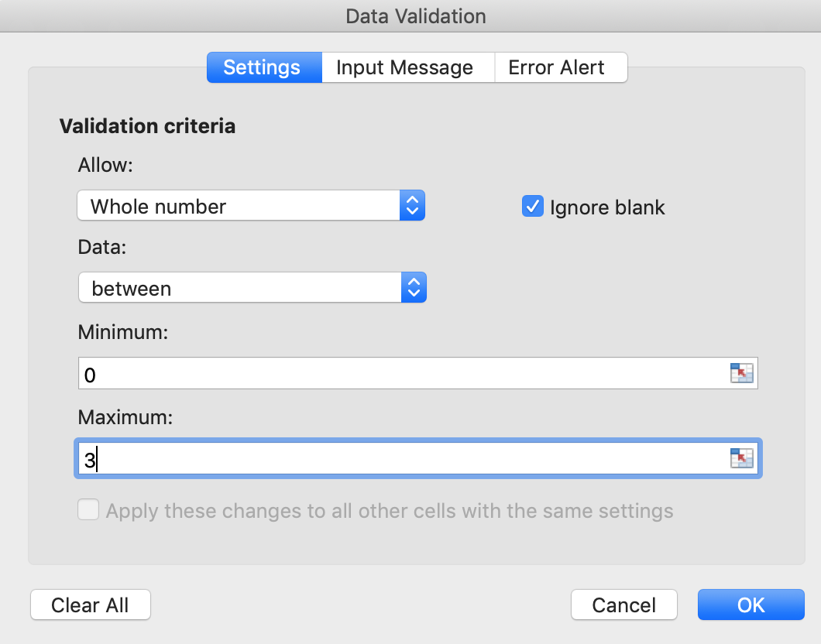
Data validation by list :

To create a Drop down menu you must define a data range and use it as data validation.
Select the cell where the drop down menu must be, go to the data validation menu, choose validation by list, and define the source (here : $C$6:$C$11)

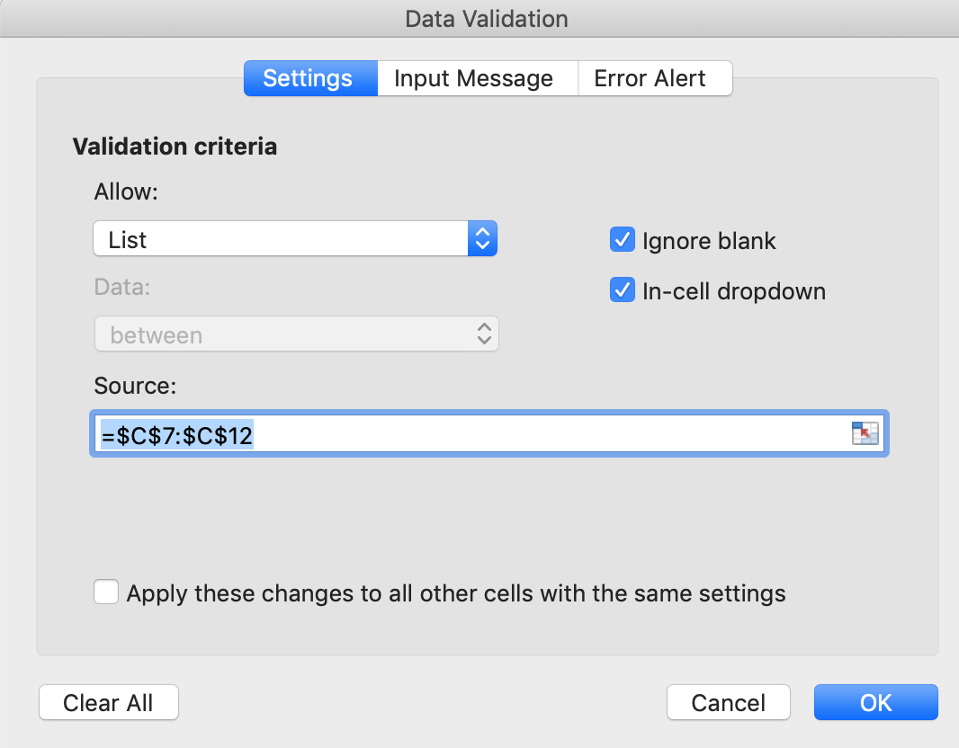
Data range : | blue | My favourite colour is : | blue
 | red
 | yellow
 | green
 | orange
 | white

Data validation range of values :

Select the cell where the drop down menu must be, go to the data validation menu, choose validation by list, and define the source (here : $C$6:$C$11)

This cell must contain a number between 0 and 3 with no decimal : |  |  |  | 2

