Images
1 | 210395 00 | 2 | 210407 00 | 3 | 210419 00 | 4 | #N/A
 | 多啦a夢即棄式三層口罩 (S) |  | 多啦a夢即棄式三層口罩 (M) |  | 多啦a夢即棄式三層口罩 (L) |  | #N/A
Rhx | $99.90 |  | $99.90 |  | $99.90 |  | #N/A
 | 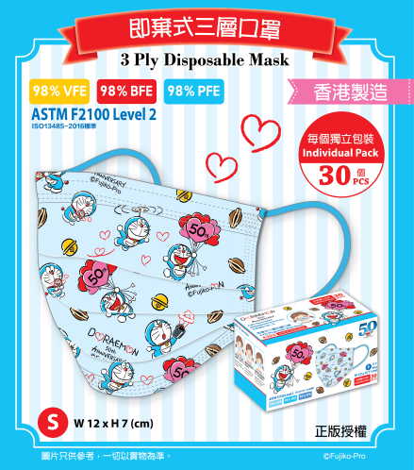 |  | 