Quotation
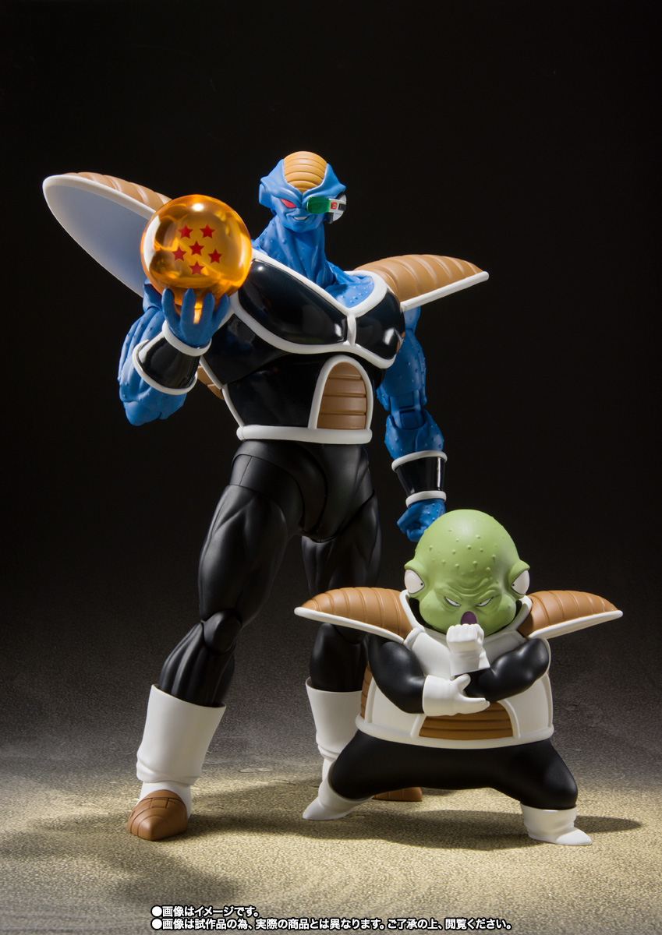

DANIEL & CO. - Quotation

