Images
1 | HCT-55113WO | 2 | HCT-55112WO | 3 | #N/A | 4 | #N/A
 | 1 |  | 1 |  | #N/A |  | #N/A
Rhx | #REF! |  | #REF! |  | #N/A |  | #N/A
 | 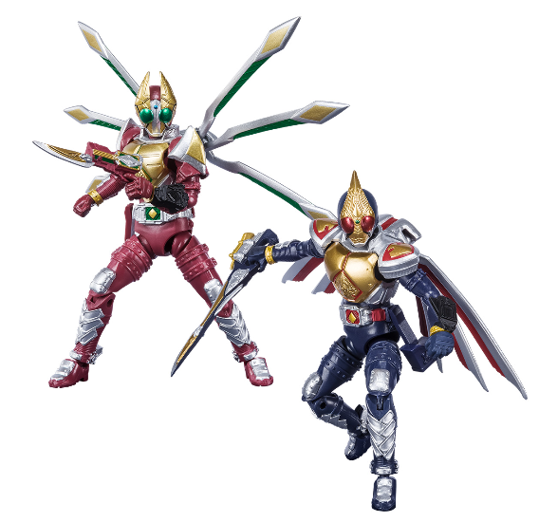 |  | 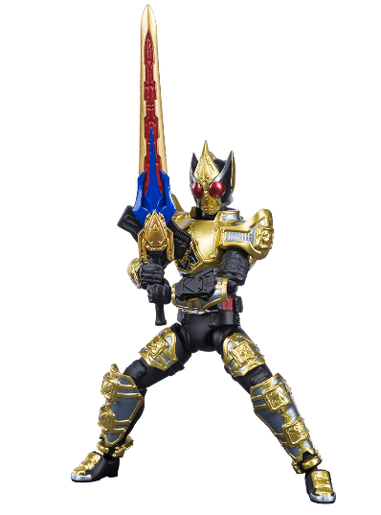
5 | #N/A | 6 | #N/A | 7 | #N/A | 8 | #N/A
 | #N/A |  | #N/A |  | #N/A |  | #N/A
Rhx | #N/A |  | #N/A |  | #N/A |  | #N/A

9 | #N/A | 10 | #N/A | 11 | #N/A | 12 | #N/A
 | #N/A |  | #N/A |  | #N/A |  | #N/A
Rhx | #N/A |  | #N/A |  | #N/A |  | #N/A

13 | #N/A | 14 | #N/A | 15 | #N/A | 16 | #N/A
 | #N/A |  | #N/A |  | #N/A |  | #N/A
Rhx | #N/A |  | #N/A |  | #N/A |  | #N/A

17 | #N/A | 18 | #N/A
 | #N/A |  | #N/A
Rhx | #N/A |  | #N/A

