Quotation


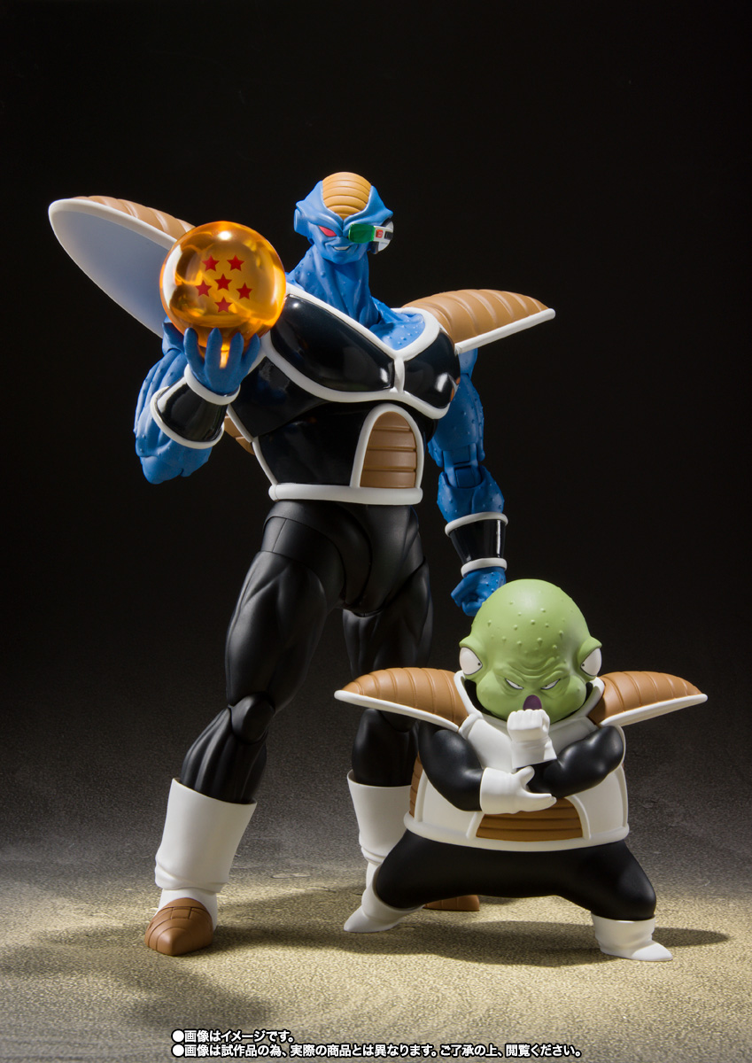

DANIEL & CO. - Quotation

