Quotation
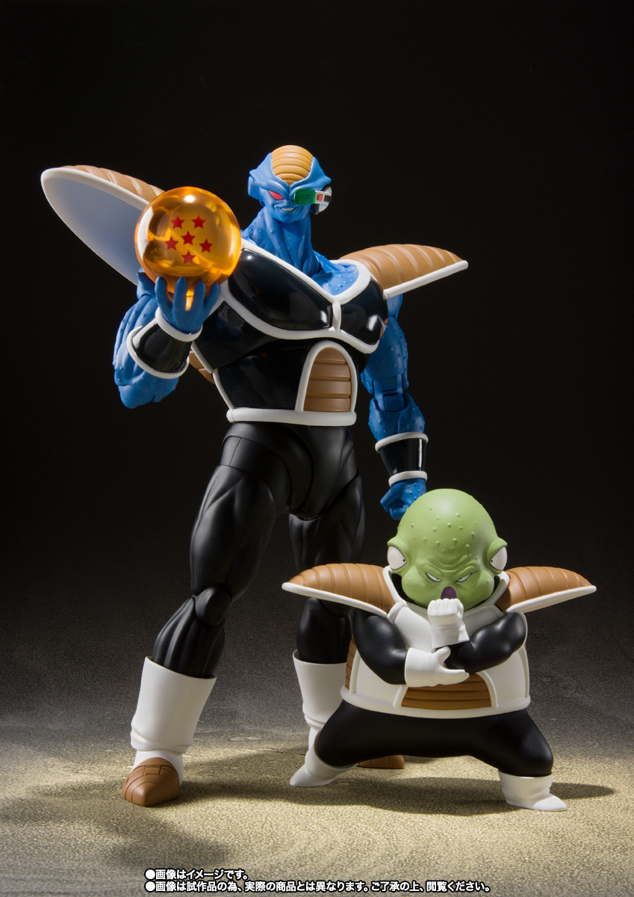
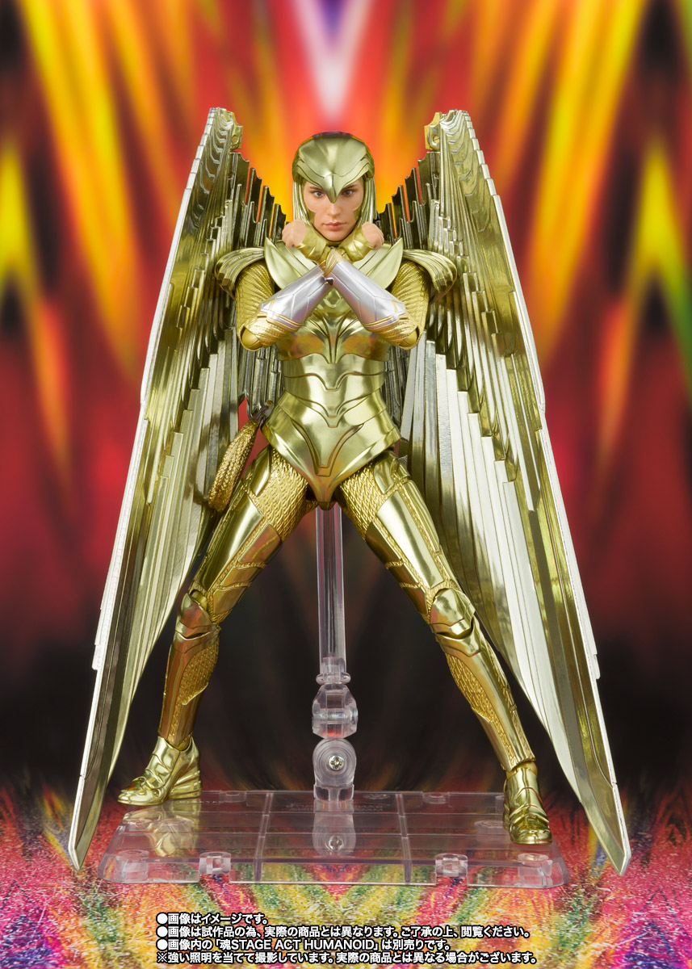

DANIEL & CO. - Quotation
Product Line: |  | Tamashii Web |  |  |  |  |  |  |  | BO No.:
Month: |  | May-2021 |  |  |  |  |  |  |  | P/O Date:
Channel: |  | TS ONLY
 |  |  |  |  |  | TS
Seq | Barcode | Item No. | English Item Description | 中文貨名 | Retail Yen (¥) | WPX (HK$) | Rpx (HK$) | 紅 牌 | Psc /Ctn | Available Date (返貨日期) | 新(N)/ 重(R) | Package | Order | Package Size (CM) L * H * D | Origin | Age

1 | 4573102608994 | HDB-60899 | S.H.Figuarts BURTER&GULDO | [魂SHOP限定] SHF《龍珠Z》巴特 & 古杜 | ¥9,000 | 702.00 | 1049.90 |  | 12 | MAY-2021 | N | TBC |  | TBC | China | 15+
2 | 4573102604996 | BAN-60499 | S.H.Figuarts WONDER WOMAN GOLDEN ARMOR (WW84) | [魂SHOP限定] SHF神奇女俠 -金鷹裝甲 Ver.- (WW84) | ¥9,500 | 741.00 | 1109.90 |  | 24 | MAY-2021 | N | TBC |  | TBC | China | 15+

