Items
1 | DANIEL & CO.
2 | Product Line: |  | Character Mask |  |  |  |  |  |  |  |  |  | BO No.: | BO-00
3 | Month: |  | 2021-1月 |  |  |  |  |  |  |  |  |  | P/O Date:
4
5 | Seq | Barcode | Item No. | English Item Description | 中文貨名 | No. Of Kinds | Retail Yen (¥) | WPX (HK$) | Rpx (HK$) | Pcs /Inner | Pcs /Ctn | Remark/Battery | Available Date (返貨日期) | 新(N)/ 重(R) | Package | Order | Package Size (mm) L * W * H |  |  | Origin | Age
6
7 | 1 | TBC | 210395 00 | Doraemon Disposable Mask (S) | 多啦a夢即棄式三層口罩 (S) | 1 | nil | $66.6 | $99.9 | 6 | 36 | - | Jan-2021 | N | CLOSED BOX |  | TBC |  |  | HK | -
8 | 2 | TBC | 210407 00 | Doraemon Disposable Mask (M) | 多啦a夢即棄式三層口罩 (M) | 1 | nil | $66.6 | $99.9 | 6 | 36 | - | Jan-2021 | N | CLOSED BOX |  | 100 | 190 | 91 | HK | -
9 | 3 | TBC | 210419 00 | Doraemon Disposable Mask (L) | 多啦a夢即棄式三層口罩 (L) | 1 | nil | $66.6 | $99.9 | 6 | 36 | - | Jan-2021 | N | CLOSED BOX |  | 100 | 215 | 99.5 | HK | -

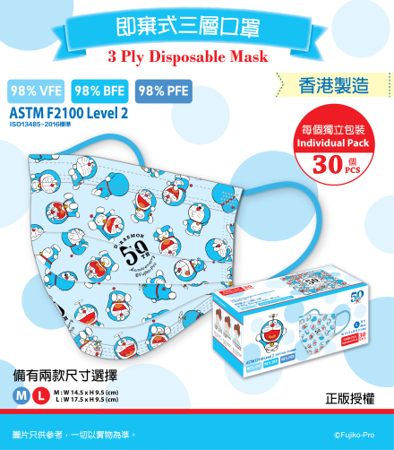

 |  |  |  |  | * 香港製造
 |  |  |  |  | * 成人尺寸約17.5x9.5cm (L)
 |  |  |  |  | * 中童尺寸約14.5x9.5cm (M)
 |  |  |  |  | * 獨立包裝，安全衛生，方便易攜
 |  |  |  |  | * 不織布及熔噴布三層構造
 |  |  |  |  | *​ VFE(Virus Filtration Efficiency)為病毒過濾率≧98%
 |  |  |  |  | *​ PFE(Particle Filtration Efficiency)為顆粒過濾率≧98%
 |  |  |  |  | *​ BFE(Bacteria Filtration Efficiency)為細菌過濾率≧98%
 |  |  |  |  | * 通過ASTM level 2 及致癌染料及至敏性分散染料測試

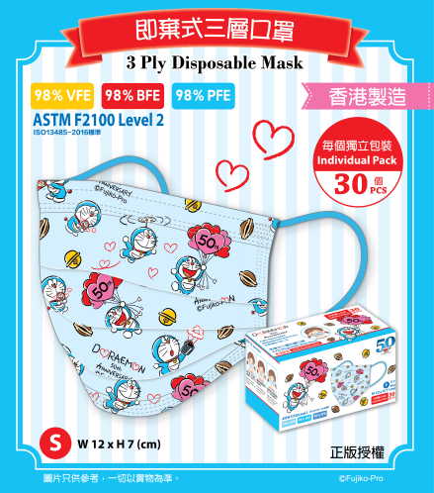

 |  |  |  |  | * 香港製造
 |  |  |  |  | * 小童尺寸約12x7cm (S)
 |  |  |  |  | * 獨立包裝，安全衛生，方便易攜
 |  |  |  |  | * 不織布及熔噴布三層構造
 |  |  |  |  | *​ VFE(Virus Filtration Efficiency)為病毒過濾率≧98%
 |  |  |  |  | *​ PFE(Particle Filtration Efficiency)為顆粒過濾率≧98%
 |  |  |  |  | *​ BFE(Bacteria Filtration Efficiency)為細菌過濾率≧98%
 |  |  |  |  | * 通過ASTM level 2 及致癌染料及至敏性分散染料測試

