Quotation

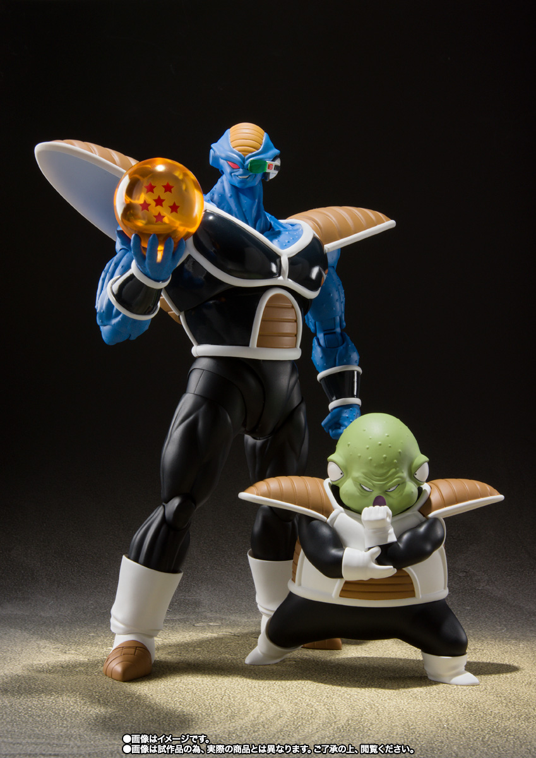



DANIEL & CO. - Quotation

