Hoja1
Alex Vargas A00824525

1.-

D0 | A | B | C | D | E | F | G |  | D4 | A 1 | B 2 | C 3 | D 4 | E 5 | F 6 | G 7
A | 0 | 2 | 4 | 6 | INF | INF | INF |  | A 1 | 0 | 2 | 4 | 5 | 7 | 8 | INF
B | 2 | 0 | 2 | INF | 6 | INF | INF |  | B 2 | 2 | 0 | 2 | 3 | 5 | 6 | INF
C | 4 | 2 | 0 | 1 | 3 | INF | INF |  | C 3 | 4 | 2 | 0 | 1 | 3 | 4 | INF
D | 6 | INF | 1 | 0 | 2 | 3 | INF |  | D 4 | 5 | 3 | 1 | 0 | 2 | 3 | INF
E | INF | 6 | 3 | 2 | 0 | INF | 5 |  | E 5 | 7 | 5 | 3 | 2 | 0 | 5 | 5
F | INF | INF | INF | 3 | INF | 0 | 4 |  | F 6 | 8 | 6 | 4 | 3 | 5 | 0 | 4
G | INF | INF | INF | INF | 5 | 4 | 0 |  | G 7 | INF | INF | INF | INF | 5 | 4 | 0

D1 | A | B | C | D | E | F | G |  | D5 | A 1 | B 2 | C 3 | D 4 | E 5 | F 6 | G 7
A | 0 | 2 | 4 | 6 | INF | INF | INF |  | A 1 | 0 | 2 | 4 | 5 | 7 | 8 | 12
B | 2 | 0 | 2 | 8 | 6 | INF | INF |  | B 2 | 2 | 0 | 2 | 3 | 5 | 6 | 10
C | 4 | 2 | 0 | 1 | 3 | INF | INF |  | C 3 | 4 | 2 | 0 | 1 | 3 | 4 | 8
D | 6 | 8 | 1 | 0 | 2 | 3 | INF |  | D 4 | 5 | 3 | 1 | 0 | 2 | 3 | 7
E | INF | 6 | 3 | 2 | 0 | INF | 5 |  | E 5 | 7 | 5 | 3 | 2 | 0 | 5 | 5
F | INF | INF | INF | 3 | INF | 0 | 4 |  | F 6 | 8 | 6 | 4 | 3 | 5 | 0 | 4
G | INF | INF | INF | INF | 5 | 4 | 0 |  | G 7 | 12 | 10 | 8 | 7 | 5 | 4 | 0

D2 | A | B | C | D | E | F | G |  | D6 | A 1 | B 2 | C 3 | D 4 | E 5 | F 6 | G 7
A | 0 | 2 | 4 | 6 | 8 | INF | INF |  | A 1 | 0 | 2 | 4 | 5 | 7 | 8 | 12
B | 2 | 0 | 2 | 8 | 6 | INF | INF |  | B 2 | 2 | 0 | 2 | 3 | 5 | 6 | 10
C | 4 | 2 | 0 | 1 | 3 | INF | INF |  | C 3 | 4 | 2 | 0 | 1 | 3 | 4 | 8
D | 6 | 8 | 1 | 0 | 2 | 3 | INF |  | D 4 | 5 | 3 | 1 | 0 | 2 | 3 | 7
E | 8 | 6 | 3 | 2 | 0 | INF | 5 |  | E 5 | 7 | 5 | 3 | 2 | 0 | 5 | 5
F | INF | INF | INF | 3 | INF | 0 | 4 |  | F 6 | 8 | 6 | 4 | 3 | 5 | 0 | 4
G | INF | INF | INF | INF | 5 | 4 | 0 |  | G 7 | 12 | 10 | 8 | 7 | 5 | 4 | 0

D3 | A 1 | B 2 | C 3 | D 4 | E 5 | F 6 | G 7 |  | D7 | A 1 | B 2 | C 3 | D 4 | E 5 | F 6 | G 7
A 1 | 0 | 2 | 4 | 5 | 7 | INF | INF |  | A 1 | 0 | 2 | 4 | 5 | 7 | 8 | 12
B 2 | 2 | 0 | 2 | 3 | 5 | INF | INF |  | B 2 | 2 | 0 | 2 | 3 | 5 | 6 | 10
C 3 | 4 | 2 | 0 | 1 | 3 | INF | INF |  | C 3 | 4 | 2 | 0 | 1 | 3 | 4 | 8
D 4 | 5 | 3 | 1 | 0 | 2 | 3 | INF |  | D 4 | 5 | 3 | 1 | 0 | 2 | 3 | 7
E 5 | 7 | 5 | 3 | 2 | 0 | INF | 5 |  | E 5 | 7 | 5 | 3 | 2 | 0 | 5 | 5
F 6 | INF | INF | INF | 3 | INF | 0 | 4 |  | F 6 | 8 | 6 | 4 | 3 | 5 | 0 | 4
G 7 | INF | INF | INF | INF | 5 | 4 | 0 |  | G 7 | 12 | 10 | 8 | 7 | 5 | 4 | 0

2.-

 | 0 | 1 | 2 | 3 | 4 |  |  | Di,j = mínimo (Di,k+ Dk+1,j + di-1 X dk X dj) para i<=k<=j-1
d | 3 | 12 | 15 | 2 | 10

D | 1 | 2 | 3 | 4 |  | P | 1 | 2 | 3 | 4 |  | A (3X12)
1 | 0 | 540 | 432 | 492 |  | 1 | 0 | 1 | 1 | 3 |  | B (12X15)
2 |  | 0 | 360 | 600 |  | 2 |  | 0 | 2 | 3 |  | C (15X2)
3 |  |  | 0 | 300 |  | 3 |  |  | 0 | 3 |  | D (2X10)
4 |  |  |  | 0 |  | 4 |  |  |  | 0

 | [1,3]
 | k=1 | AX(BXC) | D[1,1]+D[2,3]+ D[0]XD[1]XD[3] |  |  | 432
 | k=2 | (AXB)XC | D[1,2]+D[3,3]+ D[0]XD[2]XD[3] |  |  | 630 |  | El orden es:
 |  |  |  |  |  |  |  | (A x (B x C) ) x (D)
 | [2,4]
 | k=2 | BX(CXD) | D[2,2]+D[3,4]+ D[1]XD[2]XD[4] |  |  | 2100 |  | Resultado:
 | k=3 | (BXC)XD | D[2,3]+D[4,4]+ D[1]XD[3]XD[4] |  |  | 600 |  | 492

 | [1,4]
 | k=1 | AX(BXCXD) | D[1,1]+D[2,4]+ D[0]XD[1]XD[4] |  |  | 960
 | k=2 | (AXB)X(CXD) | D[1,2]+D[3,4]+ D[0]XD[2]XD[4] |  |  | 1290
 | k=3 | (AXBXC)XD) | D[1,3]+D[4,4]+ D[0]XD[3]XD[4] |  |  | 492

3.-

 | 0 | 1 | 2 | 3 | 4
d | m | m | m | m | m
$$\sum_{i=1}^{n−1}{m^{3}}$$
D | 1 | 2 | 3 | 4 |  | La casilla [1,n]:
1 | 0 | m^3 | 2*m^3 | 3*m^3
2 |  | 0 | m^3 | 2*m^3
3 |  |  | 0 | m^3
4 |  |  |  | 0

4.- |  |  |  | A[i][j] = minimo(i, j, A) + sumatoria(i, j, p)
 |  |  |  | •mínimo (Ai,k-1 + Ak+1,j ) + S pm
A | 0 | 1 | 2 | 3 | 4 | 5 | 6 | 7 | 8
1 | 0 | 0.125 | 0.375 | 0.75 | 1.25 | 1.875 | 2.625 | 3.5 | 4.5
2 |  | 0 | 0.125 | 0.375 | 0.75 | 1.25 | 1.875 | 2.625 | 3.5
3 |  |  | 0 | 0.125 | 0.375 | 0.75 | 1.25 | 1.875 | 2.625 |  | A[1][8] = 4.5
4 |  |  |  | 0 | 0.125 | 0.375 | 0.75 | 1.25 | 1.875
5 |  |  |  |  | 0 | 0.125 | 0.375 | 0.75 | 1.25
6 |  |  |  |  |  | 0 | 0.125 | 0.375 | 0.75
7 |  |  |  |  |  |  | 0 | 0.125 | 0.375
8 |  |  |  |  |  |  |  | 0 | 0.125
9 |  |  |  |  |  |  |  |  | 0

 | A[1][2]
 | k=1 | A[1][0]+A[2][2] |  | 0+0.125 | 0.375 |  | A[1][5]
 | k=2 | A[1][1]+A[3][2] |  | 0.125+0 |  |  | 0+1.25 | 1.875

 | A[2][3]
 | k=2 | A[2][1]+A[3][3] |  | 0+0.125 | 0.5 |  | A[1][6]
 | k=3 | A[2][2]+A[4][3] |  | 0.125+0 |  |  | 0+1.875 | 2.625

 | A[1][3] |  |  |  |  |  | A[1][7]
 | k=1 | A[1][0]+A[2][3] |  | 0+0.5 | 0.75 |  | 0+2.625 | 3.5
 | k=2
 | k=3
 |  |  |  |  |  |  | A[1][8]
 | A[1][4] |  |  |  |  |  | 0+3.5 | 4.5
 | k=1 | A[1][0]+A[2][4] |  | 0+0.875 | 1.25
 | k=2
 | k=3
 | k=4

5.-

1 | 0.05 | A | 0 | 1 | 2 | 3 | 4 | 5 | 6 |  | R | 0 | 1 | 2 | 3 | 4 | 5 | 6
2 | 0.15 | 1 | 0 | 0.05 | 0.25 | 0.55 | 1.25 | 1.75 | 1.9 |  | 1 | 0 | 1 | 2 | 2 | 4 | 4 | 4 |  | a) | A[4][6] | 1
3 | 0.15 | 2 |  | 0 | 0.15 | 0.45 | 1.1 | 1.6 | 1.75 |  | 2 |  | 0 | 2 | 2 | 4 | 4 | 4 |  | b) | A[2][3] | 0.45
4 | 0.35 | 3 |  |  | 0 | 0.15 | 0.65 | 1.15 | 1.3 |  | 3 |  |  | 0 | 3 | 4 | 4 | 4 |  | c) | A[1][6] | 1.9
5 | 0.25 | 4 |  |  |  | 0 | 0.35 | 0.85 | 1 |  | 4 |  |  |  | 0 | 4 | 4 | 4
6 | 0.05 | 5 |  |  |  |  | 0 | 0.25 | 0.35 |  | 5 |  |  |  |  | 0 | 5 | 5
 | 1 | 6 |  |  |  |  |  | 0 | 0.05 |  | 6 |  |  |  |  |  | 0 | 6
 |  | 7 |  |  |  |  |  |  | 0 |  | 7 |  |  |  |  |  |  | 0

 |  | A[1][2] |  |  |  |  |  |  | A[1,3] |  |  |  |  |  |  | A[1][4]
 |  | k=1 | A[1][0] + A[2][2] |  | 0+0.15 | 0.15 |  |  | K=1 | A[1,0]+A[2,3] |  | 0+.45 |  |  |  | K=1 | A[1,0]+A[2,4] |  | 0 | 1.1 |  |  | A[1][5] |  |  |  |  | A[1][6]
 |  | K=2 | A[1][1]+A[3][2] |  | 0.05+0 | 0.05 | 0.25 |  | K=2 | A[1,1]+A[3,3] |  | 0.05+.15 | 0.2 | 0.55 |  | K=2 | A[1,1]+A[3,4] |  | 0.05 | 0.65 |  |  | k=1 | 1,0+2,5 | 0 | 1.6 |  | k=1 | 0 | 1.75
 |  |  |  |  |  |  |  |  | K=3 | A[1,2]+A[4,3] |  | .25+0 | 0.25 |  |  | K=3 | A[1,2]+A[4,4] |  | 0.25 | 0.35 |  |  | k=2 | 1,1+3,5 | 0.05 | 1.15 |  | k=2 | 0.05 | 1.3
 |  | A[2][3] |  |  |  |  |  |  |  |  |  |  |  |  |  | K=4 | A[1,3]+A[5,4] |  | 0.55 | 0 | 1.25 |  | k=3 | 1,2+4,5 | 0.15 | 0.85 |  | k=3 | 0.25 | 1
 |  | k=2 | A[2][1]+A[3][3] |  | 0+0.15 | 0.15 | 0.45 |  | A[2,4] |  |  |  |  |  |  |  |  |  |  |  |  |  | k=4 | 1,3+5,5 | 0.55 | 0.25 | 1.7 | k=4 | 0.55 | 0.35 | 1.9
 |  | k=3 | A[2][2]+A[4][3] |  | 0.15+0 | 0.15 |  |  | K=2 | A[2,1]+A[3,4] |  | 0+0.65 |  |  |  | A[2][5] |  |  |  |  |  |  | k=5 | 1,4+6,5 | 1.2 | 0 |  | k=5 | 1.25 | 0.05
 |  |  |  |  |  |  |  |  | K=3 | A[2,2]+A[4,4] |  | 0.15+.35 |  |  |  | k=2 | 2,1+3,5 | 0 | 1.15 |  |  |  |  |  |  |  |  | k=6 | 1.7 | 0
 |  | A[3][4] |  |  |  |  |  |  | K=4 | A[2,3]+A[5,4] |  | .45+0 | 0.45 | 1.1 |  | k=3 | 2,2+4,5 | 0.15 | 0.85 |  |  |  | A[2][6]
 |  | k=3 | A[3][2]+A[4][4] |  | 0+0.35 |  |  |  |  |  |  |  |  |  |  | k=4 | 2,3+5,5 | 0.45 | 0.25 |  | 1.6 |  | k=2 |  | 0 | 1.3
 |  | k=4 | A[3][3]+A[5][4] |  | 0.15+0 | 0.15 | 0.65 |  | A[3][5] |  |  |  |  |  |  | k=5 | 2,4+6,5 | 1.1 | 0 |  |  |  | k=3 |  | 0.15 | 1
 |  |  |  |  |  |  |  |  | k=3 | A[3][2]+A[4][5] |  | 0+.85 |  |  |  |  |  |  |  |  |  |  | k=4 |  | 0.45 | 0.35 | 1.75
 |  | A[4][5] |  |  |  |  |  |  | k=4 | A[3][3]+A[5][5] |  | .15+.25 | 0.4 | 1.15 |  | A[3][6] |  |  |  |  |  |  | k=5 |  | 1.1 | 0.05
 |  | k=4 | A[4][3]+A[5][5] |  | 0+0.25 | 0.25 | 0.85 |  | k=5 | A[3][4]+A[6][5] |  | .65+0 |  |  |  | k=3 | 3,2+4,6 | 0 | 1 |  |  |  | k=6 |  | 1.6 | 0
 |  | k=5 | A[4][4]+A[6][5] |  | 0.35+0 |  |  |  |  |  |  |  |  |  |  | k=4 | 3,3+5,6 | 0.15 | 0.35 |  | 1.3
 |  |  |  |  |  |  |  |  | A[4][6] |  |  |  |  |  |  | k=5 | 3,4+6,6 | 0.65 | 0.05
 |  | A[5][6] |  |  |  |  |  |  | k=4 | A[4][3]+A[5][6] |  | 0+.35 | 0.35 | 1 |  | k=6 | 3,5+6,7 | 1.15 | 0
 |  | k=5 | A[5][4]+A[6][6] |  | 0+0.05 | 0.05 | 0.35 |  | k=5 | A[4][4]+A[6][6] |  | .35+.05
 |  | k=6 | A[5][5]+A[7][6] |  | 0.25+0 |  |  |  | k=6 | A[4][5]+A[7][6] |  | .85+0

6.-

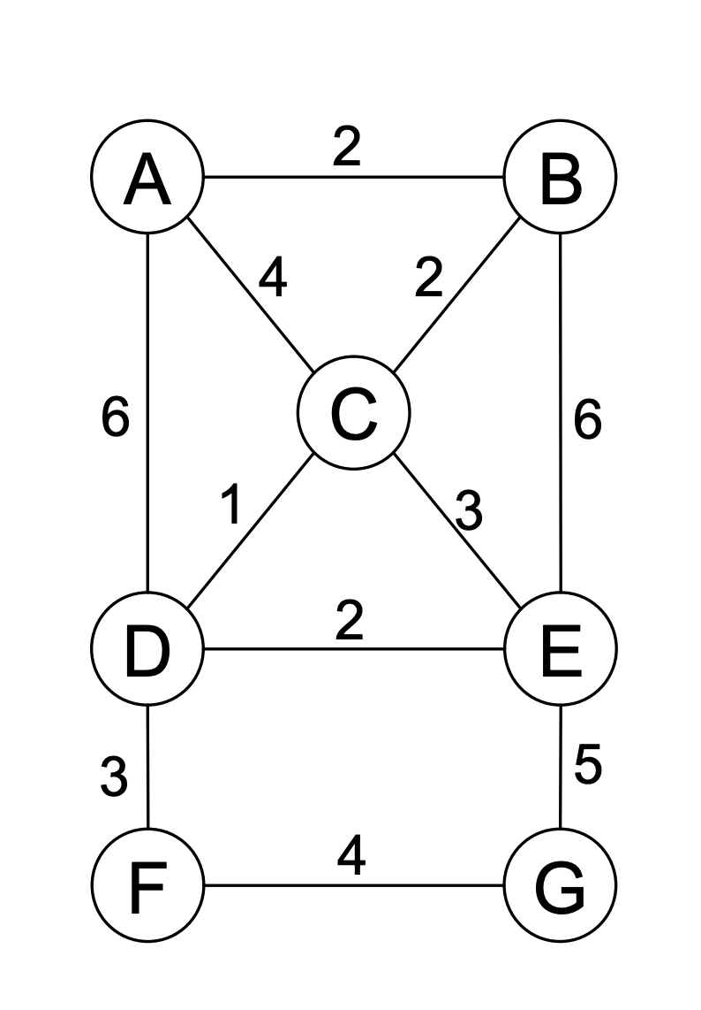
1
2
W | 1 | 2 | 3 | 4 | 5 | 6 | 7 |  |  | A | 1
1 | 0 | 2 | 4 | 6 | INF | INF | INF |  |  | B | 2
2 | 2 | 0 | 2 | INF | 6 | INF | INF |  |  | C | 3
3
3 | 4 | 2 | 0 | 1 | 3 | INF | INF |  |  | D | 4
4 | 6 | INF | 1 | 0 | 2 | 3 | INF |  |  | E | 5
4
5
5 | INF | 6 | 3 | 2 | 0 | INF | 5 |  |  | F | 6
6 | INF | INF | INF | 3 | INF | 0 | 4 |  |  | G | 7
7 | INF | INF | INF | INF | 5 | 4 | 0

6
7
 | D[vi][A] = mínimo( W[i][j] + D[vj][ A - {vj}] )
 |  |  | j elemento A
 | P |  | {2} | {3} | {4} | {2,3} | {2,4} | {3,4} | {2,3,4}
 | 1 |  |  |  |  |  |  |  | 3
 | 2 |  |  | --- | 4 |  |  | 3
 | 3 |  | 2 |  | 4 |  | 4
 | 4 |  | 2 | --- |  | ---

D | {} | {2} | {3} | {4} | {5} | {6} | {7} | {2,3} | {2,4} | {2,5} | {2,6} | {2,7} | {3,4} | {3,5} | {3,6} | {3,7} | {4,5} | {4,6} | {4,7} | {5,6} | {5,7} | {6,7}
1
2 | 2 |  | 6 | INF | INF | INF | INF
3 | 4 | 4 |  | 7 | INF | INF | INF
4 | 6 | INF | 5 |  | INF | INF | INF
5 | INF | INF | 7 | 8 |  | INF | INF
6 | INF | INF | INF | 9 | INF |  | INF
7 | INF | INF | INF | INF | INF | INF

 | 1 | 2 | 3 | 4 | 5 | 6
A) | A | A | A | A | A | A |  | B) | 10 |  | C) | 24 |  | D) | A | 2
 | B | B | C | C | D | D |  |  |  |  |  |  |  |  | B | 2
 | C | E | B | D | F | F |  |  |  |  |  |  |  |  | C | 3
 | E | G | E | F | G | G |  |  |  |  |  |  |  |  | E | 5
 | G | F | G | G | E | E |  |  |  |  |  |  |  |  | G | 4
 | F | D | F | E | B | C |  |  |  |  |  |  |  |  | F | 3
 | D | C | D | B | C | B |  |  |  |  |  |  |  |  | D | 6
 | A | A | A | A | A | A |  |  |  |  |  |  |  |  | A | 25

