Cover Page


Introduction


Pillar 3 - page 1
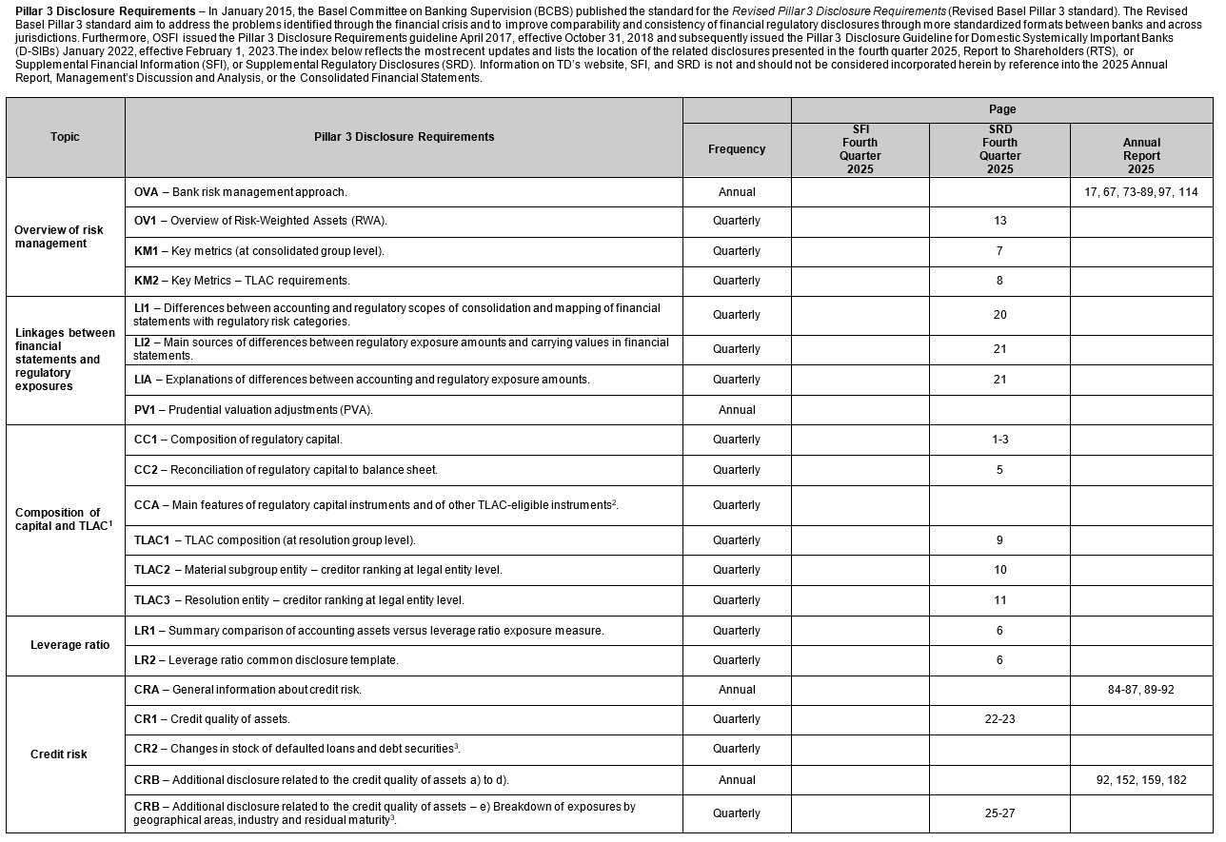

Pillar 3 - page 2
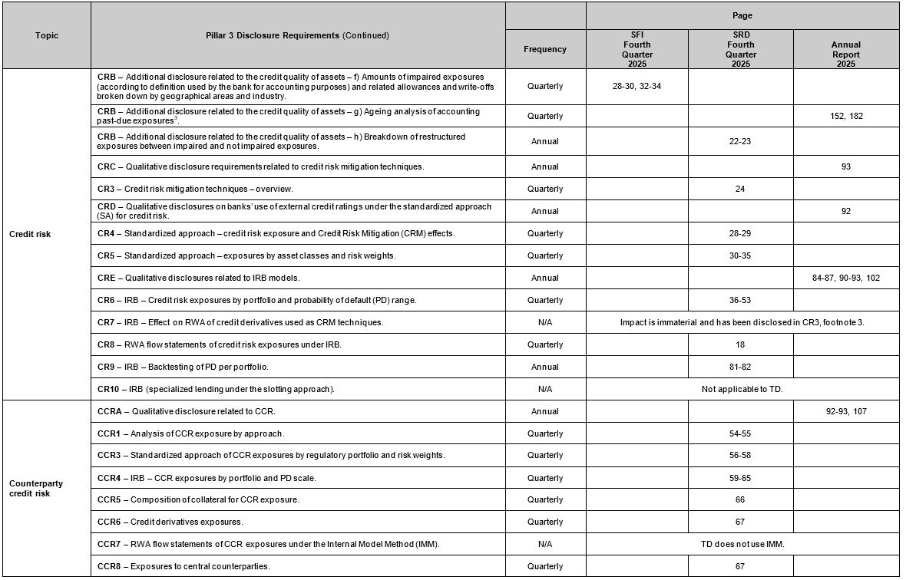

Pillar 3 - page 3
