notes
128-channel Low-profile MicroCel Geodesic Sensor Net
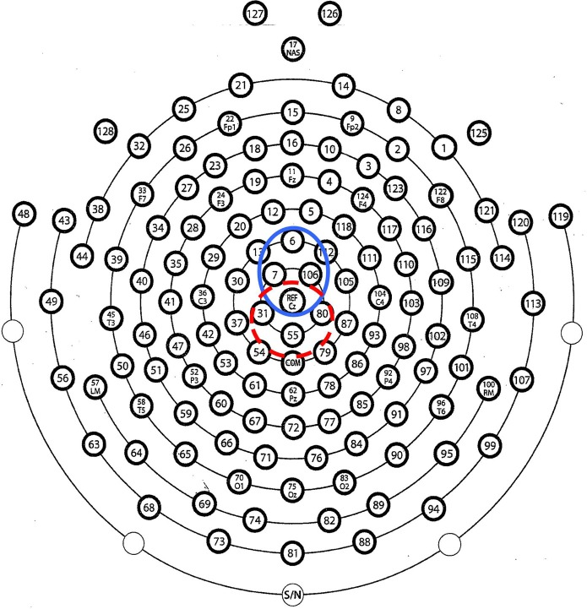

43 channel easy cap
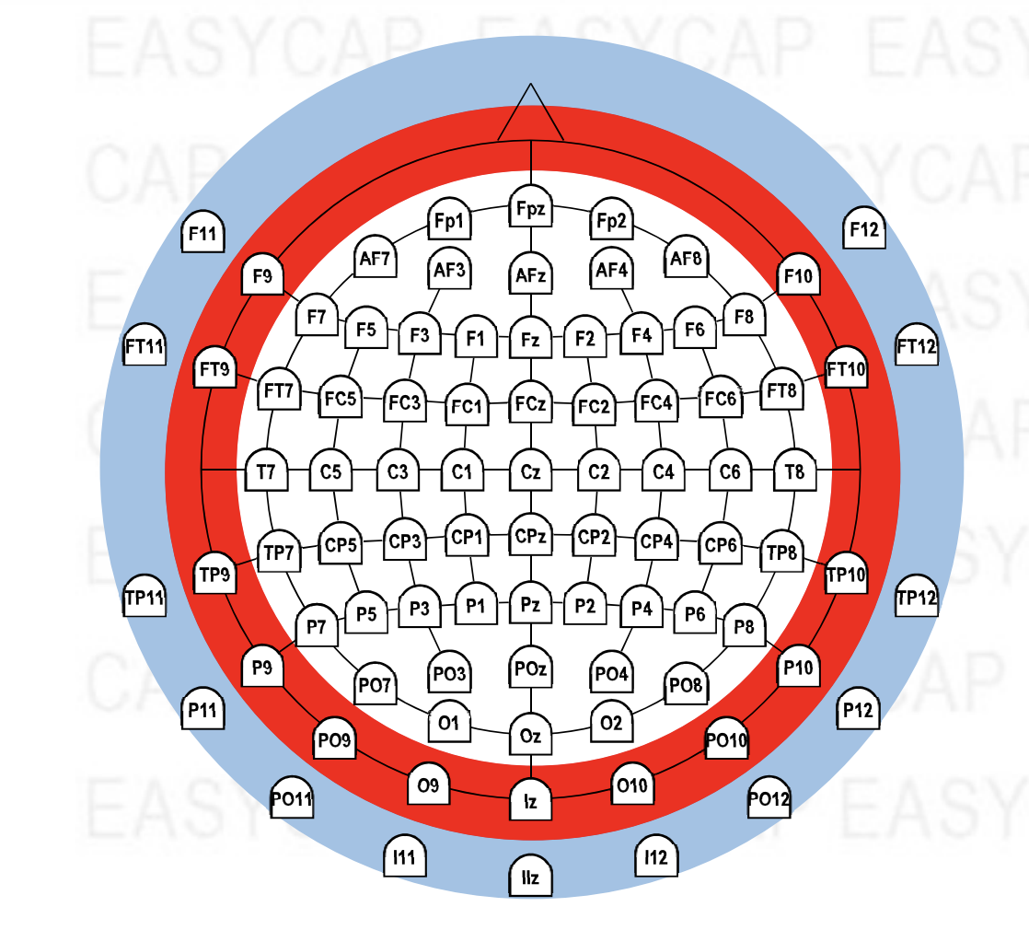

layout pdf | https://www.easycap.de/wp-content/uploads/2018/02/Easycap-Equidistant-Layouts.pdf

