price_proposal
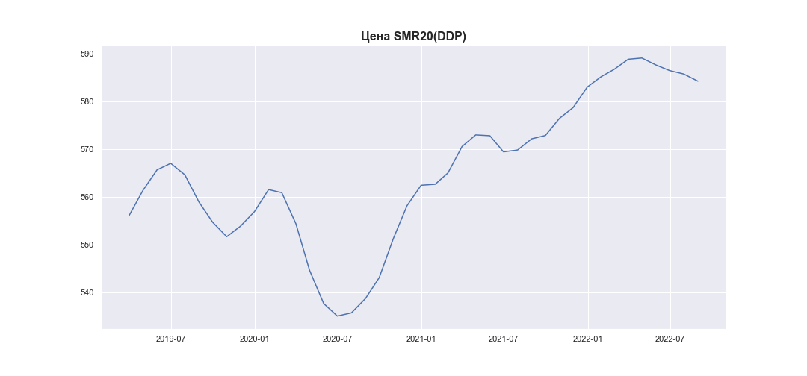
date | SMR20_PRICE_EUR_EU_MA
2019-01-31
2019-02-28
2019-03-31 | 556.12764988
2019-04-30 | 561.33752854
2019-05-31 | 565.64178173
2019-06-30 | 567.00812259
2019-07-31 | 564.60473431
2019-08-31 | 558.90056335
2019-09-30 | 554.66958994
2019-10-31 | 551.62133458
2019-11-30 | 553.80630641
2019-12-31 | 556.89392372
2020-01-31 | 561.50743126
2020-02-29 | 560.85810409
2020-03-31 | 554.33382038
2020-04-30 | 544.57416596
2020-05-31 | 537.60651393
2020-06-30 | 534.97273595
2020-07-31 | 535.64904451
2020-08-31 | 538.68510222
2020-09-30 | 543.04054579
2020-10-31 | 551.2225502
2020-11-30 | 558.10930578
2020-12-31 | 562.40979802
2021-01-31 | 562.61898503
2021-02-28 | 564.99990912
2021-03-31 | 570.53986299
2021-04-30 | 572.96498711
2021-05-31 | 572.79606854
2021-06-30 | 569.41686858
2021-07-31 | 569.80751337
2021-08-31 | 572.15357706
2021-09-30 | 572.84253599
2021-10-31 | 576.44043956
2021-11-30 | 578.70502333
2021-12-31 | 583.01023808
2022-01-31 | 585.20948717
2022-02-28 | 586.71357199
2022-03-31 | 588.84204104
2022-04-30 | 589.09671915
2022-05-31 | 587.63706491
2022-06-30 | 586.4624668
2022-07-31 | 585.74051762
2022-08-31 | 584.24327366

