price_proposal
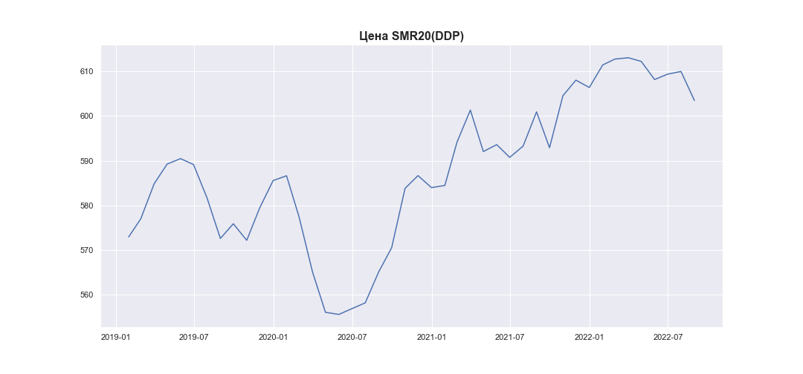
date | SMR20_PRICE_EUR_EU
2019-01-31 | 572.96576199
2019-02-28 | 577.01014963
2019-03-31 | 584.86526748
2019-04-30 | 589.25348792
2019-05-31 | 590.46660433
2019-06-30 | 589.13688046
2019-07-31 | 581.73973722
2019-08-31 | 572.63356457
2019-09-30 | 575.90952151
2019-10-31 | 572.20992836
2019-11-30 | 579.4644765
2019-12-31 | 585.56238825
2020-01-31 | 586.63320981
2020-02-29 | 577.43447474
2020-03-31 | 565.16541707
2020-04-30 | 556.12144807
2020-05-31 | 555.65139419
2020-06-30 | 556.9313954
2020-07-31 | 558.23580221
2020-08-31 | 565.14306934
2020-09-30 | 570.54788741
2020-10-31 | 583.81533177
2020-11-30 | 586.67324203
2020-12-31 | 583.99258422
2021-01-31 | 584.46931643
2021-02-28 | 594.11676261
2021-03-31 | 601.31222947
2021-04-30 | 592.05102024
2021-05-31 | 593.58866983
2021-06-30 | 590.74778328
2021-07-31 | 593.27229923
2021-08-31 | 600.92320578
2021-09-30 | 592.90168645
2021-10-31 | 604.52048199
2021-11-30 | 608.00300976
2021-12-31 | 606.36114729
2022-01-31 | 611.39602917
2022-02-28 | 612.70525388
2022-03-31 | 613.01541369
2022-04-30 | 612.19223336
2022-05-31 | 608.14191377
2022-06-30 | 609.34324907
2022-07-31 | 609.93519225
2022-08-31 | 603.46105634

