price_proposal
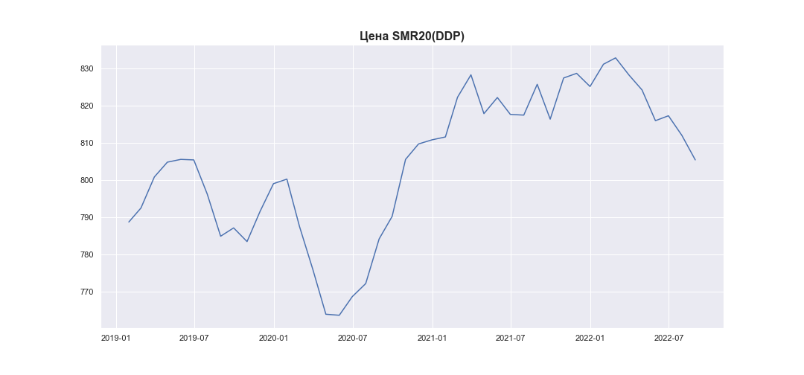
date | SMR20_PRICE_USD_CN
2019-01-31 | 788.68
2019-02-28 | 792.43520588
2019-03-31 | 800.78392857
2019-04-30 | 804.74628571
2019-05-31 | 805.49185
2019-06-30 | 805.3505
2019-07-31 | 796.2025
2019-08-31 | 784.86614286
2019-09-30 | 787.096
2019-10-31 | 783.42475
2019-11-30 | 791.518
2019-12-31 | 798.97128571
2020-01-31 | 800.1904
2020-02-29 | 787.52335
2020-03-31 | 775.912
2020-04-30 | 763.91585714
2020-05-31 | 763.64640625
2020-06-30 | 768.65135714
2020-07-31 | 772.15225
2020-08-31 | 784.14510526
2020-09-30 | 790.1815
2020-10-31 | 805.48878571
2020-11-30 | 809.635
2020-12-31 | 810.73578571
2021-01-31 | 811.51339474
2021-02-28 | 822.17014706
2021-03-31 | 828.19319565
2021-04-30 | 817.770325
2021-05-31 | 822.10026471
2021-06-30 | 817.56207143
2021-07-31 | 817.37821429
2021-08-31 | 825.640825
2021-09-30 | 816.29392857
2021-10-31 | 827.34115
2021-11-30 | 828.58878571
2021-12-31 | 825.05542857
2022-01-31 | 831.03723684
2022-02-28 | 832.74325
2022-03-31 | 828.12647826
2022-04-30 | 824.14110526
2022-05-31 | 815.88025
2022-06-30 | 817.20378571
2022-07-31 | 811.944175
2022-08-31 | 805.35325

