Elevidys
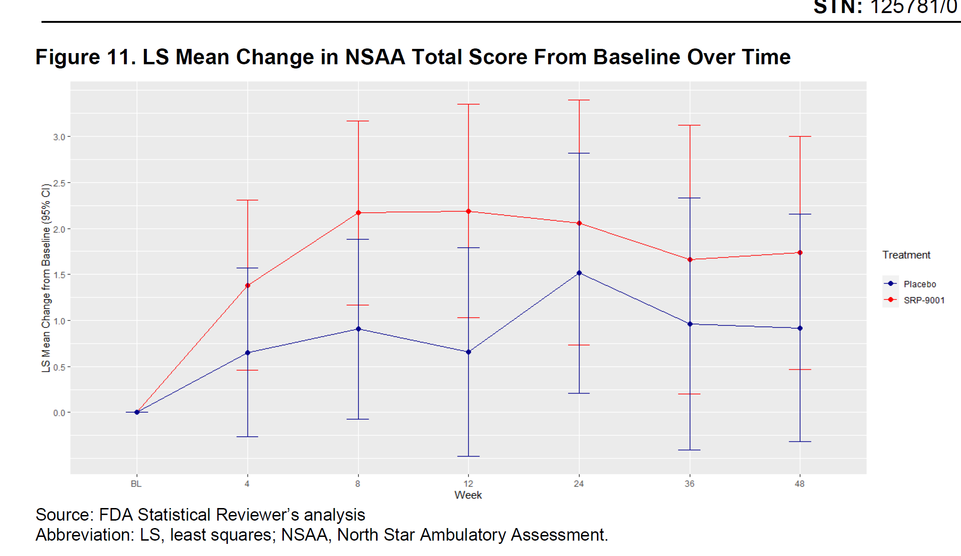
Main
 | Brand | Elevidys, fka SRP-9001
 | Generic | delandistrogene moxeparvovec
 | Indication | ambulatory Duchenne Muscular Dystrophy
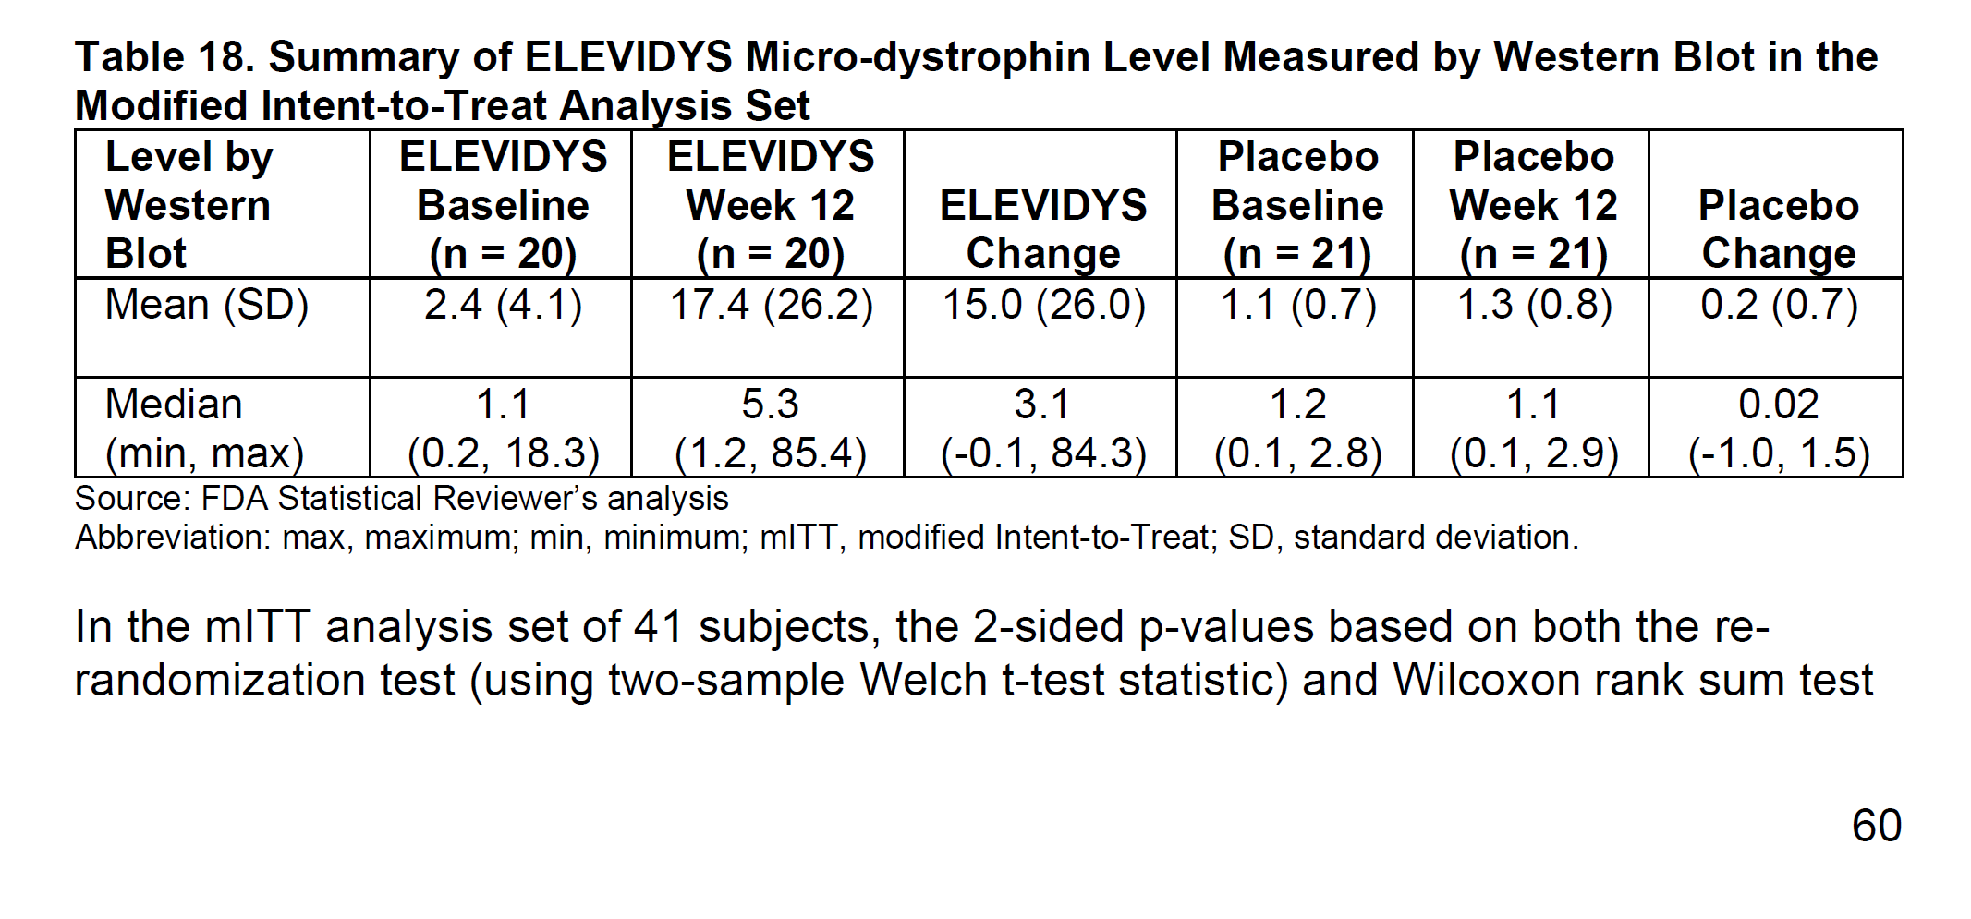
 | Mechanism | AAVrh74 micro-dystrophin, MHCK7 promoter. 138kDa payload (427 kDa wildtype)
 | Regulatory | First BLA 125781 filed 9/28/22
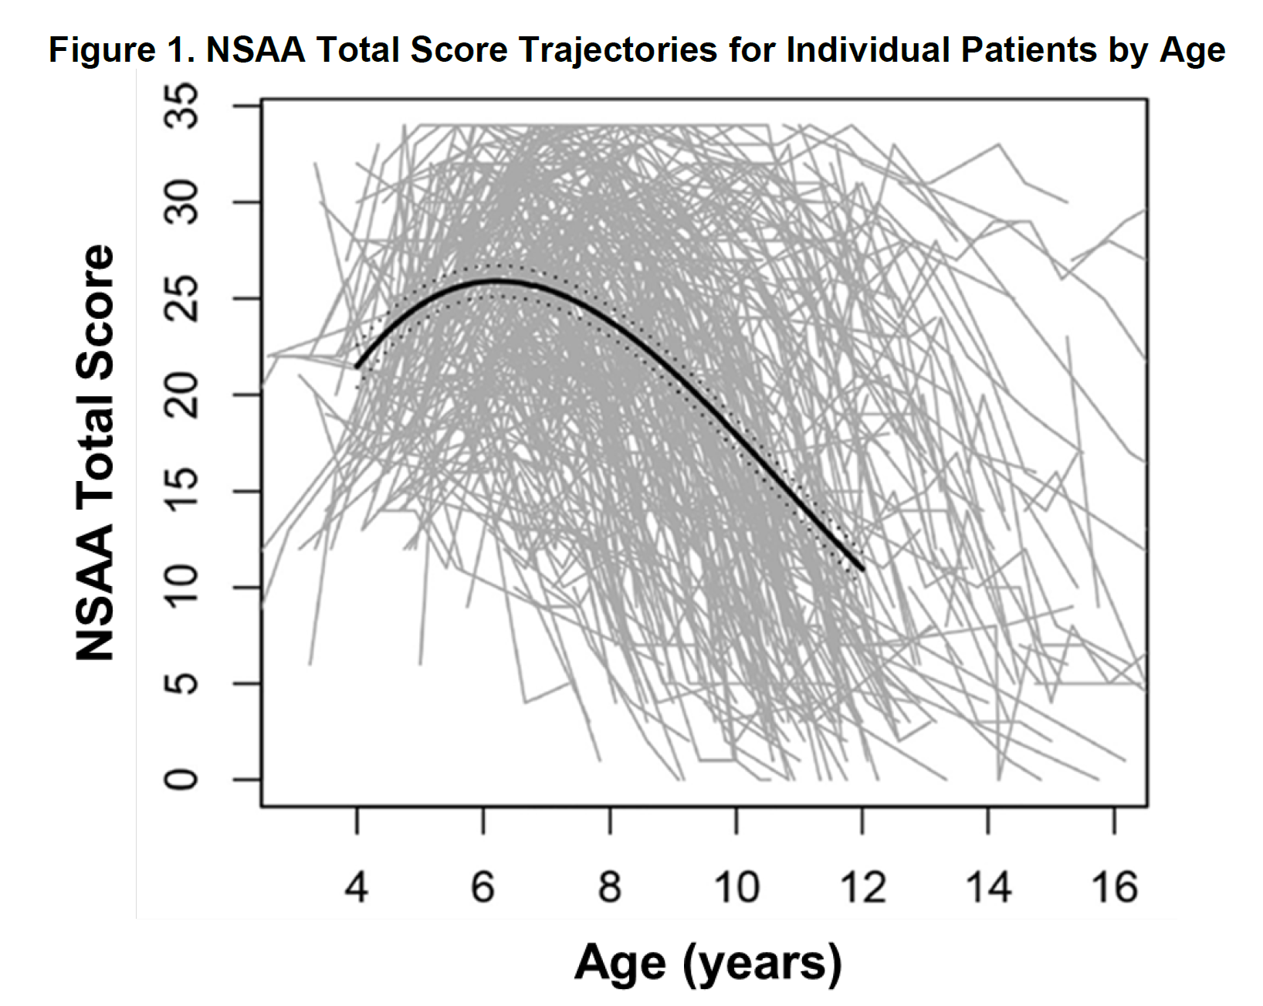
 |  | sBLA 125781 filed 12/21/22, approved 6/22/23
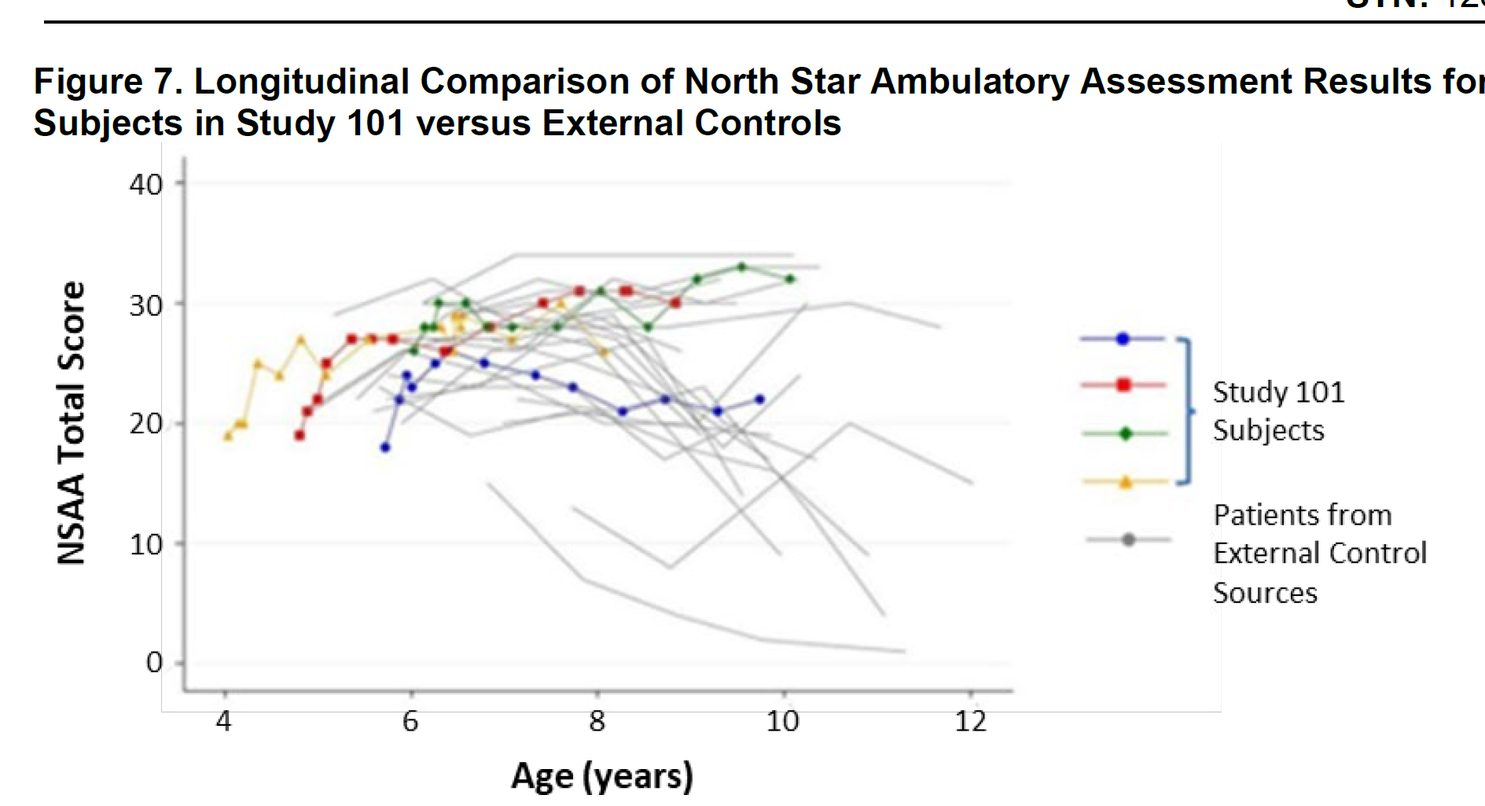
 | Price | $3.2m
 | Clinical Trials
 |  | Phase II "EMBARK" (9001-103?)

 |  | Study 101 open-label - NCT03375164
 |  | Used Process A product

 |  | Study 102 - NCT03769116
 |  | used Process A product
 |  | Part I RCT n=40
 |  |  | n=8 1.33E14 |  | p=0.37
 |  |  | n=6 6.29E13
 |  |  | n=5 8.94E13
 |  |  | n=21 placebo
 |  | Part II open-label
 |  | PE: expression at week 12, change in NSAA at week 48

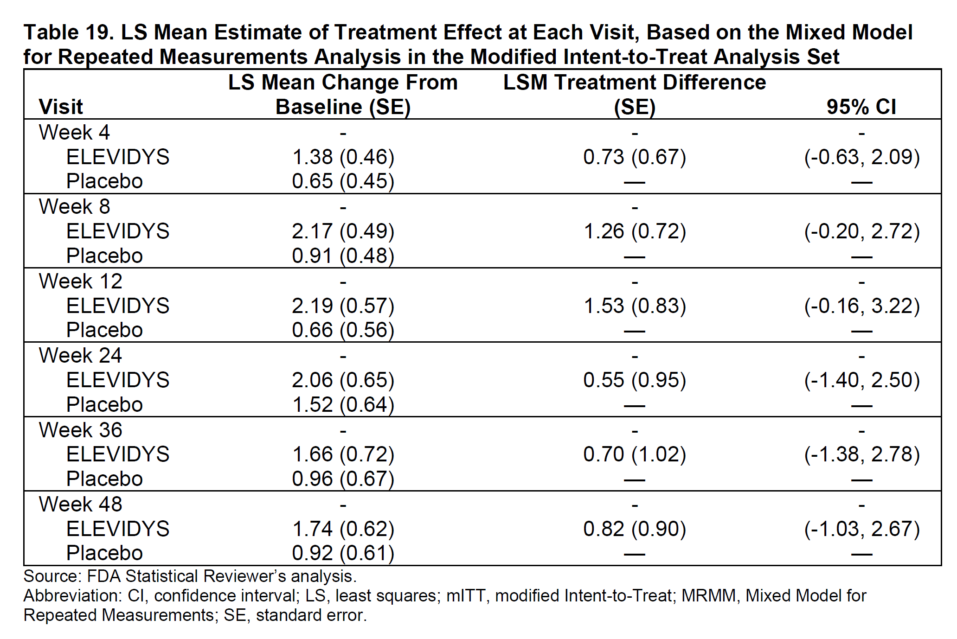
 |  | Study 103 "ENDEAVOR" open-label - NCT04626674
 |  | used Process B product
 |  | PE: expression at week 12

 |  | Week 12 muscle biopsy tissue samples
 |  | micro-dystrophin expression
 |  | western blot
 |  | IF staining assay (IF fiber intensity, %u-D+ fiber)

 |  | values were adjusted by muscle content
 |  | expressed as a % of control level
 |  | "High inter-subject variability was observed in expression"

 |  | Phase III "EMERGENE" (9001-301?)
 |  | n=124 (4-8yo, ambulatory)
 |  | Part 1 placebo controlled n=63 drug vs. n=61 placebo
 |  | PE: NSAA at week 52
 |  |  | LSM change in the NSAA total score
 |  |  |  | 2.57 points (95 percent CI: 1.80, 3.34) for the ELEVIDYS group
 |  |  |  | 1.92 points (95 percent CI: 1.14, 2.70) for the placebo group.
 |  |  |  | difference was 0.65 points (95 percent CI: -0.45, 1.74), (p=0.2441).

