Main
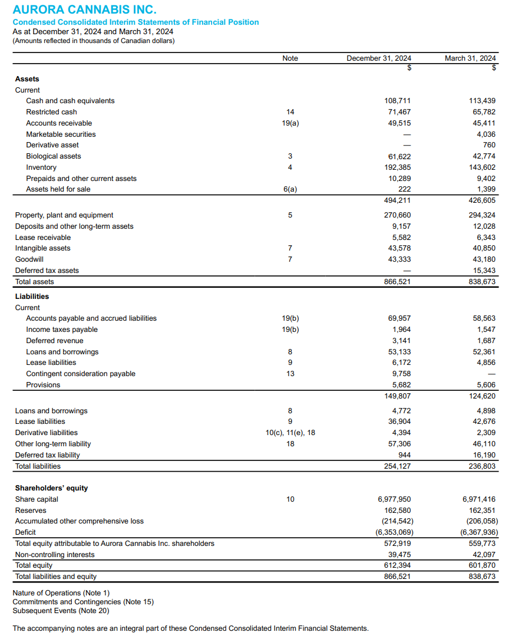
Symbol: | ACB - Aurora Cannabis

(In Millions)
Price | 4
Shares Outstanding | 55
Market Cap | 220
Cash | 108
Debt | 100 | Debt comes from Bevo Business, 57.9
Enterprise Value | 212

Shelf Prospectus of $250 million common shares | Can access 62.3 restricted cash

Biological Assets | 62 | (Indoor Cannabis Production, Plant Propagation)
Inventory | 192
PPE | 270

52 Week intraday low | 3.42
52 Week closing low | 3.55 | 11% | Discount

50.1% Controlling Stake in Bevo Farms
Best Season for Bevo farms - Spring & Summer

Guided poorly for international segment for Q12026

Model
Main
 |  | Q12023 | Q22023 | Q32023 | Q42023 | Q12024 | Q22024 | Q32024 | Q42024
 | Net Revenue (Revenue - Excise Taxes) |  |  |  | 64 | 67 | 83 | 81 | 88
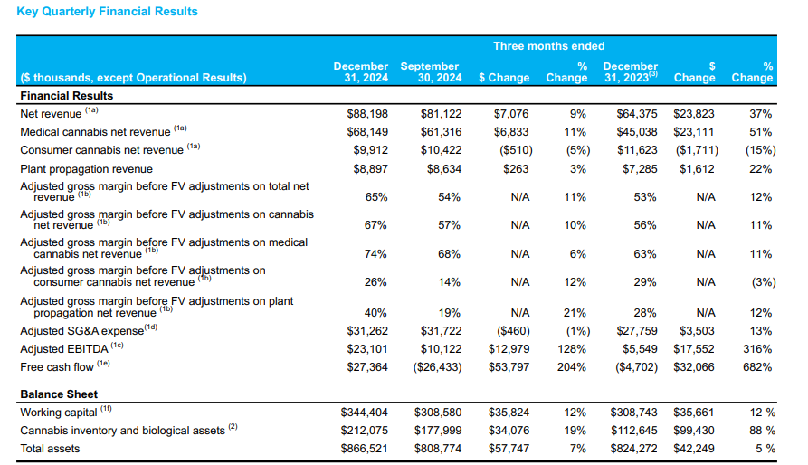

 | Net Revenue | 63 | 74 | 63 | 64 | 67 | 83 | 81 | 88 | 90.5 | Will Revenue Growth stagnate?
 | COGS | 0 | 0 | 0 | 39 | 16 | 38 | 38 | 9 |  |  | Canada has stayed flat
 | Gross Profit Before Fair Value Adjustments | 20 | 14 | 18 | 20 | 24 | 30 | 39 | 47 | 43 |  | Australia Flat
 | Changes In Fair value and biological asssets sold | 8 | 17 | 18 | 22 | 21 | 33 | 36 | 38 |  |  | Europe Growing
 | Unrealized Gain on changes in Fair value of biological assets | -7 | -28 | -34 | -27 | -43 | -47 | -38 | -69 | -19 |  |  | Will European medicinal marijuana keep growing
 | Gross Profit After Fair Value Adjusments | 63 | 74 | 63 | 25 | 51 | 45 | 43 | 79 | 27 |  | Medical cannabis was flat
 | Operating Expense | 49 | 40 | 45 | 41 | 43 | 42 | 43 | 41 | 51
 | SG&A | 0 | 0 | 0 | 36 | 43 | 39 | 40 | 38 | 36.7
 | R&D |  |  |  | 0.8 | 0.7 | 1 | 1 | 0.9
 | Operating Income | 0 | 0 | 0 | -16 | 7 | 2 | -1 | 37
 | Interest
 | Pretax Income |  |  |  | -17 | -14 | 7 | 0.6 | 32
 | Taxes |  |  |  |  |  |  | 0
 | Net Income | 0 | 0 | 0 | -17 | -14 | 7 | 1 | 32 | -17
 | EPS | #DIV/0! | #DIV/0! | #DIV/0! | -0.36 | -0.30 | 0.14 | 0.01 | 0.58
 | Shares |  |  |  | 47 | 47 | 51 | 56 | 55

 | Revenue Growth | #REF! | #REF! | #REF! | #REF! | 6% | 12% | 29% | 38%

 | Cash Flow from Operations | 0 | 0 | 0 | -5 | -21 | 8 | -24 | 28
 | Capital Expendature | 0 | 0 | 0 | -2 | -6 | -5 | -4 | -4
 | FCF | 0 | 0 | 0 | -7 | -27 | 3 | -28 | 27 | 2

 | Gross Margin |  |  |  | 36.70% |  |  | 52% | 90% | The improvement is a result of optimizing channel mix, supply chain network efficiencies by sourcing change, with Europe being supplied by Canada and the related positive impact of closing the Nordic production facility and higher efficiencies in production operations relative to the comparative period.
 | Gross Margin before FV adjustments |  |  |  | 32% |  |  | 48% | 54%

 | Average Selling Price Per Gram In CAD |  |  |  |  |  |  | 4.88 | 6.73
 | Weighted Average Yield (grams per plant) |  |  |  |  |  |  | 68.61 | 75.65 | 99-100% effective yield

Inventory, PPE
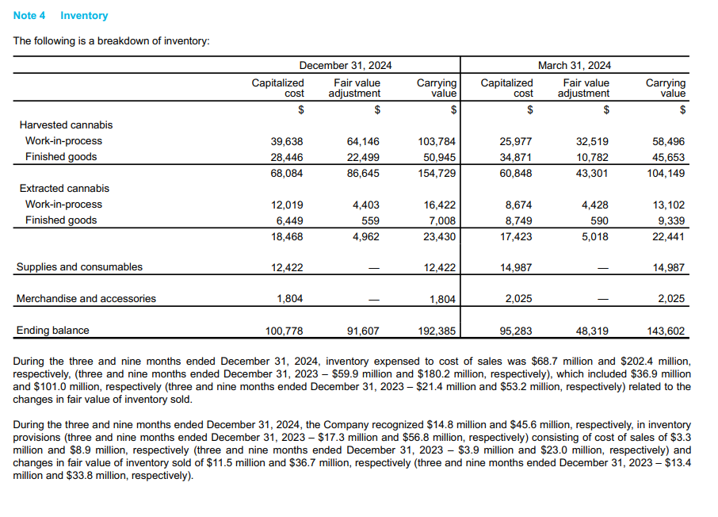
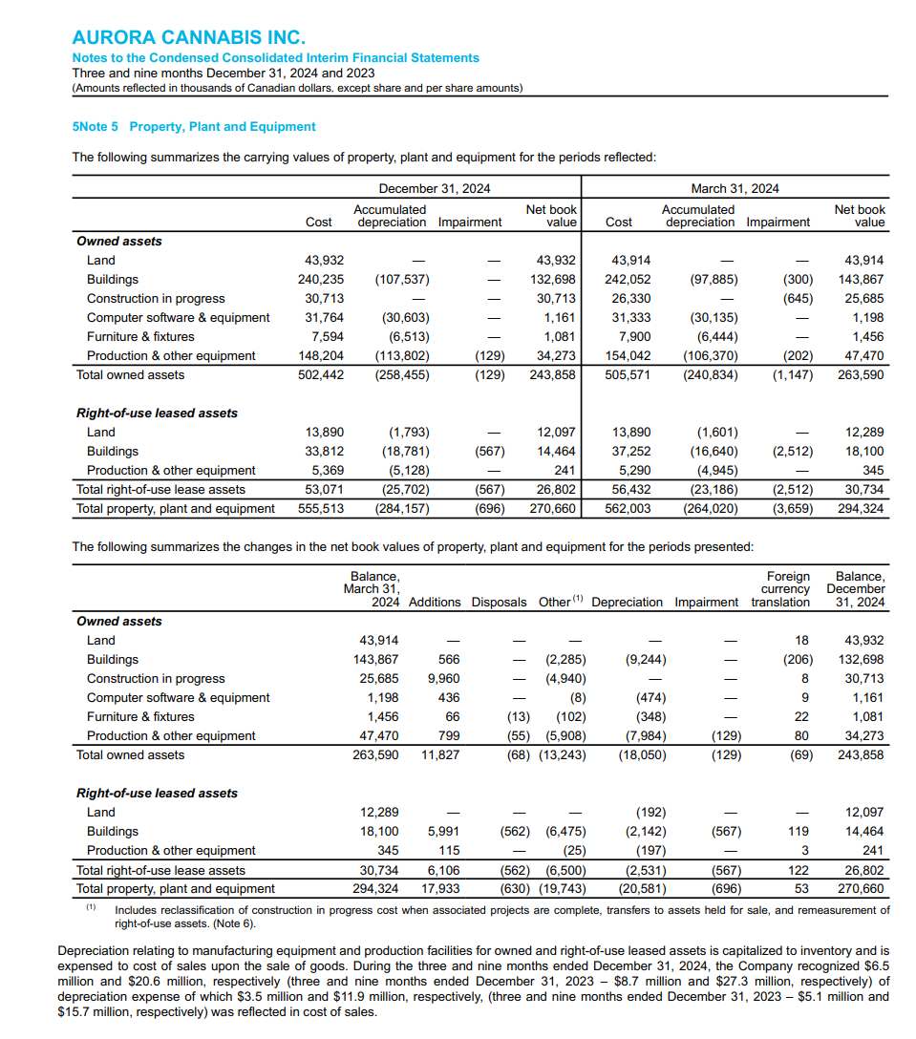

Revenue Growth
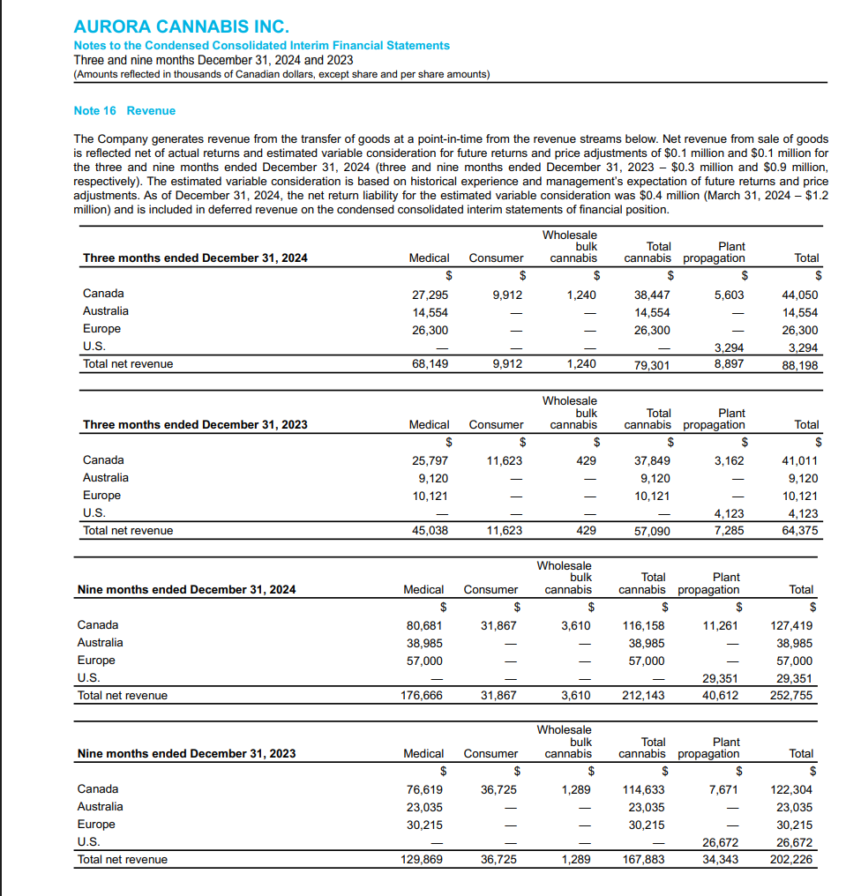
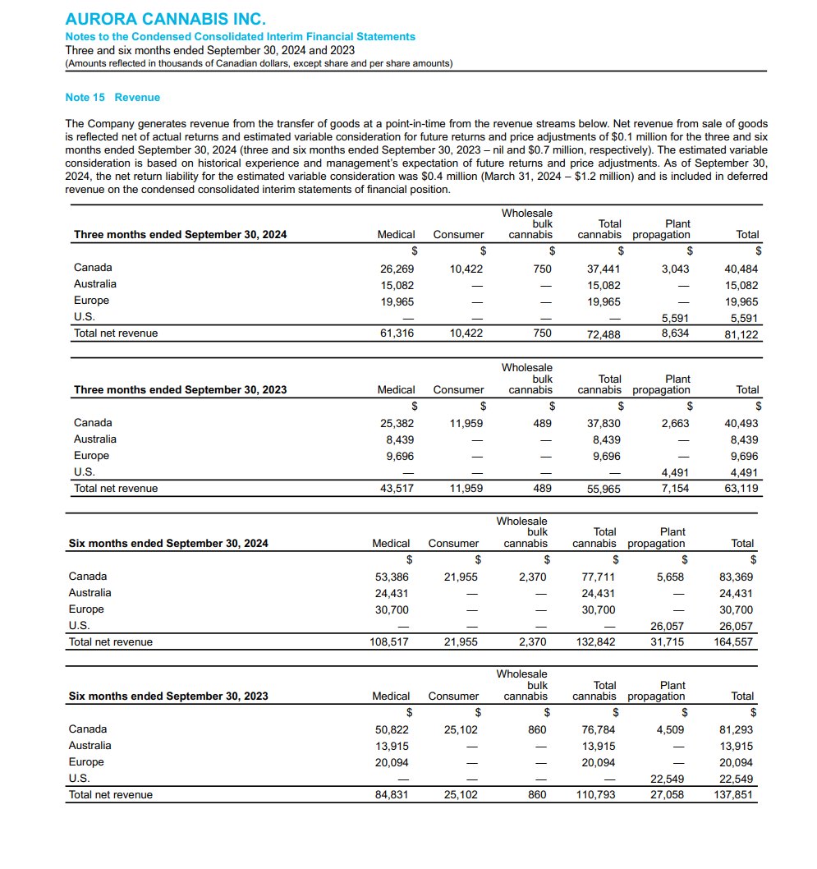
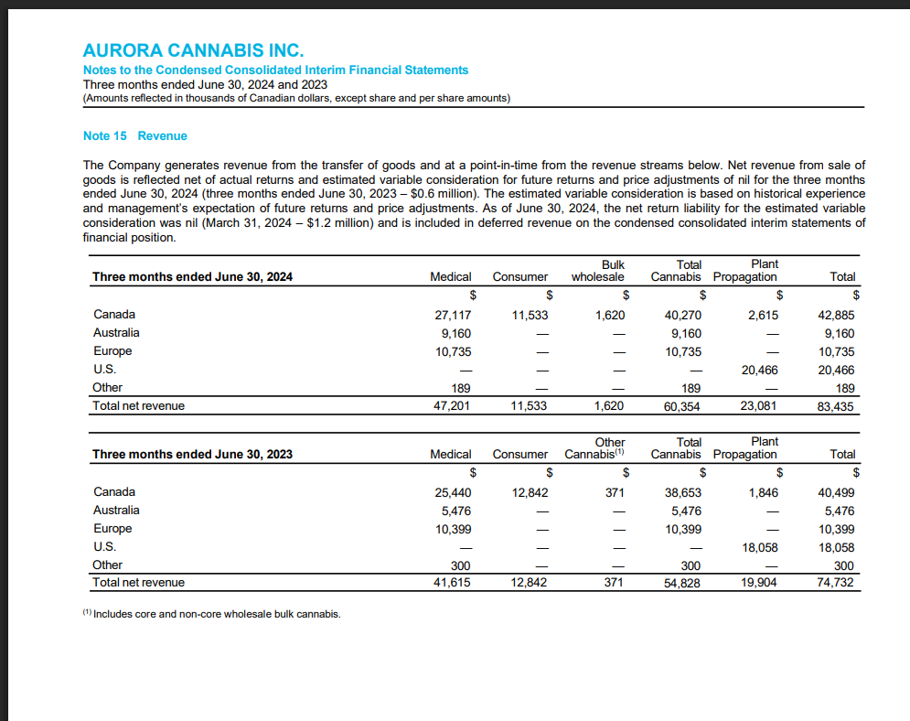

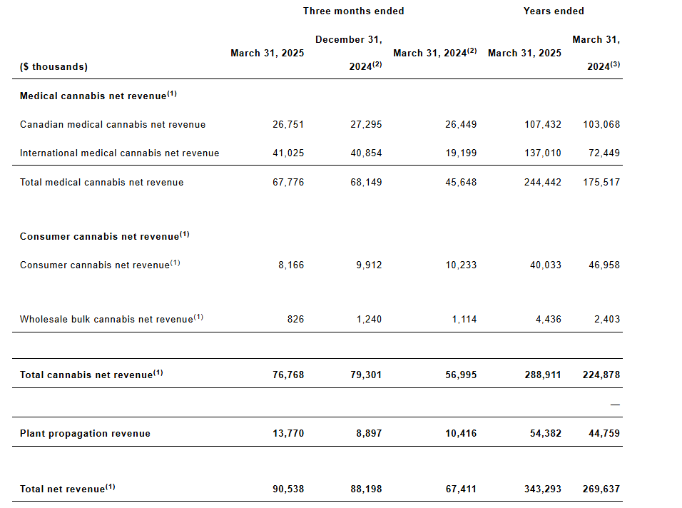

Market Growth
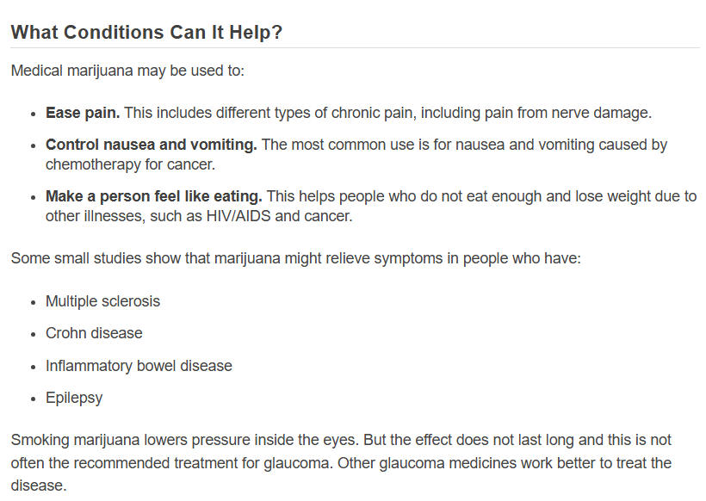
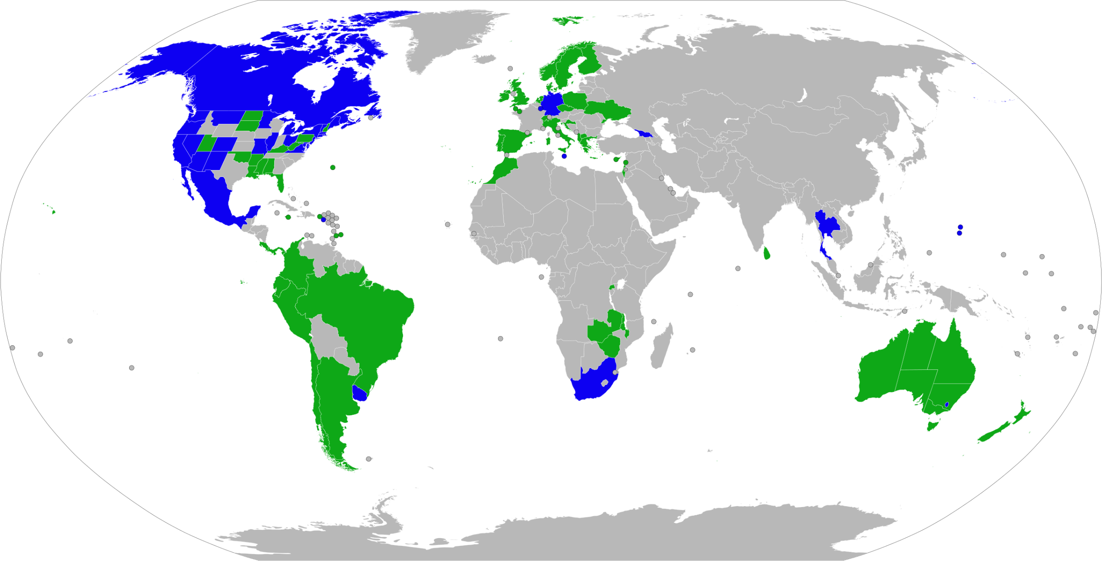
Blue = Legal for Recreational and Medical
Green = Certain Medical Uses

Uses: Chronic Pain, Chemotherapy sickness

Biological Assets
