variables_def_B
Plant |  |  |  |  | Stem |  |  | Leaves |  |  |  |  | Trichome |  |  | Flower |  | Calyx
Plant height (cm) | Plant Diameter (cm) | Number of branches | F. weight | D. weight | Stem Length | Stem number | Stem colour | Leaf shape | Leaf surface mm2* | Blade Leaf length (mm) | Blade Leaf width (mm) | Leaf colour | Abaxial leaf | Adaxial leaf | Stem | Length of the flowering part [cm] | Length | Pubescence | Length
Measured from ground level to the top of the plant. | Average of two measurements per plant taken at the widest point situated at ground level. | From the pot | To be decided |  | Average of measurements on 3 stems per plant (From the Pot) | New shoots (From the pot) | Photo | Photo | Presence /Absence of puberulent | Average of 3 to 5 leaves per plant. (Photo) | Average of 3 to 5 leaves measured at their longest point per plant. (Photo) | (Photo) | (Photo) | (Photo) | (Photo) | Average of 3 flowering stems per plant measured from the insertion point of the first flower to the last. (From the pot) | Measured from the calyx to the corolla, on an average of 3 flowers per plant. (Photo) | Presence /Absence of puberulent (Photo) | (Photo)
Ruler | Ruler |  |  |  |  |  |  |  | * Need instrument to measure

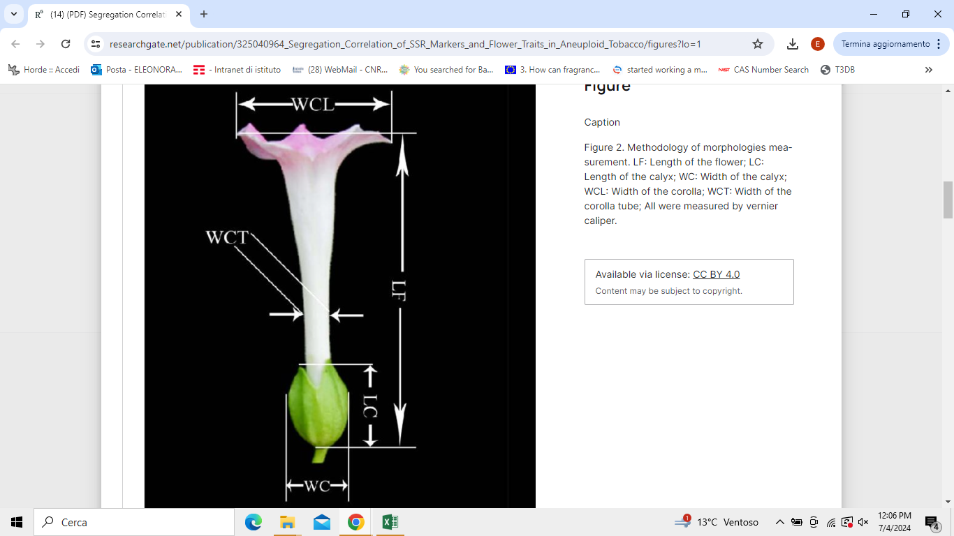

 |  |  |  | Segregation Correlation of SSR Markers and Flower Traits in Aneuploid Tobacco
 |  |  |  | liu 2018

 |  |  |  |  |  |  |  |  |  |  |  |  |  |  |  | Diversity and structure of Croatian continental and Alpine-Dinaric populations of grey alder (Alnus incana /L./ Moench subsp. incana): Isolation by distance and environment explains phenotypic divergence
 |  |  |  |  |  |  |  |  |  |  |  |  |  |  |  | Sumarski 2018

