Sheet1
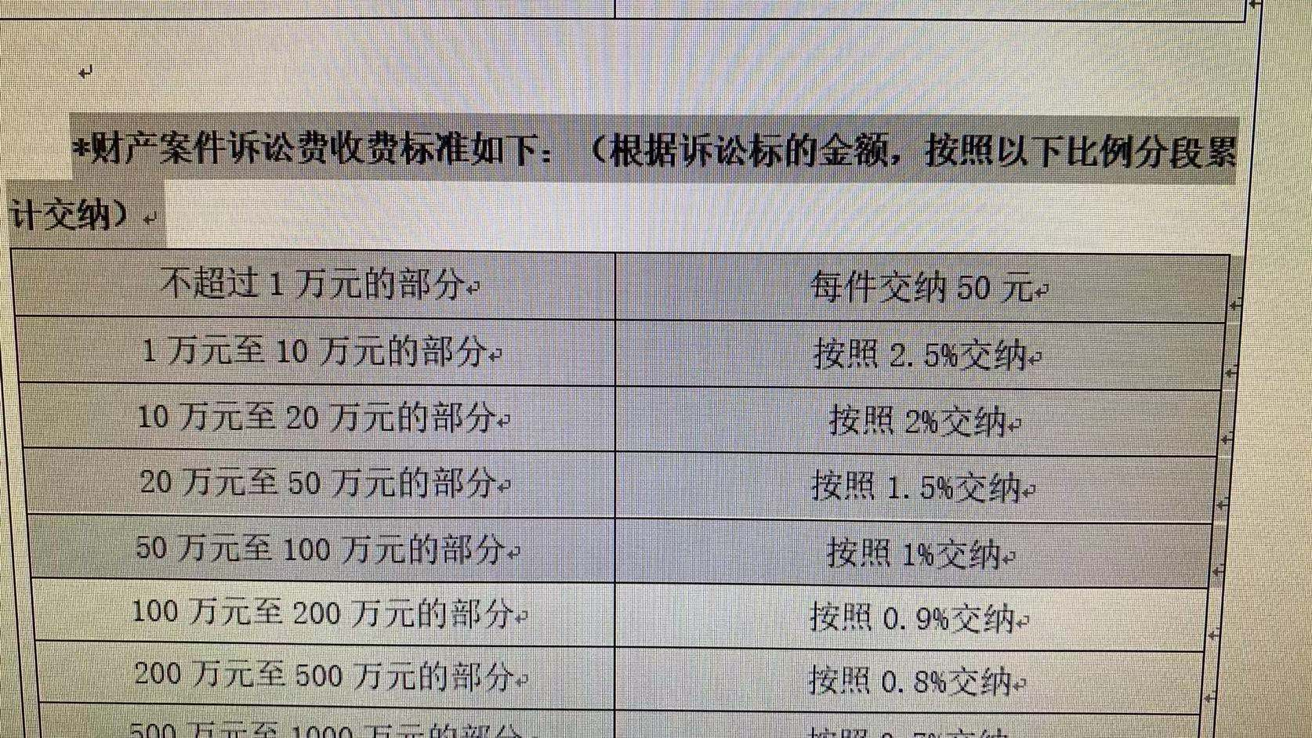
 |  |  |  | 50,011.11 |  | 500,011.11 |  | 1,500,011.11 |  | 5,000,111.11
 |  |  |  | - |  | - |  | - |  | -
 | 10,000 | 50 |  | 10,000.00 | 50 | 10,000.00 | 50 | 10,000.00 | 50 | 10,000.00 | 50
< | 100,000 | 2.50% |  | 40,011.11 | 1,000.28 | 90,000.00 | 2,250.00 | 90,000.00 | 2,250.00 | 90,000.00 | 2,250.00
< | 200,000 | 2% | 0.50% |  |  | 100,000.00 | 2,000.00 | 100,000.00 | 2,000.00 | 100,000.00 | 2,000.00
< | 500,000 | 1.50% | 0.50% |  |  | 300,000.00 | 4,500.00 | 300,000.00 | 4,500.00 | 300,000.00 | 4,500.00
< | 1,000,000 | 1% | 0.50% |  |  | 11.11 | 0.11 | 500,000.00 | 5,000.00 | 500,000.00 | 5,000.00
< | 2,000,000 | 0.90% | 0.10% |  |  |  |  | 500,011.11 | 4,500.10 | 1,000,000.00 | 9,000.00
< | 5,000,000 | 0.80% | 0.10% |  |  |  |  |  |  | 3,000,000.00 | 24,000.00
< | 10,000,000 | 0.70% | 0.10% |  |  |  |  |  |  | 111.11 | 0.78

 |  |  |  |  | 1,050.28 |  | 8,800.11 |  | 18,300.10 |  | 46,800.78

 |  |  |  |  | 1,050.28 |  | 8,800.11 |  | 18,300.10 |  | 46,800.78 | 107 | 50+SUM(TEXT(N1%%-{1,10,20,50,100,200,500,1000},"0.0000;\0;\0")*{2.5,-0.5,-0.5,-0.5,-0.1,-0.1,-0.1,-0.1})/1%
 |  |  |  |  |  |  |  |  |  |  | 46,800.78 | 92 | 50+SUM(TEXT(N1%%-{1,10,20,50,100,200,500,1000},"0.0000;\0;\0")*{25,-5,-5,-5,-1,-1,-1,-1})*10

