Sheet1
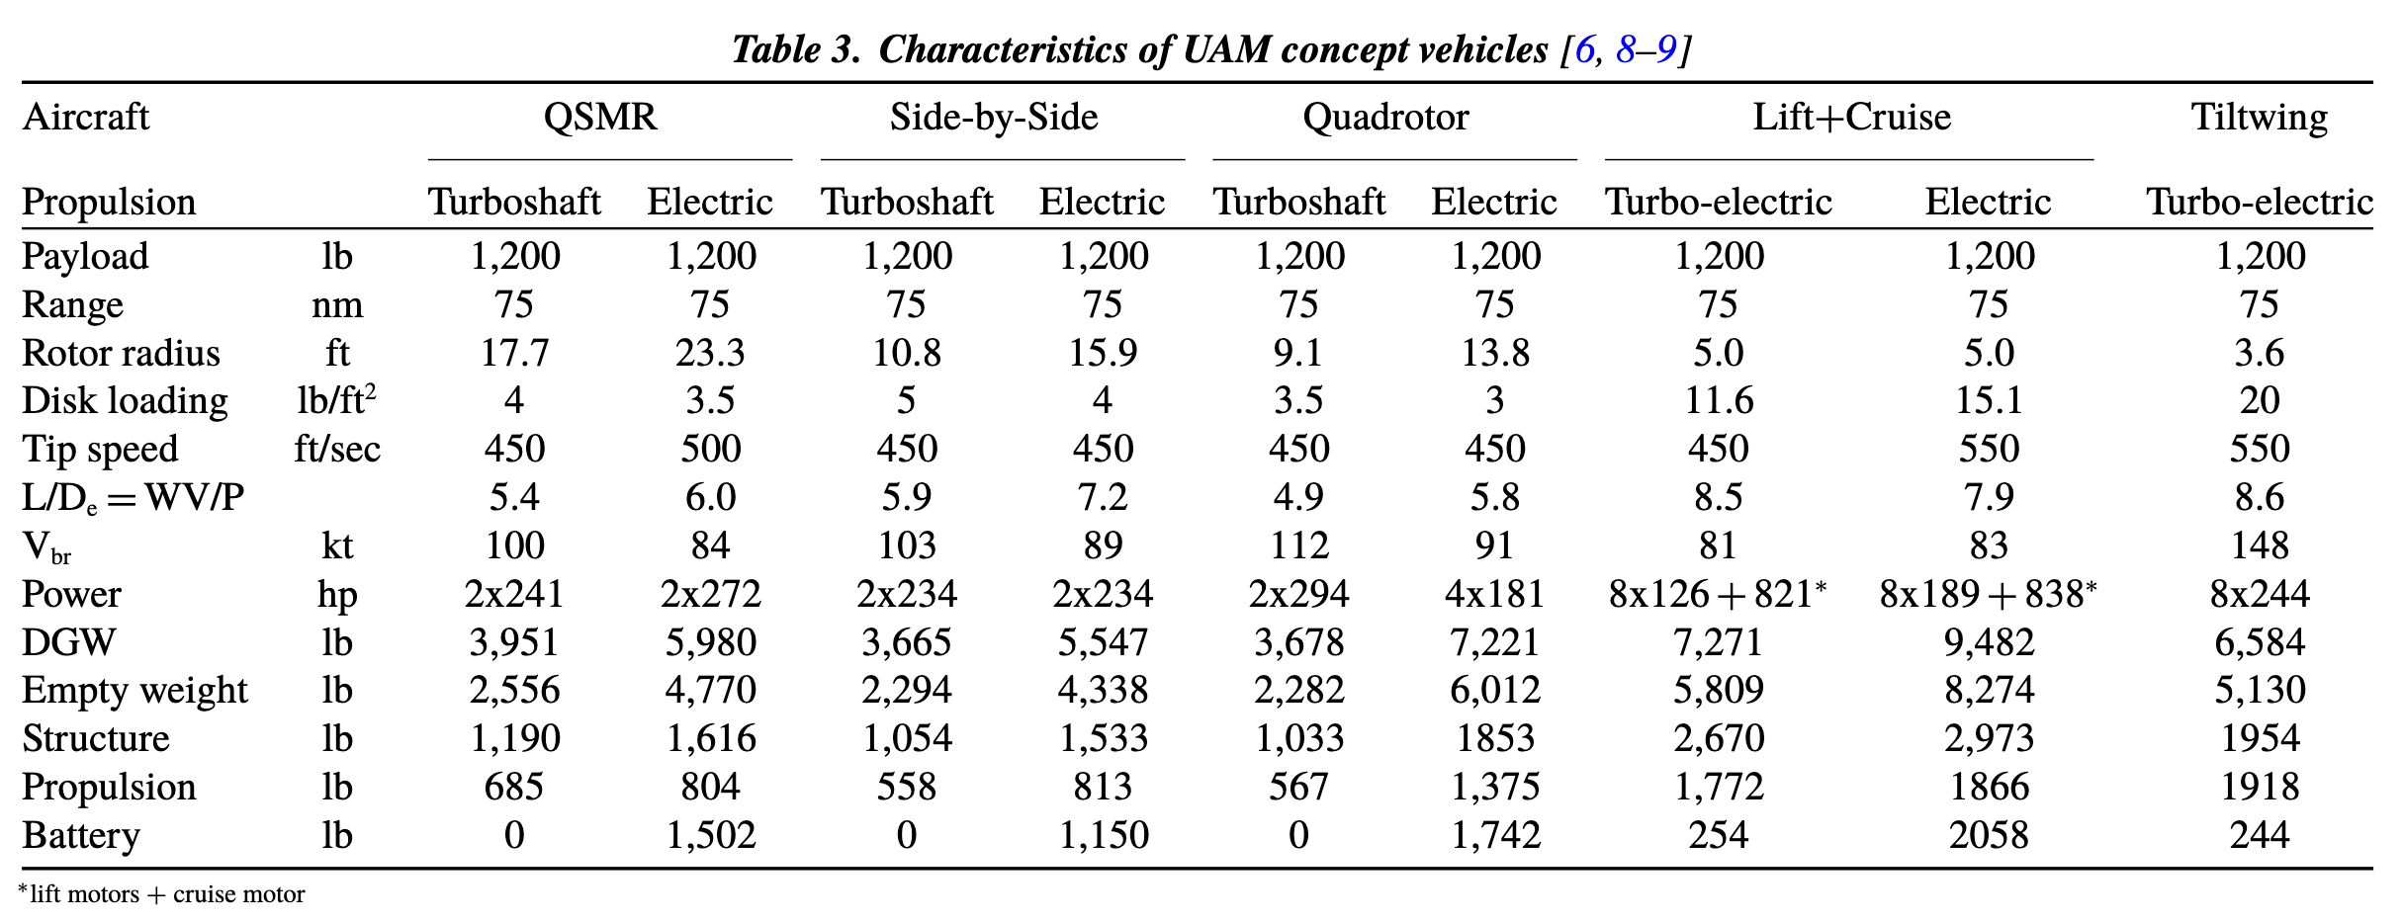

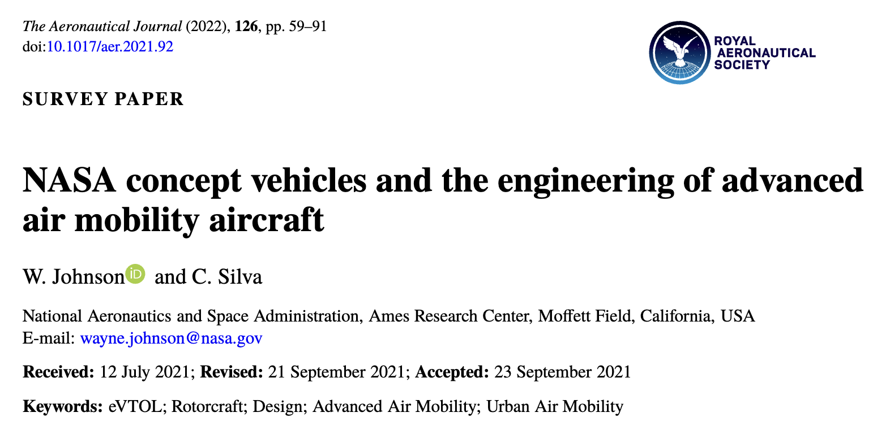

Conversion to SI units
lb to kg | 0.453592
nm to m | 1852
ft to m | 0.3048
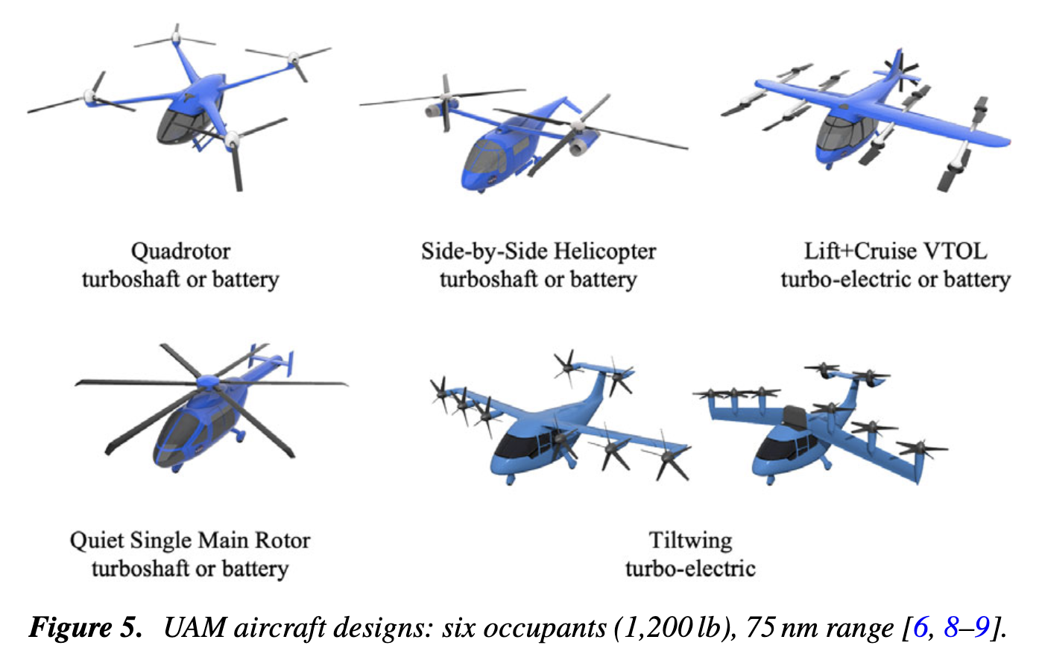
lbpft2 to kgpm2 | 4.8824236537
ftps to mps | 0.3048
kt to mps | 0.514444
hp to W | 745.7
radps to RPM | 9.549297

Quadrotor Electric |  |  | Lift+Cruise Electric
Payload | 544.3104 | kg | Payload | 544.3104 | kg
Range | 138.9 | km | Range | 138.9 | km
Rotor radius | 4.20624 | m | Rotor radius | 1.524 | m
Disk loading | 14.647270961 | kg/m^2 | Disk loading | 73.724597171 | kg/m^2
Tip speed | 137.16 | m/s | Tip speed | 167.64 | m/s
L/D_e = W*v/P | 5.8 | - | L/D_e = W*v/P | 7.9 | -
V_br | 168.5318544 | km/h | V_br | 153.7158672 | km/h
Power_lift_rotor | 539.8868 | kW | Power_lift_rotor | 1127.4984 | kW
Power_propeller | 0 | kW | Power_propeller | 624.8966 | kW
DGW | 3275.387832 | kg | DGW | 4300.959344 | kg
Empty weight | 2726.995104 | kg | Empty weight | 3753.020208 | kg
Structure | 840.505976 | kg | Structure | 1348.529016 | kg
Propulsion | 623.689 | kg | Propulsion | 846.402672 | kg
Battery | 790.157264 | kg | Battery | 933.492336 | kg

Assumed Data |  |  | Assumed Data
FM_hover | 0.75 | - | FM_hover | 0.75 | -
rho_air_hover | 1.0232784869 | kg/m2 | rho_air_hover | 1.0232784869 | kg/m2
pack-level GED | 400 | Wh/kg | pack-level GED | 400 | Wh/kg
v_sound at cruise | 328.50433637 | m/s | v_sound at cruise | 328.50433637 | m/s
v_sound at hover | 333.29000297 | m/s | v_sound at hover | 333.29000297 | m/s

Calculated Data |  |  | Calculated Data
P_cruise_total | 259.34820339 | kW | P_cruise_total | 228.0465215 | kW
P_cruise_each | 64.837050849 | kW | P_cruise_each | 228.0465215 | kW

DL_hover_each | 14.732103765 | kg/m^2 | DL_hover_each | 73.681005448 | kg/m^2
T_hover_each | 8032.888658 | N | T_hover_each | 5274.0513956 | N
P_hover_each | 90.004754679 | kW | P_hover_each | 132.15495467 | kW
P_hover_total | 360.01901871 | kW | P_hover_total | 1057.2396373 | kW

P_req_each | 90.004754679 | kW | P_req_each_lr | 132.15495467 | kW
P_avail_each | 134.9717 | kW | P_avail_each | 140.9373 | kW
PM_lift_rotor | 49.960633171 | % | PM_lift_rotor | 6.6454907836 | %

 |  |  | P_req_each_prop | 228.0465215 | kW
 |  |  | P_avail_each | 624.8966 | kW
 |  |  | PM_propeller | 174.02154433 | %

OEW | 2731.077432 | kg | OEW | 3756.648944 | kg
Empty weight | 1940.920168 | kg | Empty weight | 2823.156608 | kg
E_req | 316.0629056 | kWh | E_req | 373.3969344 | kWh

payload_per_pax | 91.398788 | kg | payload_per_pax | 91.323189333 | kg

RPM_cruise | 311.39011957 | RPM
M_tip_cruise | 0.41752873498 | Mach | M_tip_cruise | 0.50298538362 | Mach
M_tip_hover | 0.41153349569 | Mach | M_tip_hover |  | Mach

M_tip_cruise | 0.65 |  | M_tip_cruise | 0.21862
v_tip_cruise | 213.52781864 | m/s | v_tip_cruise | 71.817618017 | m/s
RPM_cruise | 484.76562392 | RPM | r_prop | 1.3716 | m
 |  |  | RPM_cruise | 500.00566075 | RPM

 |  |  | M_tip_cruise | 0.21862
 |  |  | v_tip_cruise | 71.817618017 | m/s
 |  |  | r_prop | 1.3716 | m
 |  |  | RPM_cruise | 500.00566075 | RPM

