Duffy et al
No | Thrust (N) | Weight (g) | Weight (kg) | Type
1 | 59.792917713 | 39.194067748 | 0.039194067748 | Single Piece | Source:
2 | 65.653651156 | 51.106316037 | 0.051106316037 | Single Piece | Duffy, M., Sevier, A. E., Hupp, R., Perdomo, E., and Wakayama, S., “Propulsion Scaling Methods in the Era of Electric Flight,”
3 | 196.97732878 | 95.42474695 | 0.09542474695 | Single Piece | presented at the 2018 AIAA/IEEE Electric Aircraft Technologies Symposium, Cincinnati, Ohio, 2018. https://doi.org/10.2514/6.2018-4978
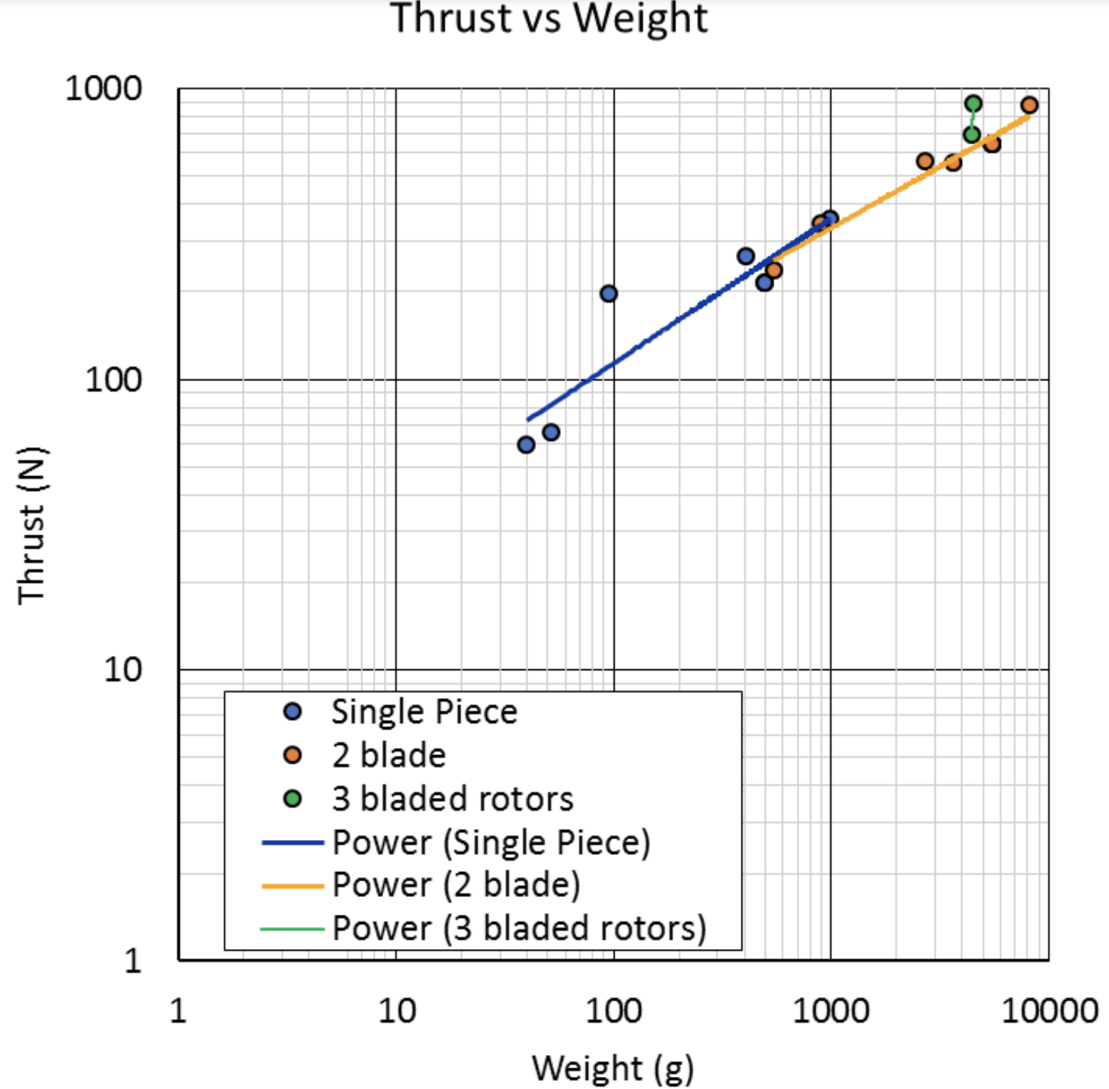
4 | 213.77122138 | 491.50215204 | 0.49150215204 | Single Piece
5 | 263.82733889 | 401.22670432 | 0.40122670432 | Single Piece
6 | 353.36485259 | 976.85591031 | 0.97685591031 | Single Piece
Rotor + Hub Weight vs Thrust
7 | 237.48408887 | 539.76334659 | 0.53976334659 | Two Bladed
8 | 341.1889237 | 889.51349731 | 0.88951349731 | Two Bladed
9 | 563.98692468 | 2694.6879144 | 2.6946879144 | Two Bladed
10 | 557.43327988 | 3625.11705 | 3.62511705 | Two Bladed
11 | 641.36698287 | 5439.9288605 | 5.4399288605 | Two Bladed
12 | 879.35135382 | 8163.2746195 | 8.1632746195 | Two Bladed
13 | 696.04864747 | 4371.977982 | 4.371977982 | Three Bladed
14 | 889.68973266 | 4510.6308733 | 4.5106308733 | Three Bladed

 | Trend for thrust > 200 N
 | m | 0.0095
 | c | -1.9275
 | 200 | -0.0275
 | 290 | 0.8275
 | 380 | 1.6825
 | 470 | 2.5375
 | 560 | 3.3925
 | 650 | 4.2475
 | 740 | 5.1025
 | 830 | 5.9575
 | 920 | 6.8125
 | 1010 | 7.6675
 | 1100 | 8.5225
 | 1190 | 9.3775
 | 1280 | 10.2325
 | 1370 | 11.0875
 | 1460 | 11.9425
 | 1550 | 12.7975
 | 1640 | 13.6525
 | 1730 | 14.5075
 | 1820 | 15.3625
 | 1910 | 16.2175
 | 2000 | 17.0725

