Duffy et al
No | Thrust (N) | Weight (g) | Type
1 | 59.792917713 | 39.194067748 | Single Piece | Source:
2 | 65.653651156 | 51.106316037 | Single Piece | Duffy, M., Sevier, A. E., Hupp, R., Perdomo, E., and Wakayama, S., “Propulsion Scaling Methods in the Era of Electric Flight,”
3 | 196.97732878 | 95.42474695 | Single Piece | presented at the 2018 AIAA/IEEE Electric Aircraft Technologies Symposium, Cincinnati, Ohio, 2018. https://doi.org/10.2514/6.2018-4978
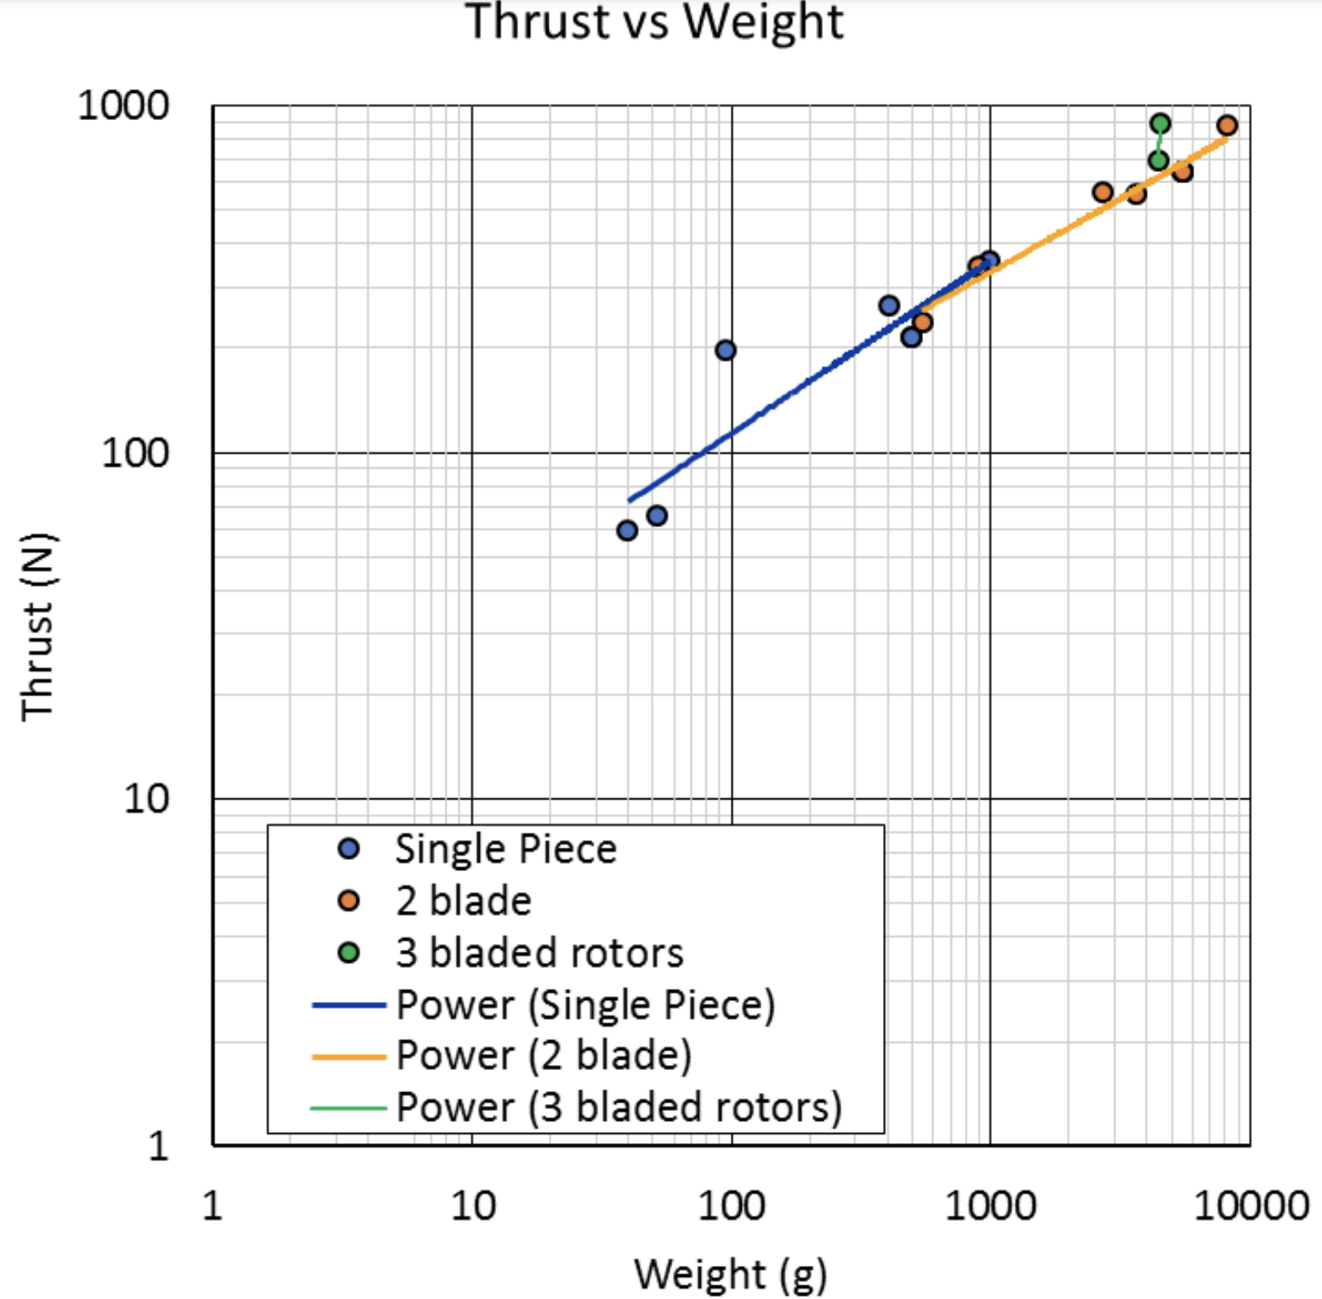
4 | 213.77122138 | 491.50215204 | Single Piece
5 | 263.82733889 | 401.22670432 | Single Piece
6 | 353.36485259 | 976.85591031 | Single Piece
7 | 237.48408887 | 539.76334659 | Two Bladed
8 | 341.1889237 | 889.51349731 | Two Bladed
9 | 563.98692468 | 2694.6879144 | Two Bladed
10 | 557.43327988 | 3625.11705 | Two Bladed
11 | 641.36698287 | 5439.9288605 | Two Bladed
12 | 879.35135382 | 8163.2746195 | Two Bladed
13 | 696.04864747 | 4371.977982 | Three Bladed
14 | 889.68973266 | 4510.6308733 | Three Bladed

