fuselage
No | Model Designation | Manufacturer | Equivalent Flat Plate Area (ft2) | Nominal Gross Weight (lb) | Type | K | 8.6 | K | 4.2 | K | 2.5 | K | 1.6 | K | 1.4 | K | 0.75
1 | C.30 | Cierva | 7.57 | 1800 | Autogiro | 500 | 5.4176605145 | 500 | 2.6458342048 | 500 | 1.5749013124 | 500 | 1.0079368399 | 500 | 0.88194473493 | 50000 | 10.179066062
2 | YG-1B | Kellett | 10.71 | 2800 | Autogiro | 5475 | 26.714960328 | 10475 | 20.107217613 | 15475 | 15.524839313 | 25475 | 13.852541007 | 30475 | 13.659155374 | 74975 | 13.335385649
3 | R-4B | Sikorsky | 23.1 | 2540 | Helicopter | 10450 | 41.106387465 | 20450 | 31.408329034 | 30450 | 24.378007518 | 50450 | 21.845438318 | 60450 | 21.563813768 | 99950 | 16.15287364
4 | H-5 | Sikorsky | 17.9 | 4900 | Helicopter | 15425 | 53.290349236 | 30425 | 40.932633004 | 45425 | 31.827556614 | 75425 | 28.562542385 | 90425 | 28.204628298 | 124925 | 18.74249925
5 | H-10 | Kellett | 29.4 | 11000 | Helicopter | 20400 | 64.207421508 | 40400 | 49.450444584 | 60400 | 38.485573951 | 100400 | 34.562816414 | 120400 | 34.135978812 | 149900 | 21.163899244
6 | H-12 | Hiller | 16.6 | 2700 | Helicopter | 25375 | 74.262429289 | 50375 | 57.287428713 | 75375 | 44.609246964 | 125375 | 40.079960053 | 150375 | 39.589358319 | 174875 | 23.453792671
7 | H-13G | Bell | 10.6 | 2350 | Helicopter | 30350 | 83.676642933 | 60350 | 64.620077324 | 90350 | 50.337554552 | 150350 | 45.239966113 | 180350 | 44.689497028 | 199850 | 25.636812777
8 | XH-15 | Bell | 15.4 | 2777 | Helicopter | 35325 | 92.587686314 | 70325 | 71.557602988 | 105325 | 55.756348063 | 175325 | 50.12055611 | 210325 | 49.513310822 | 224825 | 27.730497734
9 | XH-16 | Piasecki | 54 | 33577 | Helicopter | 40300 | 101.08851467 | 80300 | 78.173517497 | 120300 | 60.923347798 | 200300 | 54.773935853 | 240300 | 54.112452328 | 249800 | 29.747893597
10 | YH-16 | Piasecki | 54 | 46750 | Helicopter | 45275 | 109.24563429 | 90275 | 84.520285451 | 135275 | 65.87971379 | 225275 | 59.237308112 | 270275 | 58.523723937 | 274775 | 31.699037411
11 | XH-17 | Hughes | 128 | 52000 | Helicopter | 50250 | 117.10870053 | 100250 | 90.637004642 | 150250 | 70.656100068 | 250250 | 63.538365721 | 300250 | 62.774516983 | 299750 | 33.591860485
12 | YH-18 | Sikorsky | 15.3 | 2100 | Helicopter | 55225 | 124.71602707 | 110225 | 96.553798086 | 165225 | 75.276112453 | 275225 | 67.69842572 | 330225 | 66.88591433 | 324725 | 35.432767978
13 | H-19 | Sikorsky | 26 | 7200 | Helicopter | 60200 | 132.09796038 | 120200 | 102.29449645 | 180200 | 79.758418349 | 300200 | 71.734340172 | 360200 | 70.874581584 | 349700 | 37.227026771
14 | H-21 | Piasecki | 30 | 11500 | Helicopter | 65175 | 139.2790549 | 130175 | 107.87836308 | 195175 | 84.118102474 | 325175 | 75.659723287 | 390175 | 74.753981438 | 374675 | 38.979034185
15 | H-26 | American Helicopter | 4.4 | 875 | Helicopter | 70150 | 146.279534 | 140150 | 113.32125054 | 210150 | 88.367575217 | 350150 | 79.485773184 | 420150 | 78.535186775 | 399650 | 40.69250963
16 | H-34 | Sikorsky | 34 | 13000 | Helicopter | 75125 | 153.11630538 | 150125 | 118.63640302 | 225125 | 92.517202562 | 375125 | 83.221841529 | 450125 | 82.227444245 | 424625 | 42.370634731
17 | H-37 | Sikorsky | 75 | 31000 | Helicopter | 80100 | 159.80368705 | 160100 | 123.83502942 | 240100 | 96.575755748 | 400100 | 86.875840022 | 480100 | 85.838576383 | 449600 | 44.016157977
18 | XH-40 | Bell | 18 | 8500 | Helicopter | 85075 | 166.35393939 | 170075 | 128.92672282 | 255075 | 100.55074025 | 425075 | 90.454537692 | 510075 | 89.375275701 | 474575 | 45.631474347
19 | YH-40 | Bell | 36 | 8500 | Helicopter | 90050 | 172.77766324 | 180050 | 133.91977394 | 270050 | 104.44864166 | 450050 | 93.963783024 | 540050 | 92.843324393 | 499550 | 47.218686893
20 | YH-41 | Cessna | 9 | 3000 | Helicopter | 95025 | 179.08410333 | 190025 | 138.82141 | 285025 | 108.27511281 | 475025 | 97.40867302 | 570025 | 96.247761552 | 524525 | 48.779655071
21 | LZ-5 | Doman | 20.4 | 5200 | Helicopter | 100000 | 185.28138334 | 200000 | 143.63797952 | 300000 | 112.03511866 | 500000 | 100.79368399 | 600000 | 99.593012526 | 549500 | 50.316033148
22 | XH-51 | Lockheed | 5.0 | 2979 | Helicopter
23 | SA-341 | Aerospatiale | 7.3 | 4993 | Helicopter
 | Helicopter |  | K4.2 |  | K8.6 |  | Autogiro |  | K2.5 |  | Helicopter2 |  | Propeller transport |  | Jet transport |  | K1.6 |  | K1.4 |  | K0.75
2540 | 23.1 | 500 | 2.6458342048 | 500 | 5.4176605145 | 1800 | 7.57 | 500 | 1.5749013124 |  | 1 | 2315 | 5.5 | 125757 | 17.2 | 500 | 1.0079368399 | 500 | 0.88194473493 | 50000 | 10.179066062
4900 | 17.9 | 10475 | 20.107217613 | 5475 | 26.714960328 | 2800 | 10.71 | 15475 | 15.524839313 |  |  | 2454 | 6.0 | 185429 | 25.7 | 25475 | 13.852541007 | 30475 | 13.659155374 | 74975 | 13.335385649
11000 | 29.4 | 20450 | 31.408329034 | 10450 | 41.106387465 |  |  | 30450 | 24.378007518 |  |  | 5524 | 4.7 |  |  | 50450 | 21.845438318 | 60450 | 21.563813768 | 99950 | 16.15287364
2700 | 16.6 | 30425 | 40.932633004 | 15425 | 53.290349236 |  |  | 45425 | 31.827556614 |  |  | 10112 | 3.8 |  |  | 75425 | 28.562542385 | 90425 | 28.204628298 | 124925 | 18.74249925
2350 | 10.6 | 40400 | 49.450444584 | 20400 | 64.207421508 |  |  | 60400 | 38.485573951 |  |  | 12524 | 6.9 |  |  | 100400 | 34.562816414 | 120400 | 34.135978812 | 149900 | 21.163899244
2777 | 15.4 | 50375 | 57.287428713 | 25375 | 74.262429289 |  |  | 75375 | 44.609246964 |  |  | 17505 | 8.6 |  |  | 125375 | 40.079960053 | 150375 | 39.589358319 | 174875 | 23.453792671
33577 | 54 | 60350 | 64.620077324 | 30350 | 83.676642933 |  |  | 90350 | 50.337554552 |  |  | 14772 | 9.5 |  |  | 150350 | 45.239966113 | 180350 | 44.689497028 | 199850 | 25.636812777
46750 | 54 | 70325 | 71.557602988 | 35325 | 92.587686314 |  |  | 105325 | 55.756348063 |  |  | 37271 | 20.5 |  |  | 175325 | 50.12055611 | 210325 | 49.513310822 | 224825 | 27.730497734
52000 | 128 | 80300 | 78.173517497 | 40300 | 101.08851467 |  |  | 120300 | 60.923347798 |  |  | 60314 | 34.5 |  |  | 200300 | 54.773935853 | 240300 | 54.112452328 | 249800 | 29.747893597
2100 | 15.3 | 90275 | 84.520285451 | 45275 | 109.24563429 |  |  | 135275 | 65.87971379 |  |  | 56250 | 42.0 |  |  | 225275 | 59.237308112 | 270275 | 58.523723937 | 274775 | 31.699037411
7200 | 26 | 100250 | 90.637004642 | 50250 | 117.10870053 |  |  | 150250 | 70.656100068 |  |  | 134217 | 34.4 |  |  | 250250 | 63.538365721 | 300250 | 62.774516983 | 299750 | 33.591860485
11500 | 30 | 110225 | 96.553798086 | 55225 | 124.71602707 |  |  | 165225 | 75.276112453 |  |  | 121164 | 40.7 |  |  | 275225 | 67.69842572 | 330225 | 66.88591433 | 324725 | 35.432767978
875 | 4.4 | 120200 | 102.29449645 | 60200 | 132.09796038 |  |  | 180200 | 79.758418349 |  |  | 155754 | 42.5 |  |  | 300200 | 71.734340172 | 360200 | 70.874581584 | 349700 | 37.227026771
13000 | 34 | 130175 | 107.87836308 | 65175 | 139.2790549 |  |  | 195175 | 84.118102474 |  |  |  |  |  |  | 325175 | 75.659723287 | 390175 | 74.753981438 | 374675 | 38.979034185
31000 | 75 | 140150 | 113.32125054 | 70150 | 146.279534 |  |  | 210150 | 88.367575217 |  |  |  |  |  |  | 350150 | 79.485773184 | 420150 | 78.535186775 | 399650 | 40.69250963
8500 | 18 | 150125 | 118.63640302 | 75125 | 153.11630538 |  |  | 225125 | 92.517202562 |  |  |  |  |  |  | 375125 | 83.221841529 | 450125 | 82.227444245 | 424625 | 42.370634731
8500 | 36 | 160100 | 123.83502942 | 80100 | 159.80368705 |  |  | 240100 | 96.575755748 |  |  |  |  |  |  | 400100 | 86.875840022 | 480100 | 85.838576383 | 449600 | 44.016157977
3000 | 9 | 170075 | 128.92672282 | 85075 | 166.35393939 |  |  | 255075 | 100.55074025 |  |  |  |  |  |  | 425075 | 90.454537692 | 510075 | 89.375275701 | 474575 | 45.631474347
5200 | 20.4 | 180050 | 133.91977394 | 90050 | 172.77766324 |  |  | 270050 | 104.44864166 |  |  |  |  |  |  | 450050 | 93.963783024 | 540050 | 92.843324393 | 499550 | 47.218686893
2978.5474325 | 4.9913767497 |  |  |  |  |  |  | 285025 | 108.27511281 |  |  |  |  |  |  | 475025 | 97.40867302 | 570025 | 96.247761552 | 524525 | 48.779655071
4993.3278183 | 7.3055071362 |  |  |  |  |  |  | 300000 | 112.03511866 |  |  |  |  |  |  | 500000 | 100.79368399 | 600000 | 99.593012526 | 549500 | 50.316033148
9989.3934281 | 11.241278765
17426.796044 | 16.893403678
2790.9074631 | 5.6881850348
2386.9277919 | 5.9801082593
3970.5495554 | 8.3834451833
4478.6901131 | 8.536333982
4993.3278183 | 8.9869119854
5391.5109409 | 9.974529693
4192.47183 | 10.044104522
7313.8926831 | 11.3512067
8968.5416717 | 12.067225718
9469.8121229 | 12.050461433
10933.631005 | 13.98317878
7633.2025678 | 15.390945286
9580.820228 | 15.802897342
9960.3313398 | 15.671629788
10106.492228 | 16.753077779
13978.935031 | 21.576389679
22432.602637 | 22.495287743
22454.399276 | 24.898086617
21894.509961 | 25.886374553
17342.378543 | 26.066938462
16124.095405 | 28.216575232
45713.289336 | 46.543346722
41806.032591 | 48.593048226
30817.745334 | 42.403894235
32007.38393 | 42.640351822
33307.57782 | 44.209796747
21873.256811 | 32.65119008
...
Heavy Lift Rotorcraft
Fuselage
$f_{e}=1.6 {\left({GW}/{1000}\right)}^{2/3}$
Helicopter
1960 Technology
$f_{e}=4.2 {\left({GW}/{1000}\right)}^{2/3}$
Helicopter
1945 Technology
$f_{e}=8.6 {\left({GW}/{1000}\right)}^{2/3}$
Jet Transport
$f_{e}=0.75 {\left({GW}/{1000}\right)}^{2/3}$
Propeller Transport
Ending in 1980
$f_{e}=1.4 {\left({GW}/{1000}\right)}^{2/3}$
24 | S-76 | Sikorsky | 11.2 | 9989 | Helicopter
25 | S-67 | Sikorsky | 16.9 | 17427 | Helicopter
26 | OH-6A | NA | 5.7 | 2791 | Helicopter
27 | - | Army target for LOH | 6.0 | 2387 | Helicopter
28 | NA | NA | 8.4 | 3971 | Helicopter
29 | NA | NA | 8.5 | 4479 | Helicopter
30 | NA | NA | 9.0 | 4993 | Helicopter
31 | NA | NA | 10.0 | 5392 | Helicopter
32 | NA | NA | 10.0 | 4192 | Helicopter
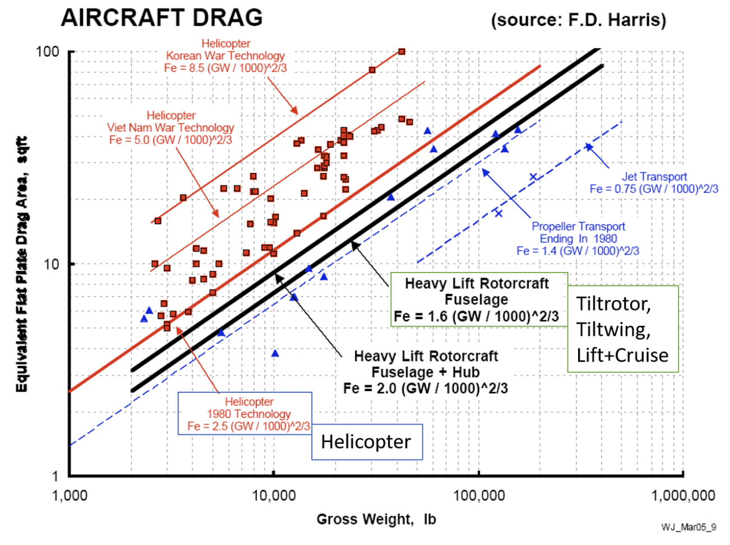
33 | NA | NA | 11.4 | 7314 | Helicopter
34 | NA | NA | 12.1 | 8969 | Helicopter
35 | NA | NA | 12.1 | 9470 | Helicopter
36 | NA | NA | 14.0 | 10934 | Helicopter
37 | NA | NA | 15.4 | 7633 | Helicopter
38 | NA | NA | 15.8 | 9581 | Helicopter
39 | NA | NA | 15.7 | 9960 | Helicopter
40 | NA | NA | 16.8 | 10106 | Helicopter
41 | NA | NA | 21.6 | 13979 | Helicopter
42 | NA | NA | 22.5 | 22433 | Helicopter
43 | NA | NA | 24.9 | 22454 | Helicopter
44 | NA | NA | 25.9 | 21895 | Helicopter
45 | NA | NA | 26.1 | 17342 | Helicopter
46 | NA | NA | 28.2 | 16124 | Helicopter
47 | NA | NA | 46.5 | 45713 | Helicopter
48 | NA | NA | 48.6 | 41806 | Helicopter
49 | NA | NA | 42.4 | 30818 | Helicopter
50 | NA | NA | 42.6 | 32007 | Helicopter
51 | NA | NA | 44.2 | 33308 | Helicopter
52 | NA | NA | 32.7 | 21873 | Helicopter
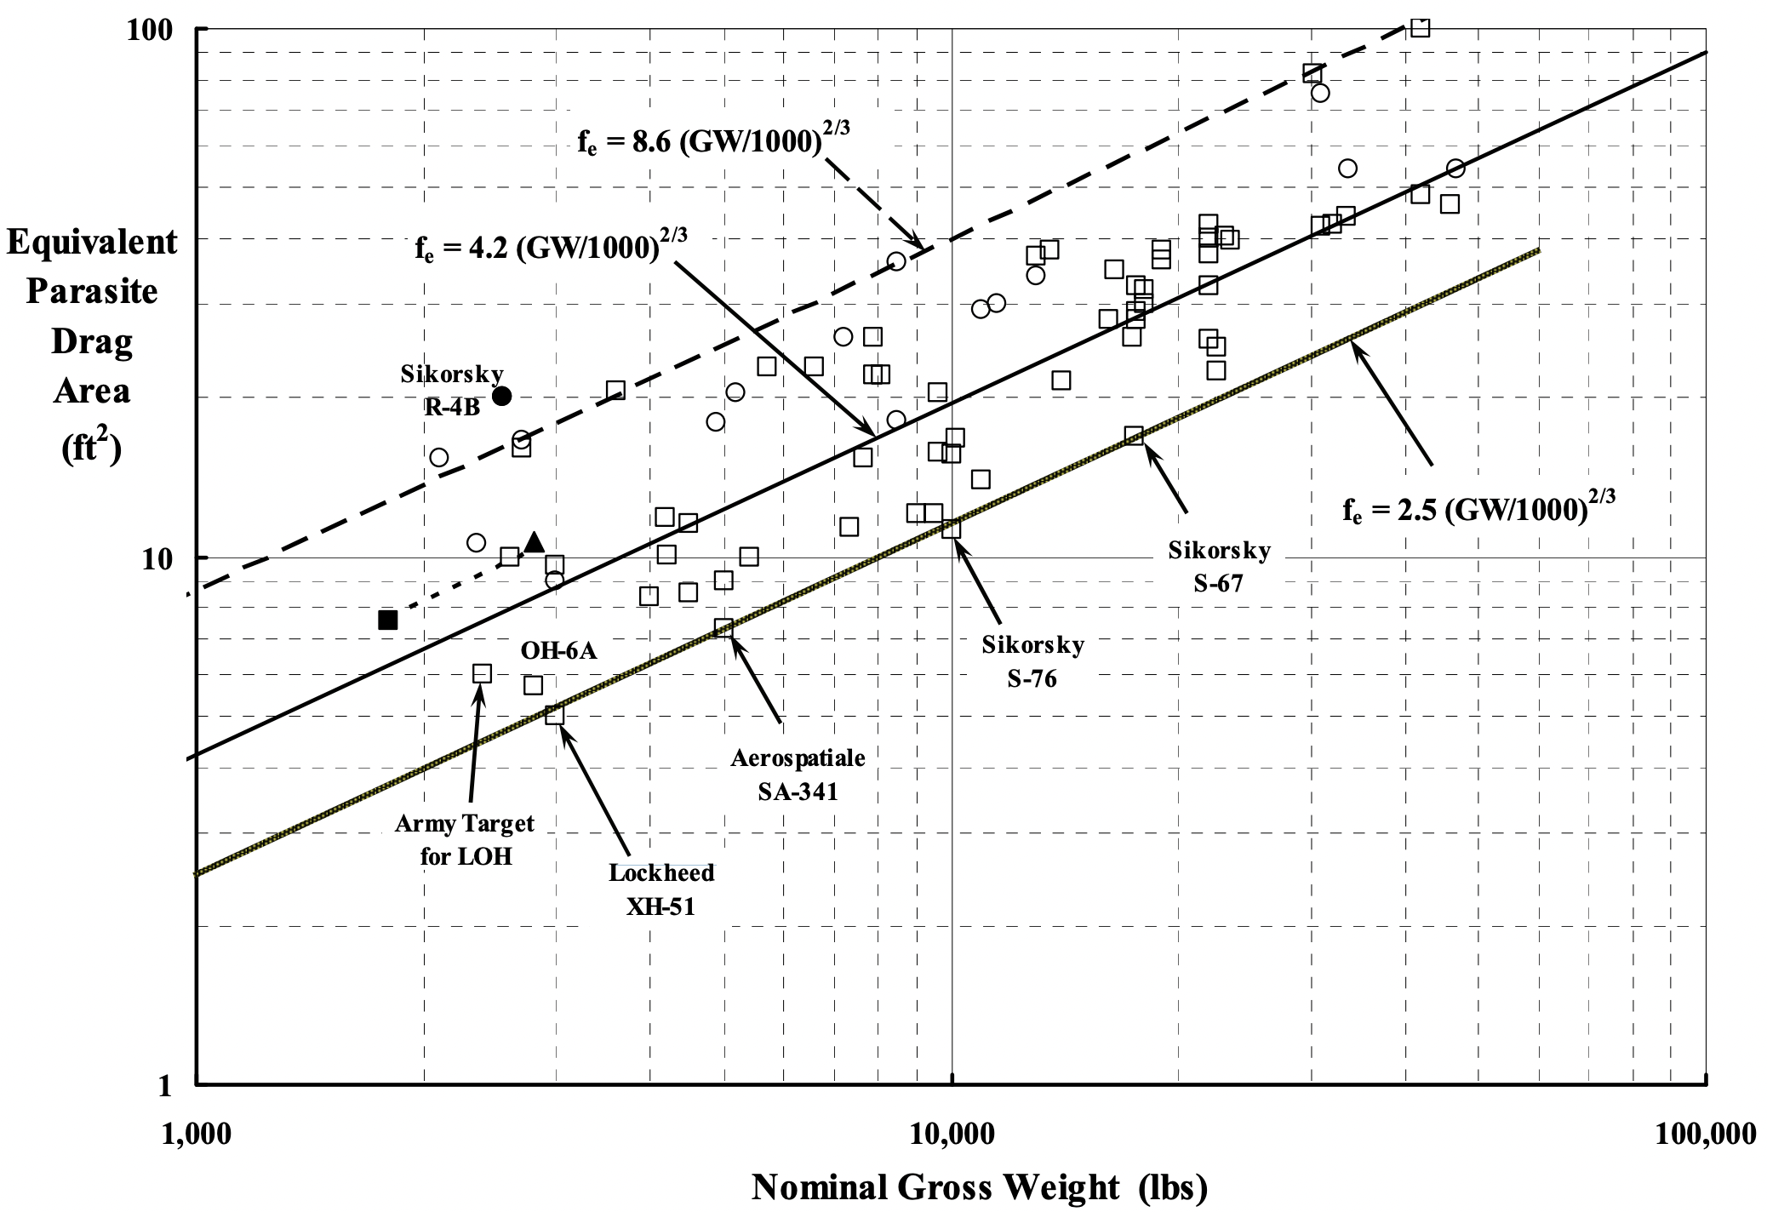
53 | NA | NA | 37.6 | 21873 | Helicopter
54 | NA | NA | 39.8 | 23389 | Helicopter
55 | NA | NA | 40.7 | 22939 | Helicopter
56 | NA | NA | 42.9 | 21895 | Helicopter
57 | NA | NA | 40.4 | 21873 | Helicopter
58 | NA | NA | 38.0 | 18945 | Helicopter
59 | NA | NA | 36.6 | 18945 | Helicopter
60 | NA | NA | 35.0 | 16408 | Helicopter
61 | NA | NA | 32.7 | 17512 | Helicopter
62 | NA | NA | 32.2 | 17977 | Helicopter
63 | NA | NA | 30.2 | 17959 | Helicopter
64 | NA | NA | 29.3 | 17546 | Helicopter
65 | NA | NA | 28.1 | 17546 | Helicopter
66 | NA | NA | 37.2 | 12921 | Helicopter
67 | NA | NA | 38.2 | 13472 | Helicopter
68 | NA | NA | 20.5 | 9572 | Helicopter
69 | NA | NA | 22.1 | 8052 | Helicopter
70 | NA | NA | 22.2 | 7874 | Helicopter
71 | NA | NA | 26.1 | 7867 | Helicopter
72 | NA | NA | 22.9 | 6566 | Helicopter
73 | NA | NA | 22.9 | 5687 | Helicopter
74 | NA | NA | 11.6 | 4474 | Helicopter
75 | NA | NA | 11.9 | 4172 | Helicopter
76 | NA | NA | 9.6 | 2976 | Helicopter
77 | NA | NA | 10.0 | 2597 | Helicopter
78 | NA | NA | 16.0 | 2690 | Helicopter
79 | NA | NA | 20.7 | 3589 | Helicopter
80 | NA | NA | 100.5 | 41806 | Helicopter
81 | NA | NA | 82.3 | 30049 | Helicopter
82 | NA | NA | 5.5 | 2315 | Propeller Transport
83 | NA | NA | 6.0 | 2454 | Propeller Transport
84 | NA | NA | 4.7 | 5524 | Propeller Transport
85 | NA | NA | 3.8 | 10112 | Propeller Transport
86 | NA | NA | 6.9 | 12524 | Propeller Transport
87 | NA | NA | 8.6 | 17505 | Propeller Transport
88 | NA | NA | 9.5 | 14772 | Propeller Transport
89 | NA | NA | 20.5 | 37271 | Propeller Transport
90 | NA | NA | 34.5 | 60314 | Propeller Transport
91 | NA | NA | 42.0 | 56250 | Propeller Transport
92 | NA | NA | 34.4 | 134217 | Propeller Transport
93 | NA | NA | 40.7 | 121164 | Propeller Transport
94 | NA | NA | 42.5 | 155754 | Propeller Transport
95 | NA | NA | 17.2 | 125757 | Jet Transport
96 | NA | NA | 25.7 | 185429 | Jet Transport

hub
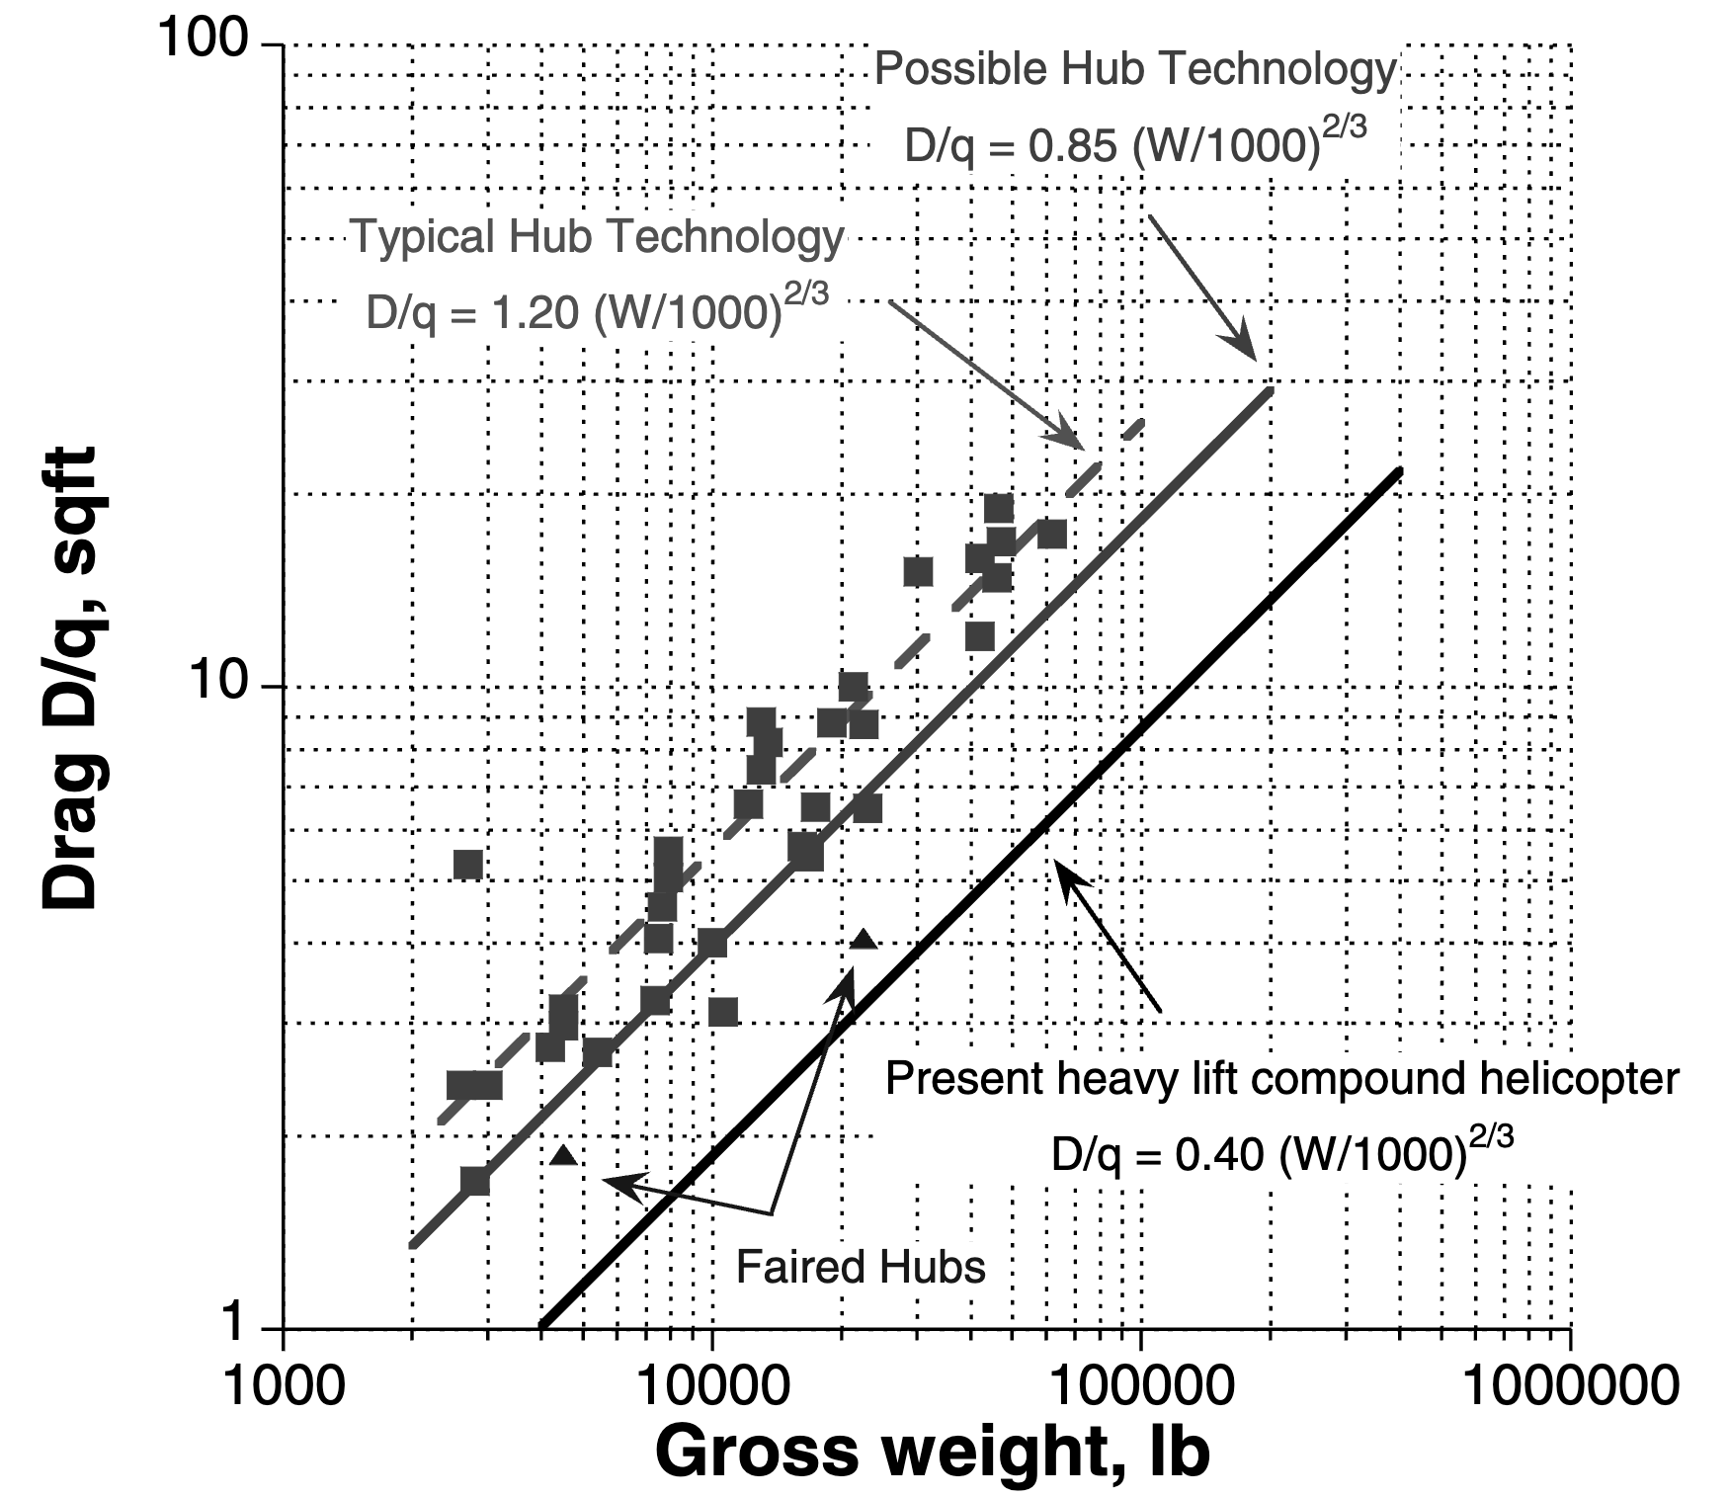
No | Equivalent Flat Plate Area (ft2) | Nominal Gross Weight (lb) | With fairing | K | 1.2 | K | 0.85 | K | 0.4
1 | 4.0130587103 | 22314.154803 | TRUE | 2500 | 2.2104188992 | 2000 | 1.3492908942 | 4000 | 1.0079368399
2 | 1.8559334586 | 4497.7658785 | TRUE | 7375 | 4.5466263282 | 11900 | 4.4304744187 | 23800 | 3.3096187073
3 | 5.2910114892 | 2695.251951 | FALSE | 12250 | 6.3768368409 | 21800 | 6.6332024853 | 43600 | 4.9550835779
4 | 2.4116066741 | 2580.3102305 | FALSE | 17125 | 7.9726304284 | 31700 | 8.5138324775 | 63400 | 6.3599372382
5 | 2.3941255389 | 2972.9398325 | FALSE | 22000 | 9.4217092926 | 41600 | 10.205034552 | 83200 | 7.6232859213
6 | 2.7490238962 | 4167.4828091 | FALSE | 26875 | 10.766640893 | 51500 | 11.765861858 | 103000 | 8.7892430546
7 | 2.9564741877 | 4497.7658785 | FALSE | 31750 | 12.032163714 | 61400 | 13.229126617 | 122800 | 9.8823197687
8 | 3.156531376 | 4497.7658785 | FALSE | 36625 | 13.234260175 | 71300 | 14.615441724 | 142600 | 10.917914149
9 | 2.6896752212 | 5413.0057174 | FALSE | 41500 | 14.384010029 | 81200 | 15.938824127 | 162400 | 11.906497029
10 | 1.7007783126 | 2784.8060429 | FALSE | 46375 | 15.489492705 | 91100 | 17.209351708 | 182200 | 12.855596708
11 | 3.2497379437 | 7343.9650159 | FALSE | 51250 | 16.55682884 | 101000 | 18.434576922 | 202000 | 13.770854964
12 | 4.0423607751 | 7505.7539204 | FALSE | 56125 | 17.590795592 | 110900 | 19.620344254 | 221800 | 14.656637698
13 | 4.5413815755 | 7587.980095 | FALSE | 61000 | 18.595212087 | 120800 | 20.771293796 | 241600 | 15.516411116
14 | 5.0283071801 | 7840.1029686 | FALSE | 65875 | 19.573192388 | 130700 | 21.891187332 | 261400 | 16.352985318
15 | 5.5270838163 | 7840.1029686 | FALSE | 70750 | 20.527317933 | 140600 | 22.983128197 | 281200 | 17.16867853
16 | 3.1109354171 | 10521.605614 | FALSE | 75625 | 21.459758873 | 150500 | 24.04971453 | 301000 | 17.965431597
17 | 3.9839690489 | 9963.7474946 | FALSE | 80500 | 22.372361746 | 160400 | 25.09314917 | 320800 | 18.744890066
18 | 6.533800605 | 12122.612259 | FALSE | 85375 | 23.266714308 | 170300 | 26.115320356 | 340600 | 19.508464473
19 | 7.3939814559 | 12941.582395 | FALSE | 90250 | 24.14419443 | 180200 | 27.117862239 | 360400 | 20.25737555
20 | 8.1867619857 | 13371.587337 | FALSE | 95125 | 25.006007623 | 190100 | 28.102201079 | 380200 | 20.992688732
21 | 8.8045616938 | 12941.582395 | FALSE | 100000 | 25.85321628 | 200000 | 29.069591094 | 400000 | 21.715340933
22 | 5.44724533 | 16627.24091 | FALSE
23 | 5.6490409576 | 16092.540311 | FALSE
24 | 6.4864387144 | 17367.912964 | FALSE
Present heavy lift
compound helicopter
$f_{e}=0.40 {\left({GW}/{1000}\right)}^{2/3}$
Faired Hubs
Typical Hub Technology
$f_{e}=1.20 {\left({GW}/{1000}\right)}^{2/3}$
Possible Hub Technology
$f_{e}=0.85 {\left({GW}/{1000}\right)}^{2/3}$
25 | 6.4394201384 | 23055.578576 | FALSE
26 | 8.7407396226 | 18949.708063 | FALSE
27 | 8.6773801817 | 22558.608273 | FALSE
28 | 9.9636903278 | 21362.545309 | FALSE
29 | 15.083947352 | 30274.191602 | FALSE
30 | 11.951135289 | 41978.642582 | FALSE
31 | 14.758300023 | 45801.877488 | FALSE
32 | 15.756957146 | 41978.642582 | FALSE
33 | 16.82319089 | 46810.901301 | FALSE
34 | 18.89997786 | 46303.640964 | FALSE
35 | 17.194400797 | 62140.593138 | FALSE

