Sheet1
Motor Data by Manufacturers

No | Manufacturer | Type | Weight | Power [kW] |  | Current [A] |  | Voltage [V] | Link
 |  |  |  | Peak | Continuous | Peak | Continuous
1 | Advanced Power Drives | UHV-20S | 0.74 | 38 | 34 |  |  |  | https://powerdrives.net/
2 |  | UHV-28S | 0.74 | 45 | 36
3 | Embention | MC110 | 2.28 | 154 | 110 | 280 | 200 | 550 | https://www.embention.com/
4 | BorgWarner | Gen4 Size 8 | 8.5 | 100 | 60 | 400 | 200 | 300 | https://www.borgwarner.com/
7 | BRUSA HyPower | DMC514 | 6.5 | 52 | 39 | 150 | 112 | 348.2 | https://www.brusahypower.com/products/
8 |  | DMC524 | 9.5 | 105 | 79 | 300 | 225 | 351.1
9 |  | DMC534 | 12.5 | 157 | 118 | 450 | 337 | 350.1
10 |  | DMC544 | 15.5 | 212 | 160 | 600 | 450 | 355.6
11 |  | BDC546 | 25.2 |  | 180 | 400 | 300 | 600
12 |  | BDC668 | 29 |  | 250 | 600
13 | Geiger Engineering | MC300-12 | 1.6 | 16 | 12 |  |  |  | https://www.geigerengineering.de/en/avionics/products | W [kg] | P [kW]
Weight vs Power
14 |  | MC300-16 | 1.8 | 20 | 16 |  |  |  |  | 1.1030150754 | 10
15 |  | MC300-28 | 3.4 | 40 | 28 |  |  |  |  | 2.3567839196 | 20
16 |  | MC300-50 | 6.8 | 40 | 50 |  |  |  |  | 3.6105527638 | 30
 |  |  |  |  |  |  |  |  |  | 6.1180904523 | 50
 |  |  |  |  |  |  |  |  |  | 7.3718592965 | 60
 |  |  |  |  |  |  |  |  |  | 8.6256281407 | 70
 |  |  |  |  |  |  |  |  |  | 9.8793969849 | 80
 |  |  |  |  |  |  |  |  |  | 11.133165829 | 90
 |  |  |  |  |  |  |  |  |  | 12.386934673 | 100
 |  |  |  |  |  |  |  |  |  | 13.640703518 | 110
 |  |  |  |  |  |  |  |  |  | 14.894472362 | 120
 |  |  |  |  |  |  |  |  |  | 16.148241206 | 130
 |  |  |  |  |  |  |  |  |  | 17.40201005 | 140
 |  |  |  |  |  |  |  |  |  | 18.655778894 | 150
 |  |  |  |  |  |  |  |  |  | 19.909547739 | 160
 |  |  |  |  |  |  |  |  |  | 21.163316583 | 170
 |  |  |  |  |  |  |  |  |  | 22.417085427 | 180
 |  |  |  |  |  |  |  |  |  | 23.670854271 | 190
 |  |  |  |  |  |  |  |  |  | 24.924623116 | 200
 |  |  |  |  |  |  |  |  |  | 26.17839196 | 210
 |  |  |  |  |  |  |  |  |  | 27.432160804 | 220
 |  |  |  |  |  |  |  |  |  | 28.685929648 | 230
 |  |  |  |  |  |  |  |  |  | 29.939698492 | 240
 |  |  |  |  |  |  |  |  |  | 31.193467337 | 250
 |  |  |  |  |  |  |  |  |  | 32.447236181 | 260
 |  |  |  |  |  |  |  |  |  | 33.701005025 | 270
 |  |  |  |  |  |  |  |  |  | 34.954773869 | 280
 |  |  |  |  |  |  |  |  |  | 36.208542714 | 290
 |  |  |  |  |  |  |  |  |  | 37.462311558 | 300

Duffy et al
No | Max. Continuous Power (kW) | Weight (kg) | Coolant
1 | 1.357331988 | 0.054053575602 | Air | Source:
2 | 0.50757663019 | 0.21747261674 | Air | Duffy, M., Sevier, A. E., Hupp, R., Perdomo, E., and Wakayama, S., “Propulsion Scaling Methods in the Era of Electric Flight,”
3 | 4.0893142456 | 0.20848939518 | Air | presented at the 2018 AIAA/IEEE Electric Aircraft Technologies Symposium, Cincinnati, Ohio, 2018. https://doi.org/10.2514/6.2018-4978
4 | 6.3947746212 | 0.29631642489 | Air
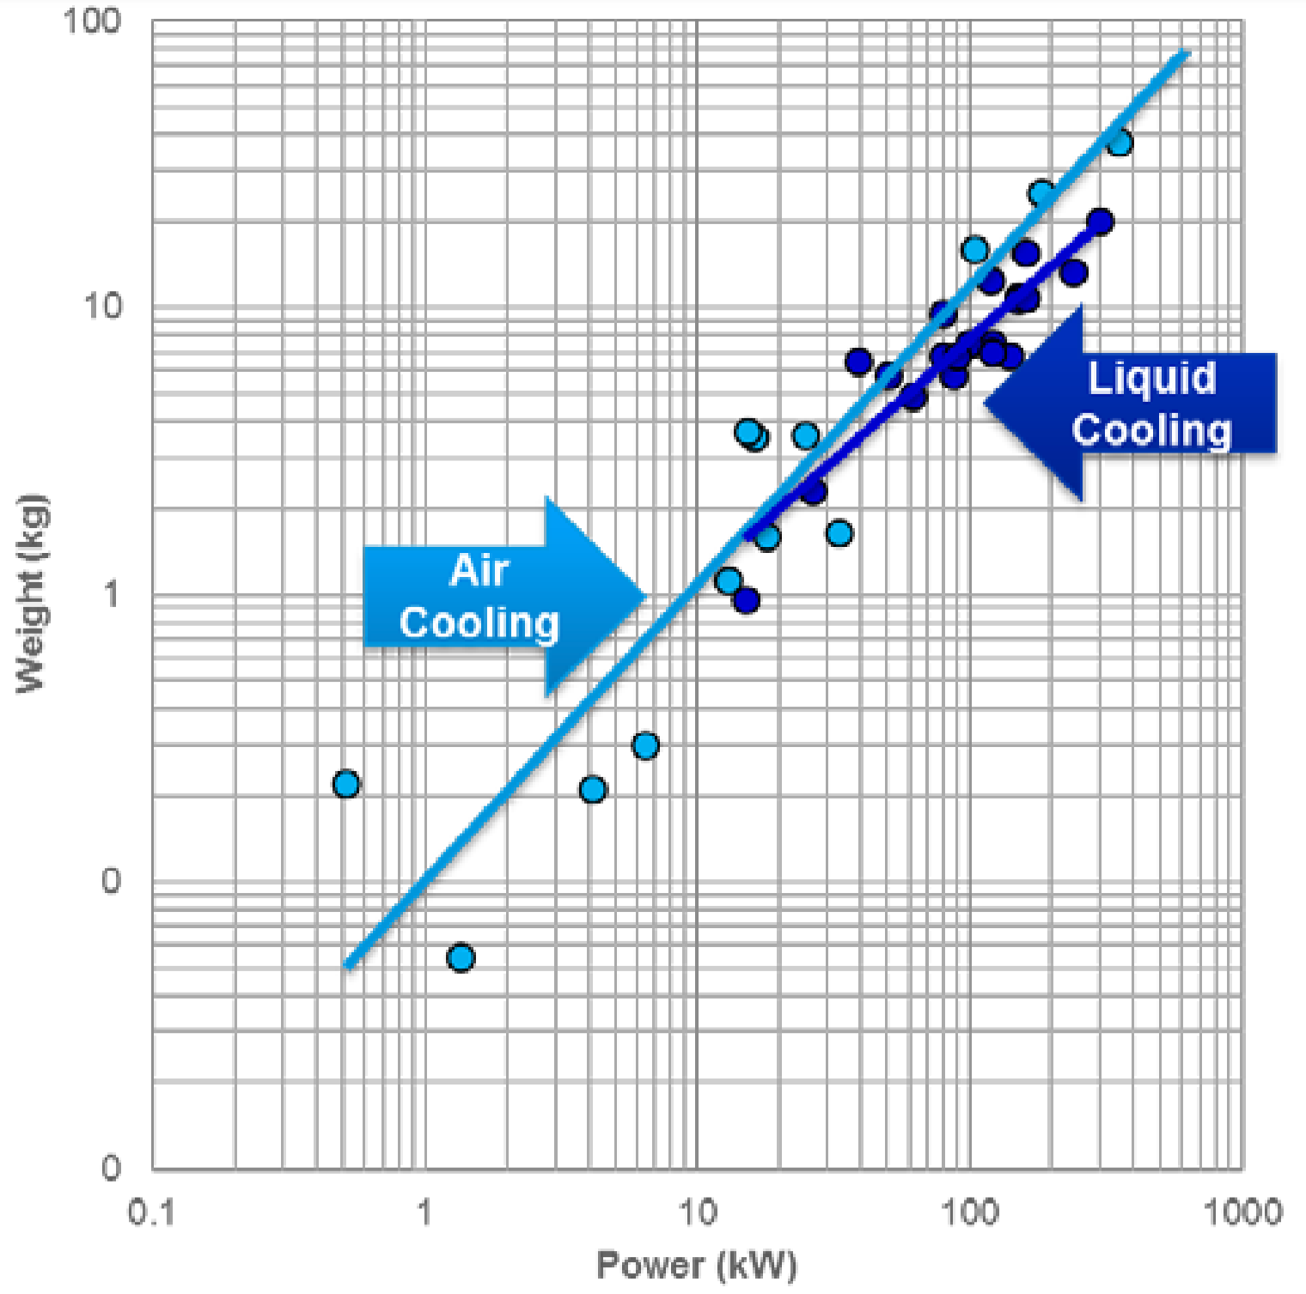
5 | 12.883455522 | 1.1112237802 | Air
6 | 17.882456796 | 1.6016962275 | Air
7 | 32.945746524 | 1.6243777156 | Air
8 | 15.178532101 | 3.7238516079 | Air
9 | 16.352804059 | 3.5201801163 | Air
10 | 24.821156135 | 3.5700290965 | Air
11 | 103.79614636 | 15.848931925 | Air
12 | 182.86724512 | 24.855347957 | Air
13 | 352.31048343 | 37.369654617 | Air
14 | 14.953996737 | 0.96545675258 | Liquid
15 | 26.741420058 | 2.2764174623 | Liquid
16 | 61.608979189 | 4.8643285508 | Liquid
17 | 50.006807121 | 5.839991483 | Liquid
18 | 38.814747361 | 6.4440708303 | Liquid
19 | 86.798321492 | 5.7584465957 | Liquid
20 | 79.373654312 | 6.7217277154 | Liquid
21 | 90.767171601 | 6.7217277154 | Liquid
22 | 99.257596362 | 7.522044145 | Liquid
23 | 120.477556 | 6.9134472976 | Liquid
24 | 139.83988816 | 6.7217277154 | Liquid
25 | 120.477556 | 7.6285631917 | Liquid
26 | 79.373654312 | 9.4198893524 | Liquid
27 | 120.477556 | 12.479098311 | Liquid
28 | 159.9128985 | 15.409418831 | Liquid
29 | 150.65846127 | 10.842127342 | Liquid
30 | 162.31400247 | 10.690736701 | Liquid
31 | 239.13369624 | 13.201117208 | Liquid
32 | 299.03922282 | 19.847687969 | Liquid

Curated
Motor Data by Manufacturers

No | Manufacturer | Type | Weight [kg] | log (Weight) | Power [kW] | log (Power) | Torque [Nm] | log (Torque) | Speed [RPM] | Link

Weight vs Torque
log (Weight) vs log (Torque)
2.079 | 1.161
2.491 | 1.431
2.778 | 1.681
1.748 | 0.881
1.954 | 1
2.114 | 1.121
2.398 | 1.34
2.699 | 1.638
1.737 | 0.58
1.679 | 0.602
1.842 | 0.74
1.836 | 0.74
1.849 | 0.763
1.849 | 0.778
2.026 | 0.845
2.143 | 1.072
2.151 | 1.107
2.248 | 1.199
1.114 | 0.255
1.322 | 0.439
1.602 | 0.525
1.724 | 0.602
2.407 | 1.342
0.964 | 0.193
1.711 | 0.762
1.041 | 0.041
1.455 | 0.352
1.778 | 0.653
2.088 | 0.875
2.47 | 1.154
2.845 | 1.407
3.157 | 1.653
3.473 | 1.875
3.005 | 1.724
3.148 | 1.851
3.449 | 2.13
1.398 | 0.491
1.544 | 0.574
1.544 | 0.602
1.845 | 0.72
2 | 0.875
2.079 | 0.903
2.176 | 0.911
2.301 | 1.079
2.398 | 1.185
2.301 | 1.238
2.477 | 1.377
#N/A | 0.086
...
1 | BeyondMotors | AXM2 | 14.5 | 1.161 | 75 | 1.875 | 120 | 2.079 | 5968.8 | https://www.beyondmotors.io/e-motors
2 |  | AXM3 | 27 | 1.431 | 130 | 2.114 | 310 | 2.491 | 4004.8
3 |  | AXM4 | 48 | 1.681 | 230 | 2.362 | 600 | 2.778 | 3660.8
4 | EMRAX | 188 | 7.6 | 0.881 | 37 | 1.568 | 56 | 1.748 | 6309.8 | https://emrax.com/e-motors/
5 |  | 208 | 10 | 1 | 56 | 1.748 | 90 | 1.954 | 5942.2
6 |  | 228 | 13.2 | 1.121 | 75 | 1.875 | 130 | 2.114 | 5509.6
7 |  | 268 | 21.9 | 1.34 | 117 | 2.068 | 250 | 2.398 | 4469.4
8 |  | 348 | 43.5 | 1.638 | 210 | 2.322 | 500 | 2.699 | 4011
9 | Geiger Engineering | HPD12 | 3.8 | 0.58 | 12 | 1.079 | 54.6 | 1.737 | 2100 | https://www.geigerengineering.de/en/avionics/products
10 |  | HPD14 | 4 | 0.602 | 14 | 1.146 | 47.8 | 1.679 | 2800
11 |  | HPD16-S60 | 5.5 | 0.74 | 16 | 1.204 | 69.5 | 1.842 | 2200
12 |  | HPD16-S120 | 5.5 | 0.74 | 16 | 1.204 | 68.5 | 1.836 | 2230
13 |  | HPD20 | 5.8 | 0.763 | 20 | 1.301 | 70.7 | 1.849 | 2700
14 |  | HPD20-SD | 6 | 0.778 | 20 | 1.301 | 70.7 | 1.849 | 2700
15 |  | HPD25 | 7 | 0.845 | 25 | 1.398 | 106.1 | 2.026 | 2250
16 |  | HPD32 | 11.8 | 1.072 | 32 | 1.505 | 138.9 | 2.143 | 2200
17 |  | HPD40 | 12.8 | 1.107 | 40 | 1.602 | 141.5 | 2.151 | 2700
18 |  | HPD50 | 15.8 | 1.199 | 50 | 1.699 | 176.9 | 2.248 | 2700
19 | H3X | HPDM-30 | 4.1 |  | 33 |  | 15.8 |  | 19946.2 | https://www.h3x.tech/
20 |  | HPDM-250 | 18.7 |  | 200 |  | 642 |  | 2975.1
21 | Joby | JM1S | 1.8 | 0.255 | 8.2 | 0.914 | 13 | 1.114 | 6023.8 | https://www.jobyaviation.com/
22 |  | JM1 | 2.75 | 0.439 | 13.2 | 1.121 | 21 | 1.322 | 6002.9
23 |  | JM2S | 3.35 | 0.525 | 10.5 | 1.021 | 40 | 1.602 | 2506.9
24 |  | JM2 | 4 | 0.602 | 14 | 1.146 | 53 | 1.724 | 2522.6
25 |  | - | 22 | 1.342 | 60 | 1.778 | 255 | 2.407 | 2247.1
26 | LaunchPoint | DHA075 | 1.56 | 0.193 | 6 | 0.778 | 9.2 | 0.964 | 6250 | https://launchpointeps.com/motors-generators/
27 |  | DHA120 | 5.78 | 0.762 | 35 | 1.544 | 51.4 | 1.711 | 6500
28 | MAGicALL | Model 6 | 1.1 | 0.041 | 5 | 0.699 | 11 | 1.041 | 4340.9 | https://www.magicall.biz/products/integrated-motor-controller-magidrive/
29 |  | Model 12 | 2.25 | 0.352 | 10 | 1 | 28.5 | 1.455 | 3350.9
30 |  | Model 20 | 4.5 | 0.653 | 16 | 1.204 | 60 | 1.778 | 2546.7
31 |  | Model 40 | 7.5 | 0.875 | 32 | 1.505 | 122.5 | 2.088 | 2494.7
32 |  | Model 75 | 14.25 | 1.154 | 60 | 1.778 | 295 | 2.47 | 1942.4
33 |  | Model 150 | 25.5 | 1.407 | 120 | 2.079 | 700 | 2.845 | 1637.1
34 |  | Model 300 | 45 | 1.653 | 240 | 2.38 | 1435 | 3.157 | 1597.2
Weight vs Power
log (Weight) vs log (Power)
1.875 | 1.161
2.114 | 1.431
2.362 | 1.681
1.568 | 0.881
1.748 | 1
1.875 | 1.121
2.068 | 1.34
2.322 | 1.638
1.079 | 0.58
1.146 | 0.602
1.204 | 0.74
1.204 | 0.74
1.301 | 0.763
1.301 | 0.778
1.398 | 0.845
1.505 | 1.072
1.602 | 1.107
1.699 | 1.199
0.914 | 0.255
1.121 | 0.439
1.021 | 0.525
1.146 | 0.602
1.778 | 1.342
0.778 | 0.193
1.544 | 0.762
0.699 | 0.041
1 | 0.352
1.204 | 0.653
1.505 | 0.875
1.778 | 1.154
2.079 | 1.407
2.38 | 1.653
2.602 | 1.875
2.423 | 1.724
2.447 | 1.851
2.748 | 2.13
1 | 0.491
1.079 | 0.574
1.079 | 0.602
1.23 | 0.72
1.398 | 0.875
1.398 | 0.903
1.477 | 0.911
1.602 | 1.079
1.653 | 1.185
1.699 | 1.238
1.845 | 1.377
0.544 | 0.086
...
35 |  | Model 500 | 75 | 1.875 | 400 | 2.602 | 2975 | 3.473 | 1284
36 | MagniX | Magni5 | 53 | 1.724 | 265 | 2.423 | 1012.3 | 3.005 | 2500 | https://www.magnix.aero/
37 |  | 250 | 71 | 1.851 | 280 | 2.447 | 1407 | 3.148 | 1900.5
38 |  | 500 | 135 | 2.13 | 560 | 2.748 | 2814 | 3.449 | 1900.5
39 | MGM COMPRO | RET20 | 3.1 | 0.491 | 10 | 1 | 25 | 1.398 | 3820 | https://www.mgm-compro.com/electric-motors/
40 |  | REG60 | 3.75 | 0.574 | 12 | 1.079 | 35 | 1.544 | 3274.3
41 |  | RET30 | 4 | 0.602 | 12 | 1.079 | 35 | 1.544 | 3274.3
42 |  | REX30 | 5.25 | 0.72 | 17 | 1.23 | 70 | 1.845 | 2319.3
43 |  | RET60 | 7.5 | 0.875 | 25 | 1.398 | 100 | 2 | 2387.5
44 |  | REX50 | 8 | 0.903 | 25 | 1.398 | 120 | 2.079 | 1989.6
45 |  | REB30 | 8.15 | 0.911 | 30 | 1.477 | 150 | 2.176 | 1910
46 |  | REB50 | 12 | 1.079 | 40 | 1.602 | 200 | 2.301 | 1910
47 |  | REB60 | 15.3 | 1.185 | 45 | 1.653 | 250 | 2.398 | 1719
48 |  | REX90 | 17.3 | 1.238 | 50 | 1.699 | 200 | 2.301 | 2387.5
49 |  | REB90 | 23.8 | 1.377 | 70 | 1.845 | 300 | 2.477 | 2228.3
50 | NeuMotors | 8019 | 1.219 | 0.086 | 3.5 | 0.544 | #N/A | #N/A | #N/A | https://neumotors.com/
51 |  | 8025 | 1.45 | 0.161 | 4.6 | 0.663 | #N/A | #N/A | #N/A
52 |  | 8038 | 1.97 | 0.294 | 7.125 | 0.853 | #N/A | #N/A | #N/A
53 |  | 8057 | 2.659 | 0.425 | 10.6 | 1.025 | #N/A | #N/A | #N/A
54 |  | 12030 | 2.6 | 0.415 | 15 | 1.176 | #N/A | #N/A | #N/A
55 | Rotex Electric | REB 20 | 8.5 | 0.929 | 8 | 0.903 | 25.5 | 1.407 | 3000 | https://www.rotexelectric.eu/products/bldc-motors/
56 |  | REG 20 | 1.45 | 0.161 | 3 | 0.477 | 4.8 | 0.681 | 6000
57 |  | REG 30 | 1.95 | 0.29 | 5 | 0.699 | 8 | 0.903 | 6000
58 | Safran | EngineUS | 18 | 1.255 | 45 | 1.653 | 171.9 | 2.235 | 2500 | https://en.wikipedia.org/wiki/Safran_EngineUS
59 | Siemens | SP90G | 13 | 1.114 | 65 | 1.813 | 248.3 | 2.395 | 2500 | https://www.siemens.com/global/en.html
60 |  | SP260D | 50 | 1.699 | 261 | 2.417 | 1000 | 3 | 2500
61 | T-Motor | U15 KV43 | 3.6 | 0.556 | 5.4 | 0.732 |  |  |  | https://store.tmotor.com/categorys/manned-aircraft-uav-power
62 |  | U15XL KV38 | 4.408 | 0.644 | 7.7 | 0.886
63 |  | U15XXL KV29 | 5.13 | 0.71 | 9.4 | 0.973
64 | ThinGap | TG 713X | 1.179 | 0.072 | 2.5 | 0.398 | 2.98 | 0.474 | 8011.7 | https://www.thingap.com/tg-series/
65 |  | TG 714X | 1.27 | 0.104 | 3.57 | 0.553 | 4.26 | 0.629 | 8003.2
66 |  | TG 715X | 1.588 | 0.201 | 4.04 | 0.606 | 4.83 | 0.684 | 7988
67 | Yuneec | PD 10 | 4.5 | 0.653 | 10 | 1 | 39.8 | 1.6 | 2400 | http://www.yuneec.com/PowerMotor_Tech_spec.html
68 |  | PD 10+ | 6 | 0.778 | 10 | 1 | 47.8 | 1.679 | 2000
69 |  | PD 20 | 8.2 | 0.914 | 20 | 1.301 | 79.6 | 1.901 | 2400
70 |  | PD 20+ | 9.8 | 0.991 | 20 | 1.301 | 95.5 | 1.98 | 2000
71 |  | PD 40 | 19 | 1.279 | 40 | 1.602 | 159.2 | 2.202 | 2400
72 |  | PD 40+ | 30 | 1.477 | 60 | 1.778 | 238.8 | 2.378 | 2400

Motor with continuous power >15kW
Weight vs Torque

No | Manufacturer | Type | Weight [kg] | Power [kW] | Torque [Nm] | Speed [RPM] | Link

1 | BeyondMotors | AXM2 | 14.5 | 75 | 120 | 5968.8 | https://www.beyondmotors.io/e-motors
2 |  | AXM3 | 27 | 130 | 310 | 4004.8
3 |  | AXM4 | 48 | 230 | 600 | 3660.8
4 | EMRAX | 188 | 7.6 | 37 | 56 | 6309.8 | https://emrax.com/e-motors/
5 |  | 208 | 10 | 56 | 90 | 5942.2
6 |  | 228 | 13.2 | 75 | 130 | 5509.6
7 |  | 268 | 21.9 | 117 | 250 | 4469.4
8 |  | 348 | 43.5 | 210 | 500 | 4011
9 | Geiger Engineering | HPD20 | 5.8 | 20 | 70.7 | 2700 | https://www.geigerengineering.de/en/avionics/products
10 |  | HPD40 | 12.8 | 40 | 141.5 | 2700
11 |  | HPD50 | 15.8 | 50 | 176.9 | 2700
12 | H3X | HPDM-30 | 4.1 | 33 | 15.8 | 19946.2 | https://www.h3x.tech/
13 |  | HPDM-250 | 18.7 | 200 | 642 | 2975.1
14 | Joby | - | 22 | 60 | 255 | 2247.1 | https://www.jobyaviation.com/
15 | LaunchPoint | DHA120 | 5.78 | 35 | 51.4 | 6500 | https://launchpointeps.com/motors-generators/
16 | MAGicALL | Model 20 | 4.5 | 16 | 60 | 2546.7 | https://www.magicall.biz/products/integrated-motor-controller-magidrive/
17 |  | Model 40 | 7.5 | 32 | 122.5 | 2494.7
18 |  | Model 75 | 14.25 | 60 | 295 | 1942.4
19 |  | Model 150 | 25.5 | 120 | 700 | 1637.1
Weight vs Power
20 |  | Model 300 | 45 | 240 | 1435 | 1597.2
21 |  | Model 500 | 75 | 400 | 2975 | 1284
22 | MagniX | Magni5 | 53 | 265 | 1012.3 | 2500 | https://www.magnix.aero/
23 |  | 250 | 71 | 280 | 1407 | 1900.5
24 |  | 500 | 135 | 560 | 2814 | 1900.5
25 | MGM COMPRO | REX30 | 5.25 | 17 | 70 | 2319.3 | https://www.mgm-compro.com/electric-motors/
26 |  | RET60 | 7.5 | 25 | 100 | 2387.5
27 |  | REX50 | 8 | 25 | 120 | 1989.6
28 |  | REB30 | 8.15 | 30 | 150 | 1910
29 |  | REB50 | 12 | 40 | 200 | 1910
30 |  | REB60 | 15.3 | 45 | 250 | 1719
31 |  | REX90 | 17.3 | 50 | 200 | 2387.5
32 |  | REB90 | 23.8 | 70 | 300 | 2228.3
33 | NeuMotors | 12030 | 2.6 | 15 | #N/A | #N/A | https://neumotors.com/
34 | Safran | EngineUS | 18 | 45 | 171.9 | 2500 | https://en.wikipedia.org/wiki/Safran_EngineUS
35 | Siemens | SP90G | 13 | 65 | 248.3 | 2500 | https://www.siemens.com/global/en.html
36 |  | SP260D | 50 | 261 | 1000 | 2500

