Sheet1
Device | OS | Browser | Network | Test Scenario | OK / NO / BUG | Results SB Acoustics | Results SB Audience | Explanation
Samsung Galaxy S26 Ultra | Android 16 | Chrome | No Throttling | Homepage Load | NO | 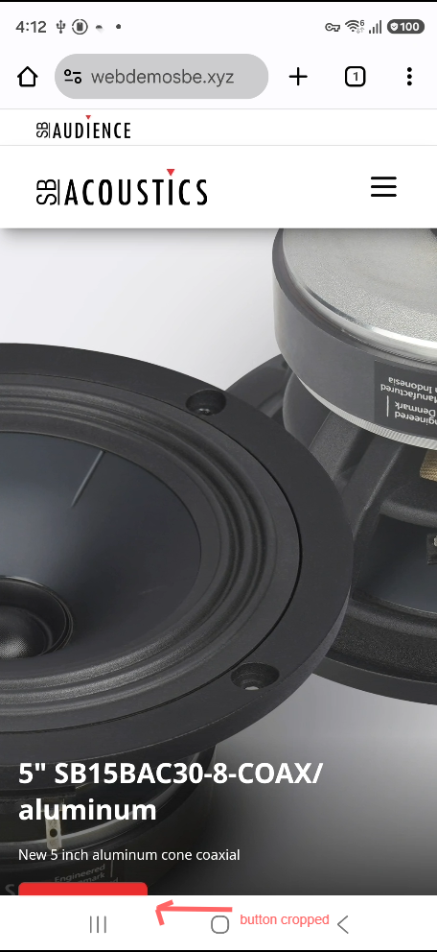 | 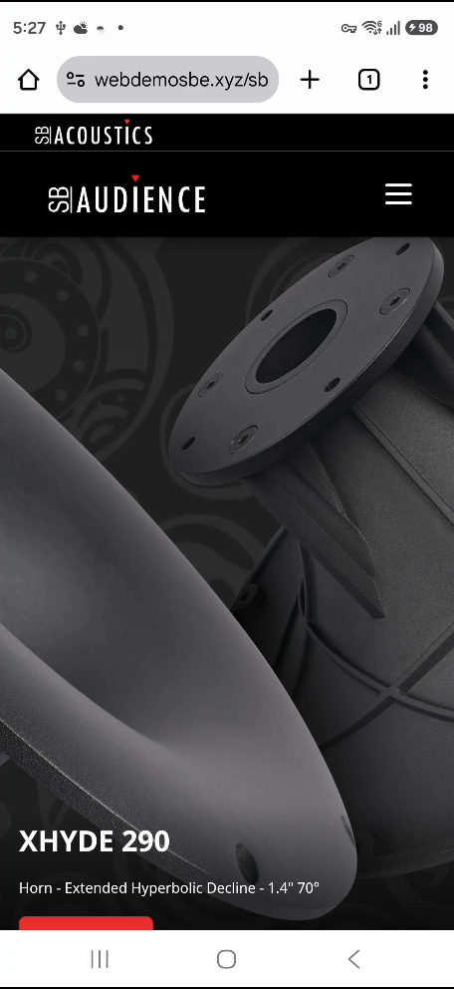 | Button at home screen cropped by the phone menu
Samsung Galaxy S26 Ultra | Android 16 | Chrome | No Throttling | Navigation / Menu | OK | 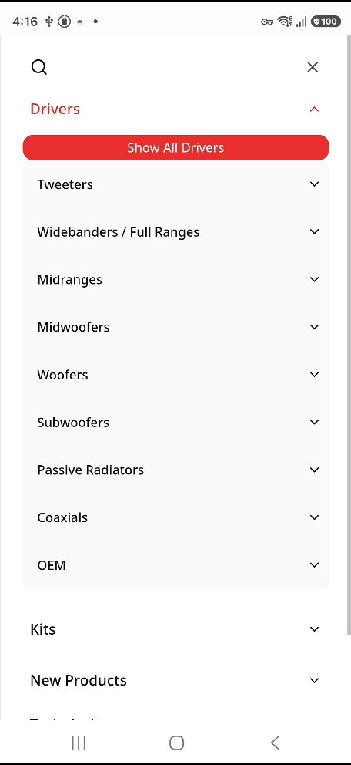 | 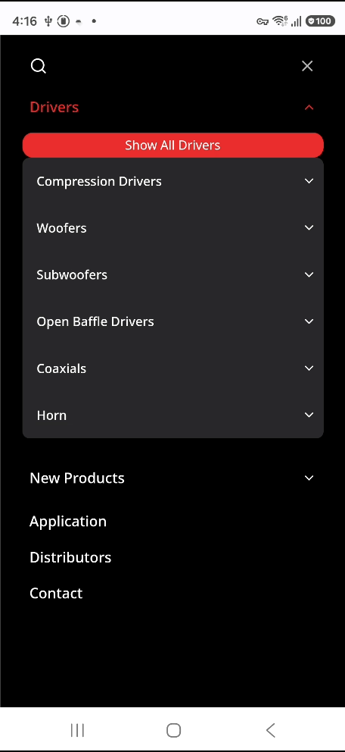
 | Android 16 | Chrome | No Throttling | Product Search | OK | 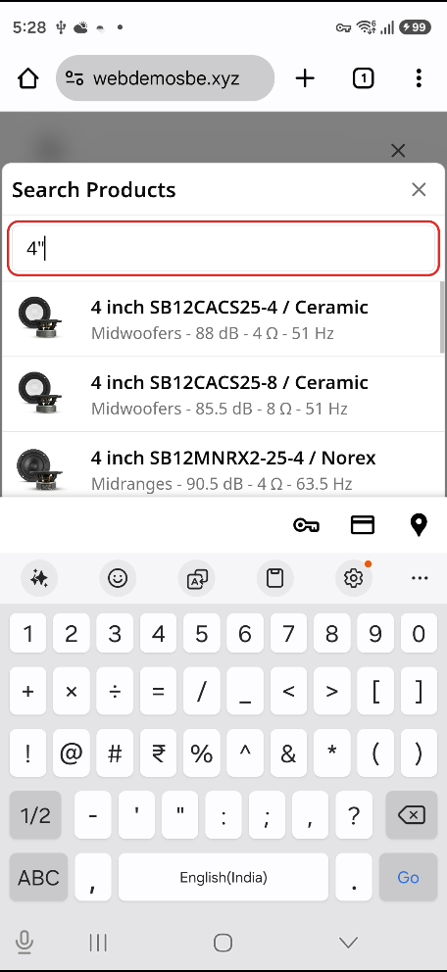 | 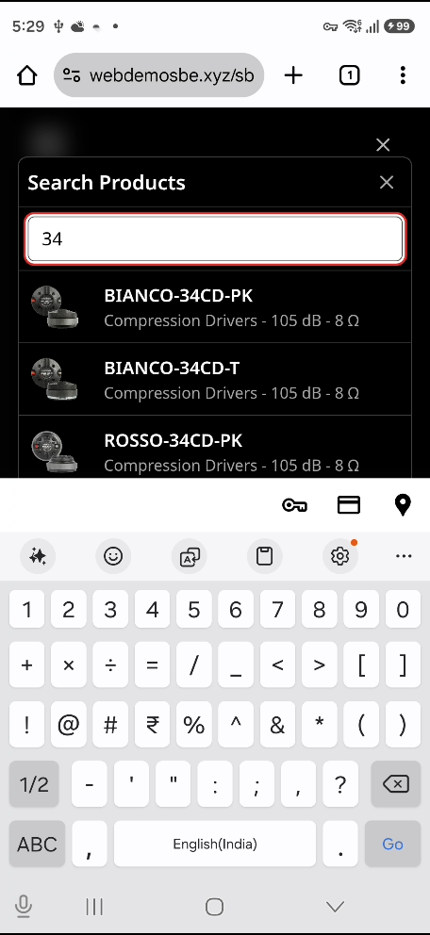
Samsung Galaxy S26 Ultra | Android 16 | Chrome | No Throttling | Contact Form Function | BUG | 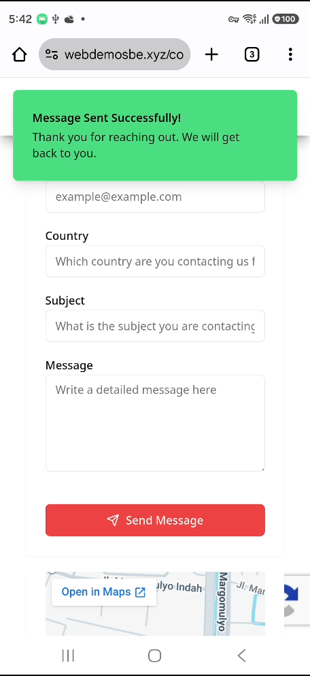 | 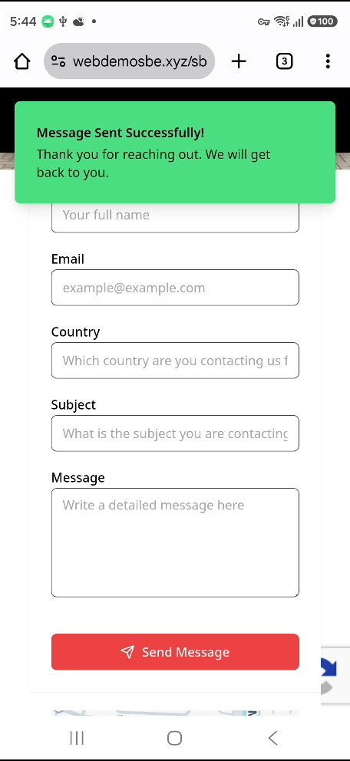 | At first load and first send, it fails. After second try and so on, it works
Samsung Galaxy S26 Ultra | Android 16 | Chrome | No Throttling | Newsletter Function |  |  |  | Newsletter button not working
Samsung Galaxy S26 Ultra | Android 16 | Chrome | No Throttling | Distributor Geo Location | Opening from Denmark: OK | 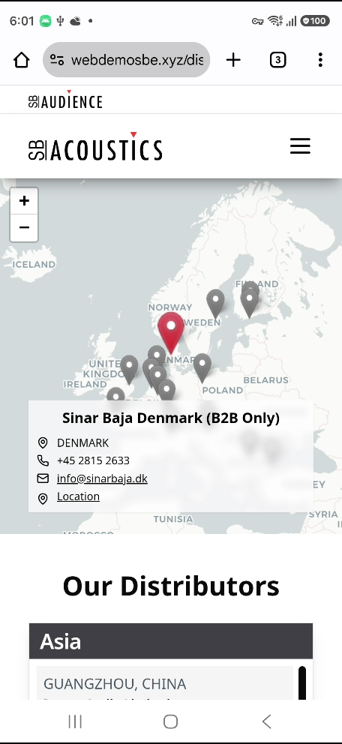 | 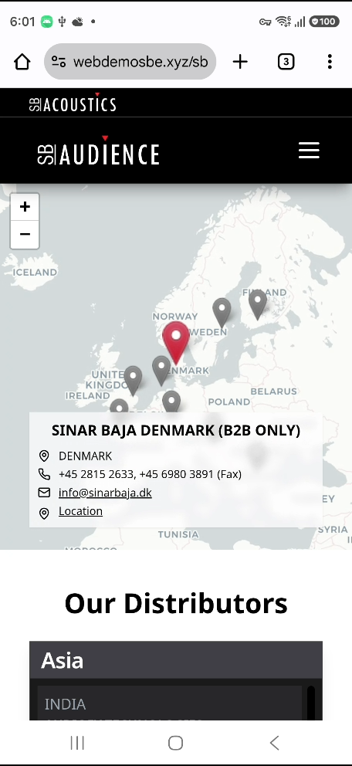
Samsung Galaxy S26 Ultra | Android 16 | Chrome | No Throttling | Responsive Layout
Samsung Galaxy S26 Ultra | Android 16 | Chrome | No Throttling | Filter Functions | OK | 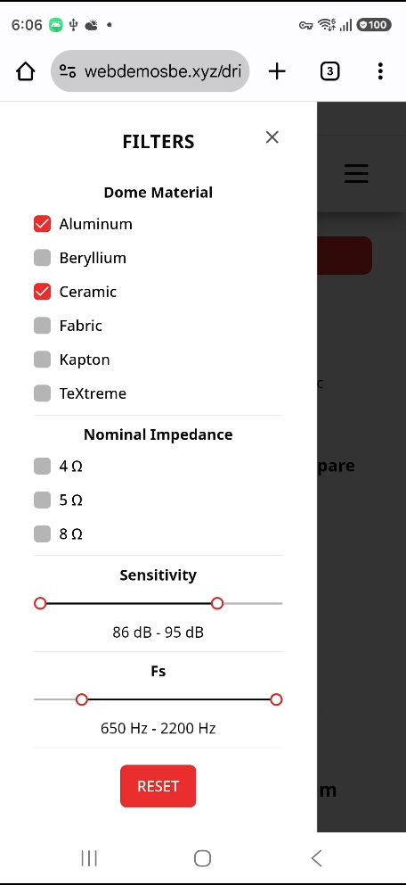 | 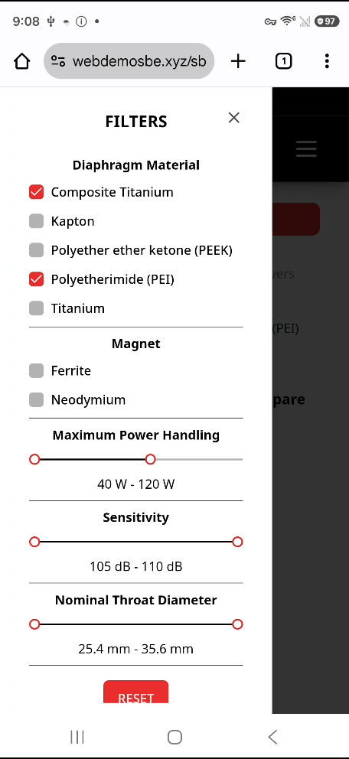 | Warna text filter di sbaudience masih warna putih. Active filter masih style lama
Samsung Galaxy S26 Ultra | Android 16 | Chrome | No Throttling | Comparison Page | OK | 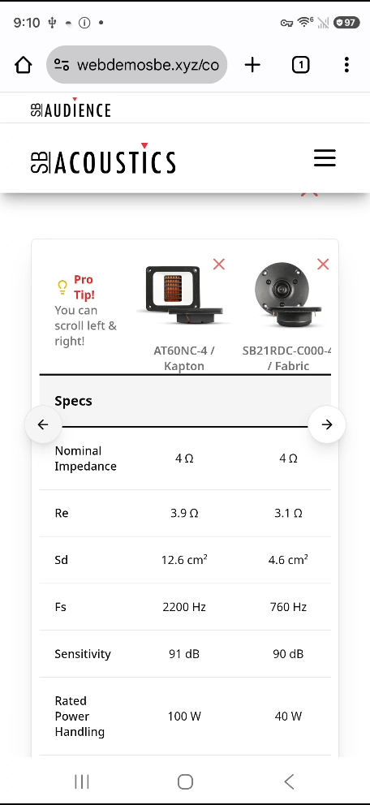 | 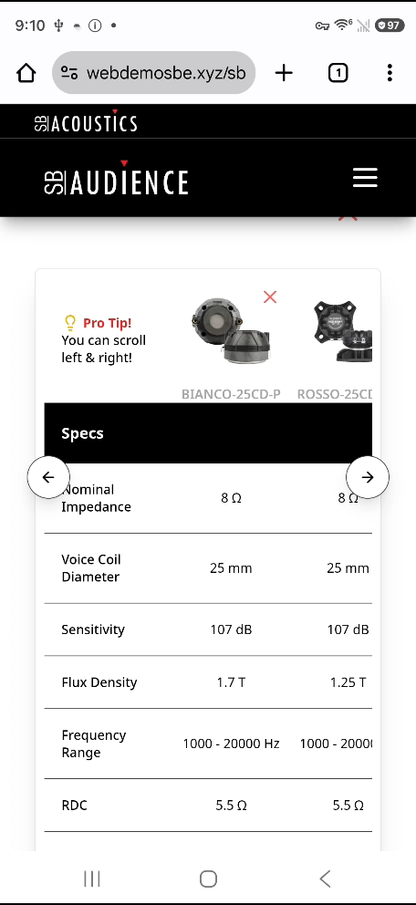
Samsung Galaxy S26 Ultra | Android 16 | Chrome | No Throttling | Other Page Loads | OK
Samsung Galaxy S26 Ultra | Android 16 | Chrome | No Throttling | Performance Test

