Front Page
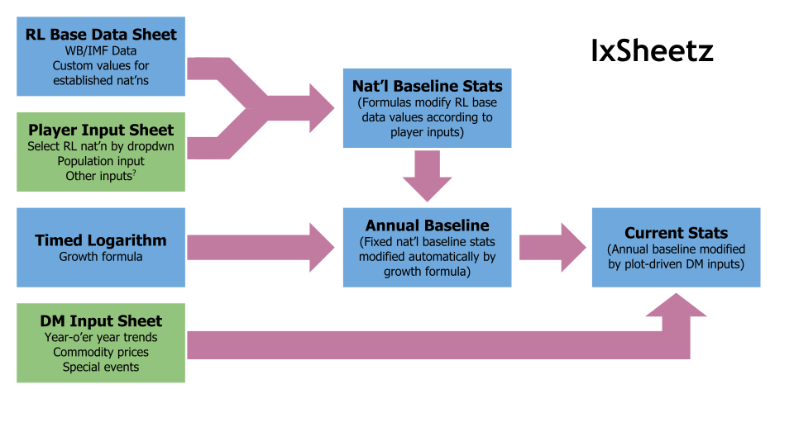
 | Notes

World Bank is shit for two reasons:
1. No ROC data
2. Incomplete tax data; 10% dummy val for now.

