Cover
For the Quarter Ended - October 31, 2024

For further information, contact:

BILL ANDERSON | PERRY CHEN-SEE
Managing Director, Investor Relations | Director, Investor Relations
416.867.7834 | 416.359.8074
bill2.anderson@bmo.com | perry.chensee@bmo.com

www.bmo.com/investorrelations

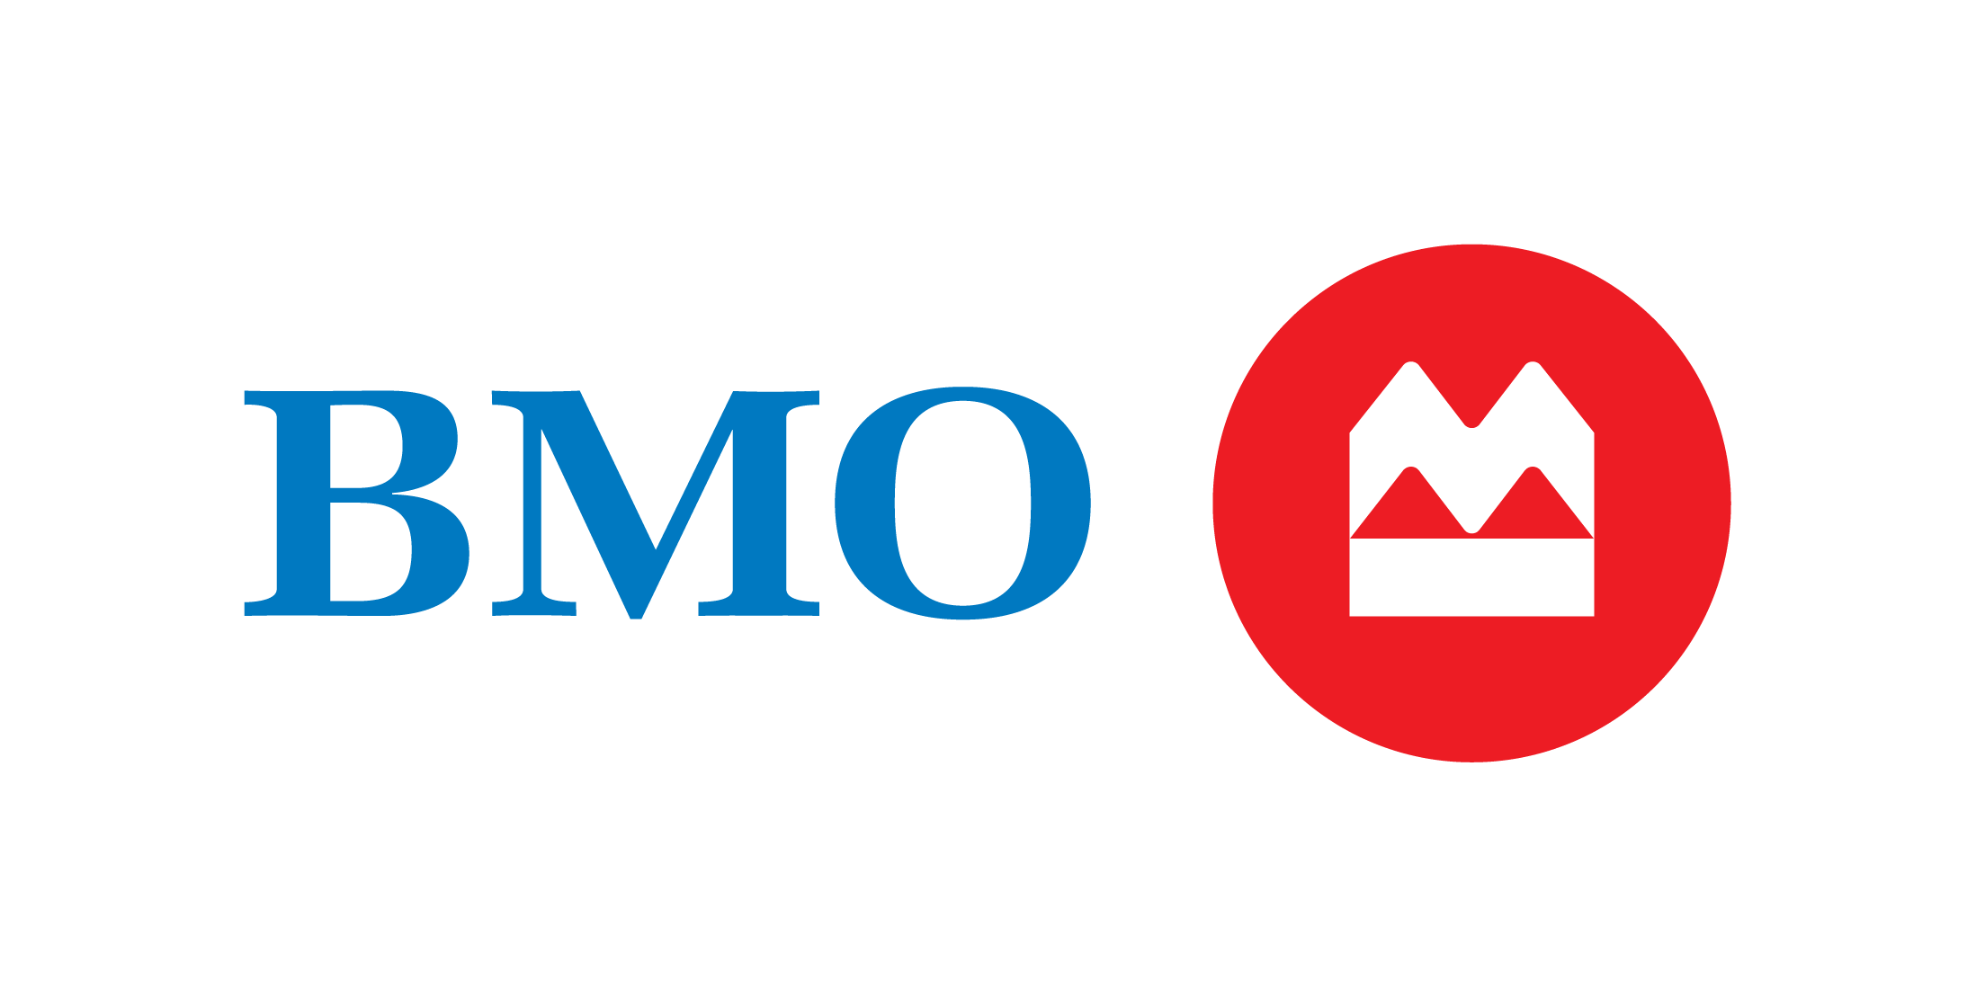
Q4 | 24

