Sheet1
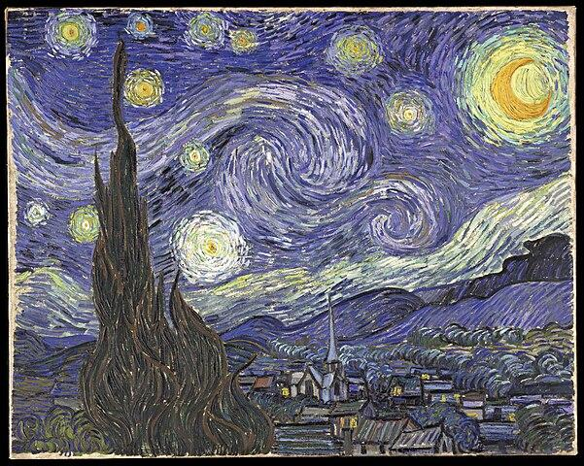
Country | Capital | Head
USA | Washington | Joe Biden
INDIA | Delhi | Narendra Modi
ISRAEL | Jerusalem | Benjamin Netanyahu

