bar_plots
Figure number | Line in fort.99 | Identifier | X value | ReaxFF value | QM value | Figure number | Title | X-axis label | Y-axis label
1 | Energy +bulk_0/1.00 -Zn_metal/2.00 -Pt_metal/4.00 | Heat of formation for ZnPt |  | -23.2200 | -26.0500 | 1 |  | Training entry | Energy (kcal/mol)
1 | Energy +Zn_Pt111_top/1.00 -Pt111_slab/1.00 -Zn_atom/1.00 | Binding energy of a Zn atom to the Pt-(111) surface at top sites |  | -29.5000 | -40.1100
1 | Energy +Zn_Pt111_bridge/1.00 -Pt111_slab/1.00 -Zn_atom/1.00 | Binding energy of a Zn atom to the Pt-(111) surface at bridge sites |  | -51.5600 | -51.3400
1 | Energy +Zn_Pt111_hcp1/1.00 -Pt111_slab/1.00 -Zn_atom/1.00 | Binding energy of a Zn atom to the Pt-(111) surface at hcp 1 sites |  | -55.0000 | -54.8900
1 | Energy +Zn_Pt111_hcp2/1.00 -Pt111_slab/1.00 -Zn_atom/1.00 | Binding energy of a Zn atom to the Pt-(111) surface at hcp 2 sites |  | -54.9900 | -54.6900
1 | Energy +Zn_Pt111_hcp1/1.00 -Zn_Pt111_bridge/1.00 | Migration barrier between hcp sites |  | -3.4300 | -3.5900
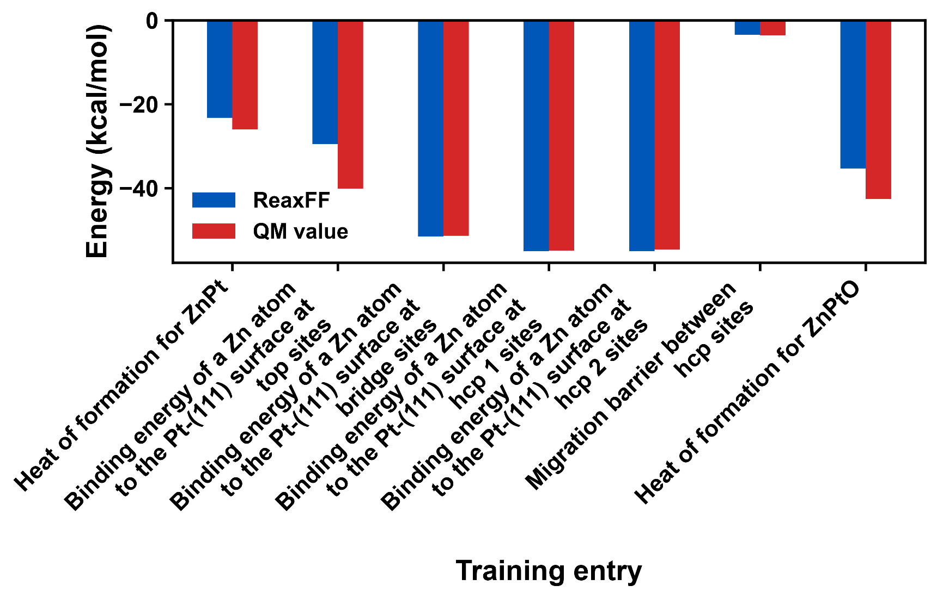
1 | Energy +ZnPtO -Zn_metal -Pt_metal/8.00 -o2_min/2.0 | Heat of formation for ZnPtO |  | -35.2800 | -42.5500

line_plots
Figure number | Line in fort.99 | Identifier | X value | ReaxFF value | QM value | Figure number | Title | X-axis label | Y-axis label
1 |  | Bare AlN surface | 1.0000 | 0 | 0 | 1 |  | Reaction-coordinate point index | Energy (kcal/mole)
1 |  | Bare AlN surface | 2.0000 | 0 | 0
1 |  | Molecular H₂O adsorption | 3.0000 | -27.9900 | -38.7189
1 |  | Molecular H₂O adsorption | 4.0000 | -27.9900 | -38.7000
1 |  | Single dissociated water | 5.0000 | -43.9700 | -46.1281
1 |  | Single dissociated water | 6.0000 | -43.9700 | -46.1000
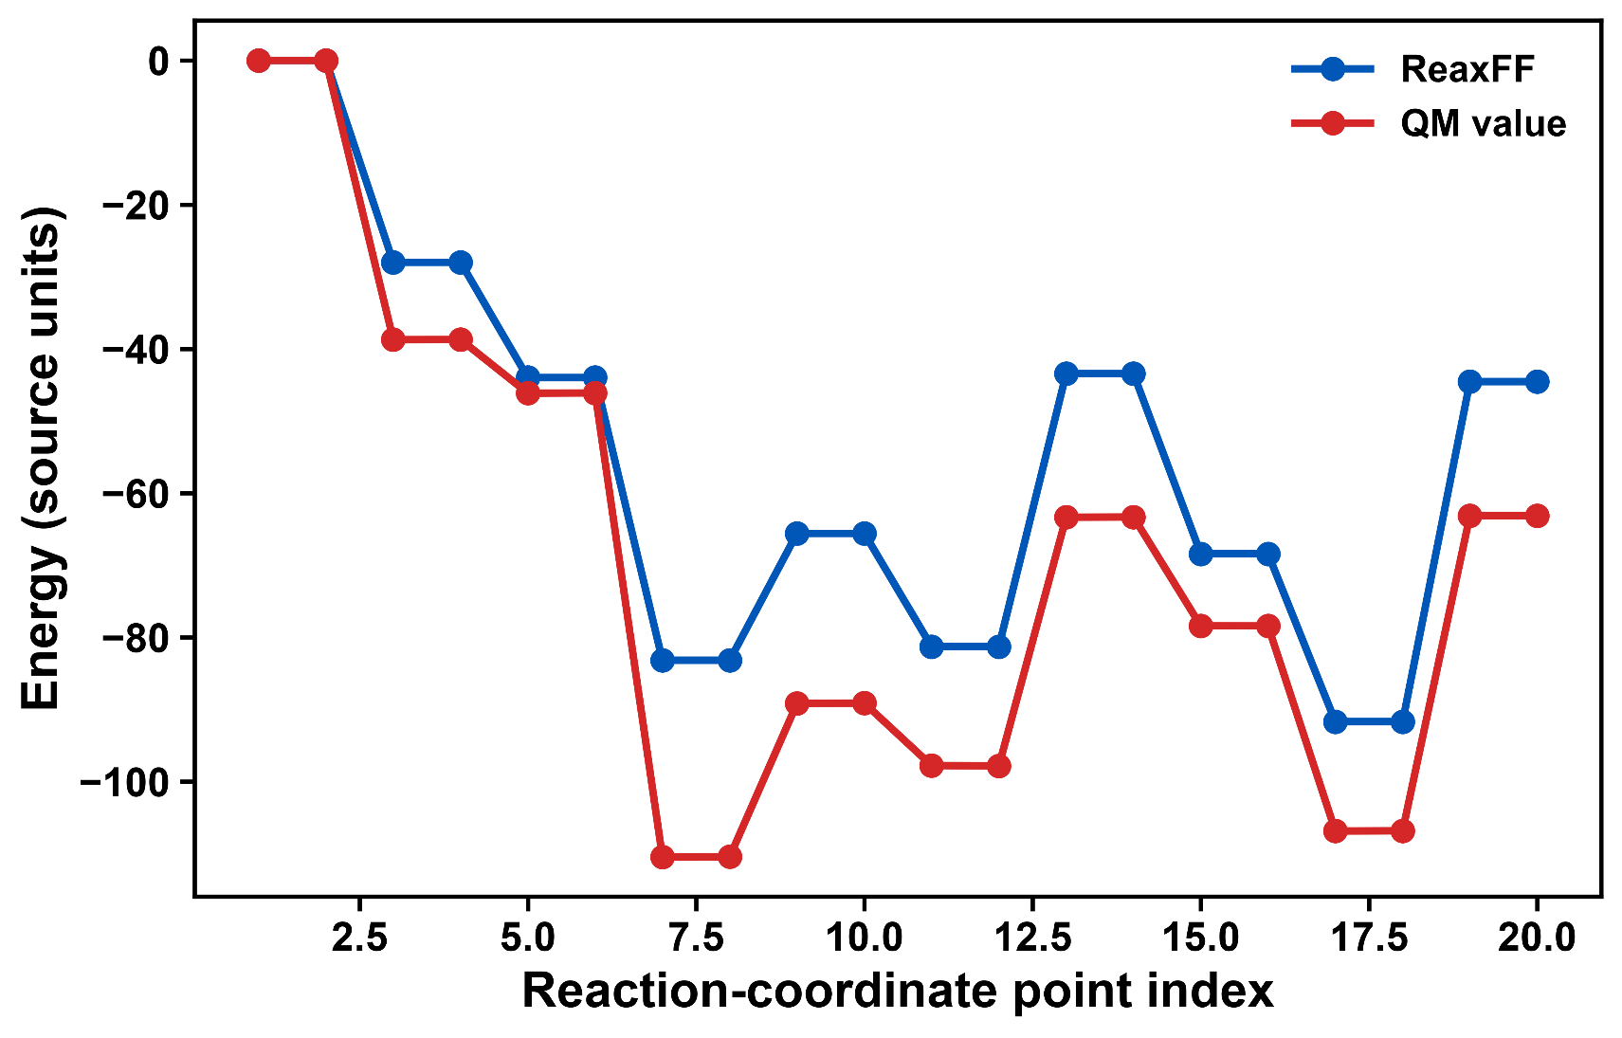
1 |  | Two dissociated waters (2NH)* | 7.0000 | -83.1600 | -110.4207
1 |  | Two dissociated waters (2NH)* | 8.0000 | -83.1600 | -110.4000
1 |  | TS1: Proton relay step 1 | 9.0000 | -65.5700 | -89.1491
1 |  | TS1: Proton relay step 1 | 10.0000 | -65.5700 | -89.1000
1 |  | Intermediate 2NH* | 11.0000 | -81.2600 | -97.7533
1 |  | Intermediate 2NH* | 12.0000 | -81.2600 | -97.8000
1 |  | TS2: Proton relay step 2 | 13.0000 | -43.4200 | -63.3365
1 |  | TS2: Proton relay step 2 | 14.0000 | -43.4200 | -63.3000
1 |  | NH₂ intermediate* | 15.0000 | -68.4000 | -78.3939
1 |  | NH₂ intermediate* | 16.0000 | -68.4000 | -78.4000
1 |  | NH₃ adsorbed + O-filled vacancy* | 17.0000 | -91.6700 | -106.8356
1 |  | NH₃ adsorbed + O-filled vacancy* | 18.0000 | -91.6700 | -106.8000
1 |  | Desorbed NH₃ | 19.0000 | -44.5300 | -63.0975
1 |  | Desorbed NH₃ | 20.0000 | -44.5300 | -63.1000

EOS_plots
Figure number | Line in fort.99 | Identifier | X value | ReaxFF value | QM value | Figure number | Title | X-axis label | Y-axis label
1 |  | bulk_c5 | 26.73 | 1.67 | 1.29 | 1 |  | Volume (Å³) | Relative energy (kcal/mole)
1 |  | bulk_c4 | 27.06 | 1.07 | 0.82
1 |  | bulk_c3 | 27.39 | 0.61 | 0.46
1 |  | bulk_c2 | 27.73 | 0.28 | 0.21
1 |  | bulk_c1 | 28.06 | 0.08 | 0.05
1 |  | bulk_0 | 28.40 | 0 | 0.00
1 |  | bulk_e1 | 28.74 | 0.05 | 0.05
1 |  | bulk_e2 | 29.09 | 0.21 | 0.20
1 |  | bulk_e3 | 29.44 | 0.49 | 0.46
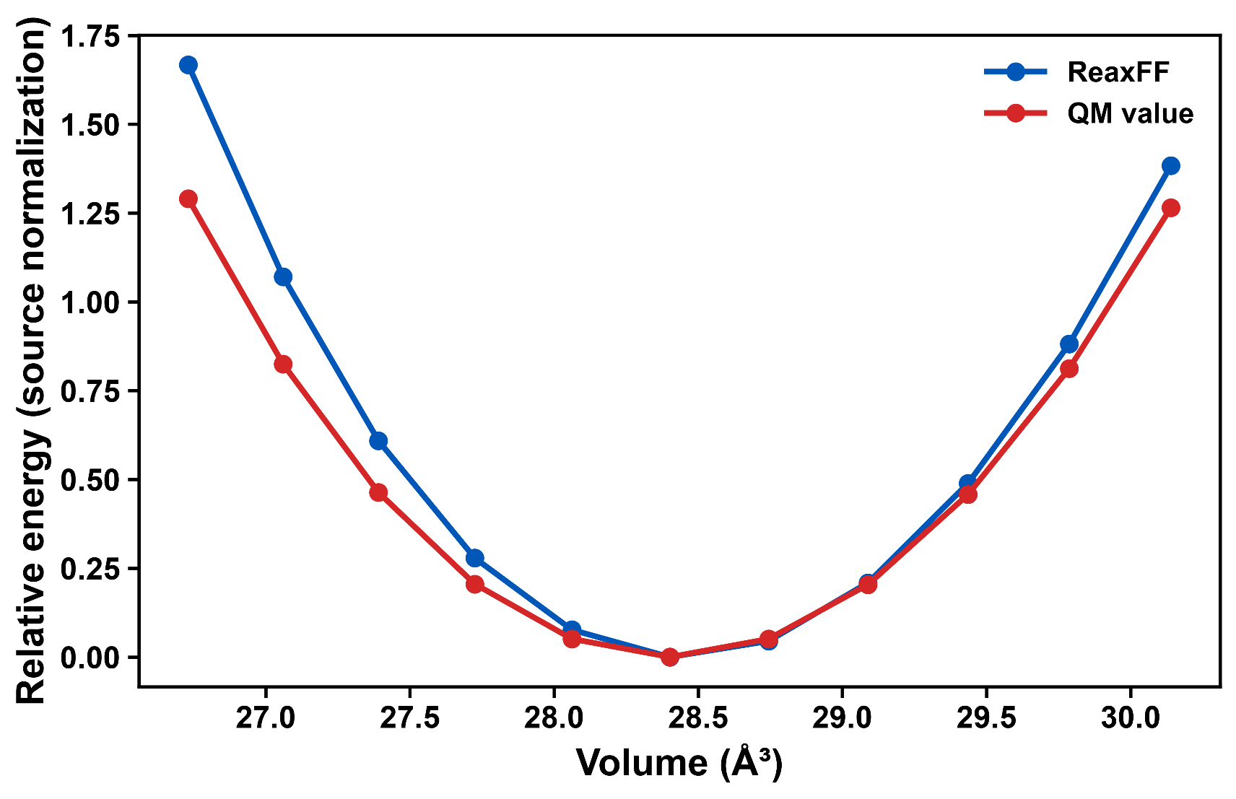
Auto-generated
1 |  | bulk_e4 | 29.79 | 0.88 | 0.81
1 |  | bulk_e5 | 30.14 | 1.38 | 1.27

