Dashboard
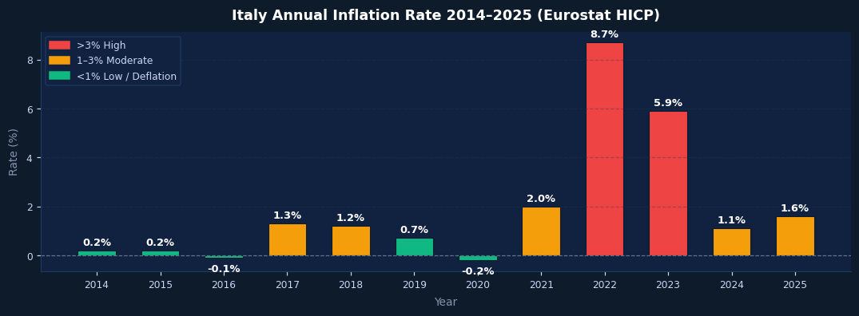
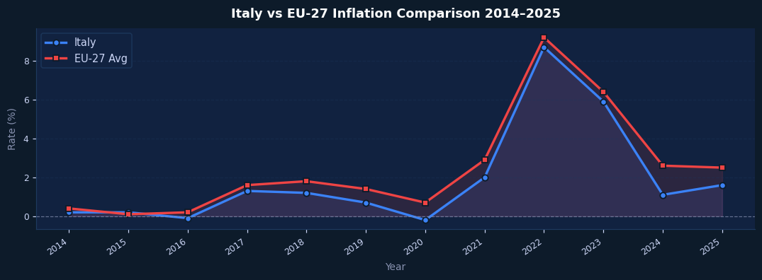
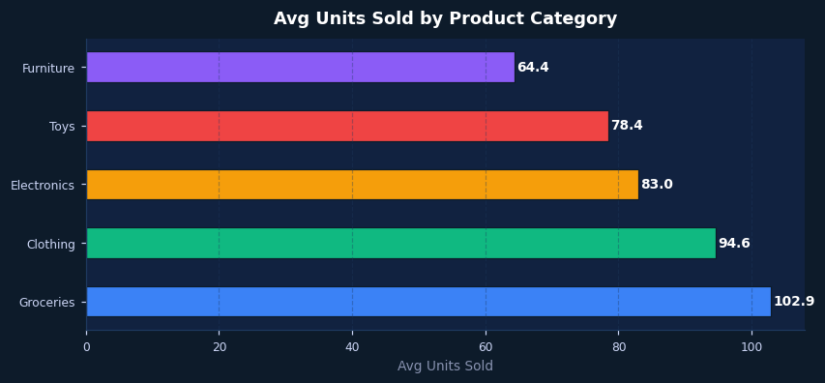
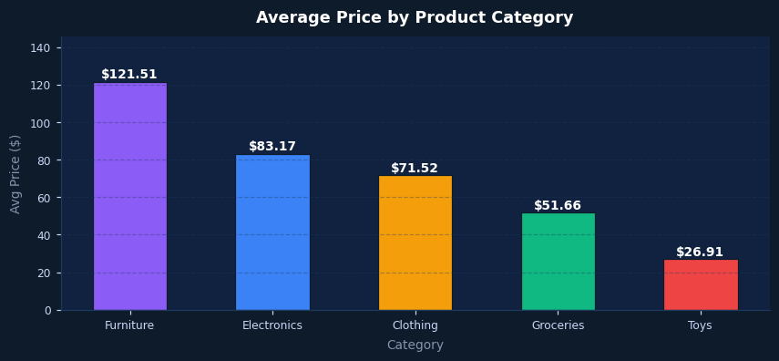
 |  |  |  |  |  | ▌ DEMAND & PRICING INTELLIGENCE
RETAIL PRICING & DEMAND INTELLIGENCE DASHBOARD — ITALY

Rossmann Sales Analytics · Demand & Pricing · ISTAT / Eurostat Inflation | Ali Akbar 2026

AVG DAILY SALES | PROMO LIFT | BEST STORE TYPE | TOP CATEGORY | PEAK INFLATION | ITALY vs EU-27

€5,774 | +81.4% | Type b | Groceries | 8.7% | -0.60%

Rossmann (all stores) | vs No Promotion | Highest Avg Sales | Most Units Sold | Italy 2022 | Avg Inflation Gap

▌ ROSSMANN STORE ANALYTICS
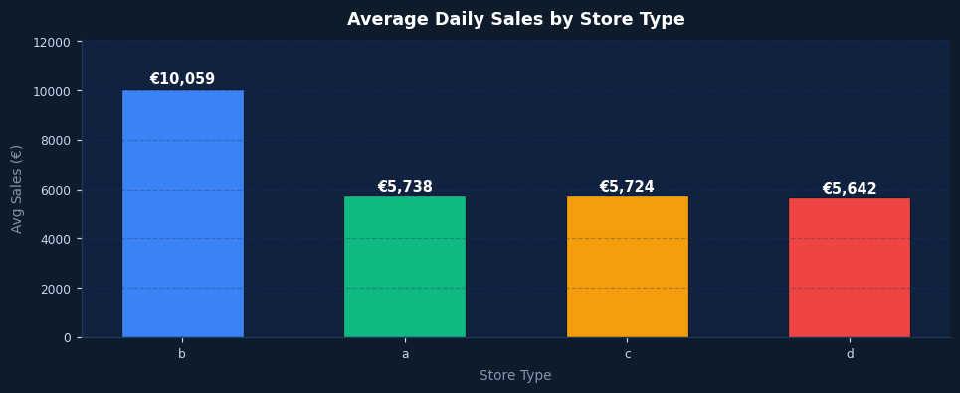


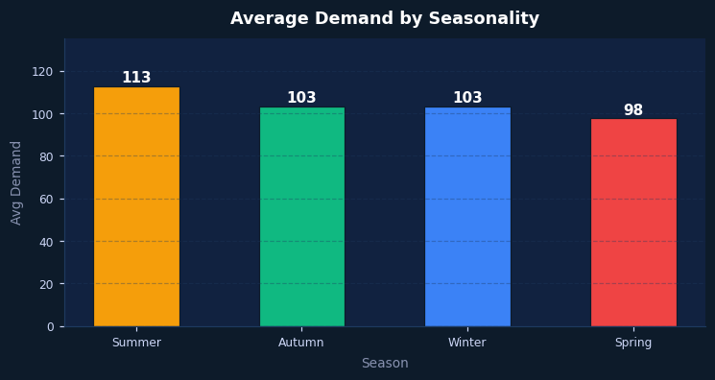

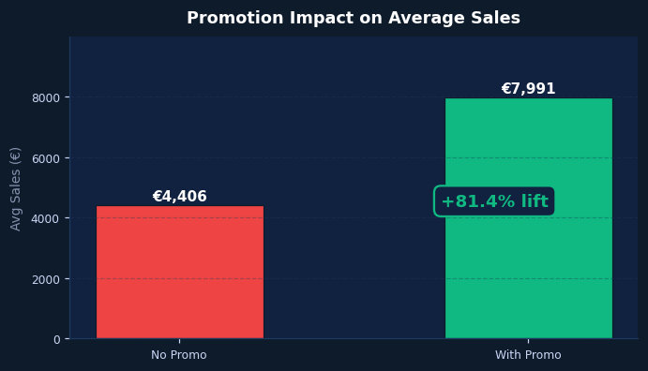
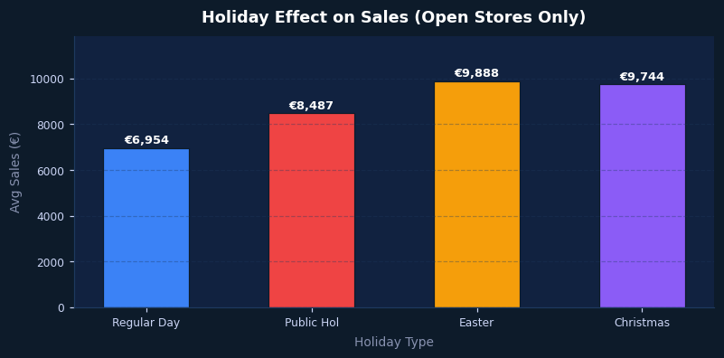

 |  |  |  |  |  | ▌ ITALY INFLATION INTELLIGENCE (ISTAT · Eurostat)

