Plane
Measurement data name | Plane
 | Optical | 1 | 2
 |  | in | in
VR-20160524_144930 | 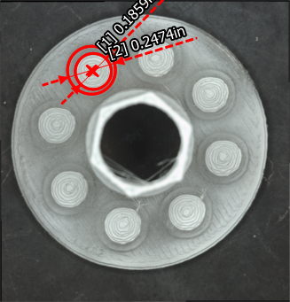 | 0.1859 | 0.2474

