Лист1
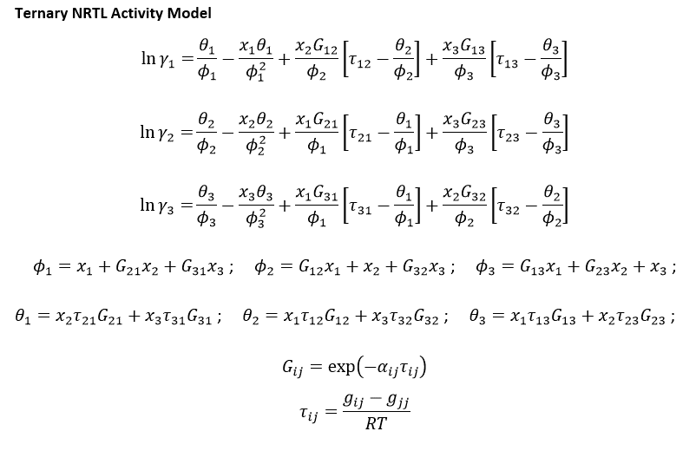
 |  |  |  |  |  |  |  |  |  | τ12 | τ21 | τ13 | τ31 | τ23 | τ32
 |  |  |  |  |  |  |  |  |  | -2.7742242264 | 3.7352866936 | 20.535584868 | 1.8405134929 | 15.295993161 | -2.2075027581
 |  |  |  |  |  |  |  |  |  | G12 | G21 | G13 | G31 | G23 | G32
 |  |  |  |  |  |  |  |  |  | 1.3197237345 | 0.68830125286 | 0.12827761624 | 0.83189308561 | 0.21662244706 | 1.2470119826

 |  |  |  |  |  |  |  |  |  | x1.1 | x2.1 | x3.1 |  | x1.2 | x2.2 | x3.2 |  | φ1.1 | φ2.1 | φ3.1 | θ1.1 | θ2.1 | θ3.1 | lnγ1.1 | lnγ2.1 | lnγ3.1 | γ1.1 | γ2.1 | γ3.1 | γ1.1/γ1.2 | γ2.1/γ2.2 | γ3.1/γ3.2
 |  |  |  |  |  |  |  |  |  | 0.0065 | 0.9935 | 0.0000 |  | 0.0001 | 0.2259 | 0.7741 |  | 0.6903121648 | 1.0020629334 | 0.21605454838 | 2.5544161518 | -0.023622804317 | 3.3090661594 | 0.066560664571 | 2.4126202339E-05 | 12.601007734 | 1.068825802 | 1.0000241265 | 296857.56817 | 0.014076038628 | 0.22732444952 | 310487.24913
 |  |  |  |  |  |  |  |  |  |  |  |  |  |  |  |  |  | φ1.2 | φ2.2 | φ3.2 | θ1.2 | θ2.2 | θ3.2 | lnγ1.2 | lnγ2.2 | lnγ3.2 | γ1.2 | γ2.2 | γ3.2 | γ1.2/γ1.1 | γ2.2/γ2.1 | γ3.2/γ3.1
 |  |  |  |  |  |  |  |  |  |  |  |  |  |  |  |  |  | 0.79947704653 | 1.1912290585 | 0.82298910215 | 1.7658389253 | -2.1311281318 | 0.74860817502 | 4.3298419798 | 1.4814011151 | -0.044890379605 | 75.932286788 | 4.3991050176 | 0.9561022844 | 71.042714957 | 4.3989988852 | 3.2207441781E-06

 |  |  |  |  |  |  |  |  |  | Nove
 |  |  |  |  |  |  |  |  | Σxi | x1.1 | x2.1 | x3.1 |  | x1.2 | x2.2 | x3.3 | Σxi
 |  |  |  |  |  |  |  |  | 1 | 0.0065 | 0.9935 | 0.0000 |  | 0.0001 | 0.2259 | 0.7741 | 1

 |  |  |  |  |  |  |  |  |  | Step
 |  |  |  |  |  |  |  |  |  | x1 | x2 | x3 |  | x1 | x2 | x3
 |  |  |  |  |  |  |  |  |  | 0.0065 | 0.9935 | 0.0000 |  | 0.0001 | 0.2259 | 0.7741
i–j | Δgij(kJ·mol−1) | Δgji(kJ·mol−1) | rmsd | α |  | R | 0.008314 | kJ.mol^-1.K^-1
 | NRTL parameters |  |  |  |  | T | 298.15 | K
Hexan (1) + toluen(2)+[EMIM][ESO4] (3) at 298.15 K
1–2 | -6.8768 | 9.2591 | 0.0065 | 0.1 |  | RT | 2.4788191
1–3 | 50.9040 | 4.5623 |  |  |  |  |  |  |  |  | 0.0522 | 0.0007 |  | 0.0321 | 0.3079
2–3 | 37.9160 | -5.4720

 | MTBE-reach phase |  |  |  | IL-reach phase |  |  | T=318.15K
 | x1 | x2 | x3 |  | x1 | x2 | x3 |  |  |  |  | False
 | 0.9344 | 0.0656 | 0.0000 |  | 0.0113 | 0.0178 | 0.9709 |  |  |  |  | 0.87826326713 | 0.1209 | 0.0008 |  | 0.6227 | 0.1312 | 0.24601743196
* | 0.8703 | 0.1297 | 0.0000 |  | 0.0105 | 0.0353 | 0.9543 |  |  |  |  | 0.9491 | 0.0505 | 0.0004 |  | 0.68002240244 | 0.06659397249 | 0.25338362507
 | 0.8391 | 0.1609 | 0.0000 |  | 0.0101 | 0.0438 | 0.9462
 | 0.8239 | 0.1761 | 0.0000 |  | 0.0099 | 0.0479 | 0.9423
 | 0.8090 | 0.1910 | 0.0000 |  | 0.0097 | 0.0519 | 0.9384
* | 0.7500 | 0.2500 | 0.0000 |  | 0.0089 | 0.0677 | 0.9233
 | 0.6831 | 0.3169 | 0.0000 |  | 0.0081 | 0.0853 | 0.9066
 | 0.6170 | 0.3830 | 0.0000 |  | 0.0072 | 0.1022 | 0.8906 |  |  |  |  |  |  |  | xa
 | 0.5563 | 0.4437 | 0.0000 |  | 0.0065 | 0.1172 | 0.8763 |  |  |  |  |  | nf | 25 | 0.6
* | 1.0000 | 0.0000 | 0.0000 |  | 0.0121 | 0.0000 | 0.9879 |  |  |  |  |  | ns | 37.455201198 | 0
 | 0.3866 | 0.6134 | 0.0000 |  | 0.0045 | 0.1557 | 0.8398 |  |  |  |  |  | nr | 16.002283016 | 0.93435215796
 | 0.2996 | 0.7004 | 0.0000 |  | 0.0035 | 0.1734 | 0.8230 |  |  |  |  |  | ne | 46.452918182 | 0.0010383057506
 | 0.2435 | 0.7565 | 0.0000 |  | 0.0029 | 0.1842 | 0.8129 |  |  |  |  |  | Yb | 0.99
* | 0.1614 | 0.8386 | 0.0000 |  | 0.0020 | 0.1990 | 0.7990
 | 0.1203 | 0.8797 | 0.0000 |  | 0.0015 | 0.2062 | 0.7923
 | 0.0798 | 0.9202 | 0.0000 |  | 0.0010 | 0.2131 | 0.7858
 | 0.0341 | 0.9659 | 0.0000 |  | 0.0005 | 0.2210 | 0.7785
 | 0.0148 | 0.9852 | 0.0000 |  | 0.0002 | 0.2244 | 0.7754
 | 0.0065 | 0.9935 | 0.0000 |  | 0.0001 | 0.2259 | 0.7741

 | https://www.sciencedirect.com/science/article/pii/S0021961410003514
 |  |  |  |  |  |  |  |  | x | y
* |  |  |  |  |  |  |  |  | 0 | 1
 |  |  |  |  |  |  |  |  | 1 | 0

 |  |  |  |  |  |  |  |  | 0 | 0
* |  |  |  |  |  |  |  |  | 1 | 0

