NRTL
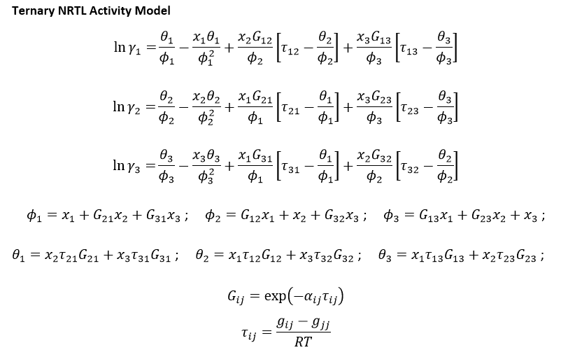
 |  |  |  |  |  |  |  |  |  | τ12 | τ21 | τ13 | τ31 | τ23 | τ32
 |  |  |  |  |  |  |  |  |  | 2.1071800297 | 2.8350922655 | 7.2849444469 | 6.1290709297 | 4.024650721 | 0.21292207918
 |  |  |  |  |  |  |  |  |  | G12 | G21 | G13 | G31 | G23 | G32
 |  |  |  |  |  |  |  |  |  | 0.43047242445 | 0.3217318301 | 0.054259467875 | 0.086153182795 | 0.19991554264 | 0.91835722353

 |  |  |  |  |  |  |  |  |  | x1.1 | x2.1 | x3.1 |  | x1.2 | x2.2 | x3.2 |  | φ1.1 | φ2.1 | φ3.1 | θ1.1 | θ2.1 | θ3.1 | lnγ1.1 | lnγ2.1 | lnγ3.1 | γ1.1 | γ2.1 | γ3.1 | γ1.1/γ1.2 | γ2.1/γ2.2 | γ3.1/γ3.2
 |  |  |  |  |  |  |  |  |  | 0.94920547695 | 0.0501 | 0.0007 |  | 0.0313 | 0.2988 | 0.66989724895 |  | 0.96538407701 | 0.45934460323 | 0.062213675823 | 0.046064920333 | 0.86114385906 | 0.41550926254 | 0.01208094467 | 2.5460849605 | 6.9528819266 | 1.012154214 | 12.757061489 | 1046.1603453 | 0.033018186136 | 5.9633154455 | 964.54285909
 |  |  |  |  |  |  |  |  |  |  |  |  |  |  |  |  |  | φ1.2 | φ2.2 | φ3.2 | θ1.2 | θ2.2 | θ3.2 | lnγ1.2 | lnγ2.2 | lnγ3.2 | γ1.2 | γ2.2 | γ3.2 | γ1.2/γ1.1 | γ2.2/γ2.1 | γ3.2/γ3.1
 |  |  |  |  |  |  |  |  |  |  |  |  |  |  |  |  |  | 0.18517564252 | 0.92745841894 | 0.73132497749 | 0.62624463023 | 0.15941920338 | 0.25276935243 | 3.4227777189 | 0.76045835133 | 0.081227658682 | 30.654446306 | 2.1392565269 | 1.0846177911 | 30.286339652 | 0.16769195075 | 0.0010367605655

 |  |  |  |  |  |  |  |  |  | Nove
 |  |  |  |  |  |  |  |  | Σxi | x1.1 | x2.1 | x3.1 |  | x1.2 | x2.2 | x3.3 | Σxi
 |  |  |  |  |  |  |  |  | 0.99998520008 | 0.94919066139 | 0.050100015645 | 0.00069452305063 |  | 0.031341043119 | 0.29876210382 | 0.66989725222 | 1.0000003992

 |  |  |  |  |  |  |  |  |  | Step
 |  |  |  |  |  |  |  |  |  | x1 | x2 | x3 |  | x1 | x2 | x3
 |  |  |  |  |  |  |  |  |  | 0.94919806917 | 0.0501 | 0.00069452305232 |  | 0.031340798528 | 0.29876215046 | 0.66989725059
i–j | Δgij(kJ·mol−1) | Δgji(kJ·mol−1) | rmsd | α |  | R | 0.008314 | kJ.mol^-1.K^-1
 | NRTL parameters |  |  |  |  | T | 318.15 | K
MTBE (1) + methanol (2) + [BMIM][HSO4] (3) at 318.15 K
1–2 | 5.5737 | 7.4991 | 0.0065 | 0.4 |  | RT | 2.6450991
1–3 | 19.2694 | 16.2120 |  |  |  |  |  |  |  |  | 0.0522 | 0.0007 |  | 0.0321 | 0.3079
2–3 | 10.6456 | 0.5632

 | MTBE-reach phase |  |  |  | IL-reach phase |  |  | T=318.15K
 | x1 | x2 | x3 |  | x1 | x2 | x3 |  |  |  |  | False
 | 0.99954431643 | 0 | 0.00045568357147 |  | 0.0019085329987 | 0 | 0.998091467 |  |  |  |  | 0.87826326713 | 0.1209 | 0.0008 |  | 0.6227 | 0.1312 | 0.24601743196
* | 0.98896063682 | 0.010537624819 | 0.00050173836202 |  | 0.0046932362547 | 0.076001759004 | 0.91930500474 |  |  |  |  | 0.9491 | 0.0505 | 0.0004 |  | 0.68002240244 | 0.06659397249 | 0.25338362507
 | os1 |  | os2 |  | MTBE-reach |  | IL-reach |  | riziko |  | kon1 |  | kon2 |  | kon3 |  | kon4
0 | 1 | 0 | 0 | 0 | 0.00045568357147 | 0 | 0.998091467 | 0.050003278052 | 0.00069400566505 | 0.010537624819 | 0.00050173836202 | 0.020732964257 | 0.00054821389018 | 0.041733801381 | 0.00065072696675 | 0.048575006228 | 0.00068640105582
1 | 0 | 1 | 0 | 0.010537624819 | 0.00050173836202 | 0.076001759004 | 0.91930500474 | 0.29840143684 | 0.67062371539 | 0.076001759004 | 0.91930500474 | 0.14333106084 | 0.84784237933 | 0.26072468435 | 0.71727376647 | 0.29240399154 | 0.67911097299
 |  |  |  | 0.010772402757 | 0.000502786878 | 0.077623257149 | 0.91760451759
 |  |  |  | 0.015714982824 | 0.00052509465979 | 0.1109938206 | 0.88239439932
 |  |  |  | 0.016235946992 | 0.00052747243709 | 0.11442449236 | 0.87875009228
 |  |  |  | 0.020732964257 | 0.00054821389018 | 0.14333106084 | 0.84784237933
 |  |  |  | 0.025834554216 | 0.00057222958251 | 0.17455157869 | 0.81401118227
 |  |  |  | 0.03102857209 | 0.00059724060049 | 0.20457475965 | 0.78095729614
 |  |  |  | 0.036324653607 | 0.00062336159737 | 0.2333246766 | 0.74871732218
 |  |  |  | 0.041733801381 | 0.00065072696675 | 0.26072468435 | 0.71727376647
 |  |  |  | 0.047274008407 | 0.00067952174878 | 0.28666592053 | 0.68634544469
 |  |  |  | 0.042467913585 | 0.00065449684585 | 0.26428862035 | 0.7131139209
 |  |  |  | 0.046667273132 | 0.0006763290201 | 0.28393748048 | 0.68969950219
 |  |  |  | 0.048575006228 | 0.00068640105582 | 0.29240399154 | 0.67911097299
 |  |  |  | 0.049404077791 | 0.00069080869431 | 0.29595495613 | 0.67437453495
 |  |  |  | 0.049755298565 | 0.00069268145999 | 0.29741419195 | 0.672260713
 |  |  |  | 0.050003278052 | 0.00069400566505 | 0.29840143684 | 0.67062371539
 | 0.98872481037 | 0.010772402757 | 0.000502786878 |  | 0.0047722252587 | 0.077623257149 | 0.91760451759
 | 0.98375992252 | 0.015714982824 | 0.00052509465979 |  | 0.0066117800749 | 0.1109938206 | 0.88239439932
 | 0.98323658057 | 0.016235946992 | 0.00052747243709 |  | 0.0068254153572 | 0.11442449236 | 0.87875009228
* | 0.97871882185 | 0.020732964257 | 0.00054821389018 |  | 0.0088265598302 | 0.14333106084 | 0.84784237933
 | 0.9735932162 | 0.025834554216 | 0.00057222958251 |  | 0.011437239042 | 0.17455157869 | 0.81401118227
 | 0.96837418731 | 0.03102857209 | 0.00059724060049 |  | 0.014467944208 | 0.20457475965 | 0.78095729614
 | 0.9630519848 | 0.036324653607 | 0.00062336159737 |  | 0.017958001217 | 0.2333246766 | 0.74871732218
* | 0.95761547165 | 0.041733801381 | 0.00065072696675 |  | 0.022001549182 | 0.26072468435 | 0.71727376647
 | 0.95204646984 | 0.047274008407 | 0.00067952174878 |  | 0.026988634777 | 0.28666592053 | 0.68634544469
 | 0.95687758957 | 0.042467913585 | 0.00065449684585 |  | 0.022597458745 | 0.26428862035 | 0.7131139209
 | 0.95265639785 | 0.046667273132 | 0.0006763290201 |  | 0.026363017327 | 0.28393748048 | 0.68969950219
* | 0.95073859272 | 0.048575006228 | 0.00068640105582 |  | 0.02848503547 | 0.29240399154 | 0.67911097299
 | 0.94990511351 | 0.049404077791 | 0.00069080869431 |  | 0.029670508921 | 0.29595495613 | 0.67437453495
 | 0.94955201998 | 0.049755298565 | 0.00069268145999 |  | 0.030325095049 | 0.29741419195 | 0.672260713
 | 0.94930271628 | 0.050003278052 | 0.00069400566505 |  | 0.030974847773 | 0.29840143684 | 0.67062371539

 | x | y
 | 0 | 1
 | 1 | 0

 | 0 | 0
 | 1 | 0

