ODP.Extrakt
 |  | Antoine equation parameters (P = Pa) |  |  |  |  | i–j | Δgij(kJ·mol−1) | Δgji(kJ·mol−1) | rmsd | α |  | R [kJ.mol^-1.K^-1] | 0.008314
 |  | A | B | C |  |  |  | NRTL parameters |  |  |  |  |  |  |  |  |  |  |  | Macro | CTRL+Q
A | MTBE | 20.84054 | -2624.525 | -46.15171 |  |  | MTBE (1) + methanol (2) + [BMIM][HSO4] (3) at 318.15 K
B | Metanol | 23.5347 | -3661.468 | -32.77001 |  |  | 1–2 | 5.5737 | 7.4991 | 0.0065 | 0.4
C | [BMIM][HSO4] | - | - | - |  |  | 1–3 | 19.2694 | 16.2120
P[kPa] | 50 |  |  |  |  |  | 2–3 | 10.6456 | 0.5632

 |  |  |  |  |  |  |  |  |  |  |  |  |  | Normalizacia
 |  | t | T | PA0 | PB0 | PC0 | KA | KB | KC | xA | xB | xC | SUMx | xA | xB | xC |  |  | t | T | PA0 | PB0 | PC0 | KA | KB | KC | yA | yB | yC | SUMy
 |  | 47.451012628 | 320.60101263 | 79.036316017 | 49.702219478 | 0 | 145.98212009 | 1.9667588688 | 0 | 0.00042279958231 | 0.35526232964 | 0.98 | 1.3356851292 | 0.00031654135624 | 0.26597760345 | 0.73370585519 |  |  | 47.451012628 | 320.60101263 | 79.036316017 | 49.702219478 | 0 | 190.12257019 | 2.2333503472 | 0 | 0.060181656221 | 0.59402117301 | 0 | 0.65420282923

 |  | NASTRELY |  |  |  |  |  |  |  |  |  |  |  |  |  |  |  |  |  |  |  |  |  |  |  | Vypocitane
 |  | γA | γB | γC | τAB | τBA | τAC | τCA | τBC | τCB | GAB | GBA | GAC | GCA | GBC | GCB | θ1 | θ2 | θ3 | φ1 | φ2 | φ3 | lnγA | lnγB | lnγC | γA | γB | γC
 |  | 1 | 1 | 1 | 2.0910705208 | 2.813417827 | 7.2292506401 | 6.0822138405 | 3.9938820417 | 0.211294278 | 0.43325526059 | 0.32453329932 | 0.055481799106 | 0.087783165274 | 0.20239120083 | 0.91895537943 | 0.63458754039 | 0.14275045186 | 0.21512372934 | 0.1510421529 | 0.94035768921 | 0.78755494403 | 4.7897845326 | 0.80947627164 | 0.034485762012 | 120.27545043 | 2.2467310018 | 1.0350872907
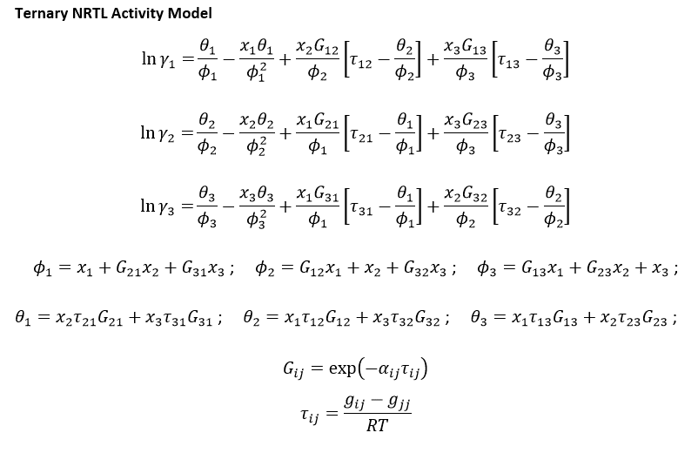

 | n | xA | xB | xC |  | A |  | ps |  | inverzna
F | 20.690942282 | 0.0362 | 0.55568361686 | 0.40812304172 |  |  | 1771.2277153 | 0.75 |  |  | 0.00056458014481
D | 12.074156261 |  |  | 0 |  | B |  | ps |  | inverzna
W | 8.6167860205 |  |  | 0.98 |  |  | 32.36373993 | 11.50 |  |  | 0.030898777526
 |  |  |  |  |  | C |  | ps |  | inverzna
 |  |  |  |  |  |  | 8.6167860205 | 8.44 |  |  | 0.11605255111

