cerpadla
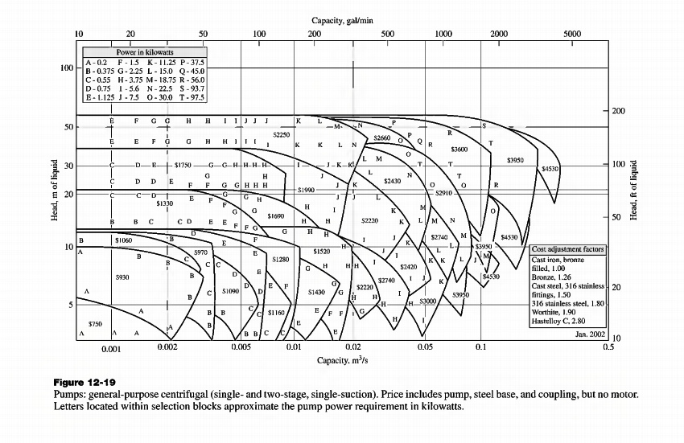
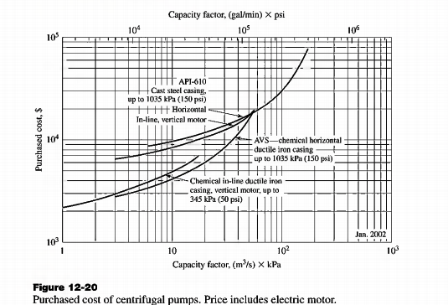
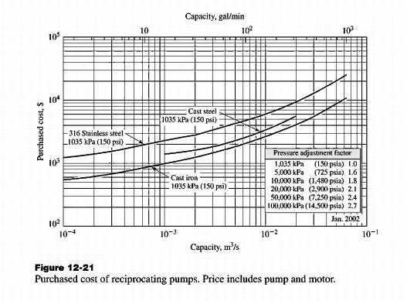
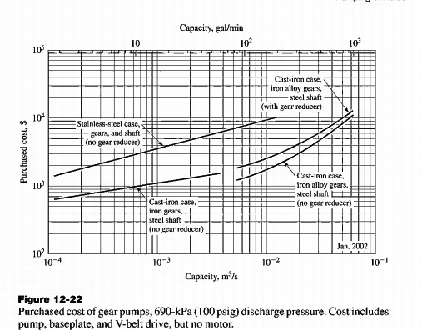
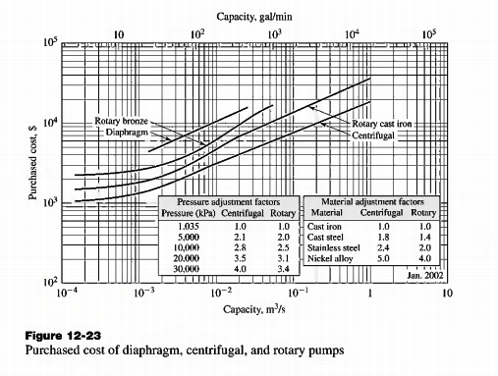
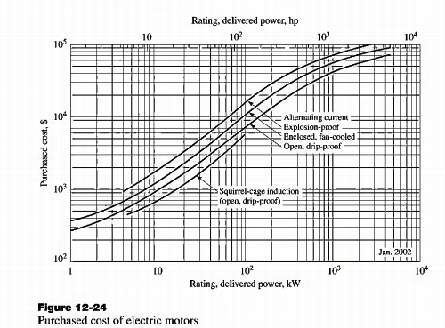
Cerpadla | Tlak [kPa] |  | vyska | Prudy
 | z | do | Δz [m] |  |  |  |  |  | M[kg/kmol]
P-1 | 101.325 | 101.325 | 5 | 2,18 |  | A | MTBE | 1 | 88.15
P-2 | 50 | 101.325 | 0 | 10,11 |  | B | Metanol | 2 | 32.04
P-3 | 2.45 | 101.325 | 0 | 14,15 |  | C | [BMIM][HSO4] | 3 | 236.29
P-4 | 2.45 | 101.325 | 5 | 16,17
P-5 | 73.5 | 101.325 | 0 | 21,22
P-6 | 73.5 | 101.325 | 0 | 23,24

Cerpadlo | n[kmol/h] | xA | xB | xC | M[kg/kmol] | m[ kg/h] | wA | wB | wC | sumW | Teplota [C] | Teplota [K] | rhoA [kg/m3] | rhoB [kg/m3] | rhoC [kg/m3] | rho zmes | V [m3/h] | V [m3/s]
P-1 | 30.500 | 0.4758 | 0.5242 | 0.0000 | 58.74 | 1791.42 | 0.7140 | 0.2860 | 0.0000 | 1 | 45.0 | 318.15 | 713.8 | 767.5 | 1266.3 | 729.18 | 2.4567 | 6.82E-04
P-2 | 5.499 | 0.1838 | 0.8162 | 0.0000 | 42.36 | 232.90 | 0.3826 | 0.6174 | 0.0000 | 1 | 37.6 | 310.80 | 721.8 | 774.4 | 1270.5 | 754.26 | 0.3088 | 8.58E-05
P-3 | 11.506 | 0.0038 | 0.9962 | 0.0000 | 32.25 | 371.12 | 0.0104 | 0.9896 | 0.0000 | 1 | 25.0 | 298.15 | 735.3 | 786.5 | 1277.0 | 785.97 | 0.4722 | 1.31E-04
P-4 | 12.136 | 0.0000 | 0.0200 | 0.9800 | 232.21 | 2818.13 | 0.0000 | 0.0028 | 0.9972 | 1 | 45.1 | 318.27 | 713.7 | 767.4 | 1266.2 | 1264.86 | 2.2280 | 6.19E-04
P-5 | 13.493 | 0.9972 | 0.0028 | 0.0000 | 88.00 | 1187.33 | 0.9990 | 0.0010 | 0.0000 | 1 | 25.0 | 298.15 | 735.3 | 786.5 | 1277.0 | 735.39 | 1.6146 | 4.48E-04
P-6 | 0.025 | 0.7497 | 0.0003 | 0.2500 | 125.17 | 3.16 | 0.5280 | 0.0001 | 0.4719 | 1 | 45.0 | 318.19 | 713.8 | 767.5 | 1266.3 | 974.54 | 0.0032 | 9.02E-07

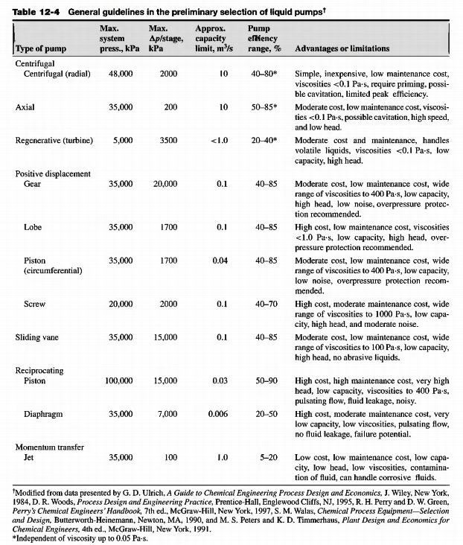
 |  |  |  | Tlak [Pa]
Cerpadlo | V [m3/s] | m[ kg/s] | rho zmes [kg/m3] | z | do | Δz [m] | Edis [J/kg] | Ew [J/kg] | Pv [W] | η | Pp
P-1 | 6.82E-04 | 0.49761656611 | 729.18 | 101325 | 101325 | 5 | 3.5 | 52.55 | 26.149750549 | 70% | 37.356786499
P-2 | 8.58E-05 | 0.064695535729 | 754.26 | 50000 | 101325 | 1 | 3.5 | 81.356891911 | 5.2634277075 | 70% | 7.5191824393
P-3 | 1.31E-04 | 0.1030892364 | 785.97 | 2450 | 101325 | 1 | 3.5 | 139.11039593 | 14.340784491 | 70% | 20.486834987
P-4 | 6.19E-04 | 0.78281467978 | 1264.86 | 2450 | 101325 | 5 | 3.5 | 130.72077574 | 102.3301422 | 70% | 146.18591743
P-5 | 4.48E-04 | 0.3298148152 | 735.39 | 73500 | 101325 | 0.5 | 3.5 | 46.242002511 | 15.251297512 | 70% | 21.787567875
P-6 | 9.02E-07 | 0.00087892488288 | 974.54 | 73500 | 101325 | 2 | 3.5 | 51.671817289 | 0.045415645959 | 70% | 0.064879494227

Tabulky CHI |  |  |  | [BMIM][HSO4] |  |  |  |  |  |  |  |  |  |  | MTBE | https://www.chemeo.com/cid/50-231-9/Propane-2-methoxy-2-methyl
MEeOH |  |  |  | Temperature, K | Pressure, kPa | Specific density, kg/m3 |  |  |  |  |  |  |  |  | Temperature, K | Pressure, kPa | Mass density, kg/m3 - Liquid
Teplota [C] | rho [kg/m3] |  |  |  |  | Liquid |  |  |  |  |  |  |  | 10 | 283.15 | 100 | 750.94
20 | 791 |  | 24.95 | 298.1 | 101.325 | 1277 ± 1 | 1277 | Jain, P.; Kumar, A. (2017) J. Mol. Liq. 238, 270-280. |  |  |  |  |  | 15 | 288.15 | 100 | 745.79
30 | 782 |  | 29.85 | 303 | 101.325 | 1275.9 ± 0.4 | 1275.9 |  |  |  |  |  |  | 20 | 293.15 | 100 | 740.59
40 | 772 |  | 34.85 | 308 | 101.325 | 1272.5 ± 0.4 | 1272.5 |  |  |  |  |  |  | 25 | 298.15 | 100 | 735.34
50 | 763 |  | 39.85 | 313 | 101.325 | 1269 ± 0.4 | 1269 |  |  |  |  |  |  | 30 | 303.15 | 100 | 730.04
 |  |  | 44.85 | 318 | 101.325 | 1266.4 ± 0.4 | 1266.4 |  |  |  |  |  |  | 35 | 308.15 | 100 | 724.69
 |  |  | 49.85 | 323 | 101.325 | 1263.4 ± 0.4 | 1263.4 |  |  |  |  |  |  | 40 | 313.15 | 100 | 719.29
 |  |  | 54.85 | 328 | 101.325 | 1260.4 ± 0.4 | 1260.4 |  |  |  |  |  |  | 45 | 318.15 | 100 | 713.84
 |  |  | 59.85 | 333 | 101.325 | 1257.4 ± 0.4 | 1257.4 |  |  |  |  |  |  | 50 | 323.15 | 100 | 708.45
 |  |  | 64.85 | 338 | 101.325 | 1254.5 ± 0.4 | 1254.5
 |  |  | 69.85 | 343 | 101.325 | 1251.5 ± 0.4 | 1251.5
 |  |  | 74.85 | 348 | 101.325 | 1248.6 ± 0.4 | 1248.6
 |  |  | 79.85 | 353 | 101.325 | 1245.7 ± 0.4 | 1245.7
 |  |  | 84.85 | 358 | 101.325 | 1242.8 ± 0.4 | 1242.8
 |  |  | 89.85 | 363 | 101.325 | 1240 ± 0.4 | 1240

 |  |  | IL-Thermo
 |  |  | Yoo, B.; Afzal, A.; Prausnitz, J. M. (2013) J. Chem. Thermodyn. 57, 178-181.

Ekonomika
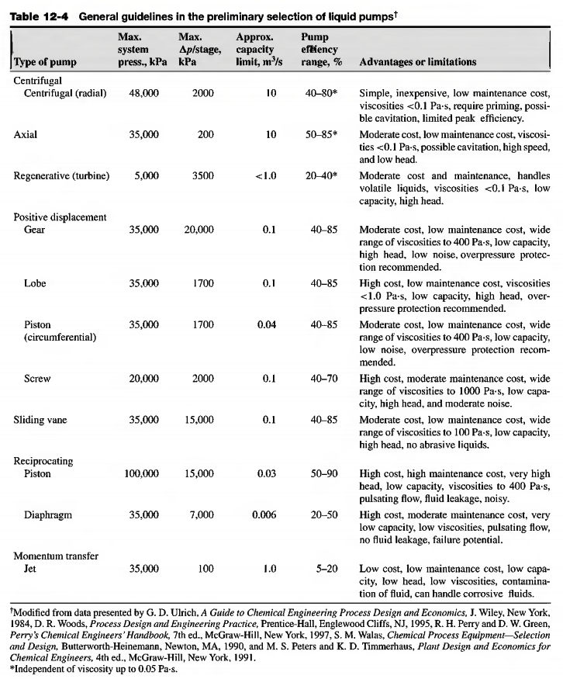
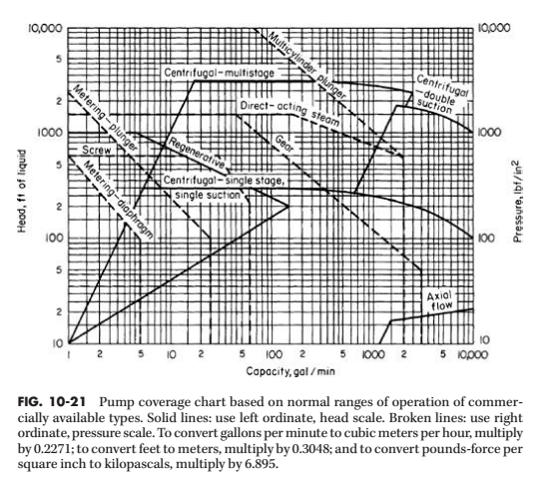
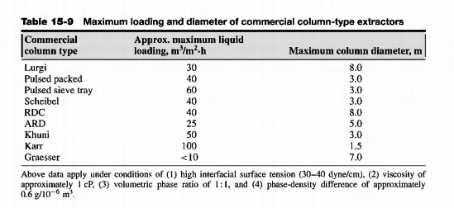
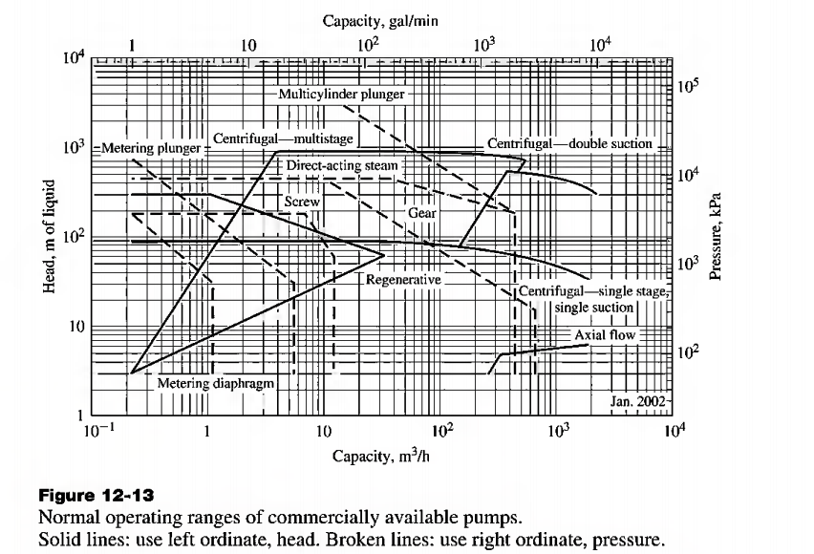
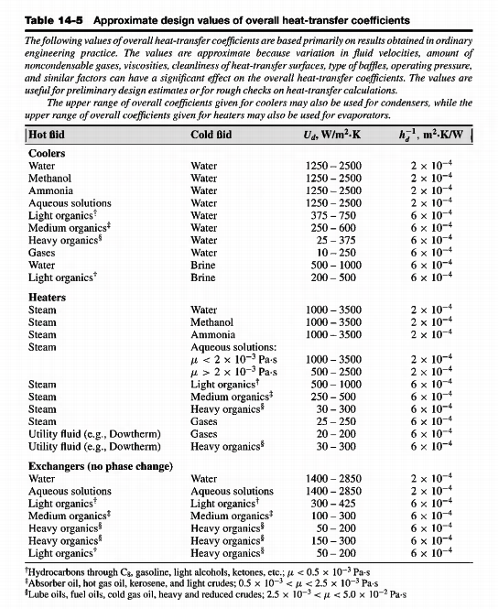
VT | [W] |  |  |  |  | cenove indexy |  |  |  | extrakcna kolona
Q1 | 20570.365988 | H-1 |  |  |  | 2002 | 395.6 |  |  | material | prierez [m] | vyska [m] | PTK | hrubka steny [m] | hustota materialu [kg/m3]
Q2 | 39656.603176 | H-2 |  |  |  | 2025 | 785 |  |  | Hastelloy C | 1 | 3 | 5 | 0.012 | 8890
Q3 | 54582.288462 | K-1 |  |  |  | 2024 jun | 798.8
Q4 | 116242.43778 | D-1 |  |  |  | 2014 | 576.1 |  |  | Hmota kolony [kg] | 1005.4353129 |  | total weight [kg] | 1602.7724974 |  | cena(2014) | cena(2025)
Q5 | 121632.30615 | K-2 |  |  |  |  |  |  |  | Hlava a dole [kg] | 301.63059386 |  | [pounds | 3533.5043032 |  | $53,300.00 | $72,627.15
Q6 | 107161.77471 | D-2 |  |  |  |  |  |  |  | Tray-Hasteloy [kg] | 150
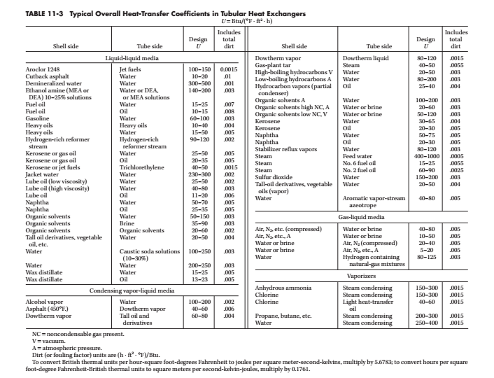
Q7 | 121275.63864 | K-3 |  |  |  |  |  |  |  | extra | 145.70659067

 | Ohrevac-1 |  |  |  |  |  |  |  |  |  | Odparka-1
 | Protiprúdny výmenník tepla
 | Q [W] | k [W/m2/K] | tH1 | tH2 | tS1 | tS2 | dtls | A [m2] | A [ft2] |  | Q [W] | k [W/m2/K] | tH1 | tH2 | tS1 | tS2 | dtls | A [m2] | A [ft2]
 | 20570.365988 | 568.73 | 102 | 102 | 26.74 | 45 | 65.70664931 | 0.55046100687 | 5.9251129658 |  | 116242.43778 | 300 | 102 | 102 | 45.11410871 | 45.124084581 | 56.880903209 | 6.8120365669 | 73.324151362

 | Ohrevac-2 |  |  |  |  |  |  |  |  |  | Odparka-2
 | Protiprúdny výmenník tepla
 | Q [W] | k [W/m2/K] | tH1 | tH2 | tS1 | tS2 | dtls | A [m2] | A [ft2] |  | Q [W] | k [W/m2/K] | tH1 | tH2 | tS1 | tS2 | dtls | A [m2] | A [ft2]
 | 39656.603176 | 75 | 102 | 102 | 45 | 68 | 44.514054687 | 11.878376677 | 127.85778245 |  | 107161.77471 | 300 | 102 | 102 | 44.566995135 | 45.04375 | 57.194294816 | 6.2454815968 | 67.225804417

 | Kondenzator-1
 | Protiprúdny výmenník tepla |  |  |  |  |  |  |  |  |  | Spotreba ohrevnej pary |  |  |  |  |  | Spotreba chladiacej vody
 | Q [W] | k [W/m2/K] | tH1 | tH2 | tS1 | tS2 | dtls | A [m2] | A [ft2] |  | Q1 [W] | dVapH [J/kg] | mOP [kg/s] | mOP [kg/h] |  |  | Q3 [W] | cpV [J//kg/K] | mV [kg/s] | mV [kg/h]
 | 54582.288462 | 853.095 | 45.11410871 | 37.645679363 | 15 | 35 | 15.547126702 | 4.1153256386 | 44.296996509 |  | 20570.365988 | 2252000 | 0.0091342655364 | 9.1342655364 |  |  | 39656.603176 | 4190 | 0.47322915484 | 473.22915484
 |  |  |  |  |  |  |  |  |  |  | Q2 [W] | dVapH [J/kg] | mOP [kg/s] | mOP [kg/h] |  |  | Q5 [W] | cpV [J//kg/K] | mV [kg/s] | mV [kg/h]
 |  |  |  |  |  |  |  |  |  |  | 39656.603176 | 2252000 | 0.017609504074 | 17.609504074 |  |  | 121632.30615 | 4190 | 1.4514595006 | 1451.4595006
 | Kondenzator-2 |  |  |  |  |  |  |  |  |  | Q4 [W] | dVapH [J/kg] | mOP [kg/s] | mOP [kg/h] |  |  | Q7 [W] | cpV [J//kg/K] | mV [kg/s] | mV [kg/h]
 | Protiprúdny výmenník tepla |  |  |  |  |  |  |  |  |  | 116242.43778 | 2252000 | 0.051617423528 | 51.617423528 |  |  | 121275.63864 | 4190 | 1.447203325 | 1447.203325
 | Q [W] | k [W/m2/K] | tH1 | tH2 | tS1 | tS2 | dtls | A [m2] | A [ft2] |  | Q6 [W] | dVapH [J/kg] | mOP [kg/s] | mOP [kg/h] |  |  |  |  | SUMA | 3371.8919805 | kg/h
 | 121632.30615 | 853.095 | 45.124084581 | 25 | 15 | 35 | 10.061914772 | 14.170034581 | 152.52498283 |  | 107161.77471 | 2252000 | 0.047585157511 | 47.585157511 |  |  |  |  |  |  | kg/rok
 |  |  |  |  |  |  |  |  |  |  |  |  | SUMA | 125.94635065 | kg/h
 |  |  |  |  |  |  |  |  |  |  |  |  |  |  | kg/rok
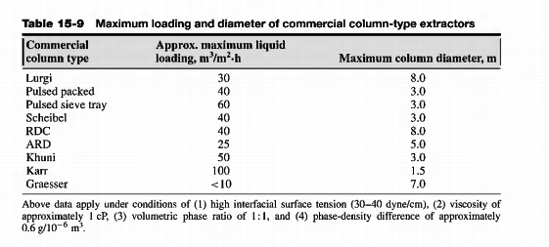
 | Kondenzator-3 |  |  |  |  |  |  |  |  |  |  |  |  |  |  |  |  | https://www.matche.com/equipcost/Exchanger.html
 | Protiprúdny výmenník tepla |  |  |  |  |  |  |  |  |  |  |  |  |  |  |  |  | Cena
 | Q [W] | k [W/m2/K] | tH1 | tH2 | tS1 | tS2 | dtls | A [m2] | A [ft2] |  |  |  |  |  |  |  | Zariadenie | 2014 | 2025
 | 121275.63864 | 853.095 | 45.043752878 | 25 | 15 | 35 | 10.021860521 | 14.184950335 | 152.68553467 |  |  |  |  |  |  |  | Ohrevac-1 | $6,000.00 | $8,175.66
 |  |  |  |  |  |  |  |  |  |  |  |  |  |  |  |  | Ohrievac-2 | $42,400.00 | $57,774.69
 | Cerpadlo |  |  |  |  |  |  |  |  |  |  |  |  |  |  |  | Kondenzator-1 | $22,300.00 | $30,386.22
 | V [m3/s] | V [gal/min] | Pv [W] | Pp [W] | head [ft] | pa [psi] | Type | V[m3/h] | P2-P1 [kPa] | capacity factor |  | Cena(2002) | Cena(2025) |  |  |  | Kondenzator-2 | $48,500.00 | $66,086.62
P-1 | 0.000682 | 10.81669807 | 26.149750549 | 37.356786499 | 16.4042 | 14.695431472 | odstredivé čerpadlo (centrifugal) | 2.4567429671 | 0 | 2.35E-01 | 158.95604524 | $1,350.00 | $2,678.84 |  |  |  | Kondenzator-3 | $48,500.00 | $66,086.62
P-2 | 0.000086 | 1.3595373251 | 5.2634277075 | 7.5191824393 | 3.28084 | 14.695431472 | odstredivé čerpadlo (centrifugal) | 0.3087849675 | 51.325 | 2.96E-02 | 19.978987595 | $1,350.00 | $2,678.84 |  |  |  | Odparka-1 | $416,200.00 | $567,118.56
P-3 | 0.000131 | 2.0789608967 | 14.340784491 | 20.486834987 | 3.28084 | 14.695431472 | odstredivé čerpadlo (centrifugal) | 0.472184074 | 98.875 | 4.53E-02 | 30.55122739 | $1,350.00 | $2,678.84 |  |  |  | Odparka-2 | $384,900.00 | $524,468.84
P-4 | 0.000619 | 9.8096694388 | 102.3301422 | 146.18591743 | 16.4042 | 14.695431472 | Gear-lobe | 2.2280215504 | 98.875 | 2.14E-01 | 144.157325 | $3,754.00 | $7,449.17 |  |  |  |  |  | $1,322,122.21
P-5 | 0.000448 | 7.10868381 | 15.251297512 | 21.787567875 | 1.64042 | 14.695431472 | odstredivé čerpadlo (centrifugal) | 1.614560085 | 27.825 | 1.55E-01 | 104.46517579 | $1,350.00 | $2,678.84
P-6 | 0.000001 | 0.014295120781 | 0.045415645959 | 0.064879494227 | 6.56168 | 14.695431472 | odstredivé čerpadlo (centrifugal) | 0.0032467798598 | 27.825 | 3.11E-04 | 0.21007296783 | $1,350.00 | $2,678.84

