Лист1
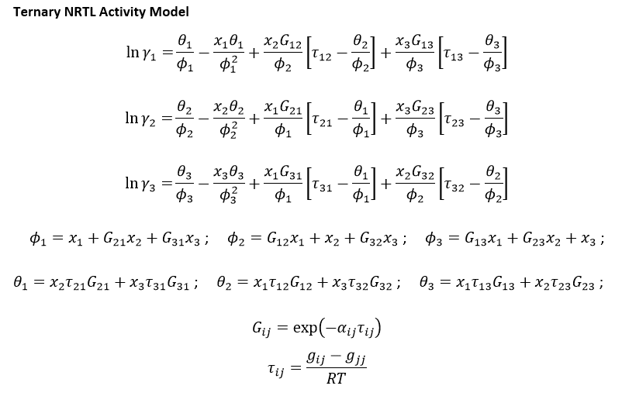
 |  | Antoine equation parameters (P = Pa) |  |  |  |  | i–j | Δgij(kJ·mol−1) | Δgji(kJ·mol−1) | rmsd | α |  | R [kJ.mol^-1.K^-1] | 0.008314
 |  | A | B | C |  |  |  | NRTL parameters
A | MTBE | 20.84054 | -2624.525 | -46.15171 |  |  | MTBE (1) + methanol (2) + [BMIM][HSO4] (3) at 318.15 K
B | Metanol | 23.5347 | -3661.468 | -32.77001 |  |  | 1–2 | 5.5737 | 7.4991 | 0.0065 | 0.4
C | [BMIM][HSO4] | - | - | - |  |  | 1–3 | 19.2694 | 16.2120
P[kPa] | 2.6 |  |  |  |  |  | 2–3 | 10.6456 | 0.5632

 |  |  |  |  |  |  |  |  |  |  |  |  |  | Normalizacia
 |  | t | T | PA0 | PB0 | PC0 | KA | KB | KC | xA | xB | xC | SUMx | xA | xB | xC |  |  | t | T | PA0 | PB0 | PC0 | KA | KB | KC | yA | yB | yC | SUMy | sumP
 |  | 45.111859256 | 318.26185926 | 72.798956993 | 44.782704694 | 0 | 15311.494665 | 46.908499253 | 0 | 4.0506439229E-06 | 0.019995920205 | 0.98 | 0.99999997085 | 4.050644041E-06 | 0.019995920788 | 0.98000002857 |  |  | 45.111859256 | 318.26185926 | 72.798956993 | 44.782704694 | 0 | 15311.49477 | 46.90849917 | 0 | 0.062021415049 | 0.93797863367 | 0 | 1.0000000487 | 2.6000001267

 |  | NASTRELY |  |  |  |  |  |  |  |  |  |  |  |  |  |  |  |  |  |  |  |  |  |  |  | Vypocitane
 |  | γA | γB | γC | τAB | τBA | τAC | τCA | τBC | τCB | GAB | GBA | GAC | GCA | GBC | GCB | θ1 | θ2 | θ3 | φ1 | φ2 | φ3 | lnγA | lnγB | lnγC | γA | γB | γC
 |  | 1 | 1 | 1 | 2.1064394207 | 2.8340958178 | 7.282384013 | 6.1269167498 | 4.0232361801 | 0.21284724361 | 0.43059996804 | 0.32186009124 | 0.054315067455 | 0.086227450571 | 0.20002869014 | 0.91838471425 | 0.53598218385 | 0.19156982156 | 0.016093572671 | 0.090942843556 | 0.9200147112 | 0.98400000642 | 6.3041689344 | 1.0018883141 | 0.00015964794312 | 546.84693361 | 2.7234196477 | 1.0001596607

 | n[kmol/h] | xA | xB | xC |  | A |  | ps |  | inverzna
F | 20.943847441 | 0.0362 | 0.55567183667 | 0.4081347512 |  |  | 187137.97516 | 0.76 |  |  | 5.3436508497E-06
D | 12.221488294 | 0.062021415049 | 0.93797863367 | 0 |  | B |  | ps |  | inverzna
W | 8.7223591477 | 4.05E-06 | 0.02 | 0.98 |  |  | 582.01403364 | 11.64 |  |  | 0.0017181716285
 |  |  |  |  |  | C |  | ps |  | inverzna
 |  |  |  |  |  |  | 8.7223591477 | 8.55 |  |  | 0.11464788173

 |  | t | T | PA0 | PB0 | PC0 | xA | xB | xC | τAB | τBA | τAC | τCA | τBC | τCB | GAB | GBA | GAC | GCA | GBC | GCB | θ1 | θ2 | θ3 | φ1 | φ2 | φ3 | lnγA | lnγB | lnγC | γA | γB | γC | PA | PB | PC | P[kPa]
 |  | 45 | 318.15 | 72.510769026 | 44.558146395 | 0 | 0.00 | 0.02 | 0.98 | 2.1071800297 | 2.8350922655 | 7.2849444469 | 6.1290709297 | 4.024650721 | 0.21292207918 | 0.43047242445 | 0.3217318301 | 0.054259467875 | 0.086153182795 | 0.19991554264 | 0.91835722353 | 0.54 | 0.19 | 0.02 | 0.09 | 0.92 | 0.98 | 6.3058788381 | 1.001792273 | 0.00015963218529 | 547.78278908 | 2.7231581 | 1.0001596449 | 0.16 | 2.43 | - | 2.5871747726

