Лист6
https://www.sciencedirect.com/science/article/pii/S0021961415000890?via%3Dihub
https://www.chembk.com/en/chem/EMIM%20DEP
Upper layer |  | Lower layer |  | β | S |  |  |  |  |  |  |  |  |  |  |  |  |  |  |  |  |  |  |  |  |  |  |  |  |  |  |  |  |  |  |  |  |  |  |  |  |  |  |  |  |  |  |  | Methanol
 | EXPERIMENT |  | " |  | ' |  | ' |  | ' |  | ' |  | ' |  | ' |  | ' |  | ' |  | ' |  | NRTL EXT
0 | 0 | 0 | 1 | 0 | 0 | 0.003 | 0 | 0.005 | 0 | 0.008 | 0 | 0.011 | 0 | 0.017 | 0 | 0.024 | 0 | 0.029 | 0 | 0.035 | 0 | 0.000 | 0.984
0.003 | 0 | 1 | 0 | 0 | 0.991 | 0.094 | 0.895 | 0.183 | 0.802 | 0.269 | 0.713 | 0.342 | 0.637 | 0.466 | 0.511 | 0.606 | 0.367 | 0.704 | 0.265 | 0.792 | 0.172 | 0.110 | 0.870
0.005 | 0 |  |  |  |  |  |  |  |  |  |  |  |  |  |  |  |  |  |  |  |  | 0.180 | 0.793
0.008 | 0 |  |  |  |  |  |  |  |  |  |  |  |  |  |  |  |  |  |  |  |  | 0.271 | 0.698
0.011 | 0 |  |  |  |  |  |  |  |  |  |  |  |  |  |  |  |  |  |  |  |  | 0.349 | 0.617
0.017 | 0 |  |  |  |  |  |  |  |  |  |  |  |  |  |  |  |  |  |  |  |  | 0.476 | 0.490
0.024 | 0 |  |  |  |  |  |  |  |  |  |  |  |  |  |  |  |  |  |  |  |  | 0.605 | 0.360
0.029 | 0 |  |  |  |  |  |  |  |  |  |  |  |  |  |  |  |  |  |  |  |  | 0.698 | 0.264
0.035 | 0 |  |  |  |  |  |  |  |  |  |  |  |  |  |  |  |  |  |  |  |  | 0.788 | 0.170
0 | 0.991
0.094 | 0.895
0.183 | 0.802
0.269 | 0.713
0.342 | 0.637
0.466 | 0.511
0.606 | 0.367
0.704 | 0.265
0.792 | 0.172
x1I | x2I | x1II | x2II |  |  |  |  |  |  |  |  |  |  |  |  |  |  |  |  |  |  |  |  |  |  |  |  |  |  |  |  |  |  |  |  |  |  |  |  |  |  |  |  |  |  |  |  |  | P | 85 | kPa
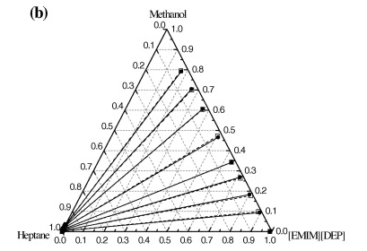
Methanol (1) + Heptane (2) + [EMIM][DEP] (3) |  |  |  |  |  |  |  |  |  |  |  |  |  |  |  |  |  |  |  |  |  |  |  |  |  |  |  |  |  |  |  |  |  |  |  |  |  |  |  |  |  |  |  |  |  |  |  |  | T(K) | x1 | y1 | γ1 | γ2
0 | 1 | 0 | 0.009 |  |  |  |  |  |  |  |  |  |  |  |  |  |  |  |  |  |  |  |  |  |  |  |  |  |  |  |  |  |  |  |  |  |  |  |  |  |  |  |  |  |  |  |  |  | 365.65 | 0 | 0 |  | 1
0.003 | 0.997 | 0.094 | 0.011 | 31.3 | 2839.9 |  |  |  |  |  |  |  |  |  |  |  |  |  |  |  |  |  |  |  |  |  |  |  |  |  |  |  |  |  |  |  |  |  |  |  |  |  |  |  |  |  |  |  | 331.55 | 0.247 | 0.737 | 3.818 | 1.339
0.005 | 0.995 | 0.183 | 0.015 | 36.6 | 2427.8 |  |  |  |  |  |  |  |  |  |  |  |  |  |  |  |  |  |  |  |  |  |  |  |  |  |  |  |  |  |  |  |  |  |  |  |  |  |  |  |  |  |  |  | 330.85 | 0.349 | 0.738 | 2.786 | 1.584
0.008 | 0.992 | 0.269 | 0.018 | 33.6 | 1853.1 |  |  |  |  |  |  |  |  |  |  |  |  |  |  |  |  |  |  |  |  |  |  |  |  |  |  |  |  |  |  |  |  |  |  |  |  |  |  |  |  |  |  |  | 329.95 | 0.399 | 0.74 | 2.535 | 1.763
0.011 | 0.989 | 0.342 | 0.021 | 31.1 | 1464.2 |  |  |  |  |  |  |  |  |  |  |  |  |  |  |  |  |  |  |  |  |  |  |  |  |  |  |  |  |  |  |  |  |  |  |  |  |  |  |  |  |  |  |  | 329.65 | 0.501 | 0.743 | 2.049 | 2.131
0.017 | 0.983 | 0.466 | 0.023 | 27.4 | 1171.6 |  |  |  |  |  |  |  |  |  |  |  |  |  |  |  |  |  |  |  |  |  |  |  |  |  |  |  |  |  |  |  |  |  |  |  |  |  |  |  |  |  |  |  | 329.55 | 0.574 | 0.747 | 1.806 | 2.464
0.024 | 0.976 | 0.606 | 0.027 | 25.3 | 912.7 |  |  |  |  |  |  |  |  |  |  |  |  |  |  |  |  |  |  |  |  |  |  |  |  |  |  |  |  |  |  |  |  |  |  |  |  |  |  |  |  |  |  |  | 329.25 | 0.629 | 0.749 | 1.673 | 2.843
0.029 | 0.971 | 0.704 | 0.031 | 24.3 | 760.4 |  |  |  |  |  |  |  |  |  |  |  |  |  |  |  |  |  |  |  |  |  |  |  |  |  |  |  |  |  |  |  |  |  |  |  |  |  |  |  |  |  |  |  | 329.25 | 0.672 | 0.75 | 1.568 | 3.2
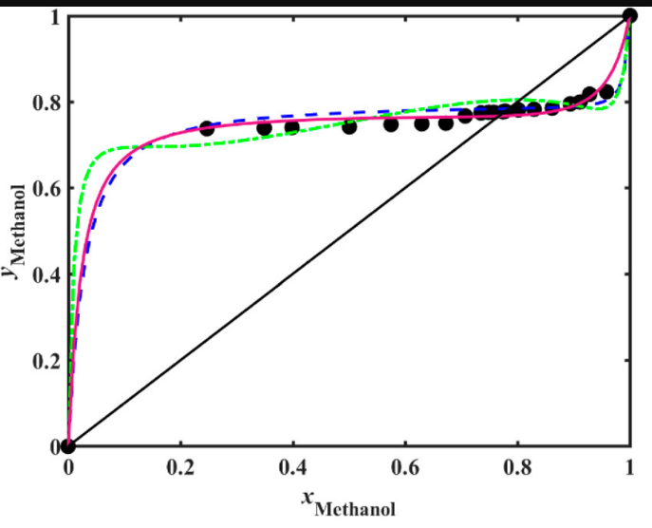
0.035 | 0.965 | 0.792 | 0.036 | 22.6 | 606.6 |  |  |  |  |  |  |  |  |  |  |  |  |  |  |  |  |  |  |  |  |  |  |  |  |  |  |  |  |  |  |  |  |  |  |  |  |  |  |  |  |  |  |  | 328.95 | 0.707 | 0.767 | 1.544 | 3.376
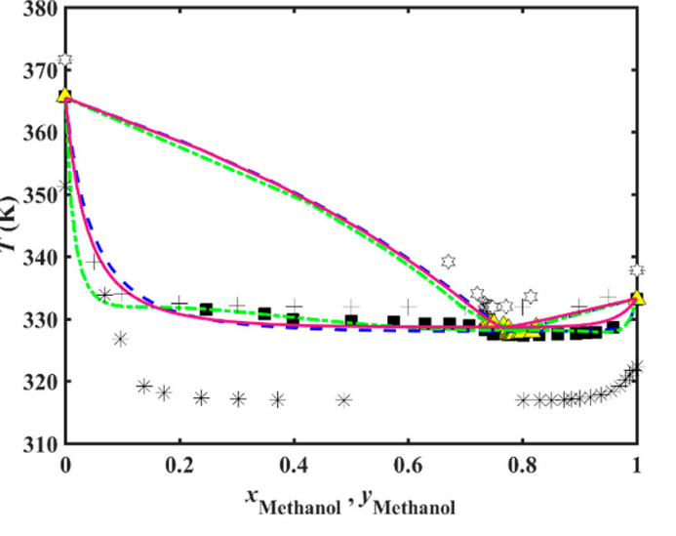
 |  |  |  |  |  |  |  |  |  |  |  |  |  |  |  |  |  |  |  |  |  |  |  |  |  |  |  |  |  |  |  |  |  |  |  |  |  |  |  |  |  |  |  |  |  |  |  |  | 328.25 | 0.735 | 0.775 | 1.546 | 3.703
 |  |  |  |  |  |  | 0 | 1 | 0 |  |  |  |  |  |  |  |  |  |  |  |  |  |  |  |  |  |  |  |  |  |  |  |  |  |  |  |  |  |  |  |  |  |  |  |  |  |  |  | 327.55 | 0.749 | 0.775 | 1.562 | 4.02
 |  |  |  |  |  |  | 0 | 0.009 | 0.991 |  |  |  |  |  |  |  |  |  |  |  |  |  |  |  |  |  |  |  |  |  |  |  |  |  |  |  |  |  |  |  |  |  |  |  |  |  |  |  | 328.45 | 0.758 | 0.775 | 1.487 | 4.019
 |  |  |  |  |  |  | 0.003 | 0.997 | 0 |  |  |  |  |  |  |  |  |  |  |  |  |  |  |  |  |  |  |  |  |  |  |  |  |  |  |  |  |  |  |  |  |  |  |  |  |  |  |  | 327.45 | 0.774 | 0.777 | 1.521 | 4.454
 |  |  |  |  |  |  | 0.094 | 0.011 | 0.895 |  |  |  |  |  |  |  |  |  |  |  |  |  |  |  |  |  |  |  |  |  |  |  |  |  |  |  |  |  |  |  |  |  |  |  |  |  |  |  | 327.45 | 0.778 | 0.779 | 1.518 | 4.486
x1 | x2 | x3 |  |  |  |  | 0.005 | 0.995 | 0 |  |  |  |  |  |  |  |  |  |  |  |  |  |  |  |  |  |  |  |  |  |  |  |  |  |  |  |  |  |  |  |  |  |  |  |  |  |  |  | 327.35 | 0.802 | 0.781 | 1.484 | 4.984
0 | 1 | 0 |  | 0 | 1 |  | 0.183 | 0.015 | 0.802 |  |  |  |  |  |  |  |  |  |  |  |  |  |  |  |  |  |  |  |  |  |  |  |  |  |  |  |  |  |  |  |  |  |  |  |  |  |  |  | 327.45 | 0.83 | 0.783 | 1.43 | 5.75
0.003 | 0.997 | 0 |  | 1 | 0 |  | 0.008 | 0.992 | 0 |  |  |  |  |  |  |  |  |  |  |  |  |  |  |  |  |  |  |  |  |  |  |  |  |  |  |  |  |  |  |  |  |  |  |  |  |  |  |  | 327.55 | 0.861 | 0.786 | 1.378 | 6.926
0.005 | 0.995 | 0 |  | 0 | 0 |  | 0.269 | 0.018 | 0.713 |  |  |  |  |  |  |  |  |  |  |  |  |  |  |  |  |  |  |  |  |  |  |  |  |  |  |  |  |  |  |  |  |  |  |  |  |  |  |  | 327.65 | 0.894 | 0.795 | 1.336 | 8.687
0.008 | 0.992 | 0 |  | 1 | 1 |  | 0.011 | 0.989 | 0 |  |  |  |  |  |  |  |  |  |  |  |  |  |  |  |  |  |  |  |  |  |  |  |  |  |  |  |  |  |  |  |  |  |  |  |  |  |  |  | 327.75 | 0.911 | 0.8 | 1.314 | 10.049
0.011 | 0.989 | 0 |  |  |  |  | 0.342 | 0.021 | 0.637 |  |  |  |  |  |  |  |  |  |  |  |  |  |  |  |  |  |  |  |  |  |  |  |  |  |  |  |  |  |  |  |  |  |  |  |  |  |  |  | 327.85 | 0.929 | 0.818 | 1.312 | 11.348
0.017 | 0.983 | 0 |  |  |  |  | 0.017 | 0.983 | 0 |  |  |  |  |  |  |  |  |  |  |  |  |  |  |  |  |  |  |  |  |  |  |  |  |  |  |  |  |  |  |  |  |  |  |  |  |  |  |  | 328.65 | 0.958 | 0.824 | 1.239 | 18.216
 |  |  | ' |  | NRTL
0 | 0 | 0 | 0 | 0.000 | 0.000
0.003 | 0.094 | 1 | 1 | 0.003 | 0.110
0.005 | 0.183 |  |  | 0.005 | 0.180
0.008 | 0.269 |  |  | 0.008 | 0.271
0.011 | 0.342 |  |  | 0.011 | 0.349
0.017 | 0.466 |  |  | 0.017 | 0.476
0.024 | 0.606 |  |  | 0.024 | 0.605
0.029 | 0.704 |  |  | 0.029 | 0.698
0.035 | 0.792 |  |  | 0.035 | 0.788
0.024 | 0.976 | 0 |  |  |  |  | 0.466 | 0.023 | 0.511 |  |  |  |  |  |  |  |  |  |  |  |  |  |  |  |  |  |  |  |  |  |  |  |  |  |  |  |  |  |  |  |  |  |  |  |  |  |  |  | 333.15 | 1 | 1 | 1
0.029 | 0.971 | 0 |  |  |  |  | 0.024 | 0.976 | 0
0.035 | 0.965 | 0 |  |  |  |  | 0.606 | 0.027 | 0.367
0 | 0.009 | 0.991 |  |  |  |  | 0.029 | 0.971 | 0
0.094 | 0.011 | 0.895 |  |  |  |  | 0.704 | 0.031 | 0.265
0.183 | 0.015 | 0.802 |  |  |  |  | 0.035 | 0.965 | 0
0.269 | 0.018 | 0.713 |  |  |  |  | 0.792 | 0.036 | 0.172
0.342 | 0.021 | 0.637 |  |  |  |  |  |  |  |  | 1000 | 1
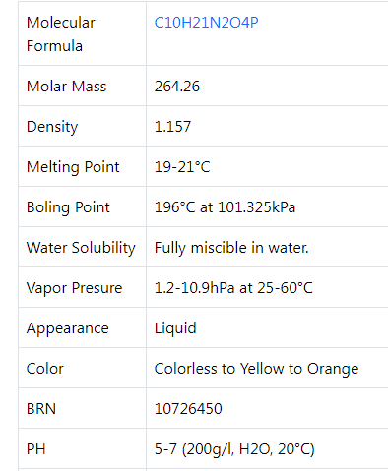
0.466 | 0.023 | 0.511 |  |  |  |  |  |  |  | x1 | 0.606 | 606 |  | 633
0.606 | 0.027 | 0.367 |  |  |  |  |  |  |  | x2 | 0.027 | 27 |  | 0.95734597156
0.704 | 0.031 | 0.265 |  |  |  |  |  |  |  | x3 | 0.367 | 367
0.792 | 0.036 | 0.172

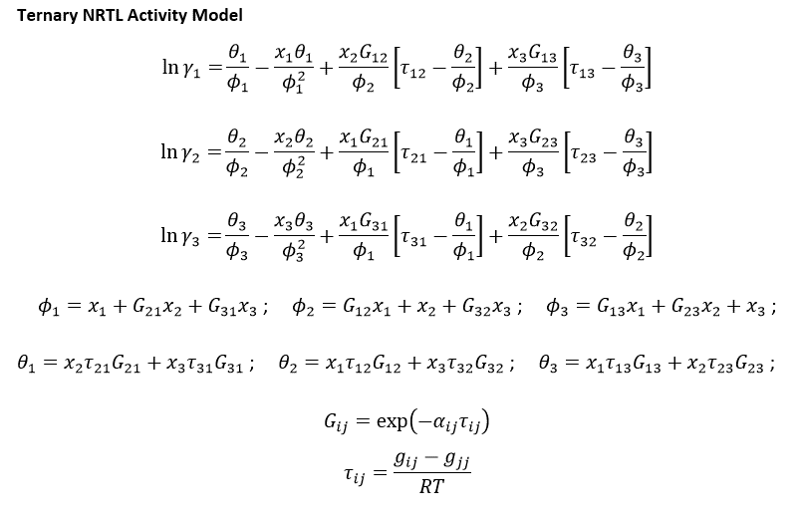
 |  |  |  |  |  |  |  |  |  |  |  |  |  |  |  |  |  |  |  |  |  |  |  |  |  |  |  |  |  |  |  |  |  |  |  |  |  |  |  |  |  |  |  |  |  |  |  |  |  |  |  |  |  | or | 1.13432 | pri T=313.5 K

 |  |  |  |  |  |  |  |  |  |  |  |  |  |  |  |  |  |  |  |  |  |  |  |  |  |  |  |  |  |  |  |  |  |  |  |  |  |  |  |  |  |  |  |  |  |  |  |  |  |  |  |  |  |  | 1 hPa | = | 100 Pa

 | g12 − g22 = | 10283.70 | J mol−1 |  | T /°C | T /K | x1 | x2 | x3 | τ12 | τ21 | τ13 | τ31 | τ23 | τ32 | G12 | G21 | G13 | G31 | G23 | G32 | φ1 | φ2 | φ3 | θ1 | θ2 | θ3 | γ1 | γ2 | γ3 | y1/y1 | y2/y2 | y3/y3 |  | x1 | x2 | x3 | Σxi | xexp-xcal |  |  | OF | σ
 | g21 − g11 = | 10263.60 | J mol−1 |  | 25.05 | 298.20 | 0 | 1 | 0 | 4.1479 | 4.1398 | 3.4647 | 0.3089 | 8.7904 | 5.4307 | 0.1534 | 0.1539 | 0.2342 | 0.8786 | 0.0096 | 0.0565 | 0.15393863545 | 1 | 0.0095605731022 | 0.6372791229 | 0 | 0.084041008882 | 118.6309 | 1.0000 | 8932.2045 | 38.91 | 0.02 | 8879.83 | Extrak | 0.000 | 0.016 | 0.984 | 1.0000 | 0.0E+00 | 5.4E-05 | 5.4E-05 | 1.1E+00 | 14.523094226
 | g13 − g33 = | 8589.90 | J mol−1 |  |  |  | 0.003 | 0.997 | 0 | 4.1479 | 4.1398 | 3.4647 | 0.3089 | 8.7904 | 5.4307 | 0.1534 | 0.1539 | 0.2342 | 0.8786 | 0.0096 | 0.0565 | 0.15647681954 | 0.99746012667 | 0.01023438912 | 0.63536728553 | 0.0019085746312 | 0.086222856738 | 101.3129 | 1.0002 | 5816.3020 | 36.53 | 0.02 | 5742.08 |  | 0.110 | 0.020 | 0.870 | 1.0000 | 2.4E-04 | 8.1E-05 | 6.0E-04
 | g31 − g11 = | 765.90 | J mol−1 |  |  |  | 0.005 | 0.995 | 0 | 4.1479 | 4.1398 | 3.4647 | 0.3089 | 8.7904 | 5.4307 | 0.1534 | 0.1539 | 0.2342 | 0.8786 | 0.0096 | 0.0565 | 0.15816894227 | 0.99576687778 | 0.010683599799 | 0.63409272728 | 0.0031809577187 | 0.087677421975 | 91.6008 | 1.0006 | 4494.4326 | 35.97 | 0.03 | 4355.32 |  | 0.180 | 0.027 | 0.793 | 1.0000 | 9.8E-06 | 1.4E-04 | 7.9E-05 |  | konoda 1 |  | konoda 5 |  | konoda 9
 | g23 − g33 = | 21793.40 | J mol−1 |  |  |  | 0.008 | 0.992 | 0 | 4.1479 | 4.1398 | 3.4647 | 0.3089 | 8.7904 | 5.4307 | 0.1534 | 0.1539 | 0.2342 | 0.8786 | 0.0096 | 0.0565 | 0.16070712637 | 0.99322700446 | 0.011357415817 | 0.63218088991 | 0.0050895323499 | 0.089859269831 | 79.2450 | 1.0016 | 3164.6183 | 33.85 | 0.03 | 2981.09 |  | 0.271 | 0.031 | 0.698 | 1.0000 | 3.2E-06 | 1.7E-04 | 2.2E-04 |  | 0.000 | 0.984 | 0.349 | 0.617 | 0.788 | 0.170
 | g32 − g22 = | 13463.90 | J mol−1 |  |  |  | 0.011 | 0.989 | 0 | 4.1479 | 4.1398 | 3.4647 | 0.3089 | 8.7904 | 5.4307 | 0.1534 | 0.1539 | 0.2342 | 0.8786 | 0.0096 | 0.0565 | 0.16324531046 | 0.99068713113 | 0.012031231835 | 0.63026905254 | 0.006998106981 | 0.092041117687 | 69.0437 | 1.0029 | 2312.3584 | 31.69 | 0.04 | 2101.19 |  | 0.349 | 0.035 | 0.617 | 1.0000 | 4.4E-05 | 1.9E-04 | 4.2E-04 |  | 0.000 | 0.448 | 0.011 | 0.392 | 0.035 | 0.130
 | α12 = α21 = | 0.452 |  |  |  |  | 0.017 | 0.983 | 0 | 4.1479 | 4.1398 | 3.4647 | 0.3089 | 8.7904 | 5.4307 | 0.1534 | 0.1539 | 0.2342 | 0.8786 | 0.0096 | 0.0565 | 0.16832167865 | 0.98560738447 | 0.013378863872 | 0.62644537781 | 0.010815256243 | 0.096404813399 | 53.4455 | 1.0066 | 1350.9127 | 28.01 | 0.03 | 1117.42 |  | 0.476 | 0.034 | 0.490 | 1.0000 | 1.1E-04 | 1.3E-04 | 4.6E-04 |  | konoda 2 |  | konoda 6
 | α13 = α31 = | 0.419 |  |  |  |  | 0.024 | 0.976 | 0 | 4.1479 | 4.1398 | 3.4647 | 0.3089 | 8.7904 | 5.4307 | 0.1534 | 0.1539 | 0.2342 | 0.8786 | 0.0096 | 0.0565 | 0.1742441082 | 0.97968101337 | 0.014951101247 | 0.62198442395 | 0.01526859705 | 0.10149579173 | 40.8278 | 1.0122 | 811.5437 | 25.19 | 0.04 | 546.06 |  | 0.605 | 0.036 | 0.360 | 1.0000 | 1.9E-06 | 7.8E-05 | 5.6E-05 |  | 0.110 | 0.870 | 0.476 | 0.490
 | α23 = α32 = | 0.529 |  |  |  |  | 0.029 | 0.971 | 0 | 4.1479 | 4.1398 | 3.4647 | 0.3089 | 8.7904 | 5.4307 | 0.1534 | 0.1539 | 0.2342 | 0.8786 | 0.0096 | 0.0565 | 0.17847441502 | 0.97544789115 | 0.016074127944 | 0.61879802833 | 0.018449554768 | 0.10513220482 | 34.2670 | 1.0171 | 598.3479 | 24.05 | 0.04 | 305.02 |  | 0.698 | 0.038 | 0.264 | 1.0000 | 4.2E-05 | 5.1E-05 | 4.4E-07 |  | 0.003 | 0.449 | 0.017 | 0.323
 | R = | 8.3140 | J mol−1 K−1 |  |  |  | 0.035 | 0.965 | 0 | 4.1479 | 4.1398 | 3.4647 | 0.3089 | 8.7904 | 5.4307 | 0.1534 | 0.1539 | 0.2342 | 0.8786 | 0.0096 | 0.0565 | 0.18355078321 | 0.97036814449 | 0.01742175998 | 0.61497435359 | 0.022266704031 | 0.10949590054 | 28.2398 | 1.0236 | 436.8177 | 22.53 | 0.04 | 140.36 |  | 0.788 | 0.042 | 0.170 | 1.0000 | 1.3E-05 | 3.1E-05 | 4.1E-06 |  | konoda 3 |  | konoda 7
 |  |  |  |  |  |  | 0 | 0.009 | 0.991 | 4.1479 | 4.1398 | 3.4647 | 0.3089 | 8.7904 | 5.4307 | 0.1534 | 0.1539 | 0.2342 | 0.8786 | 0.0096 | 0.0565 | 0.87206548251 | 0.065030231625 | 0.99108604516 | 0.27471118099 | 0.30428156122 | 0.00075636907993 | 3.0490 | 61.2849 | 1.0059 | 0.03 | 61.28 | 0.00 | Rafinat | 0.000 | 0.552 | 0.448 | 1.0000 | 0.0E+00 | 2.0E-01 | 2.0E-01 |  | 0.180 | 0.793 | 0.605 | 0.360
 |  |  |  |  |  |  | 0.094 | 0.011 | 0.895 | 4.1479 | 4.1398 | 3.4647 | 0.3089 | 8.7904 | 5.4307 | 0.1534 | 0.1539 | 0.2342 | 0.8786 | 0.0096 | 0.0565 | 0.882028977 | 0.076019781971 | 0.91711676208 | 0.2499295695 | 0.3346072496 | 0.07718887209 | 2.7733 | 49.8577 | 1.0129 | 0.03 | 49.85 | 0.00 |  | 0.003 | 0.548 | 0.449 | 1.0000 | 1.8E-07 | 2.0E-01 | 2.0E-01 |  | 0.005 | 0.442 | 0.024 | 0.240
 |  |  |  |  |  |  | 0.183 | 0.015 | 0.802 | 4.1479 | 4.1398 | 3.4647 | 0.3089 | 8.7904 | 5.4307 | 0.1534 | 0.1539 | 0.2342 | 0.8786 | 0.0096 | 0.0565 | 0.88993611072 | 0.088412071783 | 0.84499577058 | 0.22723677155 | 0.36267311517 | 0.14973283898 | 2.5464 | 36.8641 | 1.0319 | 0.03 | 36.84 | 0.00 |  | 0.005 | 0.553 | 0.442 | 1.0000 | 7.6E-09 | 2.0E-01 | 2.0E-01 |  | konoda 4 |  | konoda 8
 |  |  |  |  |  |  | 0.269 | 0.018 | 0.713 | 4.1479 | 4.1398 | 3.4647 | 0.3089 | 8.7904 | 5.4307 | 0.1534 | 0.1539 | 0.2342 | 0.8786 | 0.0096 | 0.0565 | 0.89820365508 | 0.099570391258 | 0.77616272077 | 0.20499236822 | 0.39005858596 | 0.21975879398 | 2.3412 | 31.9537 | 1.0616 | 0.03 | 31.90 | 0.00 |  | 0.008 | 0.574 | 0.418 | 1.0000 | 2.8E-09 | 1.7E-01 | 1.7E-01 |  | 0.271 | 0.698 | 0.698 | 0.264
 |  |  |  |  |  |  | 0.342 | 0.021 | 0.637 | 4.1479 | 4.1398 | 3.4647 | 0.3089 | 8.7904 | 5.4307 | 0.1534 | 0.1539 | 0.2342 | 0.8786 | 0.0096 | 0.0565 | 0.90489283462 | 0.10946983658 | 0.7172855141 | 0.18627640455 | 0.41316515124 | 0.27923754182 | 2.1784 | 28.5147 | 1.1005 | 0.03 | 28.43 | 0.00 |  | 0.011 | 0.597 | 0.392 | 1.0000 | 4.4E-08 | 1.5E-01 | 1.5E-01 |  | 0.008 | 0.418 | 0.029 | 0.181
 |  |  |  |  |  |  | 0.466 | 0.023 | 0.511 | 4.1479 | 4.1398 | 3.4647 | 0.3089 | 8.7904 | 5.4307 | 0.1534 | 0.1539 | 0.2342 | 0.8786 | 0.0096 | 0.0565 | 0.91849870948 | 0.12336448113 | 0.62034120839 | 0.15335224001 | 0.45336523696 | 0.38000975366 | 1.9078 | 28.9198 | 1.2090 | 0.04 | 28.73 | 0.00 |  | 0.017 | 0.661 | 0.323 | 1.0000 | 1.3E-07 | 1.0E-01 | 1.0E-01
 |  |  |  |  |  |  | 0.606 | 0.027 | 0.367 | 4.1479 | 4.1398 | 3.4647 | 0.3089 | 8.7904 | 5.4307 | 0.1534 | 0.1539 | 0.2342 | 0.8786 | 0.0096 | 0.0565 | 0.93259788985 | 0.14069543109 | 0.50916267843 | 0.11681710189 | 0.49821757799 | 0.49393122555 | 1.6206 | 27.5780 | 1.4862 | 0.04 | 27.24 | 0.00 |  | 0.024 | 0.736 | 0.240 | 1.0000 | 2.9E-09 | 5.8E-02 | 5.8E-02
 |  |  |  |  |  |  | 0.704 | 0.031 | 0.265 | 4.1479 | 4.1398 | 3.4647 | 0.3089 | 8.7904 | 5.4307 | 0.1534 | 0.1539 | 0.2342 | 0.8786 | 0.0096 | 0.0565 | 0.94159773768 | 0.15395924917 | 0.43014918015 | 0.091681538031 | 0.52924576275 | 0.57377710509 | 1.4246 | 25.9090 | 1.9617 | 0.04 | 25.47 | 0.00 |  | 0.029 | 0.790 | 0.181 | 1.0000 | 7.2E-08 | 3.3E-02 | 3.3E-02
 |  |  |  |  |  |  | 0.792 | 0.036 | 0.172 | 4.1479 | 4.1398 | 3.4647 | 0.3089 | 8.7904 | 5.4307 | 0.1534 | 0.1539 | 0.2342 | 0.8786 | 0.0096 | 0.0565 | 0.94865881003 | 0.16719816342 | 0.35780358331 | 0.069626019209 | 0.55667543677 | 0.64559378936 | 1.2536 | 23.7428 | 3.1121 | 0.04 | 23.20 | 0.01 |  | 0.035 | 0.835 | 0.130 | 1.0000 | 2.5E-08 | 1.7E-02 | 1.7E-02

 |  |  |  |  |  |  |  |  |  |  |  |  |  |  |  |  |  |  | 1 | 2 | 3 | 4 | lny | y
 |  |  |  |  |  |  |  |  |  |  |  |  |  |  |  |  |  |  | 0.3150 | 0.0000 | -0.0113 | 0.81107449588 | 1.1148 | 3.0489952487

Лист1
 |  |  |  |  | Heptan | Methanol | IL
g12 − g22 = | 10283.70 | J mol−1 | T /°C | T /K | x1 | x2 | x3 | τ12 | τ21 | τ13 | τ31 | τ23 | τ32 | G12 | G21 | G13 | G31 | G23 | G32 | φ1 | φ2 | φ3 | θ1 | θ2 | θ3 | γ1 | γ2 | γ3 | y1/y1 | y2/y2 | y3/y3 |  | x1 | x2 | x3 | Σxi | xexp-xcal |  |  | OF | σ
g21 − g11 = | 10263.60 | J mol−1 | 25.05 | 298.20 | 1 | 0 | 0 | 4.1479 | 4.1398 | 8.7904 | 5.4307 | 3.4647 | 0.3089 | 0.1534 | 0.1539 | 0.0230 | 0.0973 | 0.2342 | 0.8786 | 1 | 0.15337555692 | 0.023027404987 | 0 | 0.63619154373 | 0.20241949163 | 1.0000 | 119.7268 | 11146.5258 | 0.01 | 39.27 | 11103.69 | Extrak | 0.009 | 0.000 | 0.991 | 1.0000 | 9.6E-08 | 0.0E+00 | 9.6E-08 | 3.4E-03 | 0.78873479188
g13 − g33 = | 21793.40 | J mol−1 |  |  | 0.997 | 0.003 | 0 | 4.1479 | 4.1398 | 8.7904 | 5.4307 | 3.4647 | 0.3089 | 0.1534 | 0.1539 | 0.0230 | 0.0973 | 0.2342 | 0.8786 | 0.99746181591 | 0.15591543025 | 0.023660820509 | 0.0019118373687 | 0.6342829691 | 0.20424620403 | 1.0002 | 102.1595 | 8926.5263 | 0.01 | 36.98 | 8828.02 |  | 0.011 | 0.111 | 0.878 | 1.0000 | 6.3E-08 | 2.9E-04 | 2.8E-04
g31 − g11 = | 13463.90 | J mol−1 |  |  | 0.995 | 0.005 | 0 | 4.1479 | 4.1398 | 8.7904 | 5.4307 | 3.4647 | 0.3089 | 0.1534 | 0.1539 | 0.0230 | 0.0973 | 0.2342 | 0.8786 | 0.99576969318 | 0.15760867913 | 0.024083097524 | 0.0031863956145 | 0.63301058601 | 0.20546401231 | 1.0006 | 92.3165 | 7753.6299 | 0.01 | 36.54 | 7520.33 |  | 0.015 | 0.183 | 0.803 | 1.0000 | 1.1E-07 | 8.5E-08 | 3.9E-07 |  | konoda 1
g23 − g33 = | 8589.90 | J mol−1 |  |  | 0.992 | 0.008 | 0 | 4.1479 | 4.1398 | 8.7904 | 5.4307 | 3.4647 | 0.3089 | 0.1534 | 0.1539 | 0.0230 | 0.0973 | 0.2342 | 0.8786 | 0.99323150908 | 0.16014855246 | 0.024716513047 | 0.0050982329832 | 0.63110201138 | 0.20729072471 | 1.0016 | 79.8041 | 6340.3592 | 0.02 | 34.42 | 5967.87 |  | 0.018 | 0.275 | 0.707 | 1.0000 | 3.7E-08 | 4.0E-05 | 3.8E-05 |  | 0.000 | 0.991
g32 − g22 = | 765.90 | J mol−1 |  |  | 0.989 | 0.011 | 0 | 4.1479 | 4.1398 | 8.7904 | 5.4307 | 3.4647 | 0.3089 | 0.1534 | 0.1539 | 0.0230 | 0.0973 | 0.2342 | 0.8786 | 0.99069332499 | 0.16268842579 | 0.025349928569 | 0.0070100703519 | 0.62919343675 | 0.20911743712 | 1.0029 | 69.4830 | 5243.5603 | 0.02 | 32.24 | 4751.54 |  | 0.021 | 0.355 | 0.624 | 1.0000 | 3.6E-10 | 1.6E-04 | 1.6E-04 |  | 0.000 | 0.000
α12 = α21 = | 0.452 |  |  |  | 0.983 | 0.017 | 0 | 4.1479 | 4.1398 | 8.7904 | 5.4307 | 3.4647 | 0.3089 | 0.1534 | 0.1539 | 0.0230 | 0.0973 | 0.2342 | 0.8786 | 0.9856169568 | 0.16776817245 | 0.026616759614 | 0.010833745089 | 0.62537628749 | 0.21277086194 | 1.0066 | 53.7208 | 3698.0073 | 0.02 | 28.42 | 3041.12 |  | 0.023 | 0.483 | 0.494 | 1.0000 | 5.6E-09 | 3.0E-04 | 2.9E-04 |  | konoda 2
α13 = α31 = | 0.429 |  |  |  | 0.976 | 0.024 | 0 | 4.1479 | 4.1398 | 8.7904 | 5.4307 | 3.4647 | 0.3089 | 0.1534 | 0.1539 | 0.0230 | 0.0973 | 0.2342 | 0.8786 | 0.97969452725 | 0.17369454355 | 0.028094729166 | 0.015294698949 | 0.62092294668 | 0.21703319089 | 1.0123 | 40.9904 | 2574.9467 | 0.03 | 25.49 | 1714.64 |  | 0.027 | 0.612 | 0.361 | 1.0000 | 2.6E-08 | 3.4E-05 | 3.2E-05 |  | 0.111 | 0.878
α23 = α32 = | 0.419 |  |  |  | 0.971 | 0.029 | 0 | 4.1479 | 4.1398 | 8.7904 | 5.4307 | 3.4647 | 0.3089 | 0.1534 | 0.1539 | 0.0230 | 0.0973 | 0.2342 | 0.8786 | 0.97546422043 | 0.17792766577 | 0.029150421704 | 0.018481094564 | 0.61774198896 | 0.22007771157 | 1.0171 | 34.3794 | 2040.7077 | 0.03 | 24.29 | 1024.81 |  | 0.031 | 0.705 | 0.265 | 1.0000 | 1.6E-08 | 2.7E-07 | 1.5E-07 |  | 0.003 | 0.000
R = | 8.3140 | J mol−1 K−1 |  |  | 0.965 | 0.035 | 0 | 4.1479 | 4.1398 | 8.7904 | 5.4307 | 3.4647 | 0.3089 | 0.1534 | 0.1539 | 0.0230 | 0.0973 | 0.2342 | 0.8786 | 0.97038785224 | 0.18300741243 | 0.030417252749 | 0.022304769301 | 0.6139248397 | 0.22373113638 | 1.0237 | 28.3122 | 1582.8527 | 0.04 | 22.70 | 498.00 |  | 0.036 | 0.795 | 0.169 | 1.0000 | 4.4E-08 | 6.6E-06 | 7.7E-06 |  | konoda 3
 |  |  |  |  | 0.009 | 0 | 0.991 | 4.1479 | 4.1398 | 8.7904 | 5.4307 | 3.4647 | 0.3089 | 0.1534 | 0.1539 | 0.0230 | 0.0973 | 0.2342 | 0.8786 | 0.10544357781 | 0.87206041481 | 0.99120724664 | 0.5237530093 | 0.27470139278 | 0.0018217754246 | 115.0666 | 3.0491 | 1.0039 | 115.07 | 0.03 | 0.00 | Rafinat | 1.036 | 0.000 | 8.92E-05 | 1.0357 | 1.3E-03 | 0.0E+00 | 8.0E-09 |  | 0.015 | 0.803
 |  |  |  |  | 0.011 | 0.094 | 0.895 | 4.1479 | 4.1398 | 8.7904 | 5.4307 | 3.4647 | 0.3089 | 0.1534 | 0.1539 | 0.0230 | 0.0973 | 0.2342 | 0.8786 | 0.11257114206 | 0.88202278314 | 0.91726489723 | 0.53292032567 | 0.24991760612 | 0.0784910354 | 92.7803 | 2.7629 | 1.0112 | 92.76 | 0.03 | 0.00 |  | 1.020 | 0.003 | 1.01E-04 | 1.0230 | 5.4E-04 | 2.1E-07 | 1.0E-08 |  | 1.018 | 0.000
 |  |  |  |  | 0.015 | 0.183 | 0.802 | 4.1479 | 4.1398 | 8.7904 | 5.4307 | 3.4647 | 0.3089 | 0.1534 | 0.1539 | 0.0230 | 0.0973 | 0.2342 | 0.8786 | 0.1212209715 | 0.88992766454 | 0.84519777306 | 0.54048677521 | 0.22722045786 | 0.15150851622 | 67.8904 | 2.5263 | 1.0310 | 67.85 | 0.03 | 0.00 |  | 1.018 | 0.005 | 1.07E-04 | 1.0228 | 5.2E-04 | 6.4E-11 | 1.1E-08 |  | konoda 4
 |  |  |  |  | 0.018 | 0.269 | 0.713 | 4.1479 | 4.1398 | 8.7904 | 5.4307 | 3.4647 | 0.3089 | 0.1534 | 0.1539 | 0.0230 | 0.0973 | 0.2342 | 0.8786 | 0.12879826284 | 0.89819351967 | 0.77640512374 | 0.54825542577 | 0.2049727918 | 0.22188960667 | 55.7962 | 2.3186 | 1.0624 | 55.71 | 0.03 | 0.00 |  | 1.003 | 0.008 | 1.19E-04 | 1.0107 | 1.2E-04 | 3.4E-08 | 1.4E-08 |  | 0.018 | 0.707
 |  |  |  |  | 0.021 | 0.342 | 0.637 | 4.1479 | 4.1398 | 8.7904 | 5.4307 | 3.4647 | 0.3089 | 0.1534 | 0.1539 | 0.0230 | 0.0973 | 0.2342 | 0.8786 | 0.13563950481 | 0.90488100997 | 0.71756831757 | 0.55461007247 | 0.18625356538 | 0.28172348996 | 47.2755 | 2.1552 | 1.1036 | 47.14 | 0.03 | 0.00 |  | 0.990 | 0.011 | 1.34E-04 | 1.0006 | 7.9E-07 | 1.5E-07 | 1.8E-08 |  | 1.003 | 0.000
 |  |  |  |  | 0.023 | 0.466 | 0.511 | 4.1479 | 4.1398 | 8.7904 | 5.4307 | 3.4647 | 0.3089 | 0.1534 | 0.1539 | 0.0230 | 0.0973 | 0.2342 | 0.8786 | 0.14446564454 | 0.91848575868 | 0.62065094553 | 0.56704047465 | 0.15332722569 | 0.38273245876 | 43.1610 | 1.8900 | 1.2160 | 42.88 | 0.04 | 0.00 |  | 0.986 | 0.016 | 1.68E-04 | 1.0028 | 1.0E-05 | 3.7E-07 | 2.8E-08
 |  |  |  |  | 0.027 | 0.606 | 0.367 | 4.1479 | 4.1398 | 8.7904 | 5.4307 | 3.4647 | 0.3089 | 0.1534 | 0.1539 | 0.0230 | 0.0973 | 0.2342 | 0.8786 | 0.15600305229 | 0.93258268673 | 0.50952628289 | 0.58015417008 | 0.11678773725 | 0.49712744459 | 36.8098 | 1.6078 | 1.5017 | 36.36 | 0.04 | 0.00 |  | 0.982 | 0.024 | 2.14E-04 | 1.0058 | 3.4E-05 | 5.3E-08 | 4.6E-08
 |  |  |  |  | 0.031 | 0.704 | 0.265 | 4.1479 | 4.1398 | 8.7904 | 5.4307 | 3.4647 | 0.3089 | 0.1534 | 0.1539 | 0.0230 | 0.0973 | 0.2342 | 0.8786 | 0.16516245437 | 0.94158028225 | 0.43056665194 | 0.58869954537 | 0.091647823077 | 0.57744683805 | 31.9904 | 1.4152 | 1.9913 | 31.45 | 0.04 | 0.00 |  | 0.975 | 0.029 | 2.59E-04 | 1.0042 | 1.6E-05 | 4.5E-10 | 6.7E-08
 |  |  |  |  | 0.036 | 0.792 | 0.172 | 4.1479 | 4.1398 | 8.7904 | 5.4307 | 3.4647 | 0.3089 | 0.1534 | 0.1539 | 0.0230 | 0.0973 | 0.2342 | 0.8786 | 0.17465834517 | 0.94863853921 | 0.35828838926 | 0.59562871579 | 0.069586866359 | 0.64985541474 | 27.2817 | 1.2471 | 3.1784 | 26.65 | 0.04 | 0.00 |  | 0.959 | 0.035 | 3.45E-04 | 0.9947 | 3.1E-05 | 1.3E-08 | 1.2E-07

 |  |  |  | 0 | 1 | 0
 |  |  |  | 0.003 | 0.997 | 0
 |  |  |  | 0.005 | 0.995 | 0
 |  |  |  | 0.008 | 0.992 | 0
 |  |  |  | 0.011 | 0.989 | 0
 |  |  |  | 0.017 | 0.983 | 0
 |  |  |  | 0.024 | 0.976 | 0
 |  |  |  | 0.029 | 0.971 | 0
 |  |  |  | 0.035 | 0.965 | 0
 |  |  |  | 0 | 0.009 | 0.991
 |  |  |  | 0.094 | 0.011 | 0.895
 |  |  |  | 0.183 | 0.015 | 0.802
 |  |  |  | 0.269 | 0.018 | 0.713
 |  |  |  | 0.342 | 0.021 | 0.637
 |  |  |  | 0.466 | 0.023 | 0.511
 |  |  |  | 0.606 | 0.027 | 0.367
 |  |  |  | 0.704 | 0.031 | 0.265
 |  |  |  | 0.792 | 0.036 | 0.172

