四种蛋白的相关性分析
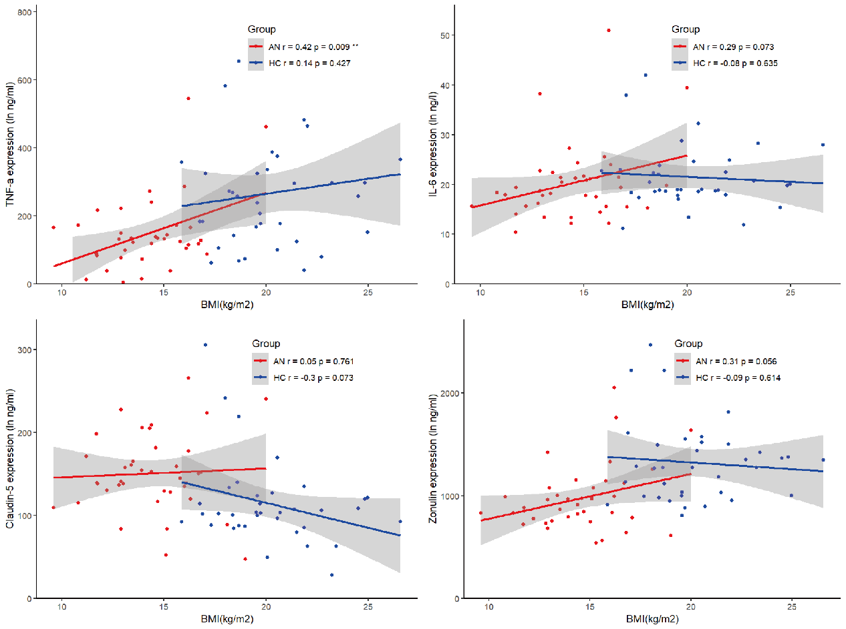
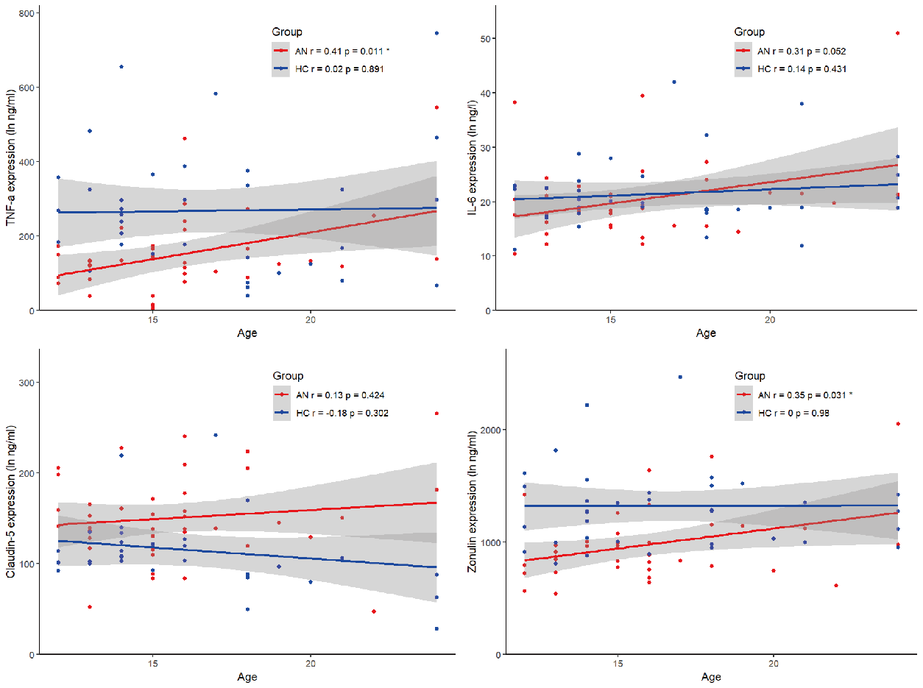

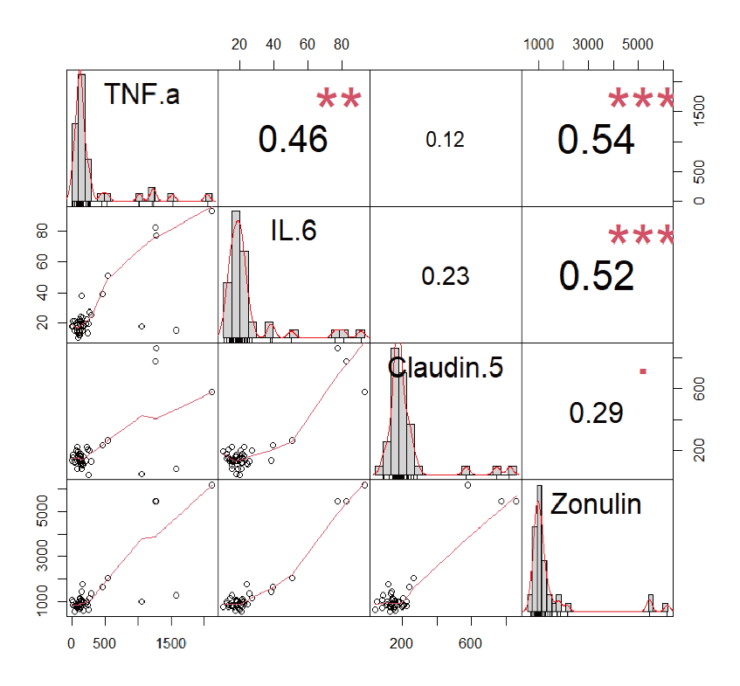

四种蛋白之间的相关性分析 |  |  |  |  | 和BMI的相关性Pearson | 和年龄的相关性Pearson

spearman | TNF.a | IL.6 | Claudin.5 | Zonulin
TNF.a | 1 | 0.46 | 0.12 | 0.54
IL.6 | 0.46 | 1 | 0.23 | 0.52
Claudin.5 | 0.12 | 0.23 | 1 | 0.29
Zonulin | 0.54 | 0.52 | 0.29 | 1

spearman | TNF.a | IL.6 | Claudin.5 | Zonulin
TNF.a | NA | 0.002 | 0.433 | <0.001
IL.6 | 0.002 | NA | 0.142 | <0.001
Claudin.5 | 0.433 | 0.142 | NA | 0.06
Zonulin | <0.001 | <0.001 | 0.06 | NA

逻辑回归结果
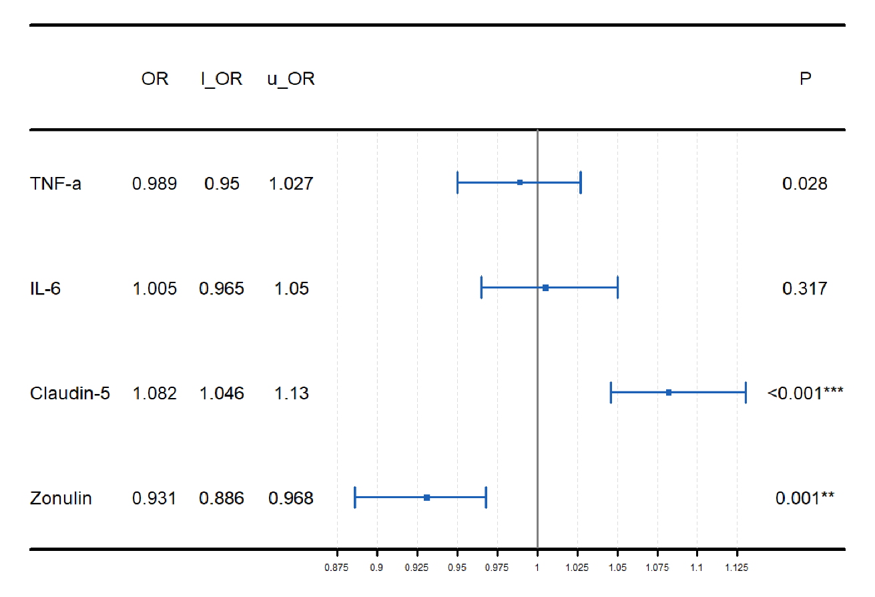
 | coef | lower | upper | p_vals | odds_ratios | odds_ratios_lower | odds_ratios_upper | p_vals
(Intercept) | -0.31761363412 | -1.9633952825 | 1.3281680143 | 0.70524226086 | 1.374 | 0.263 | 7.455 | 0.213
`TNF-a` | 0.010867697258 | -0.027308853917 | 0.049044248434 | 0.57687709822 | 0.989 | 0.95 | 1.027 | 0.028
`IL-6` | -0.0050671270519 | -0.046306689804 | 0.036172435701 | 0.80968978801 | 1.005 | 0.965 | 1.05 | 0.317
`Claudin-5` | -0.078790360077 | -0.11656465664 | -0.041016063515 | 4.35E-05 | 1.082 | 1.046 | 1.13 | <0.001***
Zonulin | 0.071343262346 | 0.028321275939 | 0.11436524875 | 0.001152981038 | 0.931 | 0.886 | 0.968 | 0.001**

