plot
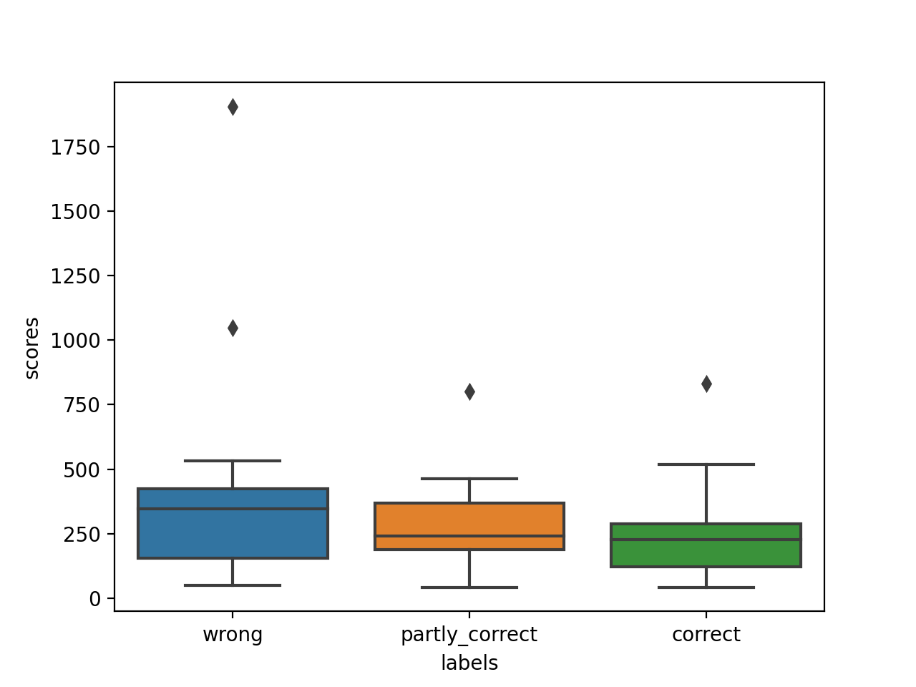

 |  |  |  |  | mean | median | count
 |  |  |  | wrong | 384.30760376 | 346.96757425 | 25 |  | 240.07559607 | 469.81156097 | 346.96757425 | 351.19452456 | 205.07379546 | 365.38672156 | 1905.6356477 | 531.71403599 | 249.67838384 | 86.213061054 | 321.42756231 | 49.537864306 | 423.56899024 | 405.67982038 | 77.194559394 | 466.25934805 | 155.26634206 | 1048.9093793 | 410.77101977 | 385.53066419 | 78.757886684 | 501.77209553 | 153.66789493 | 257.85514646 | 119.74061901
 |  |  |  | partly correct | 282.44783396 | 241.78580735 | 23 |  | 343.92634215 | 241.78580735 | 156.51874268 | 156.51874268 | 410.07036374 | 405.28280856 | 69.878465925 | 85.152803829 | 291.12611528 | 298.54464996 | 208.88873624 | 365.86898992 | 320.33796993 | 396.90952106 | 42.520583251 | 239.10542913 | 231.98964955 | 216.73406414 | 171.44980951 | 371.14863472 | 463.28194339 | 801.51912802 | 207.74087998
$$\sum_{n=1}^{5}{\sqrt{\left(\sum{ngrams}\right)×{10}^{n−1}}}$$
 |  |  |  | correct | 230.87266731 | 226.98626457 | 52 |  | 519.26643329 | 42.860237983 | 465.77053113 | 127.95897637 | 351.928158 | 225.46892675 | 158.69072429 | 105.55567251 | 70.505318948 | 452.71701451 | 254.42627592 | 204.58237523 | 392.18109188 | 61.294371683 | 46.583258795 | 222.30528682 | 278.77135919 | 248.8100727 | 258.74620171 | 152.39422561 | 125.97644765 | 72.691127382 | 315.26843901 | 157.18719356 | 326.83803537 | 152.80663614 | 246.44989116 | 140.52559542 | 395.3754361 | 55.190578906 | 41.91658383 | 188.66012739 | 450.85209357 | 348.25035644 | 228.50360239 | 83.468556954 | 266.08203666 | 132.96901584 | 195.55625469 | 85.218939686 | 315.5298942 | 89.330845737 | 832.93120413 | 387.70987554 | 275.45951433 | 100.81666529 | 100.81666529 | 268.72979219 | 268.72979219 | 254.60361349 | 230.05868816 | 230.05868816
 |  |  |  |  |  |  | 100
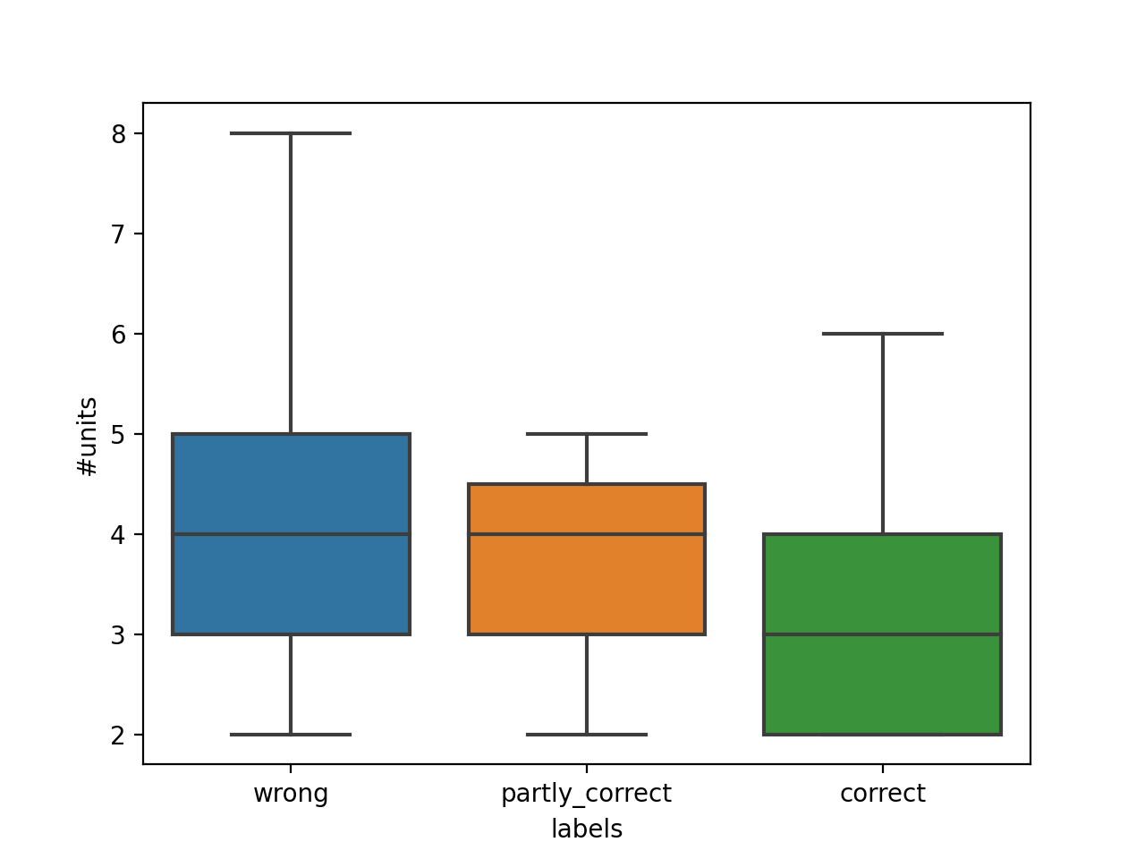
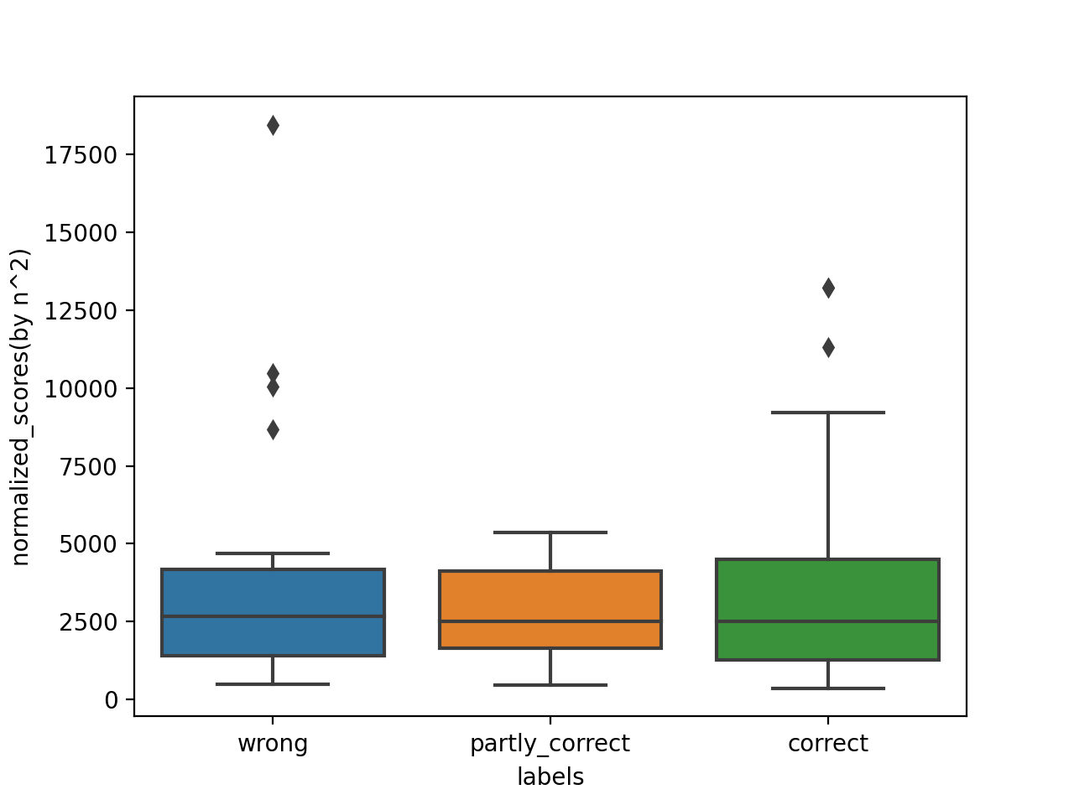

 |  |  |  |  | mean | median | count
 |  |  |  | wrong | 305.9670001 | 251.18007879 | 25 |  | 208.74121587 | 399.01087742 | 293.91460358 | 143.07350679 | 196.69933009 | 325.10795167 | 1779.1336265 | 361.3947255 | 218.94664414 | 76.304260003 | 251.18007879 | 49.537864306 | 412.54349426 | 369.49799469 | 77.194559394 | 416.02128892 | 139.23046175 | 445.74423944 | 284.27539985 | 316.67289268 | 73.92288685 | 342.21760986 | 112.47097249 | 249.20603581 | 107.13248199
 |  |  |  | partly correct | 210.88795292 | 225.0922683 | 23 |  | 292.54582093 | 196.99374339 | 128.65974383 | 128.65974383 | 316.40450308 | 288.90937535 | 69.878465925 | 85.152803829 | 273.96356842 | 236.79450268 | 140.44316977 | 318.55333216 | 246.46090732 | 267.15099075 | 42.520583251 | 225.0922683 | 214.55680973 | 211.01321518 | 141.25524522 | 298.76178989 | 290.15325104 | 286.01014735 | 150.48893582
 |  |  |  | correct | 186.35485485 | 179.67780403 | 52 |  | 390.56965027 | 42.860237983 | 278.66637313 | 118.78520919 | 286.39571534 | 207.76992131 | 152.5748795 | 105.55567251 | 70.505318948 | 369.87701998 | 231.7481165 | 183.95556099 | 296.47345447 | 61.294371683 | 46.583258795 | 205.83787076 | 251.68044634 | 240.16096206 | 174.98309406 | 152.39422561 | 115.83446643 | 72.691127382 | 179.06225128 | 124.06038485 | 300.00487527 | 148.48208082 | 180.29335677 | 134.80474646 | 274.95130199 | 55.190578906 | 41.91658383 | 113.42588305 | 357.01902605 | 328.31514142 | 203.66092343 | 83.468556954 | 257.99153448 | 115.67079455 | 150.82270662 | 65.519652684 | 165.7939686 | 89.330845737 | 343.57189452 | 298.8855121 | 244.65179987 | 100.81666529 | 100.81666529 | 230.00338903 | 230.00338903 | 254.60361349 | 230.05868816 | 230.05868816
 |  |  |  |  |  |  | 100

 |  |  |  |  | mean | median | count
 |  |  |  | wrong | 287.87160426 | 245.23865927 | 25 |  | 194.78963011 | 372.62447585 | 270.49399254 | 111.22949249 | 192.86523793 | 307.04559922 | 1745.1381034 | 324.71218025 | 205.22670392 | 71.867934435 | 225.5969858 | 49.537864306 | 407.47637968 | 353.16143617 | 77.194559394 | 400.75304116 | 132.02272532 | 387.6299782 | 254.62521478 | 293.94557319 | 71.721684308 | 305.0819562 | 95.341491492 | 245.23865927 | 101.46920715
 |  |  |  | partly correct | 193.05307772 | 213.91820867 | 23 |  | 274.76535444 | 180.20543832 | 116.49034295 | 116.49034295 | 292.93856011 | 259.62858086 | 69.878465925 | 85.152803829 | 266.14469749 | 213.91820867 | 113.30048544 | 300.35811958 | 222.85869963 | 236.69389515 | 42.520583251 | 218.70756731 | 206.65188119 | 208.38426044 | 128.05467582 | 272.0386002 | 251.13940352 | 233.76911687 | 130.13070353
 |  |  |  | correct | 175.07904298 | 157.14308244 | 52 |  | 362.04005303 | 42.860237983 | 241.33793734 | 114.62111498 | 264.00568176 | 199.75234667 | 149.77316181 | 105.55567251 | 70.505318948 | 344.17001613 | 221.50846485 | 174.67684449 | 275.4777668 | 61.294371683 | 46.583258795 | 198.36834425 | 242.46030603 | 236.19483483 | 145.79094622 | 152.39422561 | 111.24297731 | 72.691127382 | 147.71932846 | 113.61337949 | 287.86281455 | 146.49573373 | 161.89193927 | 132.18547575 | 246.57250455 | 55.190578906 | 41.91658383 | 95.084173236 | 324.12651851 | 319.2287581 | 192.51493449 | 83.468556954 | 254.27740757 | 107.96758773 | 131.76873681 | 57.140178509 | 132.74034805 | 89.330845737 | 296.99326592 | 274.12405951 | 230.84410324 | 100.81666529 | 100.81666529 | 215.6965461 | 215.6965461 | 254.60361349 | 230.05868816 | 230.05868816
 |  |  |  |  |  |  | 100

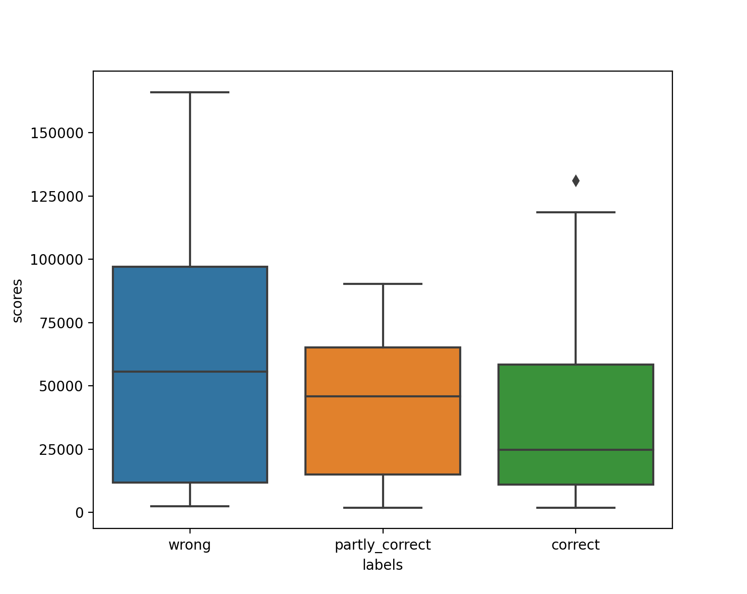

$$\sum_{n=1}^{5}{\sum{ngrams}}$$
 |  |  |  |  | mean | median | count
 |  |  |  | wrong | 183975 | 60142 | 25 |  | 37943 | 138849 | 73167 | 12372 | 37197 | 94277 | 3045507 | 105438 | 42118 | 5165 | 50894 | 2454 | 166037 | 124723 | 5959 | 160603 | 17430 | 150257 | 64834 | 86404 | 5144 | 93075 | 9090 | 60142 | 10296
 |  |  |  | partly correct | 42896.782609 | 45761 | 23 |  | 75496 | 32474 | 13570 | 13570 | 85813 | 67407 | 4883 | 7251 | 70833 | 45761 | 12837 | 90215 | 49666 | 56024 | 1808 | 47833 | 42705 | 43424 | 16398 | 74005 | 63071 | 54648 | 16934
 |  |  |  | correct | 38076.038462 | 24716.5 | 52 |  | 131073 | 1837 | 58244 | 13138 | 69699 | 39901 | 22432 | 11142 | 4971 | 118453 | 49066 | 30512 | 75888 | 3757 | 2170 | 39350 | 58787 | 55788 | 21255 | 23224 | 12375 | 5284 | 21821 | 12908 | 82865 | 21461 | 26209 | 17473 | 60798 | 3046 | 1757 | 9041 | 105058 | 101907 | 37062 | 6967 | 64657 | 11657 | 17363 | 3265 | 17620 | 7980 | 88205 | 75144 | 53289 | 10164 | 10164 | 46525 | 46525 | 64823 | 52927 | 52927
 |  |  |  |  |  |  | 100

label |  | units
correct | 131073 | 4
correct | 1837 | 2
correct | 58244 | 4
correct | 13138 | 3
correct | 69699 | 5
correct | 39901 | 3
correct | 22432 | 3
correct | 11142 | 2
correct | 4971 | 2
correct | 118453 | 5
correct | 49066 | 3
correct | 30512 | 4
correct | 75888 | 6
correct | 3757 | 2
correct | 2170 | 2
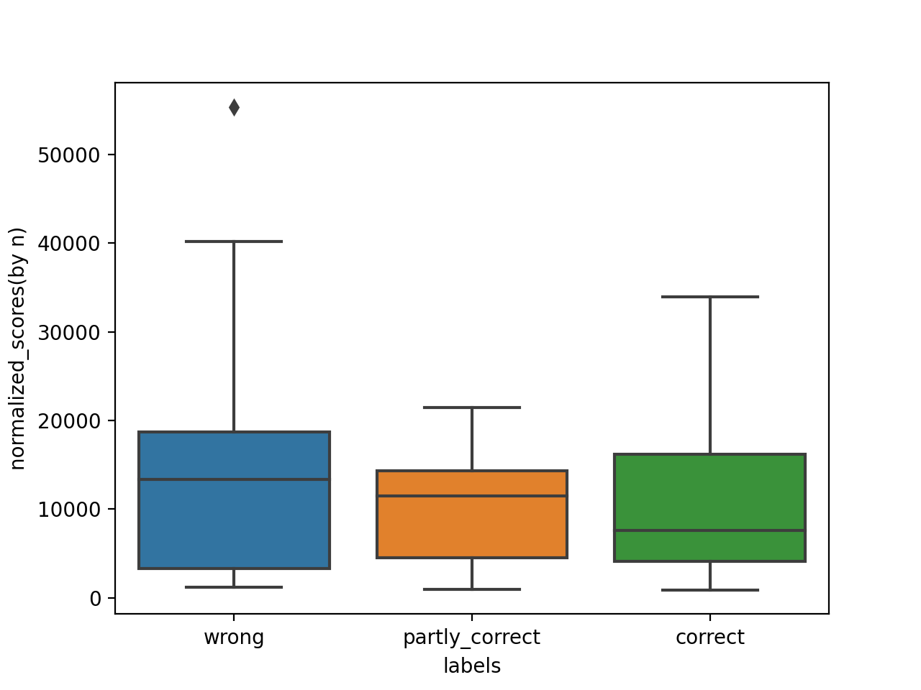
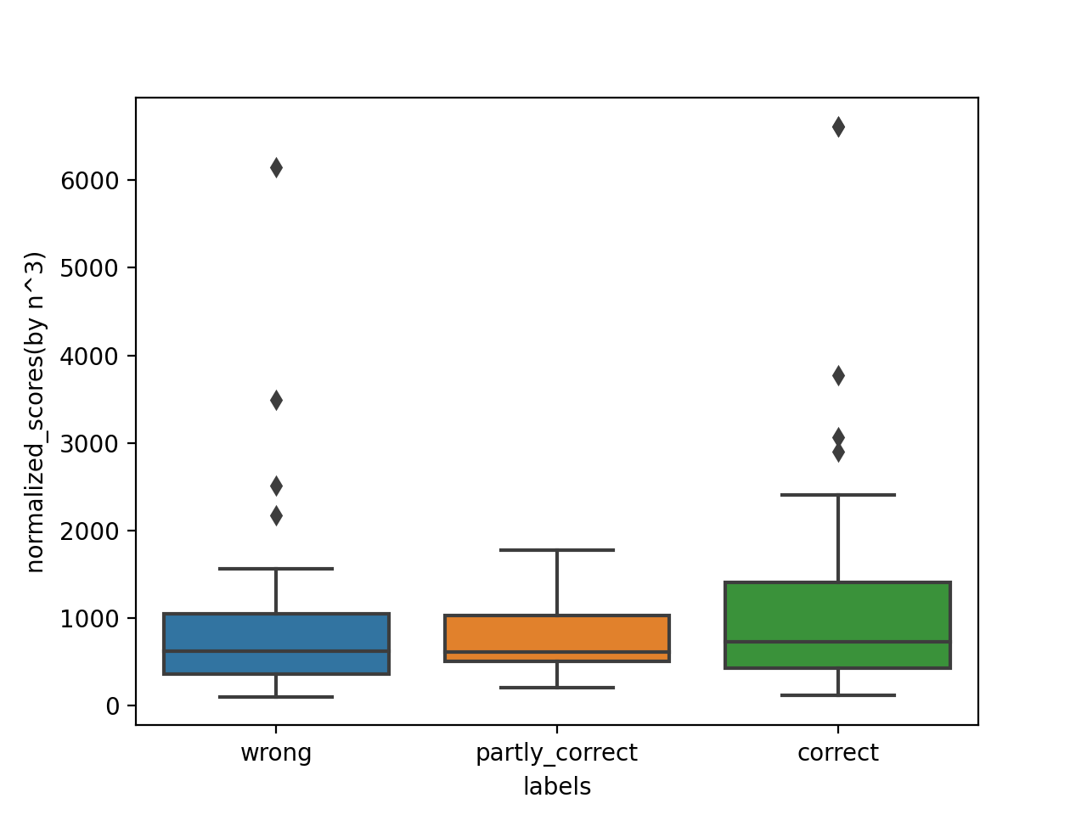
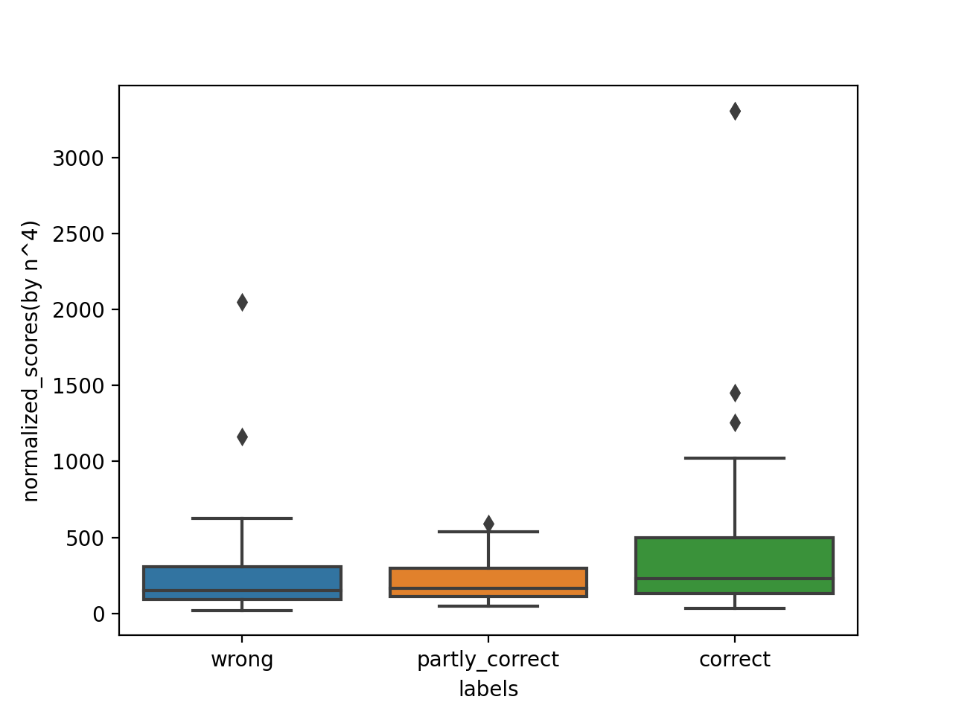
correct | 39350 | 3
correct | 58787 | 4
correct | 55788 | 3
correct | 21255 | 5
correct | 23224 | 2 | 4 | 2 | 4 | 3 | 5 | 3 | 3 | 2 | 2 | 5 | 3 | 4 | 6 | 2 | 2 | 3 | 4 | 3 | 5 | 2 | 3 | 2 | 5 | 4 | 3 | 3 | 4 | 3 | 4 | 2 | 2 | 4 | 4 | 3 | 4 | 2 | 4 | 3 | 3 | 3 | 4 | 3 | 5 | 4 | 3 | 2 | 2 | 4 | 4 | 3 | 2 | 2
correct | 12375 | 3
correct | 5284 | 2
correct | 21821 | 5
correct | 12908 | 4
correct | 82865 | 3
correct | 21461 | 3
correct | 26209 | 4
correct | 17473 | 3
correct | 60798 | 4
correct | 3046 | 2
correct | 1757 | 2
correct | 9041 | 4
correct | 105058 | 4
correct | 101907 | 3
correct | 37062 | 4
correct | 6967 | 2
correct | 64657 | 4
correct | 11657 | 3
correct | 17363 | 3
correct | 3265 | 3
correct | 17620 | 4
correct | 7980 | 3
correct | 88205 | 5
correct | 75144 | 4
correct | 53289 | 3
correct | 10164 | 2
correct | 10164 | 2
correct | 46525 | 4
correct | 46525 | 4
correct | 64823 | 3
correct | 52927 | 2
correct | 52927 | 2

25
0

Sheet3
wrong | 30 | 30%
partly correct | 21 | 21%
correct | 49 | 49%
total | 100

Correct translations
correct
BPE performance on OOV word
name | 34 | 69.38% | 69.387755102
non-name (compounds and others) | 15 | 30.62% | 30.612244898
 |  |  | 100

worng

name | 1 | 3.33% | 3.3333333333
non-name (compounds and others) | 29 | 96.66% | 96.666666667

among non names | 10.344827586 | synonyms

Wrong translations
Partly correct translations
partly correct
name | 0 | 0%
non-name (compounds and others) | 21 | 100%

