1r
ENID (5-7yr) EPIC dataset: batch, PC and covariate correlation p-values

 | Sex | SoC | Sample_Plate | Slide | sentrix_row | Bcell | CD4T | CD8T | Gran | Mono | NK | mob | moc | village | PC1 | PC2 | PC3 | PC4 | PC5
SoC | 1.00E+00
Sample_Plate | 5.78E-01 | 1.00E+00
Slide | 9.96E-01 | 2.80E-01 | 4.40E-20
sentrix_row | 9.00E-01 | 1.41E-01 | 9.96E-01 | 1.00E+00
Bcell | 5.46E-01 | 9.18E-01 | 7.38E-01 | 7.45E-02 | 8.85E-01
CD4T | 2.86E-01 | 6.87E-01 | 8.79E-01 | 2.19E-01 | 7.48E-01 | 7.41E-10
CD8T | 7.65E-01 | 8.74E-01 | 5.63E-01 | 4.01E-01 | 9.46E-02 | 2.13E-03 | 1.73E-07
Gran | 7.07E-01 | 8.64E-01 | 8.82E-01 | 1.20E-01 | 9.32E-01 | 1.20E-21 | 4.82E-29 | 6.09E-20
Mono | 6.05E-01 | 3.91E-01 | 4.73E-01 | 4.23E-01 | 8.94E-01 | 4.74E-05 | 7.89E-13 | 8.35E-02 | 6.81E-04
NK | 5.58E-01 | 2.42E-01 | 2.56E-01 | 5.79E-01 | 1.07E-01 | 1.96E-01 | 6.37E-01 | 1.57E-05 | 1.02E-01 | 1.76E-01
mob | 2.73E-01 | 4.15E-24 | 9.65E-01 | 5.75E-01 | 7.43E-01 | 7.16E-02 | 5.44E-02 | 2.81E-01 | 6.28E-03 | 7.73E-01 | 4.55E-01
moc | 6.82E-01 | 6.00E-20 | 5.02E-01 | 2.97E-01 | 7.63E-02 | 2.93E-01 | 3.55E-01 | 5.91E-01 | 3.16E-01 | 8.07E-01 | 4.33E-01 | 2.38E-91
village | 4.96E-01 | 7.02E-01 | 2.54E-01 | 7.86E-01 | 3.62E-01 | 5.91E-01 | 6.10E-01 | 2.04E-01 | 6.40E-01 | 6.53E-01 | 3.71E-01 | 7.08E-01 | 7.01E-01
PC1 | 5.41E-02 | 7.38E-01 | 1.78E-01 | 7.68E-02 | 4.15E-01 | 1.17E-03 | 7.74E-01 | 3.18E-01 | 3.20E-01 | 5.00E-01 | 1.74E-03 | 1.96E-01 | 2.40E-01 | 5.07E-01
PC2 | 1.25E-01 | 7.11E-02 | 9.93E-01 | 1.42E-01 | 4.89E-02 | 4.50E-01 | 3.62E-01 | 1.58E-04 | 6.47E-01 | 2.70E-03 | 6.40E-09 | 5.97E-02 | 3.25E-01 | 3.95E-01 | 9.44E-01
PC3 | 2.45E-02 | 2.80E-01 | 6.67E-01 | 7.27E-02 | 9.65E-01 | 5.45E-01 | 1.30E-01 | 1.04E-04 | 8.10E-02 | 7.02E-01 | 8.79E-04 | 4.42E-02 | 1.58E-01 | 3.94E-01 | 9.30E-01 | 9.16E-01
PC4 | 9.98E-01 | 3.89E-01 | 9.93E-01 | 2.30E-01 | 5.96E-01 | 1.48E-08 | 5.01E-14 | 5.58E-12 | 3.37E-25 | 2.96E-03 | 3.15E-01 | 1.69E-01 | 7.81E-01 | 6.34E-01 | 9.86E-01 | 9.63E-01 | 9.74E-01
PC5 | 8.96E-01 | 7.67E-01 | 3.33E-03 | 2.02E-03 | 7.58E-01 | 9.18E-07 | 6.42E-08 | 5.36E-04 | 3.33E-10 | 5.00E-05 | 5.98E-03 | 6.79E-01 | 8.06E-01 | 5.72E-01 | 9.78E-01 | 9.80E-01 | 9.22E-01 | 9.77E-01
PC6 | 2.96E-01 | 8.74E-01 | 4.03E-06 | 4.41E-06 | 3.10E-02 | 1.19E-01 | 5.76E-01 | 9.33E-01 | 8.05E-01 | 9.94E-01 | 3.20E-03 | 4.52E-01 | 5.42E-01 | 7.59E-01 | 9.40E-01 | 9.71E-01 | 9.58E-01 | 9.63E-01 | 9.84E-01

Association tests
continous variables |  | Pearson correlation |  |  |  |  |  |  |  | PC scree plot
binary vs continous |  | Wilcoxon rank sum
categorical (> 2 leves) vs continuous |  | Kruskal-Wallis rank sum
categorical vs categorial |  | Chi-squared

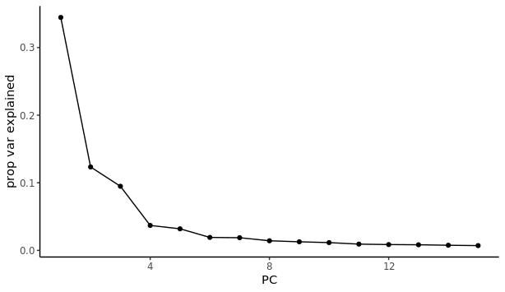
mob: month of birth
moc: month of conception
SoC: binary variable (dry: Jan-Jun; rainy: Jul-Dec)

