Categorical variables
Condition | Variable | Alpha | Lower | Upper | N flakes
A | Reduction system | 0.11 | -0.08 | 0.33 | 44
B | Flake form | 0.4597 | 0.31 | 0.58 | 50
B | Completeness | 0.45 | 0.26 | 0.64 | 49 | krippendorffs.alpha
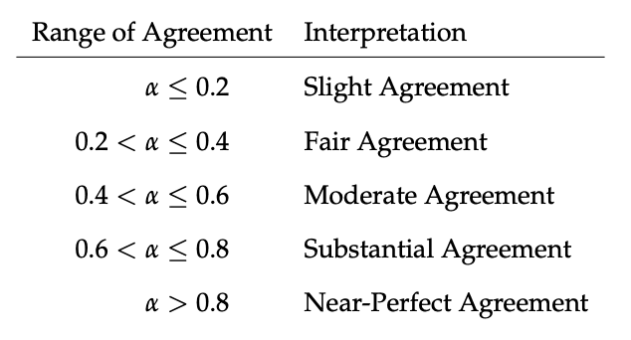
B | Platform cortex | 0.51 | 0.33 | 0.65 | 48
B | Scar directionality | 0.17 | 0.11 | 0.26 | 44
B | Platform morphology | 0.46 | 0.35 | 0.61 | 44
B | Platform lipping | 0.11 | -0.09 | 0.29 | 41
B | Bulb | 0.57 | 0.42 | 0.74 | 47
B | Shattered bulb | 0.27 | 0.16 | 0.39 | 49
B | Initiation | 0.10 | -0.57 | 0.62 | 47
B | Ventral plan form | 0.19 | 0.14 | 0.26 | 43
B | Flake cross section shape | 0.35 | 0.27 | 0.43 | 49
B | Lateral edge shape | 0.35 | 0.28 | 0.43 | 47
B | Flake termination | 0.31 | 0.17 | 0.46 | 46
B | Kombewa | 0.15 | -0.30 | 0.58 | 49
B | Distal plan form | 0.33 | 0.25 | 0.41 | 44
A | Reduction system | 0.32 | 0.19 | 0.46 | 50.00
A | Flake form | 0.33 | 0.14 | 0.55 | 48
A | Completeness | 0.53 | 0.37 | 0.70 | 50
A | Platform cortex | 0.64 | 0.48 | 0.81 | 50
A | Scar directionality | 0.17 | 0.12 | 0.24 | 47
A | Platform morphology | 0.39 | 0.29 | 0.47 | 47
A | Platform lipping | 0.11 | -0.16 | 0.36 | 47
A | Bulb | 0.39 | 0.19 | 0.59 | 50
A | Shattered bulb | 0.29 | 0.17 | 0.42 | 50
A | Initiation | 0.08 | -0.44 | 0.59 | 50
A | Ventral plan form | 0.10 | 0.05 | 0.16 | 47
A | Flake cross section shape | 0.29 | 0.19 | 0.38 | 50
A | Lateral edge shape | 0.35 | 0.29 | 0.42 | 48
A | Flake termination | 0.23 | 0.05 | 0.49 | 49
A | Kombewa | 0.16 | -0.67 | 0.87 | 50
A | Distal plan form | 0.40 | 0.31 | 0.52 | 45

