Count and continuous_analyst
Data class | Variable | Repeatability est. analyst | Upper | Lower | N flakes | Notes
Continuous | Cortex | 0.93 | 0.91 | 0.94 | 99 | strange distribution
 | Maximum dimension | 0.98 | 0.97 | 0.98 | 99
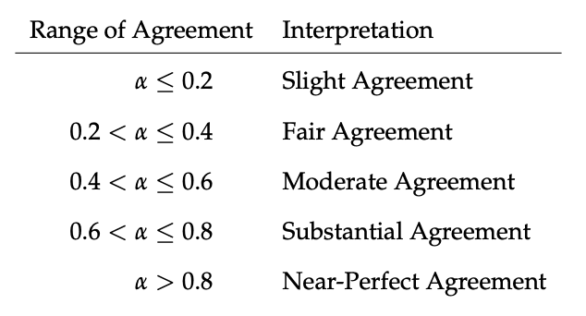
 | Mass | 0.999 | 0.999 | 1.000 | 99 |  | krippendorffs.alpha
 | Width | 0.96 | 0.95 | 0.97 | 99
 | Maximum thickness | 0.89 | 0.86 | 0.92 | 99
 | Technological length | 0.79 | 0.74 | 0.84 | 99
 | Technological maximum width | 0.83 | 0.78 | 0.87 | 99
 | Technological maximum thickness | 0.83 | 0.79 | 0.87 | 99
 | Technological width proximal | 0.82 | 0.78 | 0.86 | 99
 | Technological width mesial | 0.84 | 0.79 | 0.87 | 99
 | Technological width distal | 0.77 | 0.72 | 0.82 | 99
 | Technological thickness proximal | 0.78 | 0.73 | 0.83 | 99
 | Technological thickness mesial | 0.88 | 0.84 | 0.91 | 99
 | Technological thickness distal | 0.83 | 0.79 | 0.87 | 99
 | Platform width | 0.81 | 0.76 | 0.85 | 99
 | Platform thickness | 0.80 | 0.75 | 0.85 | 99
 | Platform thickness impact point | 0.82 | 0.77 | 0.86 | 99
 | Platform thickness mid point | 0.77 | 0.70 | 0.82 | 99
 | EPA | 0.01 | 0.00 | 0.04 | 99 | strange distribution
Count | Proximal scar counts | 0.57 | 0.47 | 0.65 | 99
 | Left scar counts | 0.47 | 0.29 | 0.56 | 99
 | Distal scar counts | 0.47 | 0.35 | 0.57 | 99
 | Right scar counts | 0.50 | 0.36 | 0.61 | 99
 | Dorsal scar counts | 0.65 | 0.55 | 0.72 | 99

