1
Price From Supplier --> Barang Stock
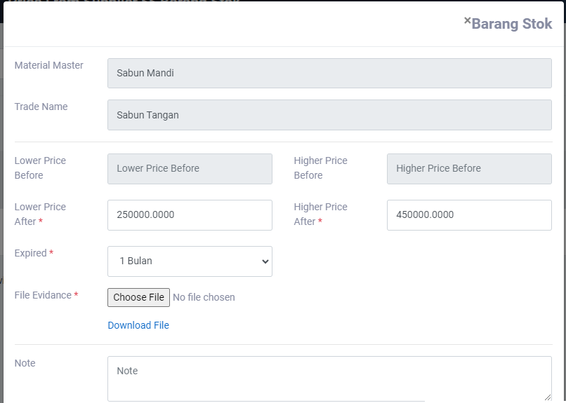
Req. ganti ke Master Stock

2
Menu Price From Supplier --> Barang Stock
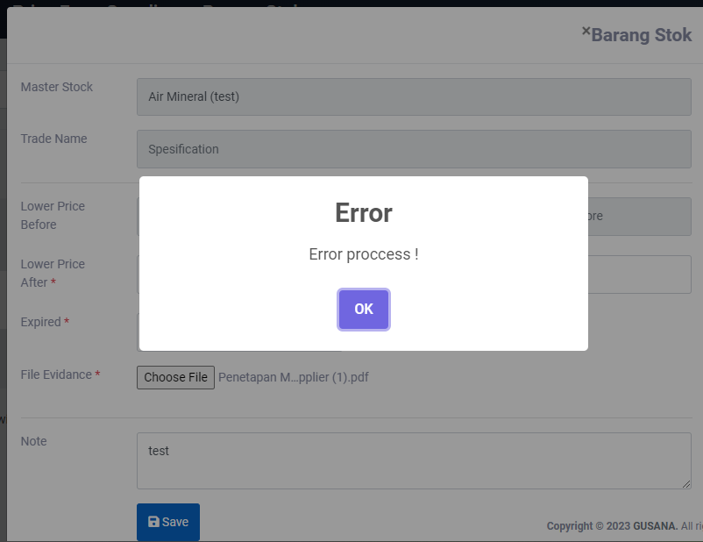

Tidak bisa save

Sheet2
Menu Price Reference
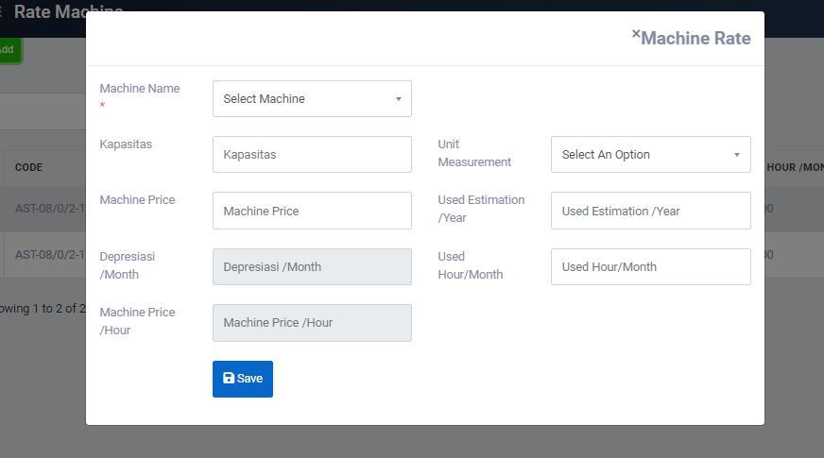

Req Machine price otomatis dari Master Aset --> Aset

Pending dl
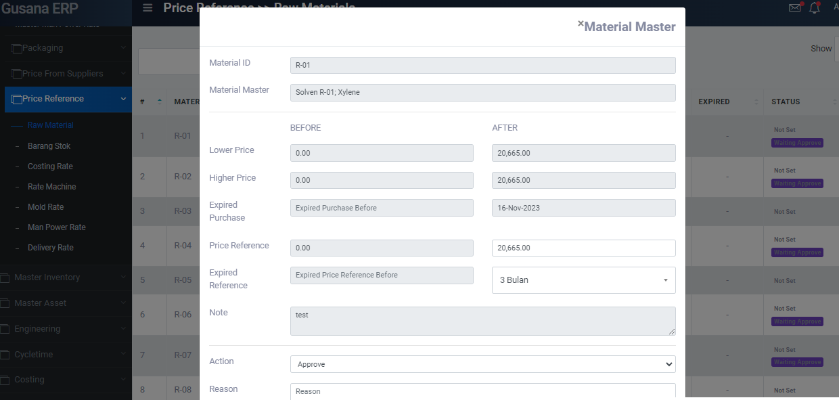

RMB (¥) | ¥2,147 | ¥9.63

USD ($) | $15,000 | $1.38

Request peambahan kurs di menu price reference --> Raw Material

