Bug #2
BugTicketID | #2
Summary | Calendar popup highlights today when a leap year date is set
Description | When user selects a leap year, eg 2/29/2020 and opens the calendar popup again, instead of 29 then todays date is marked yellow
Repro steps | Open site Use the calendar popup and select leapyear date 2/29/2020 for Entry date Click on 29 in the popup Reopen Calendar
Expection | 29 should be highlighted, but instead, today's date is highlited, so in this case, 6th.
Found in version | v1.0
Fixed in version | TBD
Created date | 12/6/19
Assigned To | Developer
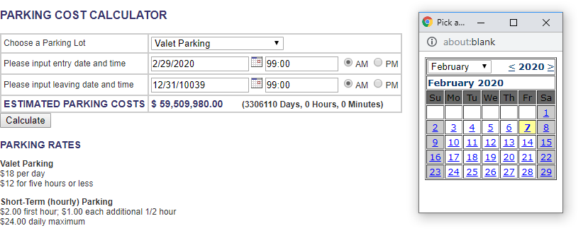
Attahcments | See screenshot
Created By / Reporter | GL
Status | Open
Sprint | 2019/Q4/I1

Bug #3
BugTicketID | #3
Summary | User could enter dates with negative mark
Description | User could enter dates below Year 0, and do calculations
Repro steps | Open site Use the calendar popup and select the following date 0/00/0000 for Entry date Backward with 2 years, using the '<' mark. Select December 1 in year -2, click on the date Set the same but with December 2 Year -2 for Leaving date Press Calculate
Expection | User should be limited, to enter only valid dates.
Found in version | v1.0
Fixed in version | TBD
Created date | 12/6/19
Assigned To | Product Owner
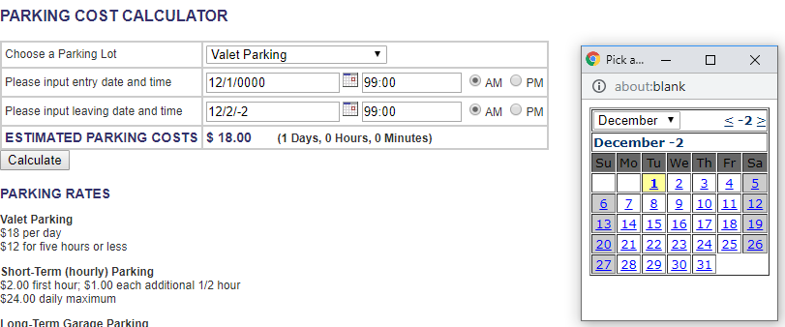
Attahcments | See screenshot
Created By / Reporter | GL
Status | Open
Sprint | 2019/Q4/I1

