Summary_Dashboard
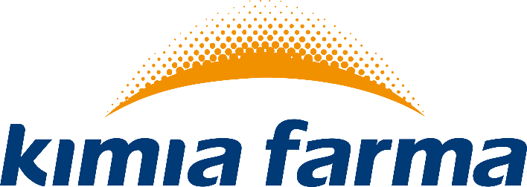

 | Report Penjualan PT. Kimia Farma. Tbk

 |  |  |  | Jumlah Penghasilan Keseluruhan | Rp90,744,625

Jumlah Invoice | 132 | Jumlah Barang Terjual Keseluruhan | 2,239 |  |  | Jumlah Distributor | 350

Total Pelanggan
 | Total
APOTEK TAPAK | 30
KLINIK GM | 24
APOTEK MERDEKA | 24
KLINIK SAHABAT | 17
APOTEK MAJA | 17
APOTEK SINAR JAYA | 8
KLINIK DR. ANDRI | 7
APOTEK SAHABAT | 5
Total Barang Terjual
 | Total
AMBROXOL HC | 336
PARACETAMOL | 289
TETRACYCLINE KAPSUL 250 MG | 273
TRAMADOL KAPSUL 50 MG | 269
KLORPROMAZINA TABLET SALUT SELAPUT 100 MG | 242
ACYCLOVIR DUS | 219
KETOCONAZOLE TABLET 200 MG | 207
ERGOTAMINE COFFEINE | 184
AMPICILLIN | 126
ALERGINE TABLET SALUT | 93
Total Pendapatan
 | Total
APOTEK SAHABAT | 1,887,187
KLINIK DR. ANDRI | 2,702,058
APOTEK MAJA | 8,851,487
APOTEK SINAR JAYA | 9,220,709
KLINIK GM | 9,469,900
KLINIK SAHABAT | 10,176,031
APOTEK TAPAK | 18,401,913
APOTEK MERDEKA | 30,035,339

