Coronavirus analysis
 |  | Return to contents
Registers of Scotland
Data and statistics

1. Volume of residential property sales by weekday: Scotland, March 2020
2. Volume of residential property sales: Scotland, since January 2017, monthly data

1. Volume of residential property sales by weekday: Scotland, March 2020
These statistics include market value residential sales in Scotland between £20,000 and £1,000,000 and are based on date of registration with Registers of Scotland. Only sales registered on a weekday in March 2020 (excludes weekends - Saturday and Sunday) are included and, therefore, the March 2020 total may be different to the March 2020 total in table 2. Sales registered at weekend very low (if any) so effect of excluding minor.

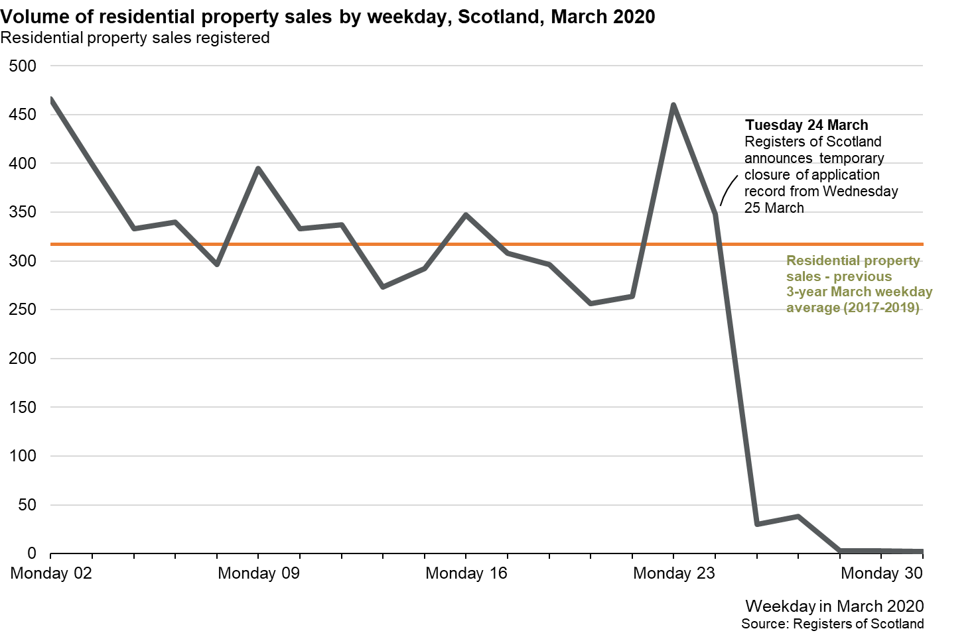
Date (weekday only) | Volume of residential property sales

2020-03-02 | 466
2020-03-03 | 399
2020-03-04 | 333
2020-03-05 | 340
2020-03-06 | 296
2020-03-09 | 395
2020-03-10 | 333
2020-03-11 | 337
2020-03-12 | 273
2020-03-13 | 292
2020-03-16 | 347
2020-03-17 | 308
2020-03-18 | 296
2020-03-19 | 256
2020-03-20 | 264
2020-03-23 | 460
2020-03-24 | 348
2020-03-25 | 30
2020-03-26 | 38
2020-03-27 | 3
2020-03-30 | 3
2020-03-31 | 2

1 Previous 3-year March weekday average (2017, 2018 and 2019) could be affected by moveable public holidays and office closures. Average = 317 market value residential property sales.

Last updated: 1 May 2020

2. Volume of residential property sales: Scotland, since January 2017, monthly data
These statistics include all market value residential sales in Scotland between £20,000 and £1,000,000 and are based on date of registration with Registers of Scotland.

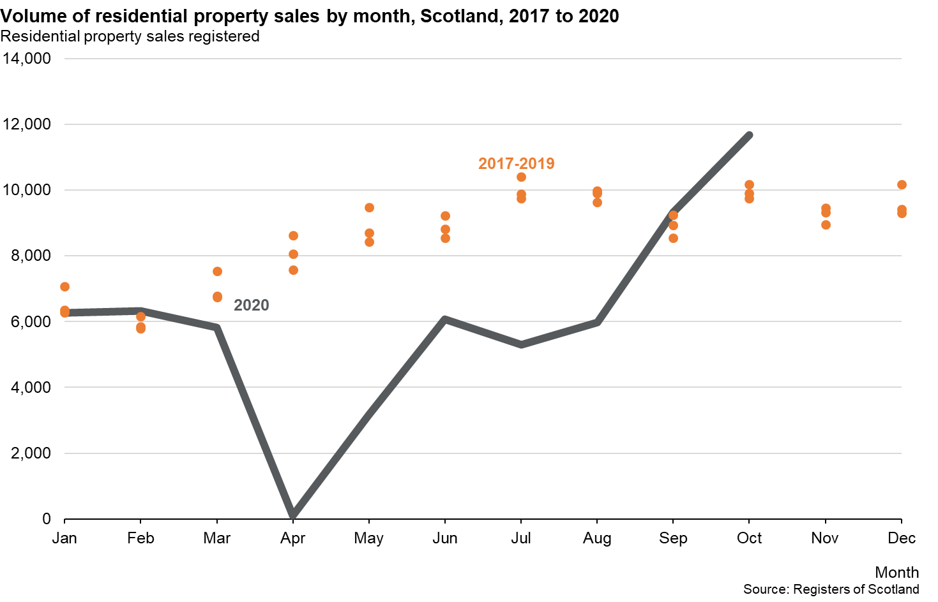
Date | Volume of residential property sales

2017-01-01 | 6,345
2017-02-01 | 6,158
2017-03-01 | 7,546
2017-04-01 | 8,051
2017-05-01 | 9,467
2017-06-01 | 9,217
2017-07-01 | 9,739
2017-08-01 | 9,981
2017-09-01 | 8,941
2017-10-01 | 9,744
2017-11-01 | 9,452
2017-12-01 | 9,295
2018-01-01 | 6,281
2018-02-01 | 5,850
2018-03-01 | 6,788
2018-04-01 | 7,580
2018-05-01 | 8,435
2018-06-01 | 8,816
2018-07-01 | 10,399
2018-08-01 | 9,892
2018-09-01 | 8,548
2018-10-01 | 10,169
2018-11-01 | 9,322
2018-12-01 | 9,424
2019-01-01 | 7,065
2019-02-01 | 5,783
2019-03-01 | 6,741
2019-04-01 | 8,631
2019-05-01 | 8,707
2019-06-01 | 8,544
2019-07-01 | 9,877
2019-08-01 | 9,630
2019-09-01 | 9,238
2019-10-01 | 9,903
2019-11-01 | 8,959
2019-12-01 | 10,176
2020-01-01 | 6,275
2020-02-01 | 6,319
2020-03-01 | 5,819
2020-04-01 | 100
2020-05-01 | 3,172
2020-06-01 | 6,082
2020-07-01 | 5,301
2020-08-01 | 5,967
2020-09-01 | 9,339
2020-10-01 | 11,667

Telephone: 0131 659 6111
Email: data@ros.gov.uk

Source: Land and Property Data Team, Registers of Scotland
Last Updated: 1 December 2020

