p2_q1MMF
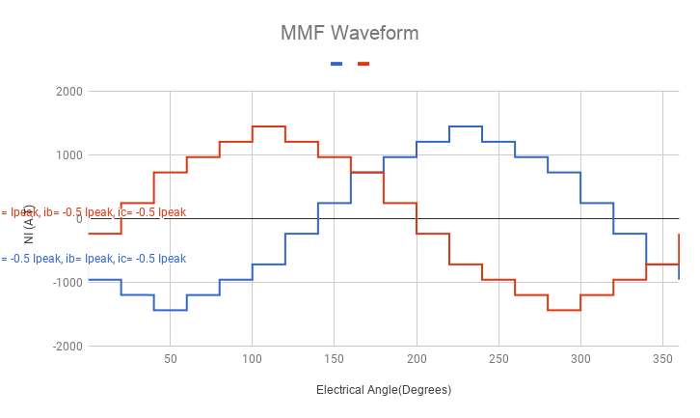
Ipeak | Ia | Ib | Ic | N |  | 1 |  | 2 |  | 3 |  | 4 |  | 5 |  | 6 |  | 7 |  | 8 |  | 9 |  | 10 |  | 11 |  | 12 |  | 13 |  | 14 |  | 15 |  | 16 |  | 17 |  | 18
4.9497474683 | 4.9497474683 | -2.4748737342 | -2.4748737342 | 97 |  | 480.12550443 |  | 480.12550443 |  | 480.12550443 |  | 240.06275221 |  | 240.06275221 |  | 240.06275221 |  | -240.06275221 |  | -240.06275221 |  | -240.06275221 |  | -480.12550443 |  | -480.12550443 |  | -480.12550443 |  | -240.06275221 |  | -240.06275221 |  | -240.06275221 |  | 240.06275221 |  | 240.06275221 |  | 240.06275221
 |  |  |  | ia= Ipeak, ib= -0.5 Ipeak, ic= -0.5 Ipeak | -240.06275221 | -240.06275221 | 240.06275221 | 240.06275221 | 720.18825664 | 720.18825664 | 960.25100885 | 960.25100885 | 1200.3137611 | 1200.3137611 | 1440.3765133 | 1440.3765133 | 1200.3137611 | 1200.3137611 | 960.25100885 | 960.25100885 | 720.18825664 | 720.18825664 | 240.06275221 | 240.06275221 | -240.06275221 | -240.06275221 | -720.18825664 | -720.18825664 | -960.25100885 | -960.25100885 | -1200.3137611 | -1200.3137611 | -1440.3765133 | -1440.3765133 | -1200.3137611 | -1200.3137611 | -960.25100885 | -960.25100885 | -720.18825664 | -720.18825664 | -240.06275221

 | -2.4748737342 | 4.9497474683 | -2.4748737342 | 97 |  | -240.06275221 |  | -240.06275221 |  | -240.06275221 |  | 240.06275221 |  | 240.06275221 |  | 240.06275221 |  | 480.12550443 |  | 480.12550443 |  | 480.12550443 |  | 240.06275221 |  | 240.06275221 |  | 240.06275221 |  | -240.06275221 |  | -240.06275221 |  | -240.06275221 |  | -480.12550443 |  | -480.12550443 |  | -480.12550443
 |  |  |  | ia= -0.5 Ipeak, ib= Ipeak, ic= -0.5 Ipeak | -960.25100885 | -960.25100885 | -1200.3137611 | -1200.3137611 | -1440.3765133 | -1440.3765133 | -1200.3137611 | -1200.3137611 | -960.25100885 | -960.25100885 | -720.18825664 | -720.18825664 | -240.06275221 | -240.06275221 | 240.06275221 | 240.06275221 | 720.18825664 | 720.18825664 | 960.25100885 | 960.25100885 | 1200.3137611 | 1200.3137611 | 1440.3765133 | 1440.3765133 | 1200.3137611 | 1200.3137611 | 960.25100885 | 960.25100885 | 720.18825664 | 720.18825664 | 240.06275221 | 240.06275221 | -240.06275221 | -240.06275221 | -720.18825664 | -720.18825664 | -960.25100885

 |  |  |  |  | 0.001 | 19.999 | 20.000 | 39.999 | 40.000 | 59.999 | 60.000 | 79.999 | 80.000 | 99.999 | 100.000 | 119.999 | 120.000 | 139.999 | 140.000 | 159.999 | 160.000 | 179.999 | 180.000 | 199.999 | 200.000 | 219.999 | 220.000 | 239.999 | 240.000 | 259.999 | 260.000 | 279.999 | 280.000 | 299.999 | 300.000 | 319.999 | 320.000 | 339.999 | 340.000 | 359.999 | 360.000

p2_q1MMF(2)
Ipeak | Ia | Ib | Ic | N |  | 1 |  | 2 |  | 3 |  | 4 |  | 5 |  | 6 |  | 7 |  | 8 |  | 9 |  | 10 |  | 11 |  | 12 |  | 13 |  | 14 |  | 15 |  | 16 |  | 17 |  | 18
4.9497474683 | 4.9497474683 | -2.4748737342 | -2.4748737342 | 97 |  | 480.12550443 |  | 480.12550443 |  | 480.12550443 |  | 240.06275221 |  | 240.06275221 |  | 240.06275221 |  | -240.06275221 |  | -240.06275221 |  | -240.06275221 |  | -480.12550443 |  | -480.12550443 |  | -480.12550443 |  | -240.06275221 |  | -240.06275221 |  | -240.06275221 |  | 240.06275221 |  | 240.06275221 |  | 240.06275221
 |  |  |  | ia= Ipeak, ib= -0.5 Ipeak, ic= -0.5 Ipeak | -240.06275221 | -240.06275221 | 240.06275221 | 240.06275221 | 720.18825664 | 720.18825664 | 960.25100885 | 960.25100885 | 1200.3137611 | 1200.3137611 | 1440.3765133 | 1440.3765133 | 1200.3137611 | 1200.3137611 | 960.25100885 | 960.25100885 | 720.18825664 | 720.18825664 | 240.06275221 | 240.06275221 | -240.06275221 | -240.06275221 | -720.18825664 | -720.18825664 | -960.25100885 | -960.25100885 | -1200.3137611 | -1200.3137611 | -1440.3765133 | -1440.3765133 | -1200.3137611 | -1200.3137611 | -960.25100885 | -960.25100885 | -720.18825664 | -720.18825664 | -240.06275221

 | -2.4748737342 | 4.9497474683 | -2.4748737342 | 97 |  | -240.06275221 |  | -240.06275221 |  | -240.06275221 |  | 240.06275221 |  | 240.06275221 |  | 240.06275221 |  | 480.12550443 |  | 480.12550443 |  | 480.12550443 |  | 240.06275221 |  | 240.06275221 |  | 240.06275221 |  | -240.06275221 |  | -240.06275221 |  | -240.06275221 |  | -480.12550443 |  | -480.12550443 |  | -480.12550443
 |  |  |  | ia= -0.5 Ipeak, ib= Ipeak, ic= -0.5 Ipeak | -960.25100885 | -960.25100885 | -1200.3137611 | -1200.3137611 | -1440.3765133 | -1440.3765133 | -1200.3137611 | -1200.3137611 | -960.25100885 | -960.25100885 | -720.18825664 | -720.18825664 | -240.06275221 | -240.06275221 | 240.06275221 | 240.06275221 | 720.18825664 | 720.18825664 | 960.25100885 | 960.25100885 | 1200.3137611 | 1200.3137611 | 1440.3765133 | 1440.3765133 | 1200.3137611 | 1200.3137611 | 960.25100885 | 960.25100885 | 720.18825664 | 720.18825664 | 240.06275221 | 240.06275221 | -240.06275221 | -240.06275221 | -720.18825664 | -720.18825664 | -960.25100885

 |  |  |  |  | 0.001 | 19.999 | 20.000 | 39.999 | 40.000 | 59.999 | 60.000 | 79.999 | 80.000 | 99.999 | 100.000 | 119.999 | 120.000 | 139.999 | 140.000 | 159.999 | 160.000 | 179.999 | 180.000 | 199.999 | 200.000 | 219.999 | 220.000 | 239.999 | 240.000 | 259.999 | 260.000 | 279.999 | 280.000 | 299.999 | 300.000 | 319.999 | 320.000 | 339.999 | 340.000 | 359.999 | 360.000

MMF Waveform

