funds-export
ISIN | NAME | Links | Fees | AUM by Local Currency | Currency | EUR Value | AUM by EUR | Date | Annual Fee* |  |  |  |  | Number of Funds by currency
NL0010937074 | NN Dutch Residential Mortgage Fund | https://www.nnip.com/en-INT/professional/funds/detail/NL0010937074 | 0.50% | 4,117,605,714.95 | EUR | 1 | 4,117,605,714.95 | 2022-12-30 | 20,588,028.57 | US | Dollar | USD | 1.05 | 256 | https://www.nnip.com/en-INT/professional/funds/detail/
LU1075101847 | NN (L) Emerging Markets Debt (Hard Currency) | https://www.nnip.com/en-INT/professional/funds/detail/LU1075101847 | 1.83% | 18,818,156,156.72 | ZAR | 18.54 | 1,015,003,028.95 | 2023-01-13 | 18,574,555.43 | British | Pound | GBP | 0.86 | 19
LU0577846529 | NN (L) Emerging Markets Debt (Hard Currency) | https://www.nnip.com/en-INT/professional/funds/detail/LU0577846529 | 1.81% | 875,329,996.70 | USD | 1.05 | 833,647,615.90 | 2023-01-13 | 15,089,021.85 | Czech | Crown | CZK | 24.74 | 38
LU0119195963 | NN (L) Patrimonial Balanced | https://www.nnip.com/en-INT/professional/funds/detail/LU0119195963 | 1.49% | 826,335,615.53 | EUR | 1 | 826,335,615.53 | 2023-01-13 | 12,312,400.67 | Hungarian | Forint | HUF | 396.79 | 12
LU0756536545 | NN (L) Emerging Markets Debt (Hard Currency) | https://www.nnip.com/en-INT/professional/funds/detail/LU0756536545 | 2.81% | 309,489,459.78 | USD | 1.05 | 294,751,866.46 | 2023-01-13 | 8,282,527.45 | Japanese | Yen | JPY | 142.03 | 11
LU0555026847 | NN (L) Global High Yield | https://www.nnip.com/en-INT/professional/funds/detail/LU0555026847 | 1.80% | 459,590,136.85 | USD | 1.05 | 437,704,892.24 | 2023-01-13 | 7,878,688.06 | Romania | Leu | RON | 4.95 | 8
LU1075101680 | NN (L) Emerging Markets Debt (Hard Currency) | https://www.nnip.com/en-INT/professional/funds/detail/LU1075101680 | 2.83% | 4,642,309,876.84 | ZAR | 18.54 | 250,394,275.99 | 2023-01-13 | 7,086,158.01 | Swedish | Crown | SEK | 10.71 | 5
XSF000006775 | NN Balanced Assets Fund | https://www.nnip.com/en-INT/professional/funds/detail/XSF000006775 | 0.95% | 586,279,184.96 | EUR | 1 | 586,279,184.96 | 2023-01-13 | 5,569,652.26 | Thai | Baht | THB | 36.96 | 0
LU0119197159 | NN (L) Patrimonial Balanced European Sustainable | https://www.nnip.com/en-INT/professional/funds/detail/LU0119197159 | 1.47% | 370,145,822.28 | EUR | 1 | 370,145,822.28 | 2023-01-13 | 5,441,143.59 | Arab | Dirham | AED | 3.84 | 0
LU0119196268 | NN (L) Patrimonial Balanced | https://www.nnip.com/en-INT/professional/funds/detail/LU0119196268 | 1.49% | 358,831,275.68 | EUR | 1 | 358,831,275.68 | 2023-01-13 | 5,346,586.01 | EU | Euro | EUR | 1.00 | 585
LU0756537352 | NN (L) US Credit | https://www.nnip.com/en-INT/professional/funds/detail/LU0756537352 | 2.20% | 246,210,068.32 | USD | 1.05 | 234,485,779.35 | 2023-01-13 | 5,158,687.15 | Poland | Zloty | PLN | 4.69 | 19
LU0119196938 | NN (L) Patrimonial Defensive | https://www.nnip.com/en-INT/professional/funds/detail/LU0119196938 | 1.49% | 332,805,756.41 | EUR | 1 | 332,805,756.41 | 2023-01-13 | 4,958,805.77 | Norway | Kroner | NOK | 10.71 | 3
LU0119216553 | NN (L) Global Sustainable Equity | https://www.nnip.com/en-INT/professional/funds/detail/LU0119216553 | 1.80% | 265,183,692.32 | EUR | 1 | 265,183,692.32 | 2023-01-13 | 4,773,306.46 | Singapore | Singapore Dollar | SGD | 1.43 | 12
LU0119195450 | NN (L) Patrimonial Aggressive | https://www.nnip.com/en-INT/professional/funds/detail/LU0119195450 | 1.50% | 308,214,090.18 | EUR | 1 | 308,214,090.18 | 2023-01-13 | 4,623,211.35 | Swiss | Francs | CHF | 1.00 | 17
LU0191250769 | NN (L) Global Sustainable Equity | https://www.nnip.com/en-INT/professional/funds/detail/LU0191250769 | 0.81% | 552,834,024.80 | EUR | 1 | 552,834,024.80 | 2023-01-13 | 4,477,955.60 | South Africa | Rand | ZAR | 18.54 | 14
LU0555027738 | NN (L) US Credit | https://www.nnip.com/en-INT/professional/funds/detail/LU0555027738 | 0.49% | 883,174,298.81 | USD | 1.05 | 841,118,379.82 | 2023-01-13 | 4,121,480.06 | Australia | Aussie Dollar | AUD | 1.55 | 24
LU1106537605 | NN (L) Euro Sustainable Credit | https://www.nnip.com/en-INT/professional/funds/detail/LU1106537605 | 0.49% | 834,096,613.79 | EUR | 1 | 834,096,613.79 | 2023-01-13 | 4,087,073.41
LU0803997666 | NN (L) US Credit | https://www.nnip.com/en-INT/professional/funds/detail/LU0803997666 | 0.51% | 714,970,809.95 | EUR | 1 | 714,970,809.95 | 2023-01-13 | 3,646,351.13 |  |  |  |  |  |  | https://assets.ctfassets.net/y4nxuejkhx03/3dRMS8agZNuFVTTNt9JZFw/405843b6f83f06924e8737c88437b170/Semi_Annual_Report_-_NNIP_2022__Public_.pdf
LU2142154975 | NN (L) Smart Connectivity | https://www.nnip.com/en-INT/professional/funds/detail/LU2142154975 | 0.83% | 438,420,868.79 | EUR | 1 | 438,420,868.79 | 2023-01-13 | 3,638,893.21
LU0119197076 | NN (L) Patrimonial Defensive | https://www.nnip.com/en-INT/professional/funds/detail/LU0119197076 | 1.49% | 238,472,210.56 | EUR | 1 | 238,472,210.56 | 2023-01-13 | 3,553,235.94 |  |  |  |  |  |  | Question
LU1165177285 | NN (L) Global Convertible Opportunities | https://www.nnip.com/en-INT/professional/funds/detail/LU1165177285 | 0.91% | 381,367,609.28 | EUR | 1 | 381,367,609.28 | 2023-01-13 | 3,470,445.24 |  |  |  |  |  |  | There is %5 decrease in management fees income. Is it because of cash outflow or losing value of the assets cause decrease in AuM?
LU0119197233 | NN (L) Patrimonial Balanced European Sustainable | https://www.nnip.com/en-INT/professional/funds/detail/LU0119197233 | 1.47% | 231,415,089.43 | EUR | 1 | 231,415,089.43 | 2023-01-13 | 3,401,801.81
LU0756537196 | NN (L) Global High Yield | https://www.nnip.com/en-INT/professional/funds/detail/LU0756537196 | 2.81% | 111,580,691.74 | USD | 1.05 | 106,267,325.47 | 2023-01-13 | 2,986,111.85
LU0228882857 | ING Direct Dividendo Arancio Class P Distribution (EUR) | https://www.nnip.com/en-INT/professional/funds/detail/LU0228882857 | 2.21% | 131,222,871.22 | EUR | 1 | 131,222,871.22 | 2023-01-13 | 2,900,025.45
LU0555023588 | NN (L) Euro Fixed Income | https://www.nnip.com/en-INT/professional/funds/detail/LU0555023588 | 0.49% | 549,428,167.85 | EUR | 1 | 549,428,167.85 | 2023-01-13 | 2,692,198.02
...
 |  |  |  |  |  | EUR Value | AUM by EUR | Date | Annual Fee* |  |  |  |  | Number of Funds by currency
 |  |  |  |  |  | 1 | 732,003,566.42 | 2023-01-13 | 2,415,611.77
 |  |  |  |  |  | 1 | 133,769,054.98 | 2023-01-13 | 2,407,842.99
 |  |  |  |  |  | 4.95 | 168,728,480.49 | 2023-01-13 | 2,345,325.88
 |  |  |  |  |  | 1 | 104,590,256.57 | 2023-01-13 | 2,321,903.70
 |  |  |  |  |  | 1 | 453,902,445.13 | 2023-01-13 | 2,224,121.98
 |  |  |  |  |  | 1 | 129,453,556.18 | 2023-01-13 | 2,213,655.81
 |  |  |  |  |  | 1 | 241,904,024.49 | 2023-01-13 | 2,201,326.62 |  |  |  |  |  |  | Question
 |  |  |  |  |  | 1 | 652,132,734.57 | 2023-01-13 | 2,152,038.02 |  |  |  |  |  |  | There is %6 increase in trailer fees, is there any common or legal share rate in funds, it seems %30 on June 2022? For example in Turkey, if we have agreement with a distrubutor then we give %65 of management fee to them. (Different in liquid and eurobond funds)
 |  |  |  |  |  | 1.55 | 116,605,248.03 | 2023-01-13 | 2,133,876.04
 |  |  |  |  |  | 1 | 105,503,897.12 | 2023-01-13 | 2,110,077.94 |  |  |  |  |  |  | *Trailer Fee / Management Fee
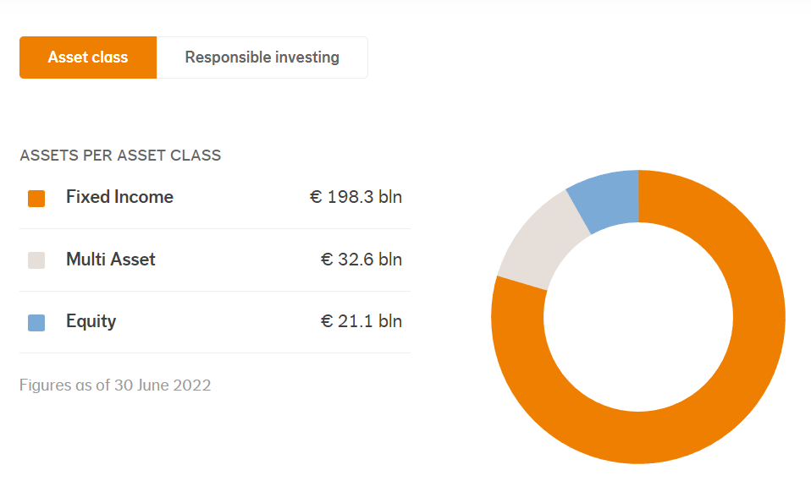
 |  |  |  |  |  | 1.05 | 219,959,176.41 | 2023-01-13 | 2,089,612.18 |  |  |  |  |  |  | *Included submanagement income and expenses
 |  |  |  |  |  | 1 | 233,922,488.57 | 2023-01-13 | 2,035,125.65
 |  |  |  |  |  | 4.95 | 298,608,959.52 | 2023-01-13 | 1,970,819.13
 |  |  |  |  |  | 1 | 1,680,755,165.94 | 2023-01-13 | 1,848,830.68
 |  |  |  |  |  | 1 | 1,226,345,329.10 | 2023-01-13 | 1,839,517.99
 |  |  |  |  |  | 1 | 520,375,288.12 | 2023-01-13 | 1,717,238.45
 |  |  |  |  |  | 1 | 186,594,310.10 | 2023-01-13 | 1,698,008.22
 |  |  |  |  |  | 1.05 | 59,941,165.58 | 2023-01-13 | 1,696,334.99
 |  |  |  |  |  | 1.05 | 139,013,303.78 | 2023-01-13 | 1,668,159.65
 |  |  |  |  |  | 1.05 | 187,441,878.76 | 2023-01-13 | 1,649,488.53
 |  |  |  |  |  | 1 | 199,206,824.10 | 2023-01-13 | 1,613,575.28
 |  |  |  |  |  | 24.74 | 131,466,192.92 | 2023-01-13 | 1,564,447.70
 |  |  |  |  |  | 18.54 | 54,909,113.07 | 2023-01-13 | 1,553,927.90
 |  |  |  |  |  | 1 | 229,556,181.76 | 2023-01-13 | 1,538,026.42
 |  |  |  |  |  | 1 | 85,422,875.19 | 2023-01-13 | 1,537,611.75
 |  |  |  |  |  | 1.05 | 42,879,589.82 | 2023-01-13 | 1,415,026.46
 |  |  |  |  |  | 1 | 169,529,152.22 | 2023-01-13 | 1,407,091.96
 |  |  |  |  |  | 24.74 | 183,379,488.83 | 2023-01-13 | 1,393,684.12
 |  |  |  |  |  | 1 | 56,753,492.52 | 2023-01-13 | 1,373,434.52
 |  |  |  |  |  | 24.74 | 59,177,959.11 | 2023-01-13 | 1,372,928.65
 |  |  |  |  |  | 18.54 | 72,912,436.98 | 2023-01-13 | 1,334,297.60
 |  |  |  |  |  | 24.74 | 56,957,166.62 | 2023-01-13 | 1,321,406.27
 |  |  |  |  |  | 1 | 93,057,640.23 | 2023-01-12 | 1,293,501.20
 |  |  |  |  |  | 1 | 80,796,746.92 | 2023-01-13 | 1,292,747.95
 |  |  |  |  |  | 1 | 56,053,127.21 | 2023-01-13 | 1,289,221.93
 |  |  |  |  |  | 1.05 | 37,795,045.10 | 2023-01-13 | 1,247,236.49
 |  |  |  |  |  | 1.05 | 180,646,321.32 | 2023-01-13 | 1,246,459.62
 |  |  |  |  |  | 1.05 | 54,124,958.99 | 2023-01-13 | 1,244,874.06
 |  |  |  |  |  | 1 | 166,471,718.25 | 2023-01-13 | 1,215,243.54
 |  |  |  |  |  | 4.69 | 146,347,375.33 | 2023-01-13 | 1,214,683.22
 |  |  |  |  |  | 1 | 529,055,357.95 | 2022-12-30 | 1,190,374.56
 |  |  |  |  |  | 1.05 | 51,308,067.89 | 2023-01-13 | 1,128,777.49
 |  |  |  |  |  | 1 | 75,018,887.79 | 2023-01-13 | 1,087,773.87
 |  |  |  |  |  | 1 | 138,000,434.90 | 2023-01-13 | 1,076,403.39
 |  |  |  |  |  | 1.05 | 32,375,949.20 | 2023-01-13 | 1,068,406.32
 |  |  |  |  |  | 4.95 | 35,400,232.15 | 2023-01-13 | 1,062,006.96
...

